Hoja1
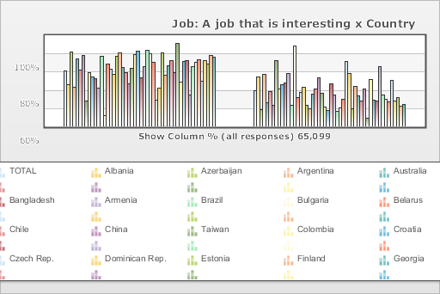
 | World Values Survey Wave 3: 1995-1999
 | Job: A job that is interesting

 | TOTAL | Country
 |  | Albania | Azerbaijan | Argentina | Australia | Bangladesh | Armenia | Brazil | Bulgaria | Belarus | Chile | China | Taiwan | Colombia | Croatia | Czech Rep. | Dominican Rep. | Estonia | Finland | Georgia | Hungary | India | Japan | Latvia | Lithuania | Mexico | Moldova | New Zealand | Nigeria | Norway | Peru | Philippines | Poland | Puerto Rico | Romania | Russia | Slovakia | Slovenia | Spain | Sweden | Switzerland | Turkey | Ukraine | Macedonia | United States | Uruguay | Venezuela | Serbia | Montenegro | Bosnia
Mentioned | 61.3 | 45.8 | 81.3 | 43.3 | 74.1 | 62.2 | 77.4 | 27.4 | 58.7 | 54.3 | 52.3 | 42 | 77.2 | 12.1 | 68.5 | 63.2 | 57.1 | 77 | 81.1 | 64.7 | 58.6 | 46.9 | 63.3 | 79.2 | 82.7 | 53.5 | 66 | 83.7 | 79.4 | 70.1 | 29.1 | 41.9 | 80.6 | 56.4 | 66.8 | 71.8 | 59.2 | 91 | 48.2 | 71.1 | 72.1 | 34.4 | 65.8 | 69.9 | 72.8 | 49.9 | 72.6 | 68.8 | 77.9 | 75.5
Not mentioned | 38.7 | 54.2 | 18.7 | 56.7 | 25.9 | 37.8 | 22.7 | 72.6 | 41.3 | 45.7 | 47.7 | 58 | 22.8 | 87.9 | 31.5 | 36.8 | 42.9 | 23 | 18.9 | 35.3 | 41.4 | 53.1 | 36.7 | 20.8 | 17.3 | 46.5 | 34 | 16.3 | 20.6 | 29.9 | 70.9 | 58.1 | 19.4 | 43.6 | 33.2 | 28.2 | 40.8 | 9 | 51.8 | 28.9 | 27.9 | 65.6 | 34.2 | 30.1 | 27.2 | 50.1 | 27.4 | 31.2 | 22.1 | 24.5
(N) | 65.099 | 999 | 2.002 | 1.079 | 2.048 | 1.525 | 2 | 1.143 | 1.072 | 2.092 | 1 | 1.5 | 780 | 2.996 | 1.196 | 1.147 | 417 | 1.021 | 987 | 2.008 | 650 | 2.04 | 1.054 | 1.2 | 1.009 | 1.51 | 984 | 1.201 | 1.996 | 1.127 | 1.211 | 1.2 | 1.153 | 1.164 | 1.239 | 2.04 | 1.095 | 1.007 | 1.211 | 1.009 | 1.212 | 1.907 | 2.811 | 995 | 1.542 | 1 | 1.2 | 1.28 | 240 | 800

