Hoja1
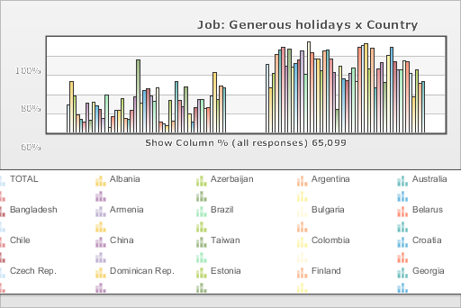
 | World Values Survey Wave 3: 1995-1999
 | Job: Generous holidays

 | TOTAL | Country
 |  | Albania | Azerbaijan | Argentina | Australia | Bangladesh | Armenia | Brazil | Bulgaria | Belarus | Chile | China | Taiwan | Colombia | Croatia | Czech Rep. | Dominican Rep. | Estonia | Finland | Georgia | Hungary | India | Japan | Latvia | Lithuania | Mexico | Moldova | New Zealand | Nigeria | Norway | Peru | Philippines | Poland | Puerto Rico | Romania | Russia | Slovakia | Slovenia | Spain | Sweden | Switzerland | Turkey | Ukraine | Macedonia | United States | Uruguay | Venezuela | Serbia | Montenegro | Bosnia
Mentioned | 28.9 | 53.4 | 38.4 | 18.6 | 13.7 | 10.4 | 30.6 | 13.2 | 31.2 | 27.5 | 24.5 | 14.5 | 38.8 | 5.4 | 16.8 | 22.9 | 23.5 | 35.3 | 14.7 | 13.7 | 23.4 | 37.3 | 76.1 | 30.2 | 44.2 | 45.6 | 38 | 32.3 | 46.6 | 10.7 | 8.5 | 7.5 | 33.8 | 11.9 | 53.2 | 33.3 | 26.9 | 47.5 | 19.2 | 11.3 | 26.1 | 34.9 | 34.9 | 25.3 | 26.2 | 38.1 | 63.2 | 34.8 | 48.3 | 46.6
Not mentioned | 71.1 | 46.6 | 61.6 | 81.4 | 86.3 | 89.6 | 69.4 | 86.8 | 68.8 | 72.5 | 75.5 | 85.5 | 61.2 | 94.6 | 83.2 | 77.1 | 76.5 | 64.7 | 85.3 | 86.3 | 76.6 | 62.7 | 23.9 | 69.8 | 55.8 | 54.4 | 62 | 67.7 | 53.4 | 89.3 | 91.5 | 92.5 | 66.2 | 88.1 | 46.8 | 66.7 | 73.1 | 52.5 | 80.8 | 88.7 | 73.9 | 65.1 | 65.1 | 74.7 | 73.8 | 61.9 | 36.8 | 65.2 | 51.7 | 53.4
(N) | 65.099 | 999 | 2.002 | 1.079 | 2.048 | 1.525 | 2 | 1.143 | 1.072 | 2.092 | 1 | 1.5 | 780 | 2.996 | 1.196 | 1.147 | 417 | 1.021 | 987 | 2.008 | 650 | 2.04 | 1.054 | 1.2 | 1.009 | 1.51 | 984 | 1.201 | 1.996 | 1.127 | 1.211 | 1.2 | 1.153 | 1.164 | 1.239 | 2.04 | 1.095 | 1.007 | 1.211 | 1.009 | 1.212 | 1.907 | 2.811 | 995 | 1.542 | 1 | 1.2 | 1.28 | 240 | 800

