Hoja1
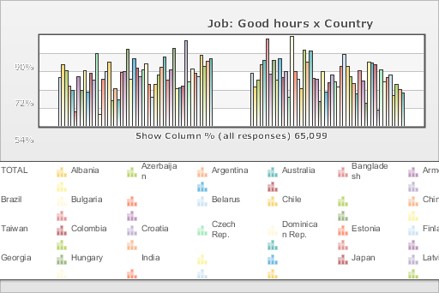
 | World Values Survey Wave 3: 1995-1999
 | Job: Good hours

 | TOTAL | Country
 |  | Albania | Azerbaijan | Argentina | Australia | Bangladesh | Armenia | Brazil | Bulgaria | Belarus | Chile | China | Taiwan | Colombia | Croatia | Czech Rep. | Dominican Rep. | Estonia | Finland | Georgia | Hungary | India | Japan | Latvia | Lithuania | Mexico | Moldova | New Zealand | Nigeria | Norway | Peru | Philippines | Poland | Puerto Rico | Romania | Russia | Slovakia | Slovenia | Spain | Sweden | Switzerland | Turkey | Ukraine | Macedonia | United States | Uruguay | Venezuela | Serbia | Montenegro | Bosnia
Mentioned | 47.8 | 61.1 | 54.7 | 39.4 | 34.9 | 13.9 | 48.7 | 35.4 | 54.5 | 33.3 | 51.8 | 45.7 | 71.7 | 11.2 | 46.2 | 53.7 | 63.3 | 24.8 | 36.9 | 25.5 | 52.9 | 54 | 76 | 46.2 | 66.5 | 57 | 49.1 | 55.9 | 61.7 | 41.4 | 28.7 | 41.4 | 50.9 | 58.1 | 68 | 45.4 | 55.5 | 77.1 | 36.9 | 37.6 | 39.7 | 84.1 | 44.1 | 56.1 | 52 | 49.2 | 70.2 | 58.7 | 63.7 | 66.9
Not mentioned | 52.2 | 38.9 | 45.3 | 60.6 | 65.1 | 86.1 | 51.3 | 64.6 | 45.5 | 66.7 | 48.2 | 54.3 | 28.3 | 88.8 | 53.8 | 46.3 | 36.7 | 75.2 | 63.1 | 74.5 | 47.1 | 46 | 24 | 53.8 | 33.5 | 43 | 50.9 | 44.1 | 38.3 | 58.6 | 71.3 | 58.6 | 49.1 | 41.9 | 32 | 54.6 | 44.5 | 22.9 | 63.1 | 62.4 | 60.3 | 15.9 | 55.9 | 43.9 | 48 | 50.8 | 29.8 | 41.3 | 36.2 | 33.1
(N) | 65.099 | 999 | 2.002 | 1.079 | 2.048 | 1.525 | 2 | 1.143 | 1.072 | 2.092 | 1 | 1.5 | 780 | 2.996 | 1.196 | 1.147 | 417 | 1.021 | 987 | 2.008 | 650 | 2.04 | 1.054 | 1.2 | 1.009 | 1.51 | 984 | 1.201 | 1.996 | 1.127 | 1.211 | 1.2 | 1.153 | 1.164 | 1.239 | 2.04 | 1.095 | 1.007 | 1.211 | 1.009 | 1.212 | 1.907 | 2.811 | 995 | 1.542 | 1 | 1.2 | 1.28 | 240 | 800

