Hoja1
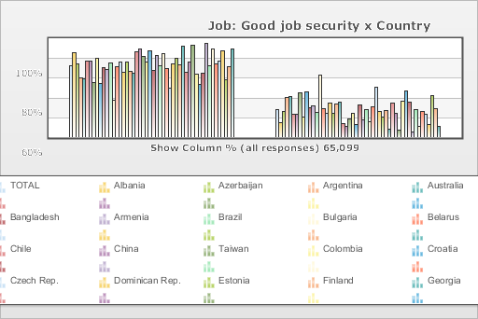
 | World Values Survey Wave 3: 1995-1999
 | Job: Good job security

 | TOTAL | Country
 |  | Albania | Azerbaijan | Argentina | Australia | Bangladesh | Armenia | Brazil | Bulgaria | Belarus | Chile | China | Taiwan | Colombia | Croatia | Czech Rep. | Dominican Rep. | Estonia | Finland | Georgia | Hungary | India | Japan | Latvia | Lithuania | Mexico | Moldova | New Zealand | Nigeria | Norway | Peru | Philippines | Poland | Puerto Rico | Romania | Russia | Slovakia | Slovenia | Spain | Sweden | Switzerland | Turkey | Ukraine | Macedonia | United States | Uruguay | Venezuela | Serbia | Montenegro | Bosnia
Mentioned | 71.8 | 85.4 | 74.3 | 60.2 | 58.5 | 77.3 | 77.3 | 55.3 | 79.9 | 54.5 | 70.3 | 68.1 | 74.9 | 37.1 | 71.1 | 75.6 | 65.5 | 76.2 | 66.9 | 65 | 86 | 89 | 81.2 | 75.6 | 86.8 | 67.5 | 82.7 | 72 | 84.3 | 69.3 | 49.3 | 73.7 | 79.7 | 73 | 91.9 | 65.9 | 75.9 | 92.8 | 63.4 | 53.1 | 64.4 | 95 | 71.8 | 89.6 | 74.3 | 76.5 | 87.2 | 58.3 | 71.2 | 89.2
Not mentioned | 28.2 | 14.6 | 25.7 | 39.8 | 41.5 | 22.7 | 22.7 | 44.7 | 20.1 | 45.5 | 29.7 | 31.9 | 25.1 | 62.9 | 28.9 | 24.4 | 34.5 | 23.8 | 33.1 | 35 | 14 | 11 | 18.8 | 24.4 | 13.2 | 32.5 | 17.3 | 28 | 15.7 | 30.7 | 50.7 | 26.3 | 20.3 | 27 | 8.1 | 34.1 | 24.1 | 7.2 | 36.6 | 46.9 | 35.6 | 5 | 28.2 | 10.4 | 25.7 | 23.5 | 12.8 | 41.7 | 28.7 | 10.8
(N) | 65.099 | 999 | 2.002 | 1.079 | 2.048 | 1.525 | 2 | 1.143 | 1.072 | 2.092 | 1 | 1.5 | 780 | 2.996 | 1.196 | 1.147 | 417 | 1.021 | 987 | 2.008 | 650 | 2.04 | 1.054 | 1.2 | 1.009 | 1.51 | 984 | 1.201 | 1.996 | 1.127 | 1.211 | 1.2 | 1.153 | 1.164 | 1.239 | 2.04 | 1.095 | 1.007 | 1.211 | 1.009 | 1.212 | 1.907 | 2.811 | 995 | 1.542 | 1 | 1.2 | 1.28 | 240 | 800

