Hoja1
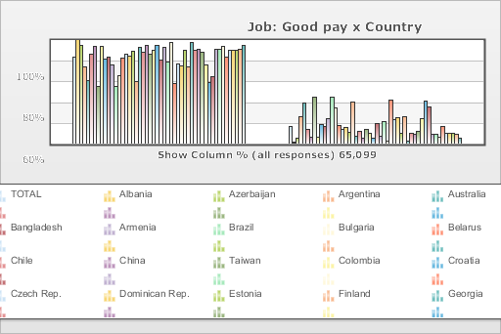
 | World Values Survey Wave 3: 1995-1999
 | Job: Good pay

 | TOTAL | Country
 |  | Albania | Azerbaijan | Argentina | Australia | Bangladesh | Armenia | Brazil | Bulgaria | Belarus | Chile | China | Taiwan | Colombia | Croatia | Czech Rep. | Dominican Rep. | Estonia | Finland | Georgia | Hungary | India | Japan | Latvia | Lithuania | Mexico | Moldova | New Zealand | Nigeria | Norway | Peru | Philippines | Poland | Puerto Rico | Romania | Russia | Slovakia | Slovenia | Spain | Sweden | Switzerland | Turkey | Ukraine | Macedonia | United States | Uruguay | Venezuela | Serbia | Montenegro | Bosnia
Mentioned | 83.4 | 99.5 | 95.2 | 74 | 60.7 | 86.6 | 93.5 | 55.5 | 93.8 | 81.6 | 83.4 | 76.1 | 55.6 | 65.6 | 82.7 | 86.6 | 84.9 | 89.1 | 59.5 | 92.6 | 87.8 | 94.7 | 86.3 | 89.8 | 95.2 | 80.6 | 93.1 | 78.8 | 97.5 | 58.4 | 77.2 | 75.2 | 89.8 | 73.9 | 97.7 | 90.5 | 90.6 | 88.6 | 76 | 59.3 | 64.9 | 91 | 91.4 | 93.4 | 83.9 | 90 | 90.3 | 90 | 90.8 | 94.8
Not mentioned | 16.6 | 0.5 | 4.8 | 26 | 39.3 | 13.4 | 6.5 | 44.5 | 6.2 | 18.4 | 16.6 | 23.9 | 44.4 | 34.4 | 17.3 | 13.4 | 15.1 | 10.9 | 40.5 | 7.4 | 12.2 | 5.3 | 13.7 | 10.2 | 4.8 | 19.4 | 6.9 | 21.2 | 2.5 | 41.6 | 22.8 | 24.8 | 10.2 | 26.1 | 2.3 | 9.5 | 9.4 | 11.4 | 24 | 40.7 | 35.1 | 9 | 8.6 | 6.6 | 16.1 | 10 | 9.7 | 10 | 9.2 | 5.2
(N) | 65.099 | 999 | 2.002 | 1.079 | 2.048 | 1.525 | 2 | 1.143 | 1.072 | 2.092 | 1 | 1.5 | 780 | 2.996 | 1.196 | 1.147 | 417 | 1.021 | 987 | 2.008 | 650 | 2.04 | 1.054 | 1.2 | 1.009 | 1.51 | 984 | 1.201 | 1.996 | 1.127 | 1.211 | 1.2 | 1.153 | 1.164 | 1.239 | 2.04 | 1.095 | 1.007 | 1.211 | 1.009 | 1.212 | 1.907 | 2.811 | 995 | 1.542 | 1 | 1.2 | 1.28 | 240 | 800

