Hoja1
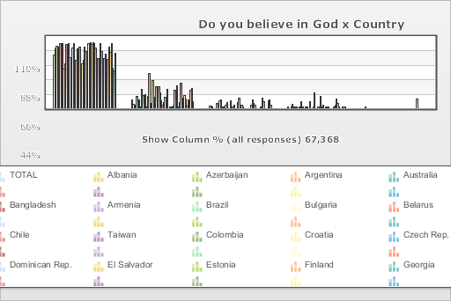
 | World Values Survey Wave 3: 1995-1999
 | Do you believe in God

 | TOTAL | Country
 |  | Albania | Azerbaijan | Argentina | Australia | Bangladesh | Armenia | Brazil | Bulgaria | Belarus | Chile | Taiwan | Colombia | Croatia | Czech Rep. | Dominican Rep. | El Salvador | Estonia | Finland | Georgia | Hungary | India | Japan | Latvia | Lithuania | Mexico | Moldova | New Zealand | Nigeria | Norway | Pakistan | Peru | Philippines | Puerto Rico | Romania | Russia | Slovakia | Slovenia | South Africa | Spain | Sweden | Switzerland | Turkey | Ukraine | Macedonia | United States | Uruguay | Venezuela | Serbia | Montenegro | Bosnia
Yes | 81.3 | 90.8 | 95.2 | 93.5 | 75.4 | 98.3 | 78.8 | 99 | 59.7 | 67.9 | 97.1 | 69 | 99 | 76.6 | 38.9 | 91.8 | 99.1 | 45.8 | 73.4 | 90.9 | 63.2 | 93.5 | 43.5 | 67.1 | 73 | 93 | 86.1 | 63.6 | 99.2 | 65.1 | 100 | 96.8 | 99.6 | 98.6 | 92.3 | 60.1 | 75.7 | 61.3 | 98.2 | 86.9 | 48.2 | 76.4 | 82.7 | 64.7 | 75.1 | 93.8 | 84.8 | 98.5 | 61.4 | 56.7 | 84.4
No | 12.6 | 6.1 | 2.1 | 5.1 | 18.7 | 1.4 | 13.2 | 0.9 | 29.2 | 19.4 | 1.9 | 21.3 | 0.9 | 18.1 | 52.9 | 7.2 | 0.6 | 42.7 | 16.8 | 6.7 | 32.3 | 5.5 | 32.4 | 24.1 | 11.9 | 5.3 | 8.9 | 16.7 | 0.7 | 29.5 | 0 | 2 | 0.2 | 0.7 | 3.1 | 27.5 | 17.1 | 34 | 1.1 | 8.7 | 37.7 | 15.5 | 1.7 | 19.9 | 14.5 | 3.9 | 13 | 0.9 | 27.3 | 30.4 | 10.4
NA | 3.7 | 3.1 | 2.6 | 0 | 0 | 0 | 8 | 0 | 11.1 | 12.7 | 0 | 0.3 | 0 | 5.3 | 8.2 | 0 | 0 | 11.5 | 0 | 2.4 | 4.5 | 0 | 0 | 8.8 | 15.1 | 0 | 5 | 1.5 | 0 | 0 | 0 | 0 | 0 | 0 | 4.6 | 12.4 | 7.2 | 4.8 | 0 | 0 | 0 | 0 | 0.9 | 15.4 | 10.5 | 0 | 0 | 0 | 11.2 | 12.9 | 5.2
DK | 2 | 0 | 0 | 1.4 | 5.9 | 0.3 | 0 | 0.2 | 0 | 0 | 1 | 9.5 | 0.1 | 0 | 0 | 1 | 0.3 | 0 | 9.8 | 0 | 0 | 1 | 24 | 0 | 0 | 1.7 | 0 | 18.2 | 0.1 | 5.3 | 0 | 1.2 | 0.2 | 0.7 | 0 | 0 | 0 | 0 | 0.7 | 4.4 | 14.2 | 8 | 0.2 | 0 | 0 | 2.3 | 2.2 | 0.6 | 0 | 0 | 0
INAP (TR: No Religious Denomination) | 0.4 | 0 | 0 | 0 | 0 | 0 | 0 | 0 | 0 | 0 | 0 | 0 | 0 | 0 | 0 | 0 | 0 | 0 | 0 | 0 | 0 | 0 | 0 | 0 | 0 | 0 | 0 | 0 | 0 | 0 | 0 | 0 | 0 | 0 | 0 | 0 | 0 | 0 | 0 | 0 | 0 | 0 | 14.4 | 0 | 0 | 0 | 0 | 0 | 0 | 0 | 0
(N) | 67.368 | 999 | 2.002 | 1.079 | 2.048 | 1.525 | 2 | 1.143 | 1.072 | 2.092 | 1 | 780 | 2.996 | 1.196 | 1.147 | 417 | 1.254 | 1.021 | 987 | 2.008 | 650 | 2.04 | 1.054 | 1.2 | 1.009 | 1.51 | 984 | 1.201 | 1.996 | 1.127 | 733 | 1.211 | 1.2 | 1.164 | 1.239 | 2.04 | 1.095 | 1.007 | 2.935 | 1.211 | 1.009 | 1.212 | 1.907 | 2.811 | 995 | 1.542 | 1 | 1.2 | 1.28 | 240 | 800

