Hoja1
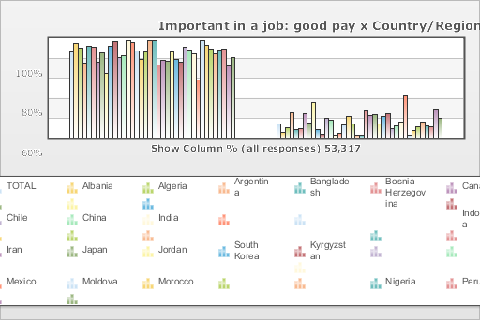
 | World Values Survey Wave 4: 2000-2004
 | Important in a job: good pay

 | TOTAL | Country/Region
 |  | Albania | Algeria | Argentina | Bangladesh | Bosnia Herzegovina | Canada | Chile | China | India | Indonesia | Iran | Japan | Jordan | South Korea | Kyrgyzstan | Mexico | Moldova | Morocco | Nigeria | Peru | Philippines | Puerto Rico | Saudi Arabia | Singapore | Vietnam | South Africa | Zimbabwe | Spain | Sweden | Turkey | Uganda | Macedonia | Egypt | Tanzania | United States | Serbia | Montenegro
Mentioned | 85.9 | 95.2 | 89.8 | 75.2 | 92.3 | 91.2 | 75.5 | 85.3 | 65 | 91.9 | 97.1 | 80.2 | 83 | 98 | 95.6 | 87.5 | 78.8 | 86 | 98 | 97.4 | 73.4 | 78.1 | 76.7 | 86.4 | 78.5 | 75.7 | 90.9 | 88.1 | 84.6 | 58.2 | 97.5 | 92.6 | 89.3 | 84.8 | 88.6 | 88.9 | 72.1 | 80.6
Not mentioned | 14.1 | 4.8 | 10.2 | 24.8 | 7.7 | 8.8 | 24.5 | 14.7 | 35 | 8.1 | 2.9 | 19.8 | 17 | 2 | 4.4 | 12.5 | 21.2 | 14 | 2 | 2.6 | 26.6 | 21.9 | 23.3 | 13.6 | 21.5 | 24.3 | 9.1 | 11.9 | 15.4 | 41.8 | 2.5 | 7.4 | 10.7 | 15.2 | 11.4 | 11.1 | 27.9 | 19.4
(N) | 53.317 | 1 | 1.282 | 1.28 | 1.5 | 1.2 | 1.931 | 1.2 | 1 | 2.002 | 1 | 2.532 | 1.362 | 1.223 | 1.2 | 1.043 | 1.535 | 1.008 | 1.251 | 2.022 | 1.501 | 1.2 | 720 | 1.502 | 1.512 | 1 | 3 | 1.002 | 1.209 | 1.014 | 3.401 | 1.002 | 1.055 | 3 | 1.171 | 1.2 | 1.2 | 1.056

