Hoja1
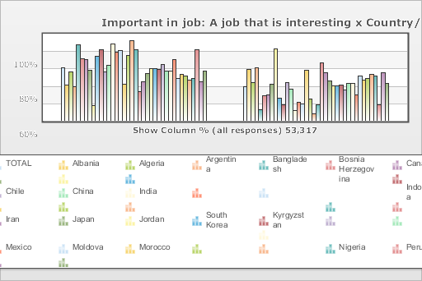
 | World Values Survey Wave 4: 2000-2004
 | Important in job: A job that is interesting

 | TOTAL | Country/Region
 |  | Albania | Algeria | Argentina | Bangladesh | Bosnia Herzegovina | Canada | Chile | China | India | Indonesia | Iran | Japan | Jordan | South Korea | Kyrgyzstan | Mexico | Moldova | Morocco | Nigeria | Peru | Philippines | Puerto Rico | Saudi Arabia | Singapore | Vietnam | South Africa | Zimbabwe | Spain | Sweden | Turkey | Uganda | Macedonia | Egypt | Tanzania | United States | Serbia | Montenegro
Mentioned | 60.6 | 41.1 | 56.6 | 39.4 | 87.1 | 71 | 70.4 | 57.7 | 17.8 | 74.5 | 81.8 | 56.5 | 63.7 | 88.4 | 79.1 | 80.2 | 42.1 | 74.6 | 92.2 | 81.5 | 33.1 | 44.5 | 54.6 | 59.7 | 60.1 | 59.3 | 65 | 57 | 57.5 | 69.9 | 48.9 | 53.5 | 51.8 | 46.6 | 48.6 | 81.5 | 45.2 | 57.5
Not mentioned | 39.4 | 58.9 | 43.4 | 60.6 | 12.9 | 29 | 29.6 | 42.3 | 82.2 | 25.5 | 18.2 | 43.5 | 36.3 | 11.6 | 20.9 | 19.8 | 57.9 | 25.4 | 7.8 | 18.5 | 66.9 | 55.5 | 45.4 | 40.3 | 39.9 | 40.7 | 35 | 43 | 42.5 | 30.1 | 51.1 | 46.5 | 48.2 | 53.4 | 51.4 | 18.5 | 54.8 | 42.5
(N) | 53.317 | 1 | 1.282 | 1.28 | 1.5 | 1.2 | 1.931 | 1.2 | 1 | 2.002 | 1 | 2.532 | 1.362 | 1.223 | 1.2 | 1.043 | 1.535 | 1.008 | 1.251 | 2.022 | 1.501 | 1.2 | 720 | 1.502 | 1.512 | 1 | 3 | 1.002 | 1.209 | 1.014 | 3.401 | 1.002 | 1.055 | 3 | 1.171 | 1.2 | 1.2 | 1.056

