Hoja1
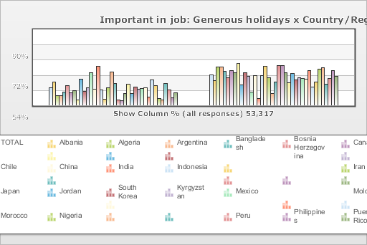
 | World Values Survey Wave 4: 2000-2004
 | Important in job: Generous holidays

 | TOTAL | Country/Region
 |  | Albania | Algeria | Argentina | Bangladesh | Bosnia Herzegovina | Canada | Chile | China | India | Indonesia | Iran | Japan | Jordan | South Korea | Kyrgyzstan | Mexico | Moldova | Morocco | Nigeria | Peru | Philippines | Puerto Rico | Saudi Arabia | Singapore | Vietnam | South Africa | Zimbabwe | Spain | Sweden | Turkey | Uganda | Macedonia | Egypt | Tanzania | United States | Serbia | Montenegro
Mentioned | 36.4 | 48.3 | 20.5 | 20.9 | 28.4 | 41.8 | 26.4 | 32 | 11.1 | 55.9 | 30.1 | 37.5 | 70.6 | 34.8 | 85.2 | 34.5 | 14.2 | 38.7 | 73.2 | 48.8 | 11.7 | 11.4 | 26.8 | 48.3 | 27.2 | 42 | 36.8 | 39 | 40.2 | 19.5 | 58 | 46.1 | 15.6 | 12.9 | 50.5 | 36.6 | 18.3 | 30.5
Not mentioned | 63.6 | 51.7 | 79.5 | 79.1 | 71.6 | 58.2 | 73.6 | 68 | 88.9 | 44.1 | 69.9 | 62.5 | 29.4 | 65.2 | 14.8 | 65.5 | 85.8 | 61.3 | 26.8 | 51.2 | 88.3 | 88.6 | 73.2 | 51.7 | 72.8 | 58 | 63.2 | 61 | 59.8 | 80.5 | 42 | 53.9 | 84.4 | 87.1 | 49.5 | 63.4 | 81.7 | 69.5
(N) | 53.317 | 1 | 1.282 | 1.28 | 1.5 | 1.2 | 1.931 | 1.2 | 1 | 2.002 | 1 | 2.532 | 1.362 | 1.223 | 1.2 | 1.043 | 1.535 | 1.008 | 1.251 | 2.022 | 1.501 | 1.2 | 720 | 1.502 | 1.512 | 1 | 3 | 1.002 | 1.209 | 1.014 | 3.401 | 1.002 | 1.055 | 3 | 1.171 | 1.2 | 1.2 | 1.056

