Hoja1
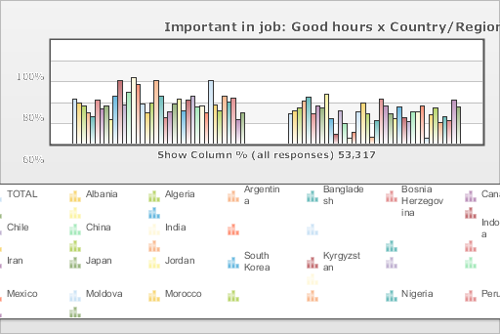
 | World Values Survey Wave 4: 2000-2004
 | Important in job: Good hours

 | TOTAL | Country/Region
 |  | Albania | Algeria | Argentina | Bangladesh | Bosnia Herzegovina | Canada | Chile | China | India | Indonesia | Iran | Japan | Jordan | South Korea | Kyrgyzstan | Mexico | Moldova | Morocco | Nigeria | Peru | Philippines | Puerto Rico | Saudi Arabia | Singapore | Vietnam | South Africa | Zimbabwe | Spain | Sweden | Turkey | Uganda | Macedonia | Egypt | Tanzania | United States | Serbia | Montenegro
Mentioned | 60.1 | 55 | 51.2 | 42.4 | 37.1 | 59.2 | 47.3 | 51.5 | 33 | 65.5 | 86.8 | 54.5 | 71.6 | 91.8 | 83.1 | 55.5 | 43.1 | 57.3 | 89.7 | 67.1 | 36.2 | 45.9 | 56.7 | 65 | 46.6 | 62.6 | 68 | 53.7 | 53.8 | 44.4 | 92.4 | 56.7 | 47.6 | 69.4 | 60.5 | 66.2 | 35.4 | 45.9
Not mentioned | 39.9 | 45 | 48.8 | 57.6 | 62.9 | 40.8 | 52.7 | 48.5 | 67 | 34.5 | 13.2 | 45.5 | 28.4 | 8.2 | 16.9 | 44.5 | 56.9 | 42.7 | 10.3 | 32.9 | 63.8 | 54.1 | 43.3 | 35 | 53.4 | 37.4 | 32 | 46.3 | 46.2 | 55.6 | 7.6 | 43.3 | 52.4 | 30.6 | 39.5 | 33.8 | 64.6 | 54.1
(N) | 53.317 | 1 | 1.282 | 1.28 | 1.5 | 1.2 | 1.931 | 1.2 | 1 | 2.002 | 1 | 2.532 | 1.362 | 1.223 | 1.2 | 1.043 | 1.535 | 1.008 | 1.251 | 2.022 | 1.501 | 1.2 | 720 | 1.502 | 1.512 | 1 | 3 | 1.002 | 1.209 | 1.014 | 3.401 | 1.002 | 1.055 | 3 | 1.171 | 1.2 | 1.2 | 1.056

