Hoja1
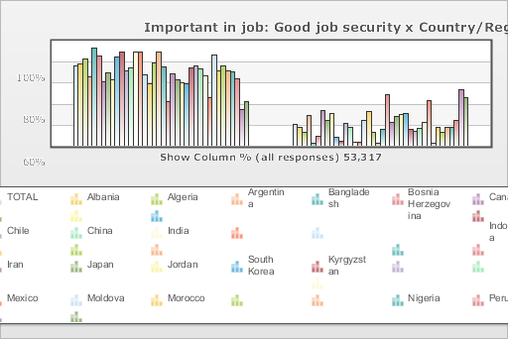
 | World Values Survey Wave 4: 2000-2004
 | Important in job: Good job security

 | TOTAL | Country/Region
 |  | Albania | Algeria | Argentina | Bangladesh | Bosnia Herzegovina | Canada | Chile | China | India | Indonesia | Iran | Japan | Jordan | South Korea | Kyrgyzstan | Mexico | Moldova | Morocco | Nigeria | Peru | Philippines | Puerto Rico | Saudi Arabia | Singapore | Vietnam | South Africa | Zimbabwe | Spain | Sweden | Turkey | Uganda | Macedonia | Egypt | Tanzania | United States | Serbia | Montenegro
Mentioned | 78.4 | 81.2 | 86.3 | 69.6 | 97.3 | 90.3 | 64.9 | 73.7 | 67.7 | 90.6 | 96.2 | 77.1 | 80.3 | 96.6 | 97 | 74.5 | 64.8 | 86.2 | 97.6 | 82.4 | 46.8 | 75.6 | 69.3 | 66.6 | 65.6 | 82.1 | 84.2 | 81.4 | 75.2 | 51 | 98 | 80.9 | 85.4 | 80.7 | 79.3 | 71.8 | 38.7 | 47.9
Not mentioned | 21.6 | 18.8 | 13.7 | 30.4 | 2.7 | 9.7 | 35.1 | 26.3 | 32.3 | 9.4 | 3.8 | 22.9 | 19.7 | 3.4 | 3 | 25.5 | 35.2 | 13.8 | 2.4 | 17.6 | 53.2 | 24.4 | 30.7 | 33.4 | 34.4 | 17.9 | 15.8 | 18.6 | 24.8 | 49 | 2 | 19.1 | 14.6 | 19.3 | 20.7 | 28.2 | 61.3 | 52.1
(N) | 53.317 | 1 | 1.282 | 1.28 | 1.5 | 1.2 | 1.931 | 1.2 | 1 | 2.002 | 1 | 2.532 | 1.362 | 1.223 | 1.2 | 1.043 | 1.535 | 1.008 | 1.251 | 2.022 | 1.501 | 1.2 | 720 | 1.502 | 1.512 | 1 | 3 | 1.002 | 1.209 | 1.014 | 3.401 | 1.002 | 1.055 | 3 | 1.171 | 1.2 | 1.2 | 1.056

