Hoja1
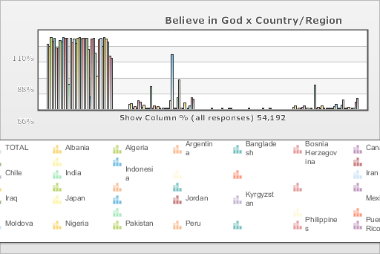
 | World Values Survey Wave 4: 2000-2004
 | Believe in God

 | TOTAL | Country/Region
 |  | Albania | Algeria | Argentina | Bangladesh | Bosnia Herzegovina | Canada | Chile | India | Indonesia | Iran | Iraq | Japan | Jordan | Kyrgyzstan | Mexico | Moldova | Nigeria | Pakistan | Peru | Philippines | Puerto Rico | Saudi Arabia | Singapore | Vietnam | South Africa | Zimbabwe | Spain | Sweden | Turkey | Uganda | Macedonia | Egypt | Tanzania | United States | Serbia | Montenegro
Yes | 91 | 87.6 | 99.8 | 95.3 | 99.1 | 85.9 | 85.4 | 95.7 | 93.5 | 99.9 | 98.9 | 99 | 35 | 99.6 | 92.9 | 97.7 | 91.8 | 99.6 | 100 | 98 | 99.3 | 98.6 | 98.9 | 83.7 | 17.6 | 98.3 | 99 | 78.4 | 46.6 | 97.4 | 99.2 | 88.2 | 100 | 98.5 | 94.2 | 74.7 | 70.8
No | 6.3 | 7.9 | 0.2 | 3.6 | 0.5 | 11.7 | 10.3 | 3 | 5.2 | 0.1 | 0.6 | 0.2 | 31.6 | 0.2 | 4.9 | 2 | 3.8 | 0.3 | 0 | 1.5 | 0.6 | 0.8 | 0.1 | 12.4 | 75.9 | 1.2 | 0.6 | 16.1 | 40.6 | 1.9 | 0.6 | 9.3 | 0 | 0.7 | 4.3 | 15.8 | 14.4
No answer | 0.1 | 0 | 0 | 0 | 0 | 0 | 0.1 | 0 | 0 | 0 | 0.3 | 0.8 | 0 | 0 | 0 | 0 | 0 | 0 | 0 | 0 | 0 | 0.4 | 0 | 0 | 0 | 0 | 0 | 0 | 0 | 0.2 | 0 | 0 | 0 | 0.7 | 0 | 0 | 0
Don´t know | 2.7 | 4.5 | 0 | 1.1 | 0.4 | 2.4 | 4.2 | 1.3 | 1.3 | 0 | 0.2 | 0 | 33.4 | 0.2 | 2.2 | 0.3 | 4.4 | 0.1 | 0 | 0.5 | 0.1 | 0.1 | 1 | 3.8 | 6.5 | 0.5 | 0.4 | 5.4 | 12.8 | 0.5 | 0.2 | 2.5 | 0 | 0.2 | 1.6 | 9.5 | 14.7
(N) | 54.192 | 1 | 1.282 | 1.28 | 1.5 | 1.2 | 1.931 | 1.2 | 2.002 | 1 | 2.532 | 2.325 | 1.362 | 1.223 | 1.043 | 1.535 | 1.008 | 2.022 | 2 | 1.501 | 1.2 | 720 | 1.502 | 1.512 | 1 | 3 | 1.002 | 1.209 | 1.014 | 3.401 | 1.002 | 1.055 | 3 | 1.171 | 1.2 | 1.2 | 1.056

