Hoja1
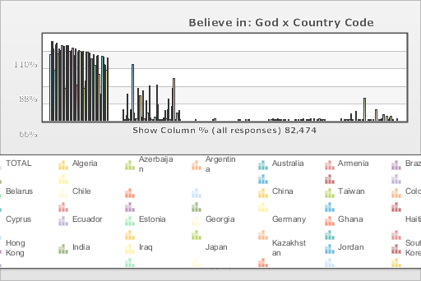
 | World Values Survey Wave 6: 2010-2014
 | Believe in: God

 | TOTAL | Country Code
 |  | Algeria | Azerbaijan | Argentina | Australia | Armenia | Brazil | Belarus | Chile | China | Taiwan | Colombia | Cyprus | Ecuador | Estonia | Georgia | Germany | Ghana | Haiti | Hong Kong | India | Iraq | Japan | Kazakhstan | Jordan | South Korea | Kyrgyzstan | Lebanon | Libya | Malaysia | Mexico | Morocco | Netherlands | New Zealand | Nigeria | Pakistan | Peru | Philippines | Poland | Romania | Russia | Rwanda | Singapore | Slovenia | South Africa | Zimbabwe | Spain | Sweden | Thailand | Trinidad and Tobago | Turkey | Ukraine | United States | Uruguay | Uzbekistan
Yes | 83.3 | 100 | 99.7 | 91.1 | 63.9 | 95.5 | 98.4 | 84.9 | 90.3 | 16.8 | 89.3 | 98.5 | 95.9 | 97.3 | 43.1 | 99.2 | 62.9 | 99.7 | 92.9 | 58 | 96.4 | 99.5 | 40.8 | 89.3 | 100 | 50.2 | 96.2 | 98.8 | 98.5 | 98.4 | 93.8 | 99.8 | 47.7 | 57.2 | 99.5 | 100 | 97.3 | 99.5 | 92.2 | 92.3 | 73.3 | 97.9 | 82.7 | 58.7 | 96.7 | 99.4 | 71.1 | 40.9 | 31.5 | 98.8 | 97.8 | 87.8 | 87.7 | 78.9 | 98.7
No | 13.5 | 0 | 0.3 | 6.5 | 33.9 | 3.1 | 1.4 | 13.8 | 7.3 | 71.7 | 9.4 | 1.4 | 2.4 | 2.7 | 43.1 | 0.7 | 33.7 | 0.3 | 4.2 | 41.3 | 2.8 | 0.5 | 28 | 10.7 | 0 | 49.3 | 3.5 | 1.2 | 0.3 | 1.6 | 6.2 | 0.1 | 51.7 | 23.8 | 0.5 | 0 | 2 | 0.5 | 4.7 | 4 | 15.1 | 2.1 | 17.1 | 32.2 | 1.8 | 0.6 | 22.6 | 50.3 | 64.6 | 0.7 | 0.7 | 12.2 | 11.1 | 16.6 | 1.3
DE,SE,TR:Inapplicable ; RU:Inappropriate response; SG: Refused; HT: Dropped out survey | 0.1 | 0 | 0 | 0 | 0 | 0 | 0 | 0 | 0 | 0 | 0 | 0 | 0 | 0 | 0 | 0 | 0.2 | 0 | 2.7 | 0 | 0 | 0 | 0 | 0 | 0 | 0 | 0 | 0 | 0 | 0 | 0 | 0 | 0 | 0 | 0 | 0 | 0 | 0 | 0 | 0 | 0.3 | 0 | 0.1 | 0 | 0 | 0 | 0 | 0.6 | 0 | 0 | 0.8 | 0 | 0 | 0 | 0
No answer | 0.6 | 0 | 0 | 1.2 | 2.1 | 0 | 0.1 | 0 | 1 | 2.5 | 0.5 | 0.1 | 1.7 | 0 | 0.9 | 0.2 | 1.5 | 0 | 0 | 0.7 | 0 | 0 | 0 | 0 | 0 | 0.4 | 0.2 | 0 | 0.1 | 0 | 0 | 0.1 | 0.6 | 3.2 | 0 | 0 | 0.3 | 0 | 0.8 | 1.1 | 2.4 | 0 | 0 | 2.7 | 0 | 0 | 1.9 | 1.6 | 3.9 | 0 | 0.7 | 0 | 1.2 | 0.8 | 0
Don´t know | 2.5 | 0 | 0 | 1.3 | 0 | 1.4 | 0.1 | 1.3 | 1.4 | 8.9 | 0.8 | 0.1 | 0 | 0 | 13 | 0 | 1.7 | 0 | 0.3 | 0 | 0.7 | 0 | 31.2 | 0 | 0 | 0 | 0.1 | 0 | 1.2 | 0 | 0.1 | 0 | 0 | 15.8 | 0 | 0 | 0.4 | 0 | 2.2 | 2.6 | 8.9 | 0 | 0 | 6.5 | 1.5 | 0 | 4.4 | 6.5 | 0 | 0.5 | 0 | 0 | 0 | 3.7 | 0
(N) | 82.474 | 1.2 | 1.002 | 1.03 | 1.477 | 1.1 | 1.486 | 1.535 | 1 | 2.3 | 1.238 | 1.512 | 1 | 1.202 | 1.533 | 1.202 | 2.046 | 1.552 | 1.996 | 1 | 4.078 | 1.2 | 2.443 | 1.5 | 1.2 | 1.2 | 1.5 | 1.2 | 2.131 | 1.3 | 2 | 1.2 | 1.902 | 841 | 1.759 | 1.2 | 1.21 | 1.2 | 966 | 1.503 | 2.5 | 1.527 | 1.972 | 1.069 | 3.531 | 1.499 | 1.189 | 1.206 | 1.2 | 999 | 1.605 | 1.5 | 2.232 | 1 | 1.5

