Sheet1
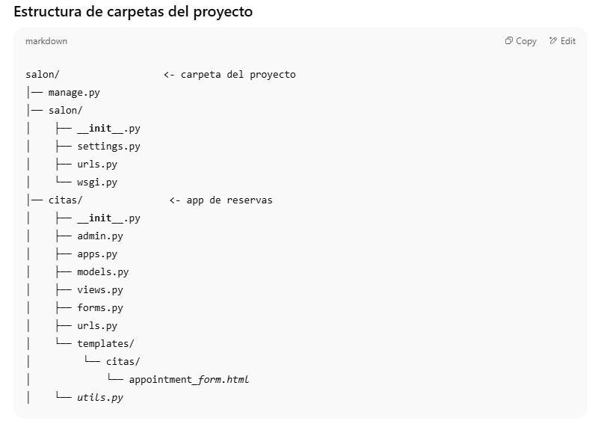

cd C:\Users\jvz16\salon_agenda\ | cd "C:\Users\jvz16\salon_agenda"
venv\Scripts\activate | # si tu carpeta es .venv
pip install django | .\.venv\Scripts\Activate.ps1
python manage.py makemigrations
python manage.py migrate | # si tu carpeta es venv
pip install twilio | .\venv\Scripts\Activate.ps1

 | py -m venv .venv
 | .\.venv\Scripts\Activate.ps1

 | python -m pip install --upgrade pip
python manage.py createsuperuser | pip install -r requirements.txt
 | # si no tienes requirements.txt, instala directo:
python manage.py runserver | # pip install "Django>=4.2,<5"

http://127.0.0.1:8000/admin/ | pip install Pillow

http://127.0.0.1:8000/reservar/
 | python manage.py makemigrations
 | python manage.py migrate

 | Producción (Render)
 | https://TU-SERVICIO.onrender.com/
 | Landing / Reservar: https://salon-nadira.onrender.com/

 | Servicios: https://salon-nadira.onrender.com/servicios/

 | Testimonios: https://salon-nadira.onrender.com/testimonios/

 | Admin: https://salon-nadira.onrender.com/admin/

 | Local (tu PC)

 | Landing / Reservar: http://127.0.0.1:8000/

 | Servicios: http://127.0.0.1:8000/servicios/

 | Testimonios: http://127.0.0.1:8000/testimonios/

 | Admin: http://127.0.0.1:8000/admin/

 | python manage.py createsuperuser

 | Usuario | jvz
 | Clave | jvz123
 | python manage.py changepassword jvz16
 | python manage.py shell
 | >>> from django.contrib.auth.models import User
 | >>> User.objects.all()

 | git status
 | git add -A
 | git commit -m "Actualiza landing, servicios y testimonios"
 | git push origin main # o la rama que usa Render

 | python manage.py runserver

