Sheet1
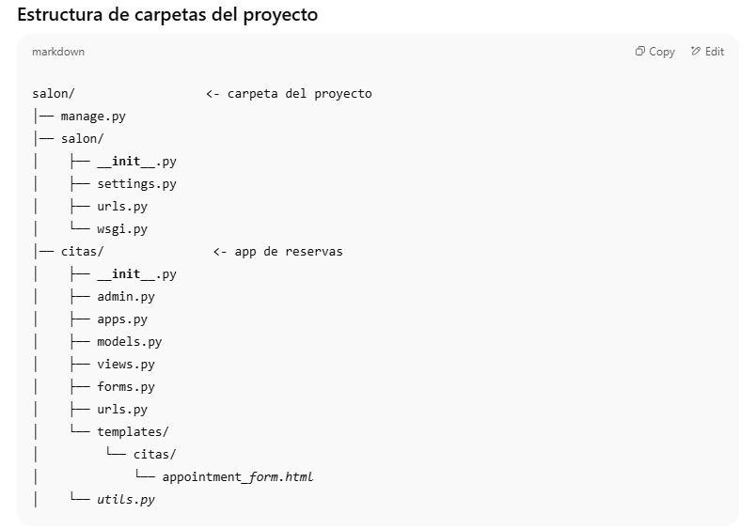

cd C:\Users\jvz16\salon_agenda\
venv\Scripts\activate
pip install django
python manage.py makemigrations
python manage.py migrate
pip install twilio

python manage.py createsuperuser

python manage.py runserver

http://127.0.0.1:8000/admin/

http://127.0.0.1:8000/reservar/

