Results
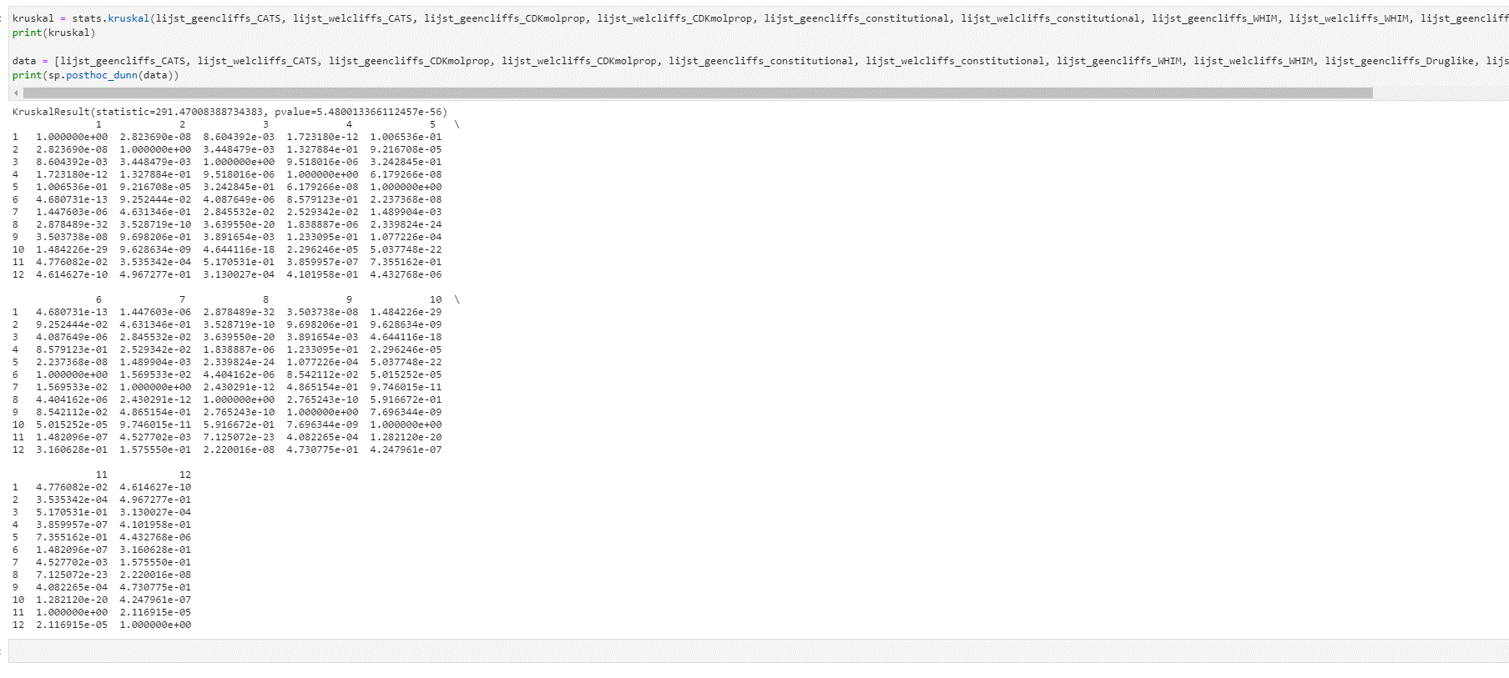
Mean, SD, range
R2 train
RMSEP
Q2

 |  |  | without cliffs

 | Data set | Descriptor | KNN | RF | SVR | Data set | Descriptor | KNN (train, test) | RF (train, test) | SVR (train, test)
 | 239 | CATS | 0.518, 0.742, 0.214 | 0.849 (±0.009), 0.690 (±0.023), 0.348 (±0.038) | 0.261, 0.684, 0.030 | 239 | CATS | 0.826, 0.742 | 0.478 (±0.010), 0.690 (±0.023) | 0.849, 0.684
 |  | CDKmolprop | 0.022, 0.738, -0.060 | 0.737 (±0.002), 0.910 (±0.021), -0.282 (±0.048) | -0.989, 0.711, -0.861 |  | CDKmolprop | 1.007, 0.738 | 0.585 (±0.003), 0.910 (±0.021) | 1.045, 0.711
 |  | constitutional | -0.007, 0.686, 0.058 | 0.692 (±0.014), 0.809 (±0.010), -0.089 (±0.022) | -0.179, 0.624, -0.051 |  | constitutional | 1.008, 0.686 | 0.662 (±0.016), 0.809 (±0.010) | 0.941, 0.624
 |  | WHIM | -4.633, 0.707, -2.256 | 0.758 (±0.029), 0.821 (±0.014), -0.265 (±0.069) | -0.078, 0.734, -0.556 |  | WHIM | 1.316, 0.707 | 0.488 (±0.032), 0.821 (±0.014) | 0.864, 0.734
 |  | Druglike | -0.507, 0.883, -0.870 | 0.557 (±0.007), 0.787 (±0.007), -0.050 (±0.022) | -0.086, 0.800, -0.539 |  | Druglike | 1.128, 0.883 | 0.723 (±0.007), 0.787 (±0.007) | 0.956, 0.800
 |  | MorganFP | -2.943, 1.182, -1.967 | 0.841 (±0.008), 0.718 (±0.010), 0.321 (±0.019) | 0.800, 0.621, 0.444 |  | MorganFP | 2.056, 1.182 | 0.490 (±0.008), 0.718 (±0.010) | 0.530, 0.621

 | 4005 | CATS | 0.824, 0.731, 0.473 | 0.890 (±0.001), 0.604 (±0.003), 0.562 (±0.000) | 0.417, 0.642, 0.346 | 4005 | CATS | 0.601, 0.731 | 0.429 (±0.001), 0.604 (±0.003) | 0.862, 0.642
 |  | CDKmolprop | -0.165, 0.734, -0.096 | 0.833 (±0.001), 0.723 (±0.002), 0.324 (±0.004) | -0.034, 0.739, -0.006 |  | CDKmolprop | 1.077, 0.734 | 0.513 (±0.001), 0.723 (±0.002) | 1.066, 0.739
 |  | constitutional | -0.043, 0.780, -0.129 | 0.806 (±0.006), 0.727 (±0.008), 0.322 (±0.017) | -0.055, 0.740, -0.054 |  | constitutional | 1.066, 0.780 | 0.550 (0.008), 0.727 (±0.008) | 1.054, 0.740
 |  | WHIM | -3.382, 0.883, -2.676 | 0.833 (±0.002), 0.778 (±0.002), 0.111 (±0.006) | -0.655, 0.835, -0.882 |  | WHIM | 1.373, 0.883 | 0.586 (±0.002), 0.778 (±0.002) | 1.114, 0.835
 |  | Druglike | -0.996, 0.821, -0.790 | 0.500 (±0.003), 0.789 (±0.001), 0.047 (±0.006) | -1.321, 0.800, -0.878 |  | Druglike | 1.234, 0.821 | 0.814 (±0.003), 0.789 (±0.001) | 1.266, 0.800
 |  | MorganFP | -1.524, 0.836, -8.861 | 0.932 (±0.000), 0.597 (±0.004), 0.610 (±0.004) | 0.809, 0.664, 0.408 |  | MorganFP | 1.560, 0.836 | 0.354 (±0.002), 0.597 (±0.004) | 0.536, 0.664

 | 224 | CATS | 0.484, 0.771, 0.320 | 0.896 (±0.001), 0.686 (±0.002), 0.509 (±0.004) | -0.029, 0.785, -0.057 | 224 | CATS | 0.956, 0.771 | 0.449 (±0.003), 0.686 (±0.002) | 1.103, 0.785
 |  | CDKmolprop | 0.181, 0.855, -0.023 | 0.858 (±0.001), 0.776 (±0.002), 0.324 (±0.003) | -0.732, 0.848, -0.546 |  | CDKmolprop | 1.090, 0.855 | 0.506 (±0.001), 0.776 (±0.002) | 1.278, 0.848
 |  | constitutional | 0.079, 0.811, 0.016 | 0.858 (±0.001), 0.755 (±0.002), 0.377 (±0.003) | -0.294, 0.800, -0.180 |  | constitutional | 1.118, 0.811 | 0.514 (±0.002), 0.755 (±0.002) | 1.193, 0.800
 |  | WHIM | -5.833, 0.937, -4.326 | 0.772 (±0.000), 0.863 (±0.001), -0.095 (±0.001) | -2.216, 0.936, -2.007 |  | WHIM | 1.513, 0.937 | 0.562 (±0.002), 0.863 (±0.001) | 1.380, 0.936
 |  | Druglike | -3.167, 0.884, -2.040 | 0.060 (±0.005), 0.958 (±0.006), -0.470 (±0.008) | -2.265, 0.884, -1.519 |  | Druglike | 1.473, 0.884 | 1.091 (±0.006), 0.958 (±0.006) | 1.433, 0.884
 |  | MorganFP | 0.000, 0.974, NaN (-inf) | 0.926 (±0.000), 0.575 (±0.002), 0.683 (±0.001) | 0.803, 0.631, 0.563 |  | MorganFP | 1.680, 0.974 | 0.399 (±0.001), 0.575 (±0.002) | 0.603, 0.631

 |  | Kruskal

 |  | Kruskal voor alle data (lijst_geencliffs, lijst_welcliffs):
 |  | KruskalResult(statistic=177.20130513121146, pvalue=1.979314922528911e-40)

 |  | Uit boxplot kan je duidelijk zien dat zonder cliffs een veel lagere RMSEP heeft

 |  | Kruskal uitgesplitst per model: KNN, RF, SVR

 |  | elk model heeft 90 waardes, 18 per run, 5 runs.
 |  | Voor elk model is de versie zonder cliffs beter (lagere RMSEP).
 |  | SVR doete het gemiddeld het beste, maar RF haalt de laagste waarde onder de 0.6

 |  | Kruskal: KruskalResult(statistic=216.77277515078072, pvalue=7.298141057590995e-45)
 |  | Dus duidelijk significante verschillen

 |  | scikit_posthocs.posthoc_dunn

 |  | RF zonder cliffs en SVR zonder cliffs verschillen niet significant
 |  | Alle andere onderling verschillen wel

 |  | Descriptors

 |  | KruskalResult(statistic=291.47008388734383, pvalue=5.480013366112457e-56)

