图片索引
图片索引与 Prompt 摘要
40 张实际生成图片的缩略图索引。每张图旁显示运行、角色、哈希和 Prompt 摘要；“打开原图”可点击。

C01 · 灯塔海岸
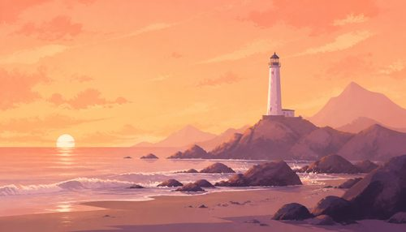 | 灯塔海岸 路线 A：纯环境母版 + 局部宠物编辑（本次为模拟执行） | 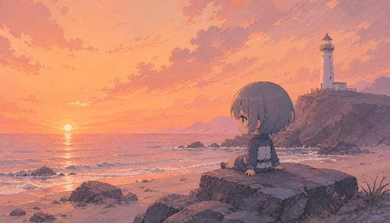 | 灯塔海岸 路线 A：纯环境母版 + 局部宠物编辑（本次为模拟执行） | 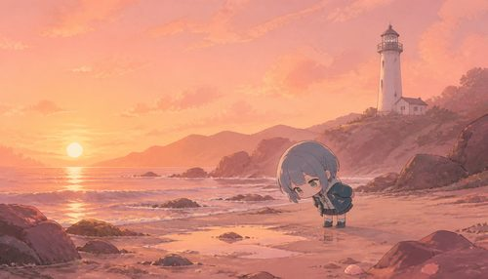 | 灯塔海岸 路线 A：纯环境母版 + 局部宠物编辑（本次为模拟执行） | 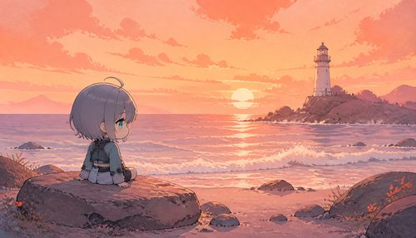 | 灯塔海岸 路线 B：Scene A 参考生成 Scene B（本次为模拟执行）
C01-RA · 纯环境 pure-env.png Hash: aee7ad0e55df55af Prompt 摘要: Art style: Hand-painted 2D storybook aesthetic inspired by the game Neva. Pastel and gouache-like color blocks, visible but restrained paper/brush textures, clear silhouettes, cinematic horizontal composition. Fixed hori... | 打开原图 | C01-RA · Scene A SceneA.png Hash: d8c49dbc303e4400 Prompt 摘要: Art style: Hand-painted 2D storybook aesthetic inspired by the game Neva. Pastel and gouache-like color blocks, visible but restrained paper/brush textures, clear silhouettes, cinematic horizontal composition. Fixed hori... | 打开原图 | C01-RA · Scene B SceneB.png Hash: 75ea7ec37fd71e64 Prompt 摘要: Art style: Hand-painted 2D storybook aesthetic inspired by the game Neva. Pastel and gouache-like color blocks, visible but restrained paper/brush textures, clear silhouettes, cinematic horizontal composition. Fixed hori... | 打开原图 | C01-RB · Scene A SceneA.png Hash: 208f471270972226 Prompt 摘要: Art style: Hand-painted 2D storybook aesthetic inspired by the game Neva. Pastel and gouache-like color blocks, visible but restrained paper/brush textures, clear silhouettes, cinematic horizontal composition. Fixed hori... | 打开原图
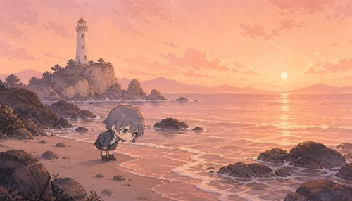 | 灯塔海岸 路线 B：Scene A 参考生成 Scene B（本次为模拟执行） | 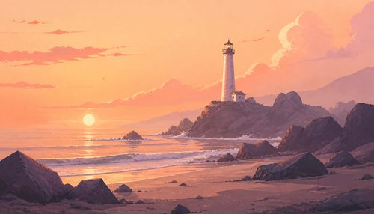 | 灯塔海岸 路线 C：模型定位 + 程序化 Mask（本次为简化执行） | 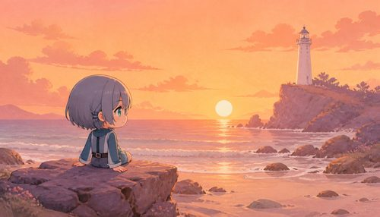 | 灯塔海岸 路线 C：模型定位 + 程序化 Mask（本次为简化执行） | 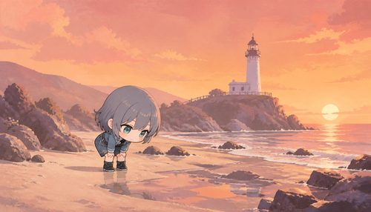 | 灯塔海岸 路线 C：模型定位 + 程序化 Mask（本次为简化执行）
C01-RB · Scene B SceneB.png Hash: 9ae4b2fbe3ecfbb3 Prompt 摘要: Art style: Hand-painted 2D storybook aesthetic inspired by the game Neva. Pastel and gouache-like color blocks, visible but restrained paper/brush textures, clear silhouettes, cinematic horizontal composition. Fixed hori... | 打开原图 | C01-RC · 纯环境 pure-env.png Hash: 12a9ddb9a5b8f170 Prompt 摘要: Art style: Hand-painted 2D storybook aesthetic inspired by the game Neva. Pastel and gouache-like color blocks, visible but restrained paper/brush textures, clear silhouettes, cinematic horizontal composition. Fixed hori... | 打开原图 | C01-RC · Scene A SceneA.png Hash: 0d9099d889dd7ec2 Prompt 摘要: Art style: Hand-painted 2D storybook aesthetic inspired by the game Neva. Pastel and gouache-like color blocks, visible but restrained paper/brush textures, clear silhouettes, cinematic horizontal composition. Fixed hori... | 打开原图 | C01-RC · Scene B SceneB.png Hash: 3f17bb8a52edcf74 Prompt 摘要: Art style: Hand-painted 2D storybook aesthetic inspired by the game Neva. Pastel and gouache-like color blocks, visible but restrained paper/brush textures, clear silhouettes, cinematic horizontal composition. Fixed hori... | 打开原图
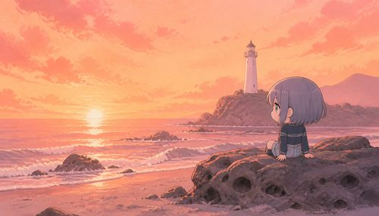 | 灯塔海岸 路线 D：同描述独立生成双场景 | 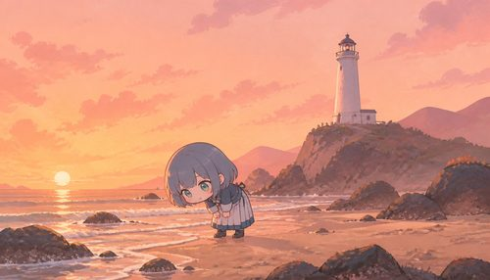 | 灯塔海岸 路线 D：同描述独立生成双场景
C01-RD · Scene A SceneA.png Hash: 7ee78dc8becacd15 Prompt 摘要: Art style: Hand-painted 2D storybook aesthetic inspired by the game Neva. Pastel and gouache-like color blocks, visible but restrained paper/brush textures, clear silhouettes, cinematic horizontal composition. Fixed hori... | 打开原图 | C01-RD · Scene B SceneB.png Hash: 172bf84f8f66dd46 Prompt 摘要: Art style: Hand-painted 2D storybook aesthetic inspired by the game Neva. Pastel and gouache-like color blocks, visible but restrained paper/brush textures, clear silhouettes, cinematic horizontal composition. Fixed hori... | 打开原图

C02 · 森林空地
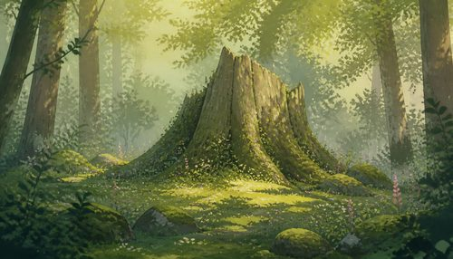 | 森林空地 路线 A：纯环境母版 + 局部宠物编辑（本次为模拟执行） | 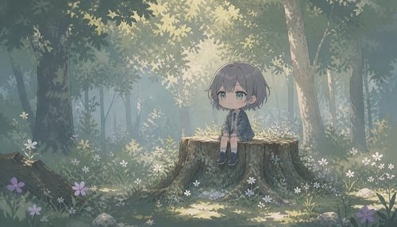 | 森林空地 路线 A：纯环境母版 + 局部宠物编辑（本次为模拟执行） | 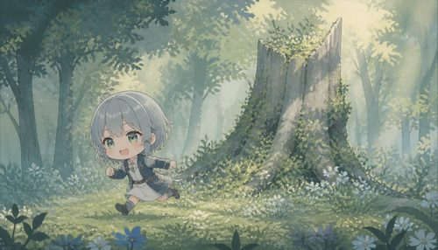 | 森林空地 路线 A：纯环境母版 + 局部宠物编辑（本次为模拟执行） | 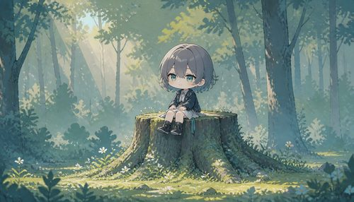 | 森林空地 路线 B：Scene A 参考生成 Scene B（本次为模拟执行）
C02-RA · 纯环境 pure-env.png Hash: 19cf6454a6c6456b Prompt 摘要: Art style: Hand-painted 2D storybook aesthetic inspired by the game Neva. Pastel and gouache-like color blocks, visible but restrained paper/brush textures, clear silhouettes, cinematic horizontal composition. Fixed hori... | 打开原图 | C02-RA · Scene A SceneA.png Hash: 32a05b8b46aed43f Prompt 摘要: Art style: Hand-painted 2D storybook aesthetic inspired by the game Neva. Pastel and gouache-like color blocks, visible but restrained paper/brush textures, clear silhouettes, cinematic horizontal composition. Fixed hori... | 打开原图 | C02-RA · Scene B SceneB.png Hash: fb05320c196b98fc Prompt 摘要: Art style: Hand-painted 2D storybook aesthetic inspired by the game Neva. Pastel and gouache-like color blocks, visible but restrained paper/brush textures, clear silhouettes, cinematic horizontal composition. Fixed hori... | 打开原图 | C02-RB · Scene A SceneA.png Hash: 3724b96e929f3019 Prompt 摘要: Art style: Hand-painted 2D storybook aesthetic inspired by the game Neva. Pastel and gouache-like color blocks, visible but restrained paper/brush textures, clear silhouettes, cinematic horizontal composition. Fixed hori... | 打开原图
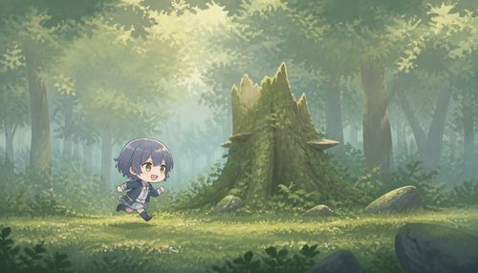 | 森林空地 路线 B：Scene A 参考生成 Scene B（本次为模拟执行） | 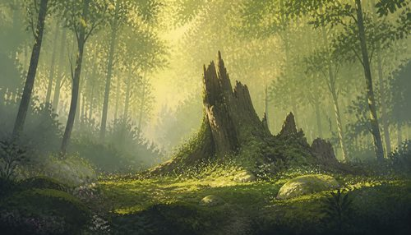 | 森林空地 路线 C：模型定位 + 程序化 Mask（本次为简化执行） | 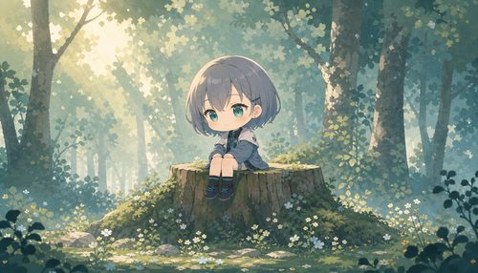 | 森林空地 路线 C：模型定位 + 程序化 Mask（本次为简化执行） | 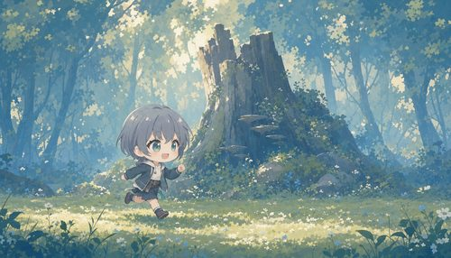 | 森林空地 路线 C：模型定位 + 程序化 Mask（本次为简化执行）
C02-RB · Scene B SceneB.png Hash: 69eb909bc0fbe687 Prompt 摘要: Art style: Hand-painted 2D storybook aesthetic inspired by the game Neva. Pastel and gouache-like color blocks, visible but restrained paper/brush textures, clear silhouettes, cinematic horizontal composition. Fixed hori... | 打开原图 | C02-RC · 纯环境 pure-env.png Hash: ca583601371d8563 Prompt 摘要: Art style: Hand-painted 2D storybook aesthetic inspired by the game Neva. Pastel and gouache-like color blocks, visible but restrained paper/brush textures, clear silhouettes, cinematic horizontal composition. Fixed hori... | 打开原图 | C02-RC · Scene A SceneA.png Hash: c5641278576428e9 Prompt 摘要: Art style: Hand-painted 2D storybook aesthetic inspired by the game Neva. Pastel and gouache-like color blocks, visible but restrained paper/brush textures, clear silhouettes, cinematic horizontal composition. Fixed hori... | 打开原图 | C02-RC · Scene B SceneB.png Hash: d0f2d96b99064466 Prompt 摘要: Art style: Hand-painted 2D storybook aesthetic inspired by the game Neva. Pastel and gouache-like color blocks, visible but restrained paper/brush textures, clear silhouettes, cinematic horizontal composition. Fixed hori... | 打开原图
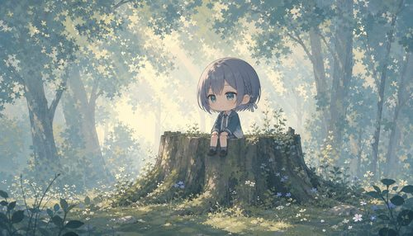 | 森林空地 路线 D：同描述独立生成双场景 | 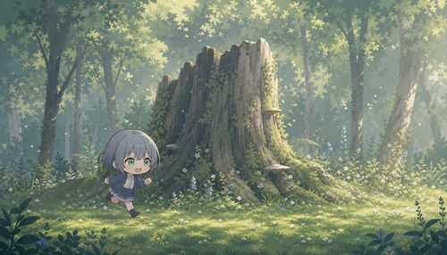 | 森林空地 路线 D：同描述独立生成双场景
C02-RD · Scene A SceneA.png Hash: 63710b096bf8f85e Prompt 摘要: Art style: Hand-painted 2D storybook aesthetic inspired by the game Neva. Pastel and gouache-like color blocks, visible but restrained paper/brush textures, clear silhouettes, cinematic horizontal composition. Fixed hori... | 打开原图 | C02-RD · Scene B SceneB.png Hash: 0d1694e939483cf2 Prompt 摘要: Art style: Hand-painted 2D storybook aesthetic inspired by the game Neva. Pastel and gouache-like color blocks, visible but restrained paper/brush textures, clear silhouettes, cinematic horizontal composition. Fixed hori... | 打开原图

C03 · 山谷桥梁
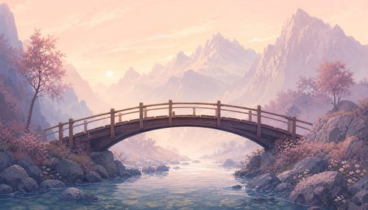 | 山谷桥梁 路线 A：纯环境母版 + 局部宠物编辑（本次为模拟执行） | 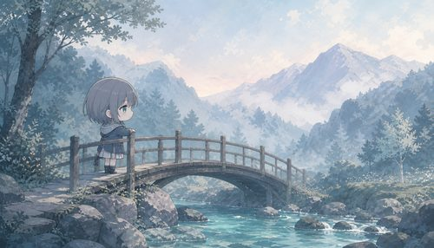 | 山谷桥梁 路线 A：纯环境母版 + 局部宠物编辑（本次为模拟执行） | 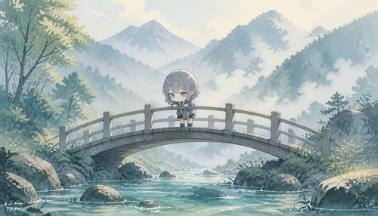 | 山谷桥梁 路线 A：纯环境母版 + 局部宠物编辑（本次为模拟执行） | 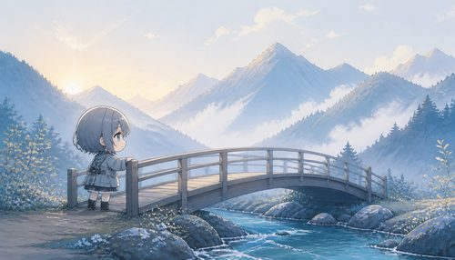 | 山谷桥梁 路线 B：Scene A 参考生成 Scene B（本次为模拟执行）
C03-RA · 纯环境 pure-env.png Hash: eab211f2f5064c5a Prompt 摘要: Art style: Hand-painted 2D storybook aesthetic inspired by the game Neva. Pastel and gouache-like color blocks, visible but restrained paper/brush textures, clear silhouettes, cinematic horizontal composition. Fixed hori... | 打开原图 | C03-RA · Scene A SceneA.png Hash: 0341c8a305d5874f Prompt 摘要: Art style: Hand-painted 2D storybook aesthetic inspired by the game Neva. Pastel and gouache-like color blocks, visible but restrained paper/brush textures, clear silhouettes, cinematic horizontal composition. Fixed hori... | 打开原图 | C03-RA · Scene B SceneB.png Hash: b461644270c982a8 Prompt 摘要: Art style: Hand-painted 2D storybook aesthetic inspired by the game Neva. Pastel and gouache-like color blocks, visible but restrained paper/brush textures, clear silhouettes, cinematic horizontal composition. Fixed hori... | 打开原图 | C03-RB · Scene A SceneA.png Hash: 5c529e872c68ccff Prompt 摘要: Art style: Hand-painted 2D storybook aesthetic inspired by the game Neva. Pastel and gouache-like color blocks, visible but restrained paper/brush textures, clear silhouettes, cinematic horizontal composition. Fixed hori... | 打开原图
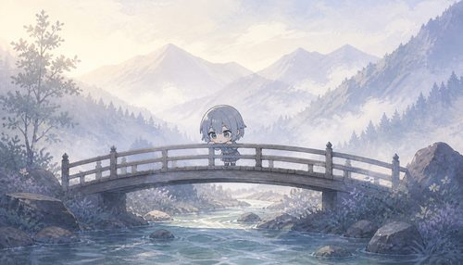 | 山谷桥梁 路线 B：Scene A 参考生成 Scene B（本次为模拟执行） | 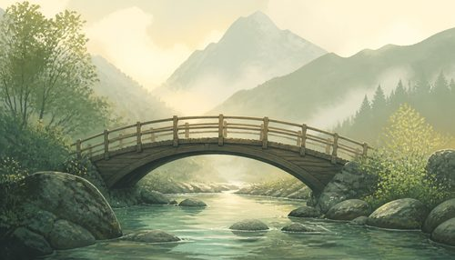 | 山谷桥梁 路线 C：模型定位 + 程序化 Mask（本次为简化执行） | 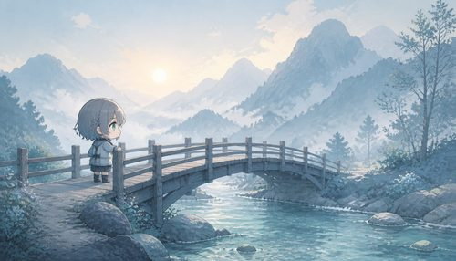 | 山谷桥梁 路线 C：模型定位 + 程序化 Mask（本次为简化执行） | 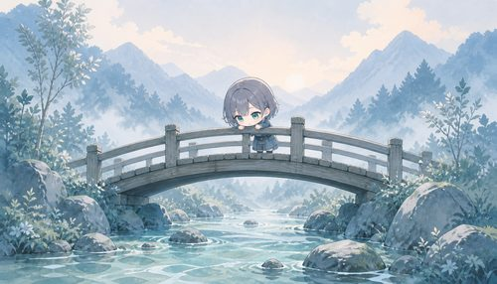 | 山谷桥梁 路线 C：模型定位 + 程序化 Mask（本次为简化执行）
C03-RB · Scene B SceneB.png Hash: f2cbf3ac8ba6df70 Prompt 摘要: Art style: Hand-painted 2D storybook aesthetic inspired by the game Neva. Pastel and gouache-like color blocks, visible but restrained paper/brush textures, clear silhouettes, cinematic horizontal composition. Fixed hori... | 打开原图 | C03-RC · 纯环境 pure-env.png Hash: 07c8234e49e33cc8 Prompt 摘要: Art style: Hand-painted 2D storybook aesthetic inspired by the game Neva. Pastel and gouache-like color blocks, visible but restrained paper/brush textures, clear silhouettes, cinematic horizontal composition. Fixed hori... | 打开原图 | C03-RC · Scene A SceneA.png Hash: 45b1740c8d9fe66d Prompt 摘要: Art style: Hand-painted 2D storybook aesthetic inspired by the game Neva. Pastel and gouache-like color blocks, visible but restrained paper/brush textures, clear silhouettes, cinematic horizontal composition. Fixed hori... | 打开原图 | C03-RC · Scene B SceneB.png Hash: 9e65caa18e4fe915 Prompt 摘要: Art style: Hand-painted 2D storybook aesthetic inspired by the game Neva. Pastel and gouache-like color blocks, visible but restrained paper/brush textures, clear silhouettes, cinematic horizontal composition. Fixed hori... | 打开原图
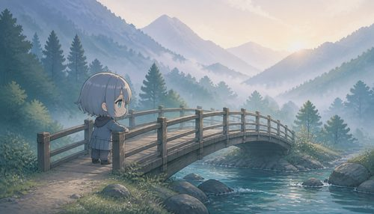 | 山谷桥梁 路线 D：同描述独立生成双场景 | 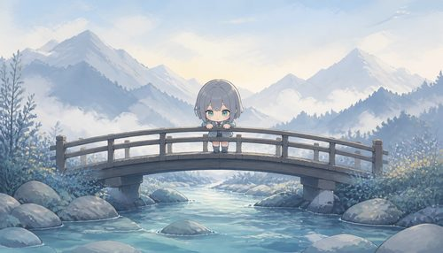 | 山谷桥梁 路线 D：同描述独立生成双场景
C03-RD · Scene A SceneA.png Hash: 62682898a8c66ae3 Prompt 摘要: Art style: Hand-painted 2D storybook aesthetic inspired by the game Neva. Pastel and gouache-like color blocks, visible but restrained paper/brush textures, clear silhouettes, cinematic horizontal composition. Fixed hori... | 打开原图 | C03-RD · Scene B SceneB.png Hash: 1d24227979b6050a Prompt 摘要: Art style: Hand-painted 2D storybook aesthetic inspired by the game Neva. Pastel and gouache-like color blocks, visible but restrained paper/brush textures, clear silhouettes, cinematic horizontal composition. Fixed hori... | 打开原图

C04 · 湖畔码头
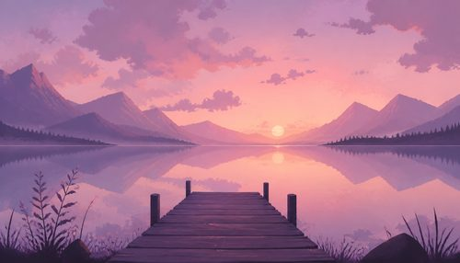 | 湖畔码头 路线 A：纯环境母版 + 局部宠物编辑（本次为模拟执行） | 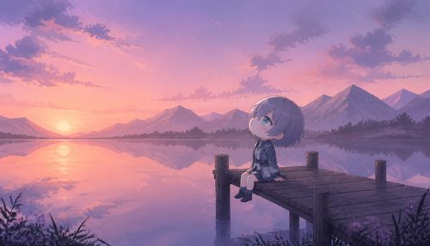 | 湖畔码头 路线 A：纯环境母版 + 局部宠物编辑（本次为模拟执行） | 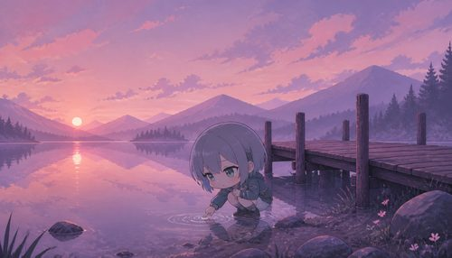 | 湖畔码头 路线 A：纯环境母版 + 局部宠物编辑（本次为模拟执行） | 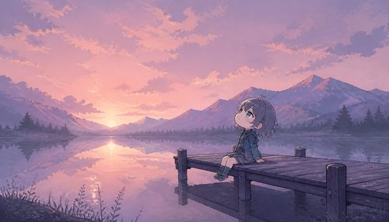 | 湖畔码头 路线 B：Scene A 参考生成 Scene B（本次为模拟执行）
C04-RA · 纯环境 pure-env.png Hash: 2dddf5f3e92c345f Prompt 摘要: Art style: Hand-painted 2D storybook aesthetic inspired by the game Neva. Pastel and gouache-like color blocks, visible but restrained paper/brush textures, clear silhouettes, cinematic horizontal composition. Fixed hori... | 打开原图 | C04-RA · Scene A SceneA.png Hash: 41478c4b07aff3d9 Prompt 摘要: Art style: Hand-painted 2D storybook aesthetic inspired by the game Neva. Pastel and gouache-like color blocks, visible but restrained paper/brush textures, clear silhouettes, cinematic horizontal composition. Fixed hori... | 打开原图 | C04-RA · Scene B SceneB.png Hash: fbf03a0608ec7a70 Prompt 摘要: Art style: Hand-painted 2D storybook aesthetic inspired by the game Neva. Pastel and gouache-like color blocks, visible but restrained paper/brush textures, clear silhouettes, cinematic horizontal composition. Fixed hori... | 打开原图 | C04-RB · Scene A SceneA.png Hash: 4ceb284dda1d8a1e Prompt 摘要: Art style: Hand-painted 2D storybook aesthetic inspired by the game Neva. Pastel and gouache-like color blocks, visible but restrained paper/brush textures, clear silhouettes, cinematic horizontal composition. Fixed hori... | 打开原图
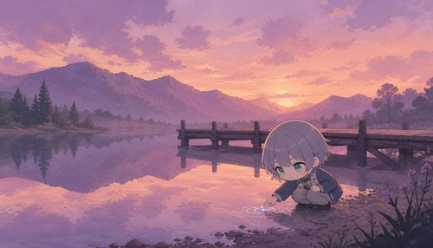 | 湖畔码头 路线 B：Scene A 参考生成 Scene B（本次为模拟执行） | 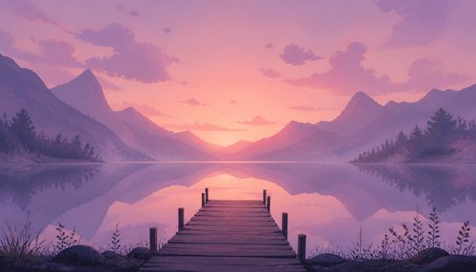 | 湖畔码头 路线 C：模型定位 + 程序化 Mask（本次为简化执行） | 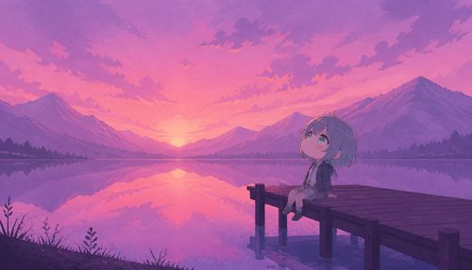 | 湖畔码头 路线 C：模型定位 + 程序化 Mask（本次为简化执行） | 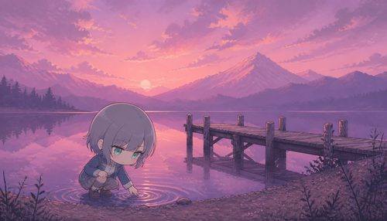 | 湖畔码头 路线 C：模型定位 + 程序化 Mask（本次为简化执行）
C04-RB · Scene B SceneB.png Hash: f3a4b114d5d7dcec Prompt 摘要: Art style: Hand-painted 2D storybook aesthetic inspired by the game Neva. Pastel and gouache-like color blocks, visible but restrained paper/brush textures, clear silhouettes, cinematic horizontal composition. Fixed hori... | 打开原图 | C04-RC · 纯环境 pure-env.png Hash: 28e6da3b5b12c986 Prompt 摘要: Art style: Hand-painted 2D storybook aesthetic inspired by the game Neva. Pastel and gouache-like color blocks, visible but restrained paper/brush textures, clear silhouettes, cinematic horizontal composition. Fixed hori... | 打开原图 | C04-RC · Scene A SceneA.png Hash: b7ba6e5fe8a9a0b7 Prompt 摘要: Art style: Hand-painted 2D storybook aesthetic inspired by the game Neva. Pastel and gouache-like color blocks, visible but restrained paper/brush textures, clear silhouettes, cinematic horizontal composition. Fixed hori... | 打开原图 | C04-RC · Scene B SceneB.png Hash: 914186d67b2b35f3 Prompt 摘要: Art style: Hand-painted 2D storybook aesthetic inspired by the game Neva. Pastel and gouache-like color blocks, visible but restrained paper/brush textures, clear silhouettes, cinematic horizontal composition. Fixed hori... | 打开原图
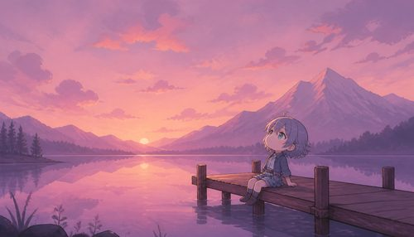 | 湖畔码头 路线 D：同描述独立生成双场景 | 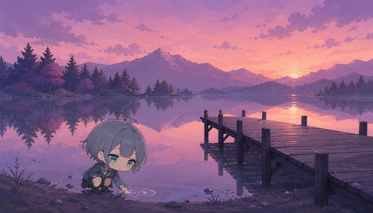 | 湖畔码头 路线 D：同描述独立生成双场景
C04-RD · Scene A SceneA.png Hash: 69457b372707904a Prompt 摘要: Art style: Hand-painted 2D storybook aesthetic inspired by the game Neva. Pastel and gouache-like color blocks, visible but restrained paper/brush textures, clear silhouettes, cinematic horizontal composition. Fixed hori... | 打开原图 | C04-RD · Scene B SceneB.png Hash: 1be31025fdc8fca4 Prompt 摘要: Art style: Hand-painted 2D storybook aesthetic inspired by the game Neva. Pastel and gouache-like color blocks, visible but restrained paper/brush textures, clear silhouettes, cinematic horizontal composition. Fixed hori... | 打开原图

