实验数据
实验 ID | 组 | 元素 | 轮次 | 场景 | 目标 | 风险 | 动作 | Mask 输出 | 角色输出
G01-E1-R1 | G01 | E1 | 1 | 十二门徒海岸 | 右侧主海蚀柱下方岩岸 | 海岸边缘与垂直地标 | 站在岩岸安全位置，轻轻探头观察主海蚀柱和海面 | 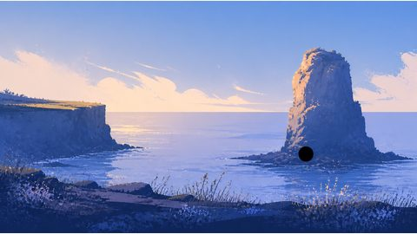 | 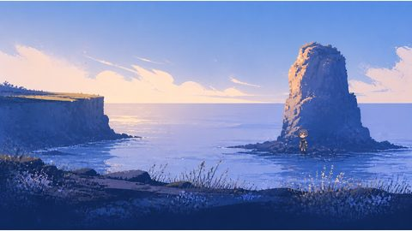
G01-E1-R2 | G01 | E1 | 2 | 十二门徒海岸 | 右侧主海蚀柱下方岩岸 | 海岸边缘与垂直地标 | 站在岩岸安全位置，轻轻探头观察主海蚀柱和海面 | 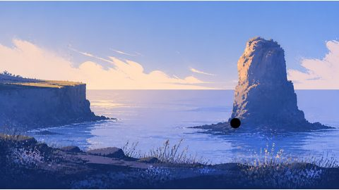 | 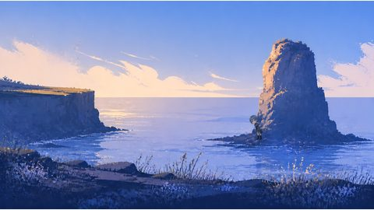
G01-E2-R1 | G01 | E2 | 1 | 十二门徒海岸 | 左侧海蚀柱群旁海岸步道 | 相似地标与斜向承载面 | 站在步道上扶住低矮岩缘，朝海蚀柱群远望 | 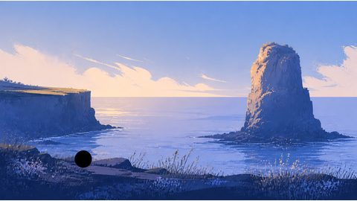 | 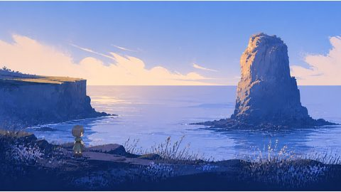
G01-E2-R2 | G01 | E2 | 2 | 十二门徒海岸 | 左侧海蚀柱群旁海岸步道 | 相似地标与斜向承载面 | 站在步道上扶住低矮岩缘，朝海蚀柱群远望 | 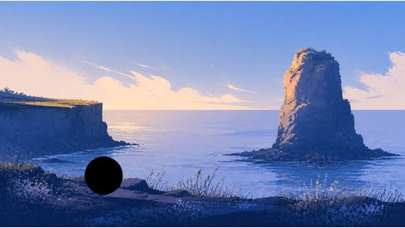 | 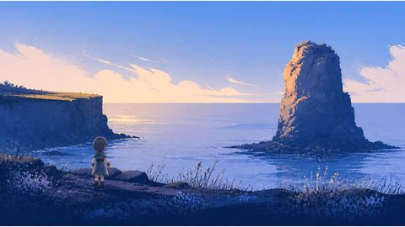
G02-E1-R1 | G02 | E1 | 1 | 阿尔卑斯山谷小屋 | 左下木屋群前小路 | 建筑邻接与坡地脚底 | 站在小路上抬头看向木屋门口 | 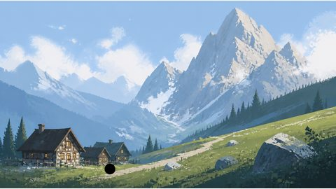 | 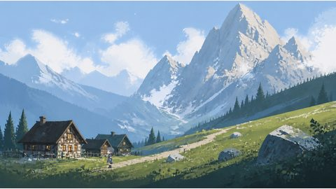
G02-E1-R2 | G02 | E1 | 2 | 阿尔卑斯山谷小屋 | 左下木屋群前小路 | 建筑邻接与坡地脚底 | 站在小路上抬头看向木屋门口 | 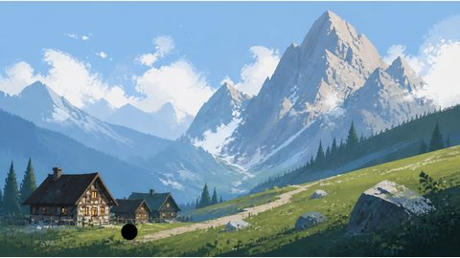 | 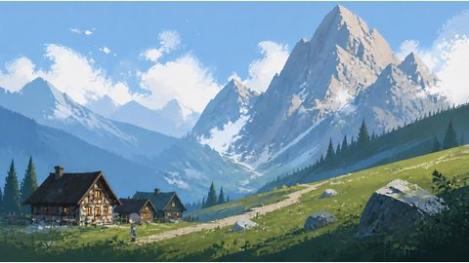
G02-E2-R1 | G02 | E2 | 1 | 阿尔卑斯山谷小屋 | 右侧主峰前山脚岩坡 | 山体尺度与可站立坡面 | 站在草坡上抬手遮光，朝主峰山口远望 | 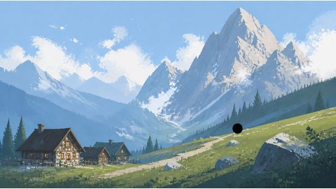 | 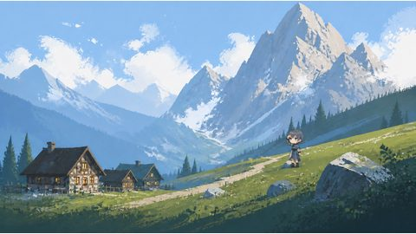
G02-E2-R2 | G02 | E2 | 2 | 阿尔卑斯山谷小屋 | 右侧主峰前山脚岩坡 | 山体尺度与可站立坡面 | 站在草坡上抬手遮光，朝主峰山口远望 | 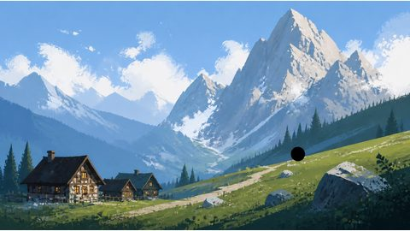 | 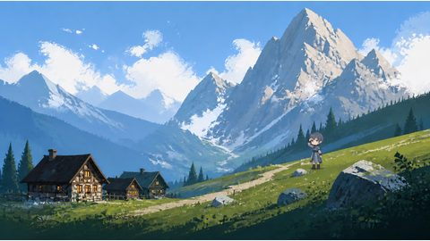
G03-E1-R1 | G03 | E1 | 1 | 湿润森林瀑布 | 瀑布下方浅水潭旁石岸 | 透明水体与湿石边界 | 蹲在石岸上伸手轻触瀑布溅起的水雾 | 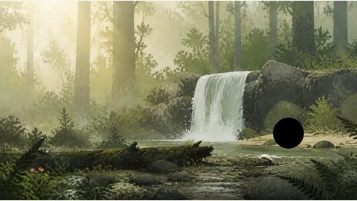 | 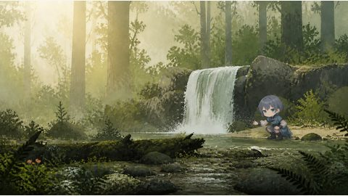
G03-E1-R2 | G03 | E1 | 2 | 湿润森林瀑布 | 瀑布下方浅水潭旁石岸 | 透明水体与湿石边界 | 蹲在石岸上伸手轻触瀑布溅起的水雾 | 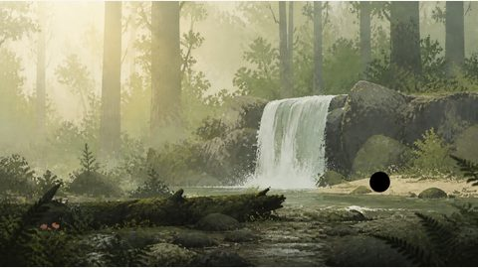 | 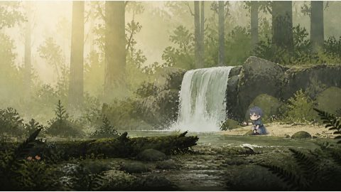
G03-E2-R1 | G03 | E2 | 1 | 湿润森林瀑布 | 横向倒木前湿石 | 细碎纹理与遮挡 | 扶住倒木边缘，小心跨过湿石 | 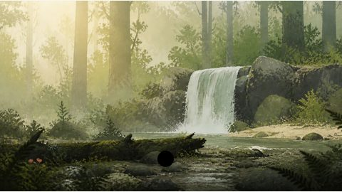 | 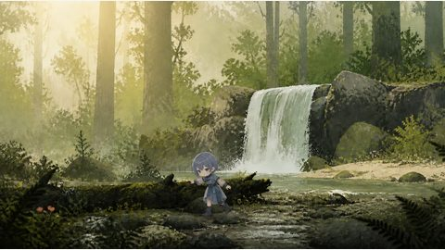
G03-E2-R2 | G03 | E2 | 2 | 湿润森林瀑布 | 横向倒木前湿石 | 细碎纹理与遮挡 | 扶住倒木边缘，小心跨过湿石 | 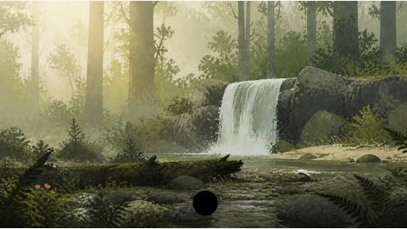 | 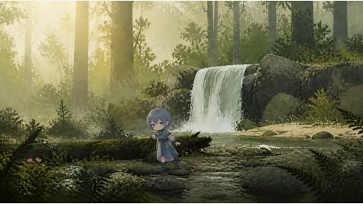
G04-E1-R1 | G04 | E1 | 1 | 蓝湖雪山 | 前景浅水石滩 | 水陆边界与小石纹理 | 蹲在干燥石滩上低头观察湖水中的倒影 | 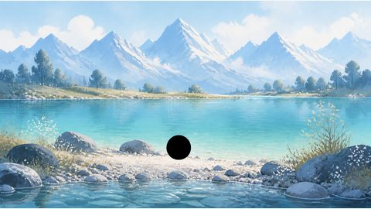 | 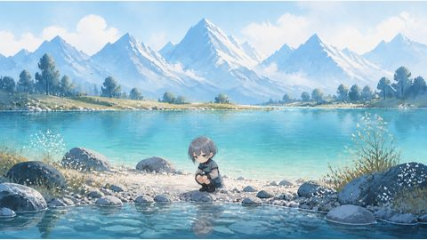
G04-E1-R2 | G04 | E1 | 2 | 蓝湖雪山 | 前景浅水石滩 | 水陆边界与小石纹理 | 蹲在干燥石滩上低头观察湖水中的倒影 | 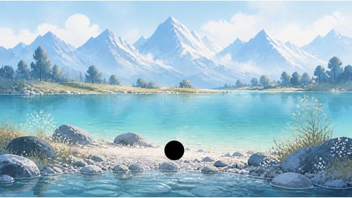 | 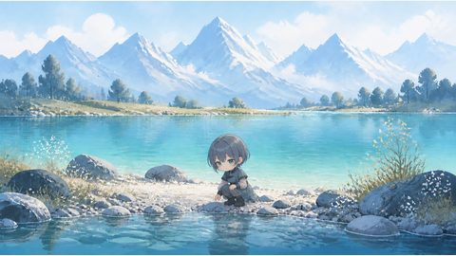
G04-E2-R1 | G04 | E2 | 1 | 蓝湖雪山 | 湖岸靠雪山方向的岸草 | 远近尺度与倒影干扰 | 站在岸草上双手背后看向雪山 | 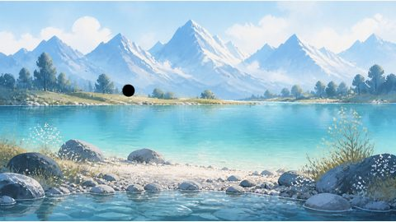 | 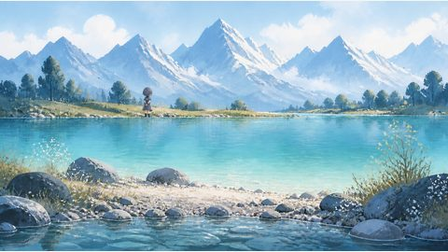
G04-E2-R2 | G04 | E2 | 2 | 蓝湖雪山 | 湖岸靠雪山方向的岸草 | 远近尺度与倒影干扰 | 站在岸草上双手背后看向雪山 | 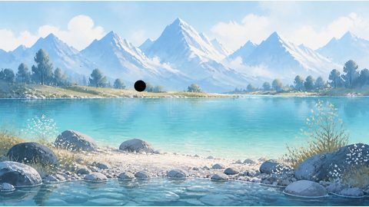 | 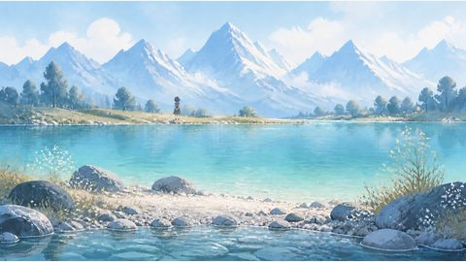
G05-E1-R1 | G05 | E1 | 1 | 塔拉盐湖岩柱 | 左侧红色岩柱前平地 | 高对比轮廓与颜色边界 | 站在平地上抬头观察红色岩柱纹理 | 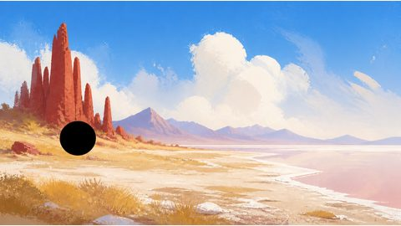 | 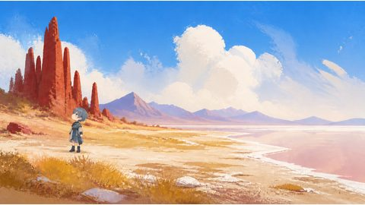
G05-E1-R2 | G05 | E1 | 2 | 塔拉盐湖岩柱 | 左侧红色岩柱前平地 | 高对比轮廓与颜色边界 | 站在平地上抬头观察红色岩柱纹理 | 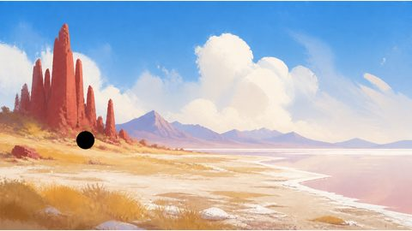 | 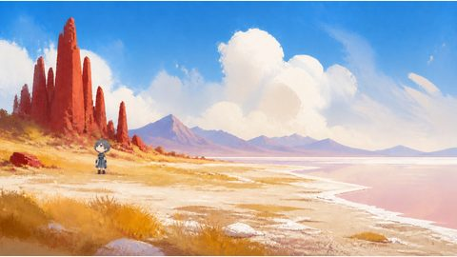
G05-E2-R1 | G05 | E2 | 1 | 塔拉盐湖岩柱 | 盐湖与前景草地交界 | 水平边界与不可站立水面 | 站在陆地一侧举手遮挡强光并观察盐湖 | 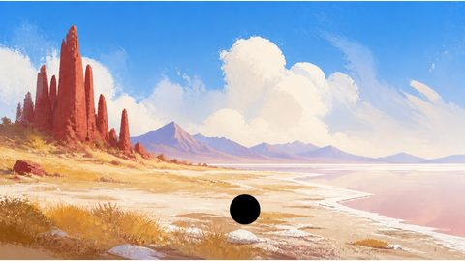 | 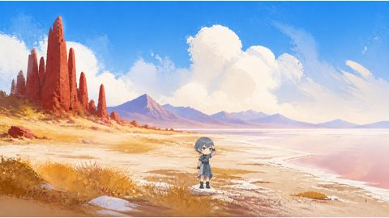
G05-E2-R2 | G05 | E2 | 2 | 塔拉盐湖岩柱 | 盐湖与前景草地交界 | 水平边界与不可站立水面 | 站在陆地一侧举手遮挡强光并观察盐湖 | 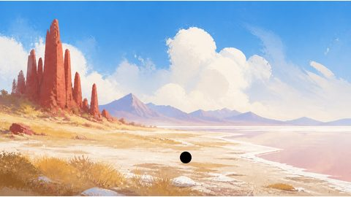 | 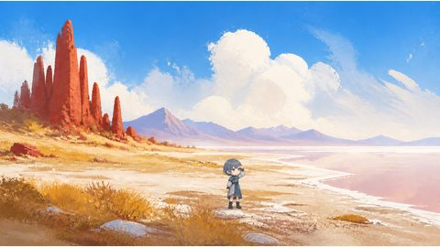
G06-E1-R1 | G06 | E1 | 1 | 托斯卡纳孤树坡地 | 山脊孤树下方平地 | 大留白中的小目标 | 站在孤树旁轻轻扶住树干看向远山 | 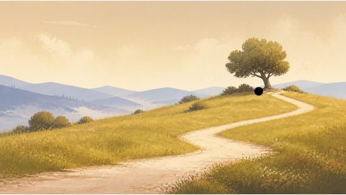 | 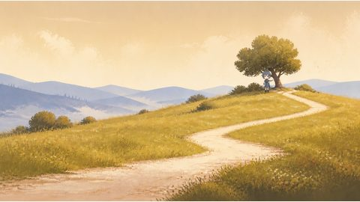
G06-E1-R2 | G06 | E1 | 2 | 托斯卡纳孤树坡地 | 山脊孤树下方平地 | 大留白中的小目标 | 站在孤树旁轻轻扶住树干看向远山 | 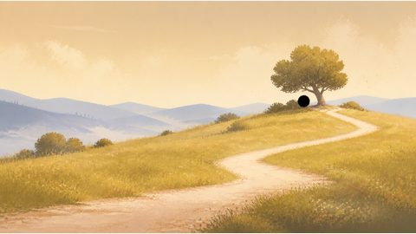 | 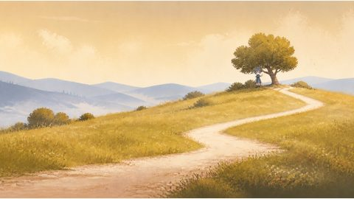
G06-E2-R1 | G06 | E2 | 1 | 托斯卡纳孤树坡地 | 前景 S 形土路 | 固定尺寸与曲线路径 | 站在土路上回头望向山脊孤树 | 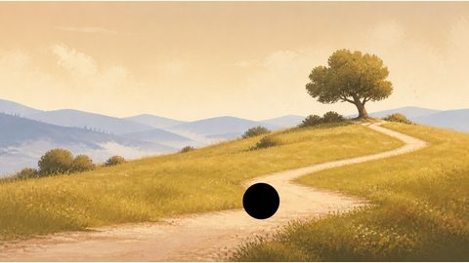 | 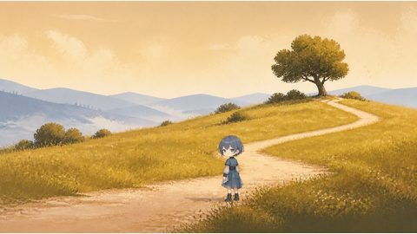
G06-E2-R2 | G06 | E2 | 2 | 托斯卡纳孤树坡地 | 前景 S 形土路 | 固定尺寸与曲线路径 | 站在土路上回头望向山脊孤树 | 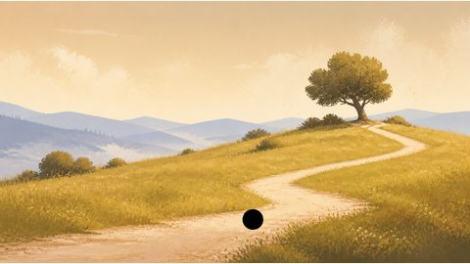 | 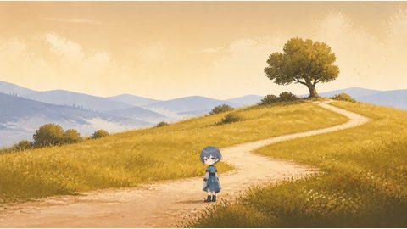
G07-E1-R1 | G07 | E1 | 1 | 雾林木阶 | 木阶下方第一段宽台阶 | 狭窄承载面与中心透视 | 站在宽台阶上扶住台阶边缘向上观察 | 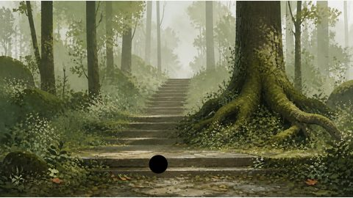 | 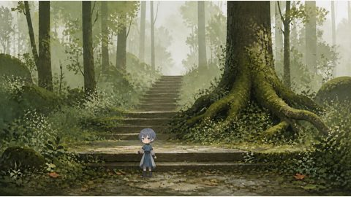
G07-E1-R2 | G07 | E1 | 2 | 雾林木阶 | 木阶下方第一段宽台阶 | 狭窄承载面与中心透视 | 站在宽台阶上扶住台阶边缘向上观察 |  | 
G07-E2-R1 | G07 | E2 | 1 | 雾林木阶 | 右侧粗树干苔藓根部 | 天然遮挡与树干边缘 | 站在苔藓根部前轻轻触碰树根 |  | 
G07-E2-R2 | G07 | E2 | 2 | 雾林木阶 | 右侧粗树干苔藓根部 | 天然遮挡与树干边缘 | 站在苔藓根部前轻轻触碰树根 |  | 
G08-E1-R1 | G08 | E1 | 1 | 彩色岩柱荒原 | 左侧高岩柱前砂砾地 | 强轮廓目标与颜色泄漏 | 站在砂砾地上侧身观察高岩柱的彩色条带 |  | 
G08-E1-R2 | G08 | E1 | 2 | 彩色岩柱荒原 | 左侧高岩柱前砂砾地 | 强轮廓目标与颜色泄漏 | 站在砂砾地上侧身观察高岩柱的彩色条带 |  | 
G08-E2-R1 | G08 | E2 | 1 | 彩色岩柱荒原 | 右侧小岩柱前砂砾地 | 相似目标与近距离分离 | 站在小岩柱前抬头观察岩柱顶部 |  
G08-E2-R2 | G08 | E2 | 2 | 彩色岩柱荒原 | 右侧小岩柱前砂砾地 | 相似目标与近距离分离 | 站在小岩柱前抬头观察岩柱顶部 |  | 

场景与风格
类型 / 组 | 名称 | 元素 / 用途 | Prompt 全文 | 图片 | 原图路径 | 备注
角色锚点 | Q 版角色 | 固定身份参考 | Use case: stylized-concept Asset type: fixed character reference for a 16:9 game travel scene Input images: Image 1 and Image 2 are Neva official screenshots used only as visual-style references; inherit their simplified hand-painted shapes, silhouettes, gouache texture and color treatment, but do not copy their characters, trees, layout or events Primary request: a clean full-body Q-version character reference of Wakaba Mutsumi from MYGO!!!!!, standing neutrally on a plain light background, no scene props Subject: Wakaba Mutsumi, recognizable cool gray-blue short hair with her signature hair silhouette, teal-green eyes, calm reserved expression, simplified Q-version proportions with a large head and compact body, cool gray-blue stage-inspired outfit with restrained dark accents Style/medium: Neva-inspired hand-painted 2D storybook art; simplified expressive shapes, clean readable silhouette, muted gouache and pastel color blocks, restrained paper-and-brush texture, soft cinematic lighting; Q-version proportions without generic anime rendering, no photorealism, no 3D render Composition/framing: centered full body, front three-quarter view, feet visible, generous margin around the silhouette, fixed neutral pose for later image editing references Lighting/mood: soft diffuse front-left light, gentle contact shadow, calm and quiet Constraints: one character only; keep hair silhouette, eye color, body proportion, outfit colors and facial identity consistent; plain background; no text; no logo; no watermark; no musical instruments; no extra props; no cropped limbs |  | C:/Users/Mechrevo/Documents/ChatGPT/PetTrip/pilot4mvp3/references/mutsumi-chibi-reference-neva-v2.png | 灰蓝短发、青绿色眼睛、冷灰蓝服装
Neva 参考 | 官方截图 06 | 块面、剪影、笔触、层级与光色 | 仅作风格参考，不复制构图或事件 |  | C:/Users/Mechrevo/Documents/ChatGPT/PetTrip/pilot4mvp3/references/neva-official/neva-steam-06.jpg | Steam 官方截图
Neva 参考 | 官方截图 14 | 块面、剪影、笔触、层级与光色 | 仅作风格参考，不复制构图或事件 |  | C:/Users/Mechrevo/Documents/ChatGPT/PetTrip/pilot4mvp3/references/neva-official/neva-steam-14.jpg | Steam 官方截图
G01 | 十二门徒海岸 | E1 右侧主海蚀柱下方岩岸；E2 左侧海蚀柱群旁海岸步道 | Use case: stylized-concept Asset type: 16:9 horizontal game travel scene, fixed camera Input images: Image 1 and Image 2 are Neva official screenshots used only as visual-style references; inherit their silhouettes, gouache/pastel blocks, paper-brush texture and horizontal staging, but do not copy their specific trees, characters, layout or events Primary request: a warm healing Q-version fantasy travel painting inspired by the composition of the Twelve Apostles coast; foreground is a low coastal grass strip and safe rock ground, midground has several clear sea stacks with one dominant sea stack on the right and a coastal observation ledge on the left, background is a broad calm ocean, pale clouds and a distant horizon; preserve two usable landmarks: the right dominant sea stack and the left coastal ledge; no character, no person, no UI, no text, no watermark Style/medium: Neva-inspired hand-painted 2D storybook landscape; simplified expressive shapes, clear silhouettes, muted gouache and pastel color blocks, restrained paper-and-brush texture, cinematic horizontal staging; no photorealism, no 3D render, no generic anime background Composition/framing: clear foreground/midground/background, fixed lens, no extreme perspective, keep the two landmarks visually separated Lighting/mood: quiet late-afternoon ocean light, one consistent key-light direction, gentle atmospheric depth Color palette: NEVA Ink Blue Storm discipline; cool gray-blue and ink contours dominate, a small warm accent only on reflected light Constraints: no pet, no human, no extra landmark, no duplicated sea stack, no text, no logo, no camera movement |  | C:/Users/Mechrevo/Documents/ChatGPT/PetTrip/pilot4mvp3/runs/G01/scene-neva-v2.png | 墨蓝风暴；参考 C08
G02 | 阿尔卑斯山谷小屋 | E1 左下木屋群前小路；E2 右侧主峰前山脚岩坡 | Use case: stylized-concept Asset type: 16:9 horizontal game travel scene, fixed camera Input images: Image 1 and Image 2 are Neva official screenshots used only as visual-style references; inherit their silhouettes, gouache/pastel blocks, paper-brush texture and horizontal staging, but do not copy their specific trees, characters, layout or events Primary request: a warm healing Q-version fantasy alpine valley; foreground is a grassy sloped ground strip, midground has several small timber chalets on the lower left and a path leading to a mountain pass, background is a huge gray mountain peak on the right with layered blue-green valleys and soft clouds; preserve two usable landmarks: the chalet path and the safe grass slope before the mountain foot; no character, no person, no UI, no text, no watermark Style/medium: Neva-inspired hand-painted 2D storybook landscape; simplified expressive shapes, clear silhouettes, muted gouache and pastel color blocks, restrained paper-and-brush texture, cinematic horizontal staging; no photorealism, no 3D render, no generic anime background Composition/framing: clear foreground/midground/background, strong scale contrast, fixed lens, usable standing ground near both landmarks Lighting/mood: cool bright alpine daylight with one consistent key-light direction Color palette: NEVA Ice Canyon Gate, #E3EDF4 #B7D0E0 #7FA5BC #466276 with #F2D27C limited to warm windows Constraints: no pet, no human, no extra building cluster, no text, no logo, no camera movement |  | C:/Users/Mechrevo/Documents/ChatGPT/PetTrip/pilot4mvp3/runs/G02/scene-neva-v2.png | 冰川峡口；参考 C04
G03 | 湿润森林瀑布 | E1 瀑布下方浅水潭旁石岸；E2 横向倒木前湿石 | Use case: stylized-concept Asset type: 16:9 horizontal game travel scene, fixed camera Input images: Image 1 and Image 2 are Neva official screenshots used only as visual-style references; inherit their silhouettes, gouache/pastel blocks, paper-brush texture and horizontal staging, but do not copy their specific trees, characters, layout or events Primary request: a warm healing Q-version fantasy wet forest; foreground has low ferns, wet stones and one horizontal fallen log, midground has a readable waterfall dropping into a shallow pool with a dry stone bank, background is a dense layered green forest with soft mist; preserve two usable landmarks: the dry bank beside the waterfall and the wet-stone ground in front of the fallen log; no character, no person, no UI, no text, no watermark Style/medium: Neva-inspired hand-painted 2D storybook landscape; simplified expressive shapes, clear silhouettes, muted gouache and pastel color blocks, restrained paper-and-brush texture, cinematic horizontal staging; no photorealism, no 3D render, no generic anime background Composition/framing: clear foreground/midground/background, fixed lens, both landmarks visible and spatially separated Lighting/mood: quiet humid daylight, diffuse upper-left light, gentle mist Color palette: NEVA Moss Stone Path, #E4E3D4 #BFC2A3 #8E9677 #59614D with #C97C62 used only as tiny accents Constraints: no pet, no human, no extra waterfall, no text, no logo, no camera movement |  | C:/Users/Mechrevo/Documents/ChatGPT/PetTrip/pilot4mvp3/runs/G03/scene-neva-v2.png | 青苔石径；参考 C14
G04 | 蓝湖雪山 | E1 前景浅水石滩；E2 湖岸靠雪山方向的岸草 | Use case: stylized-concept Asset type: 16:9 horizontal game travel scene, fixed camera Input images: Image 1 and Image 2 are Neva official screenshots used only as visual-style references; inherit their silhouettes, gouache/pastel blocks, paper-brush texture and horizontal staging, but do not copy their specific trees, characters, layout or events Primary request: a warm healing Q-version fantasy blue lake; foreground has shallow clear water, rounded stones and a dry pebble strip, midground is a turquoise lake with a second grassy shore area, background is a continuous snow-mountain ridge under light clouds; preserve two usable landmarks: the dry foreground pebble strip and the grassy shore toward the mountain ridge; no character, no person, no UI, no text, no watermark Style/medium: Neva-inspired hand-painted 2D storybook landscape; simplified expressive shapes, clear silhouettes, muted gouache and pastel color blocks, restrained paper-and-brush texture, cinematic horizontal staging; no photorealism, no 3D render, no generic anime background Composition/framing: clear foreground/midground/background, fixed lens, water-land boundary clearly readable Lighting/mood: cool luminous morning, one soft key-light direction and coherent reflections Color palette: NEVA Ice Canyon Gate, #E3EDF4 #B7D0E0 #7FA5BC #466276 with #F2D27C limited to 8 percent Constraints: no pet, no human, no boat, no text, no logo, no camera movement |  | C:/Users/Mechrevo/Documents/ChatGPT/PetTrip/pilot4mvp3/runs/G04/scene-neva-v2.png | 冰川峡口；参考 C18
G05 | 塔拉盐湖岩柱 | E1 左侧红色岩柱前平地；E2 盐湖与前景草地交界 | Use case: stylized-concept Asset type: 16:9 horizontal game travel scene, fixed camera Input images: Image 1 and Image 2 are Neva official screenshots used only as visual-style references; inherit their silhouettes, gouache/pastel blocks, paper-brush texture and horizontal staging, but do not copy their specific trees, characters, layout or events Primary request: a warm healing Q-version fantasy high-altitude salt lake; foreground is sparse golden grass and pale salt-crust texture, midground has a red-brown rock cathedral on the left and a safe path along the salt-flat edge, background is a pale salt lake, distant mountains, blue sky and broad clouds; preserve two usable landmarks: the flat ground before the red rock and the dry land side of the salt-lake boundary; no character, no person, no UI, no text, no watermark Style/medium: Neva-inspired hand-painted 2D storybook landscape; simplified expressive shapes, clear silhouettes, muted gouache and pastel color blocks, restrained paper-and-brush texture, cinematic horizontal staging; no photorealism, no 3D render, no generic anime background Composition/framing: clear foreground/midground/background, fixed lens, large horizontal negative space Lighting/mood: quiet highland afternoon, crisp but gentle light from upper left Color palette: NEVA Windblown Grass Sea with restrained cool sky, #EFE2BE #D7BC78 #A98E53 #6E6247 and #C86B55 as rock accent Constraints: no pet, no human, no extra monument, no text, no logo, no camera movement |  | C:/Users/Mechrevo/Documents/ChatGPT/PetTrip/pilot4mvp3/runs/G05/scene-neva-v2.png | 风吹草海；参考 C13
G06 | 托斯卡纳孤树坡地 | E1 山脊孤树下方平地；E2 前景 S 形土路 | Use case: stylized-concept Asset type: 16:9 horizontal game travel scene, fixed camera Input images: Image 1 and Image 2 are Neva official screenshots used only as visual-style references; inherit their silhouettes, gouache/pastel blocks, paper-brush texture and horizontal staging, but do not copy their specific trees, characters, layout or events Primary request: a warm healing Q-version fantasy Tuscan hillside; foreground is softly rolling gold-green grass with an S-shaped dirt road, midground has one solitary tree on a ridge and low shrubs, background is gray-blue distant hills, thin mist and a quiet sky; preserve two usable landmarks: the safe ground below the solitary tree and the broad front segment of the S-shaped road; no character, no person, no UI, no text, no watermark Style/medium: Neva-inspired hand-painted 2D storybook landscape; simplified expressive shapes, clear silhouettes, muted gouache and pastel color blocks, restrained paper-and-brush texture, cinematic horizontal staging; no photorealism, no 3D render, no generic anime background Composition/framing: minimal horizontal composition, fixed lens, large negative space, tree and road clearly separated Lighting/mood: gentle late-afternoon light, calm wind, one consistent key-light direction Color palette: NEVA Windblown Grass Sea, #EFE2BE #D7BC78 #A98E53 #6E6247 with #C86B55 limited to small accents Constraints: no pet, no human, no extra tree cluster, no text, no logo, no camera movement |  | C:/Users/Mechrevo/Documents/ChatGPT/PetTrip/pilot4mvp3/runs/G06/scene-neva-v2.png | 风吹草海；参考 C05
G07 | 雾林木阶 | E1 木阶下方第一段宽台阶；E2 右侧粗树干苔藓根部 | Use case: stylized-concept Asset type: 16:9 horizontal game travel scene, fixed camera Input images: Image 1 and Image 2 are Neva official screenshots used only as visual-style references; inherit their silhouettes, gouache/pastel blocks, paper-brush texture and horizontal staging, but do not copy their specific trees, characters, layout or events Primary request: a warm healing Q-version fantasy misty forest trail; foreground is damp leaves and low moss, midground has a wooden stairway rising toward the center and a thick tree trunk with visible mossy roots on the right, background is layered green forest and soft mist; preserve two usable landmarks: the first wide stair near the bottom and the ground directly before the mossy roots; no character, no person, no UI, no text, no watermark Style/medium: Neva-inspired hand-painted 2D storybook landscape; simplified expressive shapes, clear silhouettes, muted gouache and pastel color blocks, restrained paper-and-brush texture, cinematic horizontal staging; no photorealism, no 3D render, no generic anime background Composition/framing: central perspective, fixed lens, narrow but readable standing surfaces near both landmarks Lighting/mood: quiet wet woodland, diffuse filtered daylight, slight mist Color palette: NEVA Moss Stone Path, #E4E3D4 #BFC2A3 #8E9677 #59614D with #C97C62 as a tiny leaf accent Constraints: no pet, no human, no railing added, no text, no logo, no camera movement |  | C:/Users/Mechrevo/Documents/ChatGPT/PetTrip/pilot4mvp3/runs/G07/scene-neva-v2.png | 青苔石径；参考 C17
G08 | 彩色岩柱荒原 | E1 左侧高岩柱前砂砾地；E2 右侧小岩柱前砂砾地 | Use case: stylized-concept Asset type: 16:9 horizontal game travel scene, fixed camera Input images: Image 1 and Image 2 are Neva official screenshots used only as visual-style references; inherit their silhouettes, gouache/pastel blocks, paper-brush texture and horizontal staging, but do not copy their specific trees, characters, layout or events Primary request: a warm healing Q-version fantasy striped-rock badland; foreground is flat gray-red gravel, midground has two distinctly separated layered rock formations, one tall formation on the left and one smaller formation on the right, background is pale blue sky with a few clouds; preserve two usable landmarks: the flat ground before the left tall formation and the flat ground before the right smaller formation; no character, no person, no UI, no text, no watermark Style/medium: Neva-inspired hand-painted 2D storybook landscape; simplified expressive geometric shapes, clear silhouettes, muted gouache and pastel color blocks, restrained paper-and-brush texture, cinematic horizontal staging; no photorealism, no 3D render, no generic anime background Composition/framing: clear foreground/midground/background, fixed lens, two formations separated by visible negative space Lighting/mood: cool dry daylight with one consistent upper-left key light Color palette: NEVA Ink Blue Storm structure, #D5DCE5 #8EA1B5 #566A85 #273245 with #D7A068 as limited geological accent Constraints: no pet, no human, no extra rock tower, no text, no logo, no camera movement |  | C:/Users/Mechrevo/Documents/ChatGPT/PetTrip/pilot4mvp3/runs/G08/scene-neva-v2.png | 墨蓝风暴；参考 C10

参考候选
ID | 选择 | 图片 | 标题 | 构图分析 | Mask 风险 | 许可 | 来源 URL | 本地原图路径
C01 | 候选，不入选 |  | File:Azerbajiani landscape - Another version.jpg | 山谷纵深强，前景碎石、中景坡地、远景雪山；右下有小人物 | 地面锚点与远景比例；人物会干扰角色主体 | CC BY 1.0 · Original: Matthew Hadley (nickname diff_sky) derivative work: Ximonic (talk), Simo Räsänen | https://commons.wikimedia.org/wiki/File%3AAzerbajiani_landscape_-_Another_version.jpg | C:/Users/Mechrevo/Documents/ChatGPT/PetTrip/pilot4mvp3/references/candidates/01_azerbajiani_landscape_another_version_jpg.jpg
C02 | 候选，不入选 |  | File:Hendrik Voogd - Italian landscape with Umbrella Pines.jpg | 古典画风的伞形松树和暖色田野，树冠轮廓明确 | 细枝轮廓、树干落位；画面缺少明确互动地面 | Public domain · Hendrik Voogd | https://commons.wikimedia.org/wiki/File%3AHendrik_Voogd_-_Italian_landscape_with_Umbrella_Pines.jpg | C:/Users/Mechrevo/Documents/ChatGPT/PetTrip/pilot4mvp3/references/candidates/02_hendrik_voogd_italian_landscape_with_umbrella_pines_jpg.jpg
C03 | 候选，不入选 |  | File:Icelandic Landscape near Neskaupstaður July 2014.JPG | 冰岛海湾、低坡与大面积天空，层次清楚但主体稀疏 | 小角色在大留白中的比例稳定性 | CC BY-SA 4.0 · Martin Falbisoner | https://commons.wikimedia.org/wiki/File%3AIcelandic_Landscape_near_Neskaupsta%C3%B0ur_July_2014.JPG | C:/Users/Mechrevo/Documents/ChatGPT/PetTrip/pilot4mvp3/references/candidates/03_icelandic_landscape_near_neskaupsta_ur_july_2014_jpg.jpg
C04 | 入选 G02 |  | File:Landscape Arnisee-region.JPG | 山谷小屋群位于左下，巨型山体压在右侧，地面坡度明显 | 建筑与山体的前后关系、坡地脚底 | CC BY-SA 2.5 · Simon Koopmann | https://commons.wikimedia.org/wiki/File%3ALandscape_Arnisee-region.JPG | C:/Users/Mechrevo/Documents/ChatGPT/PetTrip/pilot4mvp3/references/candidates/04_landscape_arnisee_region_jpg.jpg
C05 | 入选 G06 |  | File:Tuscan landscape with lonely tree.jpg | 横向草坡和单树形成极简构图，路径带出 S 曲线 | 小目标在大面积留白中的固定尺寸 | CC BY-SA 2.0 · Eric Kilby | https://commons.wikimedia.org/wiki/File%3ATuscan_landscape_with_lonely_tree.jpg | C:/Users/Mechrevo/Documents/ChatGPT/PetTrip/pilot4mvp3/references/candidates/05_tuscan_landscape_with_lonely_tree_jpg.jpg
C06 | 候选，不入选 |  | File:Gjipe beach, Albania.JPG | 海湾、浅色沙滩、岩壁和小船，前景步道有明显方向 | 水面/沙滩边界、斜向步道 | CC BY-SA 3.0 · Pudelek | https://commons.wikimedia.org/wiki/File%3AGjipe_beach%2C_Albania.JPG | C:/Users/Mechrevo/Documents/ChatGPT/PetTrip/pilot4mvp3/references/candidates/06_gjipe_beach_albania_jpg.jpg
C07 | 候选，不入选 |  | File:Nørre Vorupør Coast one third sky 2012-11-18.jpg | 北海海岸线横向展开，前景草丘和远处海平线清晰 | 低矮地面带、低对比元素 | CC BY-SA 3.0 · Slaunger | https://commons.wikimedia.org/wiki/File%3AN%C3%B8rre_Vorup%C3%B8r_Coast_one_third_sky_2012-11-18.jpg | C:/Users/Mechrevo/Documents/ChatGPT/PetTrip/pilot4mvp3/references/candidates/07_n_rre_vorup_r_coast_one_third_sky_2012_11_18_jpg.jpg
C08 | 入选 G01 |  | File:Princetown (AU), Port Campbell National Park, Twelve Apostles -- 2019 -- 0969.jpg | 十二门徒海蚀柱形成多个垂直地标，海岸线提供承载面 | 多个相似主体、海岸边缘、遮挡焦点 | CC BY-SA 4.0 · Dietmar Rabich | https://commons.wikimedia.org/wiki/File%3APrincetown_%28AU%29%2C_Port_Campbell_National_Park%2C_Twelve_Apostles_--_2019_--_0969.jpg | C:/Users/Mechrevo/Documents/ChatGPT/PetTrip/pilot4mvp3/references/candidates/08_princetown_au_port_campbell_national_park_twelve_apostles_2019_0969_jpg.jpg
C09 | 候选，不入选 |  | File:Blue Mountains National Park (AU), Three Sisters -- 2019 -- 1987-9.jpg | 三姐妹岩柱从森林峡谷中升起，前景纵深很强 | 岩壁轮廓与树林纹理；缺少近距离站位 | CC BY-SA 4.0 · Dietmar Rabich | https://commons.wikimedia.org/wiki/File%3ABlue_Mountains_National_Park_%28AU%29%2C_Three_Sisters_--_2019_--_1987-9.jpg | C:/Users/Mechrevo/Documents/ChatGPT/PetTrip/pilot4mvp3/references/candidates/09_blue_mountains_national_park_au_three_sisters_2019_1987_9_jpg.jpg
C10 | 入选 G08 |  | File:The PEFO Tepees.jpg | 彩色条带岩柱形状几何，前景平坦、背景纯净 | 强轮廓目标、低纹理地面、颜色边界 | CC BY-SA 3.0 · Finetooth | https://commons.wikimedia.org/wiki/File%3AThe_PEFO_Tepees.jpg | C:/Users/Mechrevo/Documents/ChatGPT/PetTrip/pilot4mvp3/references/candidates/10_the_pefo_tepees_jpg.jpg
C11 | 候选，不入选 |  | File:Dunes, Désert du Thar.jpg | 沙丘波纹几乎占满画面，只有一条曲线脊线 | 无地标时 Mask 是否会漂移到任意沙面 | CC BY-SA 4.0 · Clément Bardot | https://commons.wikimedia.org/wiki/File%3ADunes%2C_D%C3%A9sert_du_Thar.jpg | C:/Users/Mechrevo/Documents/ChatGPT/PetTrip/pilot4mvp3/references/candidates/11_dunes_d_sert_du_thar_jpg.jpg
C12 | 候选，不入选 |  | File:Puesta de sol, desierto de Namib, Namibia, 2018-08-05, DD 84-90 PAN.jpg | 纳米布日落有明确地平线但主体虚化、细节不足 | 低清晰度和小目标可辨识性 | CC BY-SA 4.0 · Diego Delso | https://commons.wikimedia.org/wiki/File%3APuesta_de_sol%2C_desierto_de_Namib%2C_Namibia%2C_2018-08-05%2C_DD_84-90_PAN.jpg | C:/Users/Mechrevo/Documents/ChatGPT/PetTrip/pilot4mvp3/references/candidates/12_puesta_de_sol_desierto_de_namib_namibia_2018_08_05_dd_84_90_pan_jpg.jpg
C13 | 入选 G05 |  | File:Salar de Tara, Chile, 2016-02-07, DD 64-67 PAN.jpg | 盐湖平面横向展开，红色岩柱位于中景，蓝天留白大 | 水平边界、岩柱前后关系和小角色比例 | CC BY-SA 4.0 · Diego Delso | https://commons.wikimedia.org/wiki/File%3ASalar_de_Tara%2C_Chile%2C_2016-02-07%2C_DD_64-67_PAN.jpg | C:/Users/Mechrevo/Documents/ChatGPT/PetTrip/pilot4mvp3/references/candidates/13_salar_de_tara_chile_2016_02_07_dd_64_67_pan_jpg.jpg
C14 | 入选 G03 |  | File:Beech Forest (AU), Great Otway National Park, Beauchamp Falls -- 2019 -- 1271.jpg | 森林瀑布垂直落下，前景倒木和湿石形成承载面 | 细碎前景、透明水体、遮挡关系 | CC BY-SA 4.0 · Dietmar Rabich | https://commons.wikimedia.org/wiki/File%3ABeech_Forest_%28AU%29%2C_Great_Otway_National_Park%2C_Beauchamp_Falls_--_2019_--_1271.jpg | C:/Users/Mechrevo/Documents/ChatGPT/PetTrip/pilot4mvp3/references/candidates/14_beech_forest_au_great_otway_national_park_beauchamp_falls_2019_1271_jpg.jpg
C15 | 候选，不入选 |  | File:Forest road Slavne 2017 BW G9.jpg | 黑白雪林道路形成中心透视，树枝细碎且对比强 | 纹理密集、道路中心线和角色越界 | Public domain · George Chernilevsky | https://commons.wikimedia.org/wiki/File%3AForest_road_Slavne_2017_BW_G9.jpg | C:/Users/Mechrevo/Documents/ChatGPT/PetTrip/pilot4mvp3/references/candidates/15_forest_road_slavne_2017_bw_g9_jpg.jpg
C16 | 候选，不入选 |  | File:Forested hills in Lysekil in fog - B&W.jpg | 雾中森林山脊层叠，主体边缘柔和、地面不明确 | 雾中边缘和不可站立区域 | CC BY-SA 4.0 · W.carter | https://commons.wikimedia.org/wiki/File%3AForested_hills_in_Lysekil_in_fog_-_B%26W.jpg | C:/Users/Mechrevo/Documents/ChatGPT/PetTrip/pilot4mvp3/references/candidates/16_forested_hills_in_lysekil_in_fog_b_w_jpg.jpg
C17 | 入选 G07 |  | File:Wooden staircase steps in the forest of Hallasan Park Eorimok Trail at dusk on Jeju Island in South Korea.jpg | 林间木阶向上消失，树干两侧形成天然框景 | 台阶中心线、狭窄承载面和遮挡 | CC BY-SA 4.0 · Basile Morin | https://commons.wikimedia.org/wiki/File%3AWooden_staircase_steps_in_the_forest_of_Hallasan_Park_Eorimok_Trail_at_dusk_on_Jeju_Island_in_South_Korea.jpg | C:/Users/Mechrevo/Documents/ChatGPT/PetTrip/pilot4mvp3/references/candidates/17_wooden_staircase_steps_in_the_forest_of_hallasan_park_eorimok_trail_at_dusk_on_jeju_island_in_south_.jpg
C18 | 入选 G04 |  | File:Blue Lake in Mount Cook National Park.jpg | 蓝绿色湖泊占中下部，雪山位于远景，前景有浅水石滩 | 水陆边界、远近尺度和倒影干扰 | CC BY-SA 4.0 · Krzysztof Golik | https://commons.wikimedia.org/wiki/File%3ABlue_Lake_in_Mount_Cook_National_Park.jpg | C:/Users/Mechrevo/Documents/ChatGPT/PetTrip/pilot4mvp3/references/candidates/18_blue_lake_in_mount_cook_national_park_jpg.jpg
C19 | 候选，不入选 |  | File:Lake Tekapo 01.jpg | 湖面、远山和前景紫色花带构成三层横向画面 | 低矮花丛、湖岸边界和小目标比例 | CC BY-SA 4.0 · Krzysztof Golik | https://commons.wikimedia.org/wiki/File%3ALake_Tekapo_01.jpg | C:/Users/Mechrevo/Documents/ChatGPT/PetTrip/pilot4mvp3/references/candidates/19_lake_tekapo_01_jpg.jpg
C20 | 候选，不入选 |  | File:Nigeen Lake pano (edited).jpg | 湖泊全景有明显空间关系，但缩略图细节模糊 | 低清晰度下的元素识别 | CC BY-SA 4.0 · Original: KennyOMG Derivative work: UnpetitproleX | https://commons.wikimedia.org/wiki/File%3ANigeen_Lake_pano_%28edited%29.jpg | C:/Users/Mechrevo/Documents/ChatGPT/PetTrip/pilot4mvp3/references/candidates/20_nigeen_lake_pano_edited_jpg.jpg

