title_page
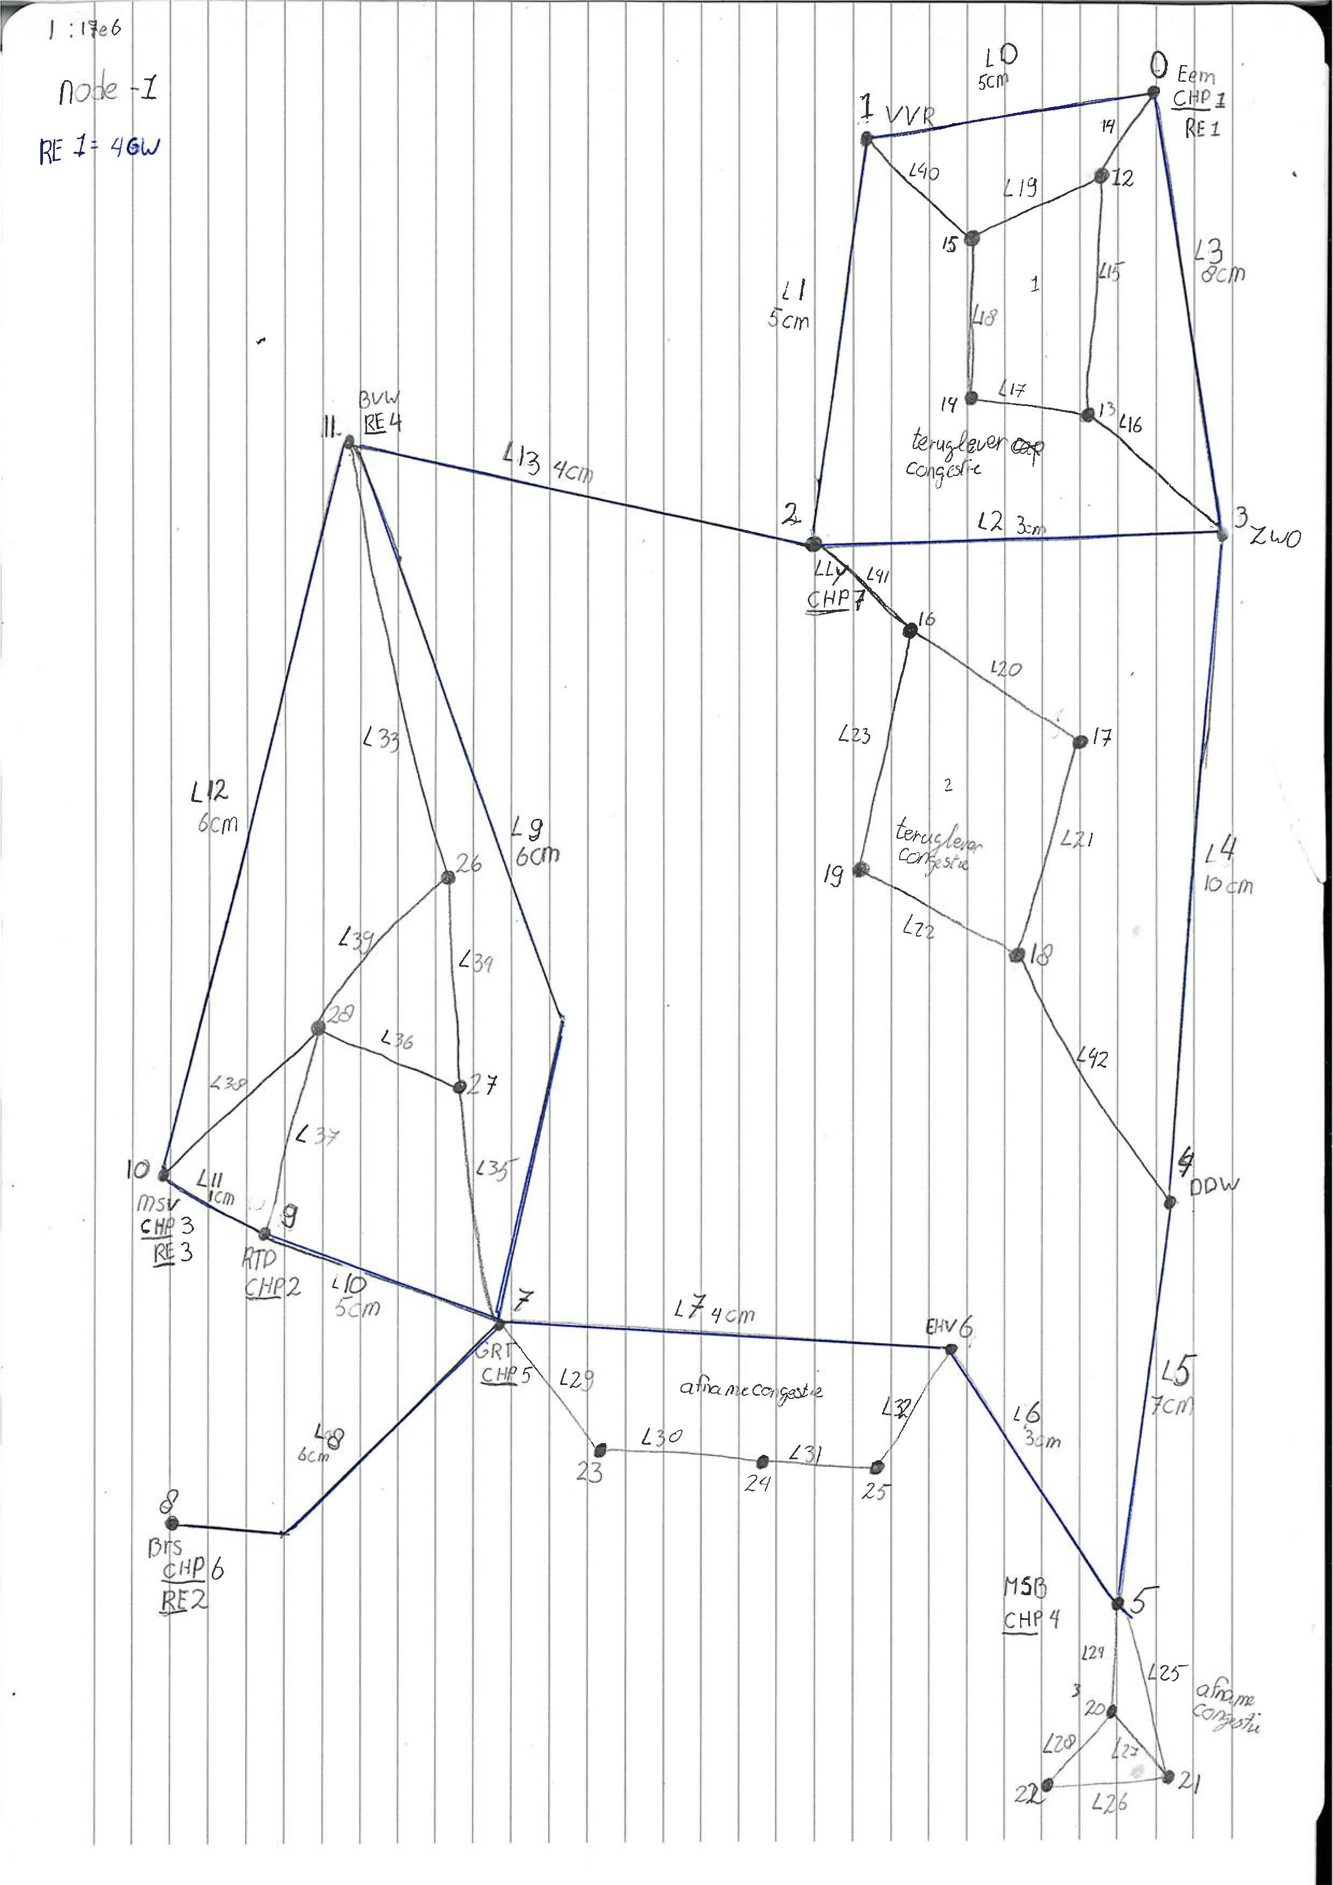
Info & case description

A buy order corresponds with consuming more or generating less | =higher load
A sell order corresponds with consuming less are generating more | =lower load

#IMPORTANT: in the RD page include at most one upward and one downward bid per bus

A negative flow indicates a flow from bus with lower index to bus with higher index

