Summary & Parameters
Singapore Industrial Grid & Emissions Reference

Parameter | Value | Unit
Standard 3-Phase Voltage | 400 | V AC
Standard Single-Phase Voltage | 230 | V AC
Grid Frequency | 50 | Hz
Singapore Grid Emission Factor (EMA 2025/2026) | 0.4168 | kg CO2e / kWh
Assumed Operational Duty Cycle Factor | 65.0% | % of Peak Load

Hourly Scope 2 Carbon Emissions (kg CO2e/hr)
 | Hourly Scope 2 Emissions (kg CO2e/hr)

example of project
Example of Project

 | component | material | Country of origin (raw material) | surface treatment ($ SGD) | machine type (1) | operating hours (hours) | machine type (2) | operating hours (hours) | comments
27 | TSZV0.5-0.35 | Stainless steel | Japan | 0 | CNC Lathe + feeder | 72 | 0
6 | AU800 FLUX SENSOR | AL 6061 | China | 8 | CNC Milling | 0.5 | 0 |  |  | 1. CNC Milling (12,000 RPM)
4 | EG08-497-204P | AL 6061 | China | 20 | CNC Milling | 1 | 0 |  |  | 2. CNC Drilling (40,000 RPM)
3 | EG08-497-203P | AL 6061 | China | 20 | CNC Milling | 1 | 0 |  |  | 3. Surface Grinding Auto
2 | EG08-497-202P | AL 6061 | Malaysia | 50 | CNC Milling | 4 | 0 |  |  | 4. CNC Lathe + Feeder (<3mm)
1 | EG08-497-201P | Brass | China | 0 | CNC Drilling | 72 | Surface Grinding | 3 | Example of mutiple process - the flexibility to add more processes | 5. Wire-Cut EDM Machine
 |  |  |  |  |  |  |  |  |  | 6. Die-Sinking EDM Machine
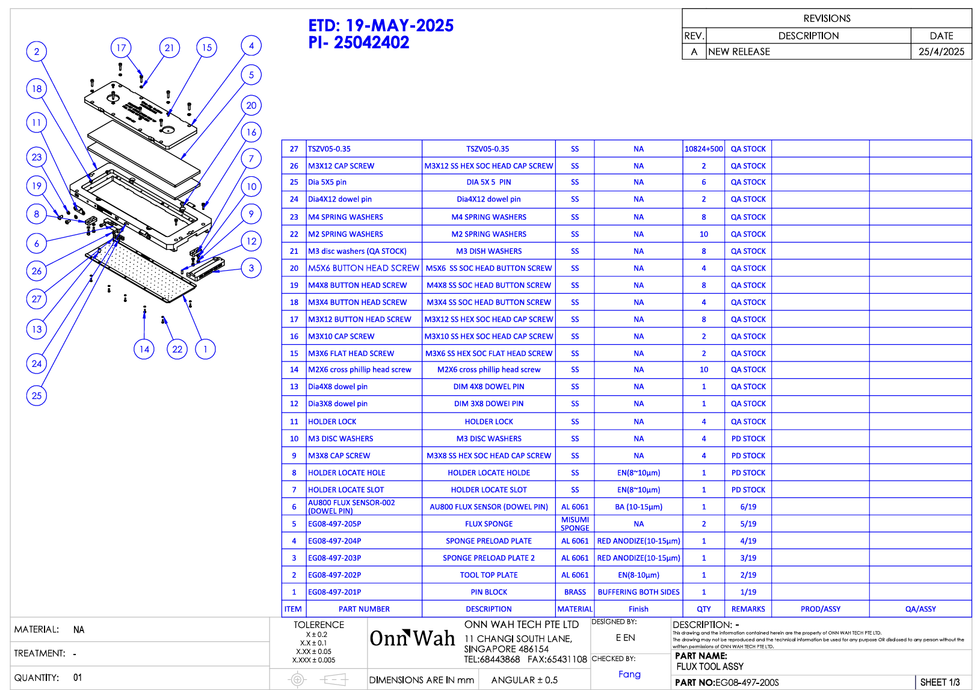
 |  |  |  |  |  |  |  | assuming Medium Duty machine for Onn Wah Tech

