Sheet1
 |  |  | Bulk Grams |  |  |  |  | Ounces

Strain: | Cost Per Gram | THC | CBD | Strain: | Cost Per Gram | THC | CBD | Name | Cost 1oz | Cost 1/2 oz
1: Purps | $2.00 | 9.39% | 0.00% | 23: Mendo breath | $8.00 | 23.48% | 0.05% | Lemon Kush | $120.00 | $70.00
2: Wifi OG | $4.00 | 16.20% | 0.69% | 24: Quantum Kush | $8.00 | 17.80% | 0.18% | Sour Patch Kids | $70.00 | $45.00
3: Candy Apple | $4.00 | 14.84% | 0.05% | 25: Nuclear Winter | $8.00 | 23.90% | 0.00% | Sunset Sherbert | $80.00 | $50.00
4: Lucky Wookie | $5.00 | 15.80% | 0.09% | 26: Snowland | $8.00 | 28.18% | 0.08% | Purple Liquorice | $120.00 | $70.00
5: Orange ACDC | $5.00 | 9.20% | 18.10% | 27: Cindy 99 | $8.00 | 20.04% | 0.14% | Green Coffee | $100.00 | $60.00
6: CBD Nordle | $6.00 | 7.79% | 12.22% | 28: GSC (Forum Cut) | $8.00 | 24.09% | 0.00% | Orange Juice | $100.00 | $60.00
7: Hippie Chicken | $6.00 | 22.13% | 0.07% | 29: Josh D OG | $8.00 | 23.50% | 0.70%
8: Blue Dream | $6.00 | 23.32% | 0.00% | 30: T4 | $8.00 | 26.80% | 0.17%
9: Clementine | $6.00 | 24.11% | 0.00% | 31: Lemonade | $8.00 | 23.58% | 2.04%
10: Anti-Freeze | $6.00 | 20.10% | 0.00% | 32: Orange Crush | $8.00 | 23.94% | 0%
11: Purple Hindu Kush | $6.00 | 24.74% | 0.05% | 33: Ghost Rider OG | $8.00 | 23.89% | 0.00%
12: OT2 | $6.00 | 0.92% | 18.97% | 34: Lemon Chiffon | $10.00 | 22.24% | 0%
13: Agent Orange | $6.00 | 21.50% | 0.00% | 35: Zelly's Gift | $10.00 | 26.93% | 0%
14: Forbidden Fruit | $6.00 | 20.33% | 0.00% | 36: Golden Lemons | $10.00 | 27.19% | 0%
15: Dr. Who | $6.00 | 18.93% | 0% | 37: Granola Funk | $10.00 | 23.60% | 0.03%
16: Blue Magoooooo | $6.00 | 22.60% | 0.06% | 38: Pineapple Express | $10.00 | 27.10% | 0.10%
17: Purple Punch | $6.00 | 21.70% | 0.04% | 39: Code Blue | $10.00 | 25.10% | 0.06%
18: Lezberado | $8.00 | 20.26% | 0.00% | 40: Wedding Cake | $10.00 | 29.21% | 0.88%
19: Nilla Wafer | $8.00 | 26.46% | 0.00% | 41: Palpatine | $12.00 | 23.55% | 0%
20: Zkittles | $8.00 | 23.63% | 0.04% | 42: A-Dub | $12.00 | 30.10% | 0.11%
21: Chocolate Haze | $8.00 | 26.60% | 0.00%
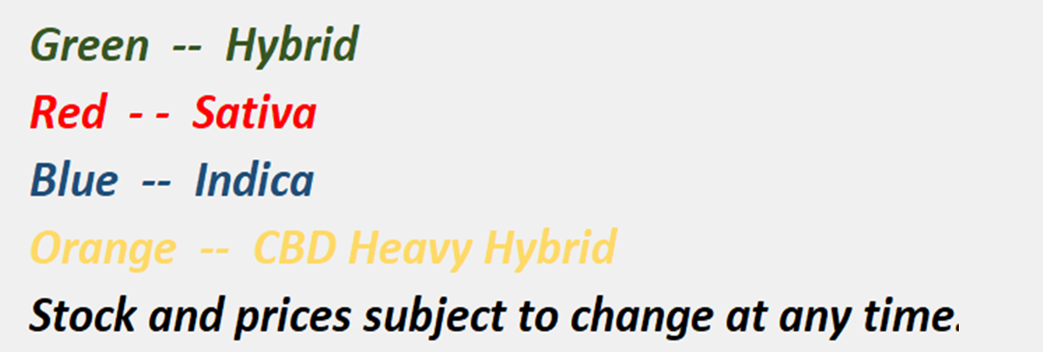
22: Yesterdays Paper | $8.00 | 18.51% | 0.00%


 |  | Two Buck Marleys
 |  | House Flower Packs, $2, Vairous THC and CBD levels

