Sheet1
RadHARAGT Testing Report (Author: JoeyBG, Affiliation: Beijing Institute of Technology)
Standard Testing Examples
ID | Primary Focus | Input_Text (Chinese or English) | R/DTM (First Channel, Log) | R/DTM (Channel Sum, Log) | Motion Visualization | Problem | Fixes
1 | Single-person minimal scene / default-path validation | CN: 我现在需要仿真一个人的行为。这个人从坐标[0, 2, 0]处起始，朝向0度，保持正常站立3秒后慢速向前走。场景中不放置任何额外物体，使用中心频率24GHz、带宽500MHz的雷达，发射天线位置为[0, 5, 1]，接收天线位置为[0.2, 5, 1]。不启用墙体，考虑多径效应，不使用神经网络进行特征增强。EN: I want to simulate the behavior of one person. This person starts from coordinate [0, 2, 0], faces 0 degrees, stands normally for 3 seconds, and then walks forward slowly. No additional objects are placed in the scene. Use a radar with a center frequency of 24 GHz and a bandwidth of 500 MHz. The transmitting antenna position is [0, 5, 1], and the receiving antenna position is [0.2, 5, 1]. Do not enable walls. Consider multipath effects, but do not use neural network-based feature enhancement. | 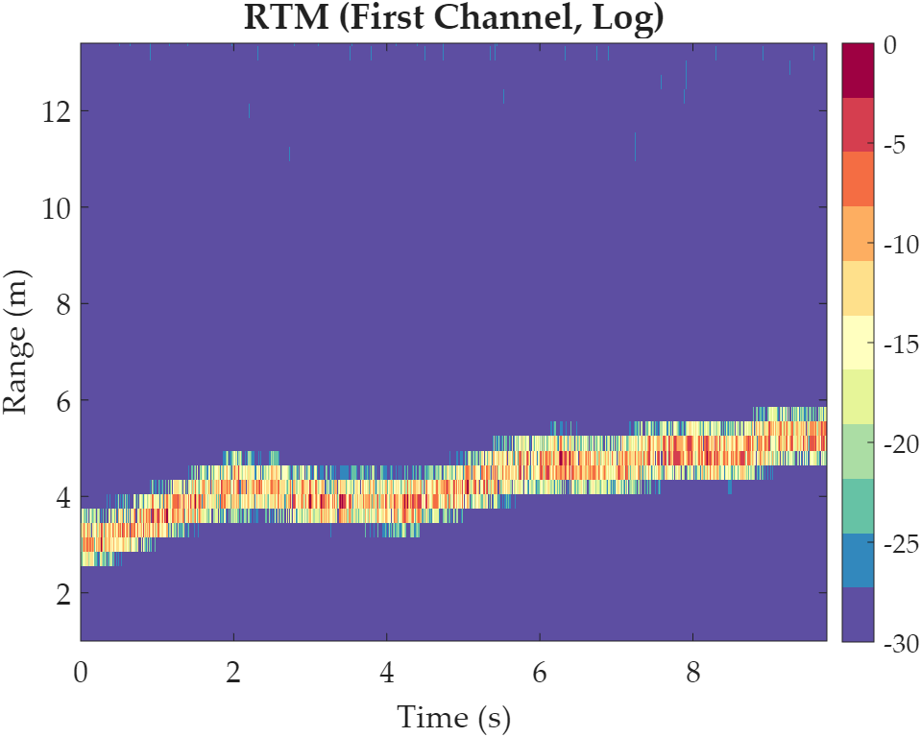 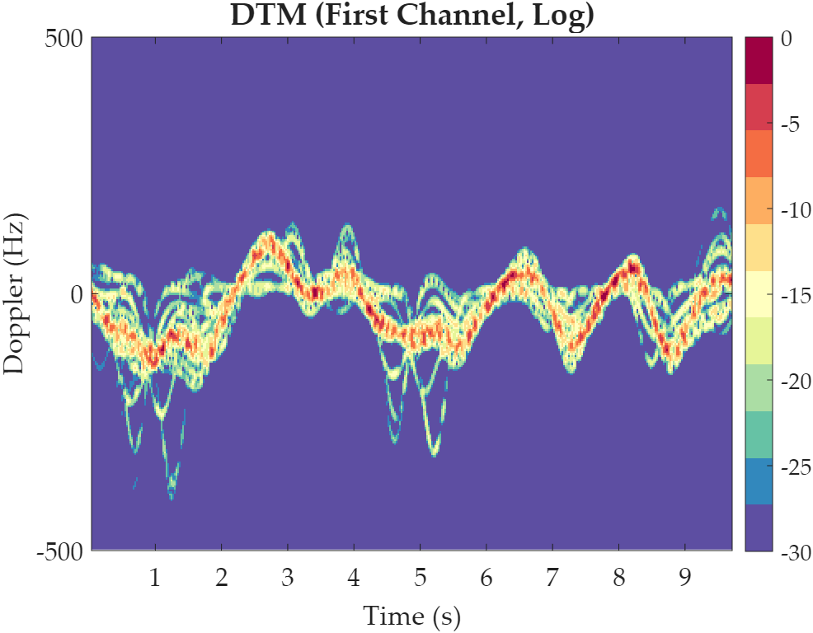 |   | 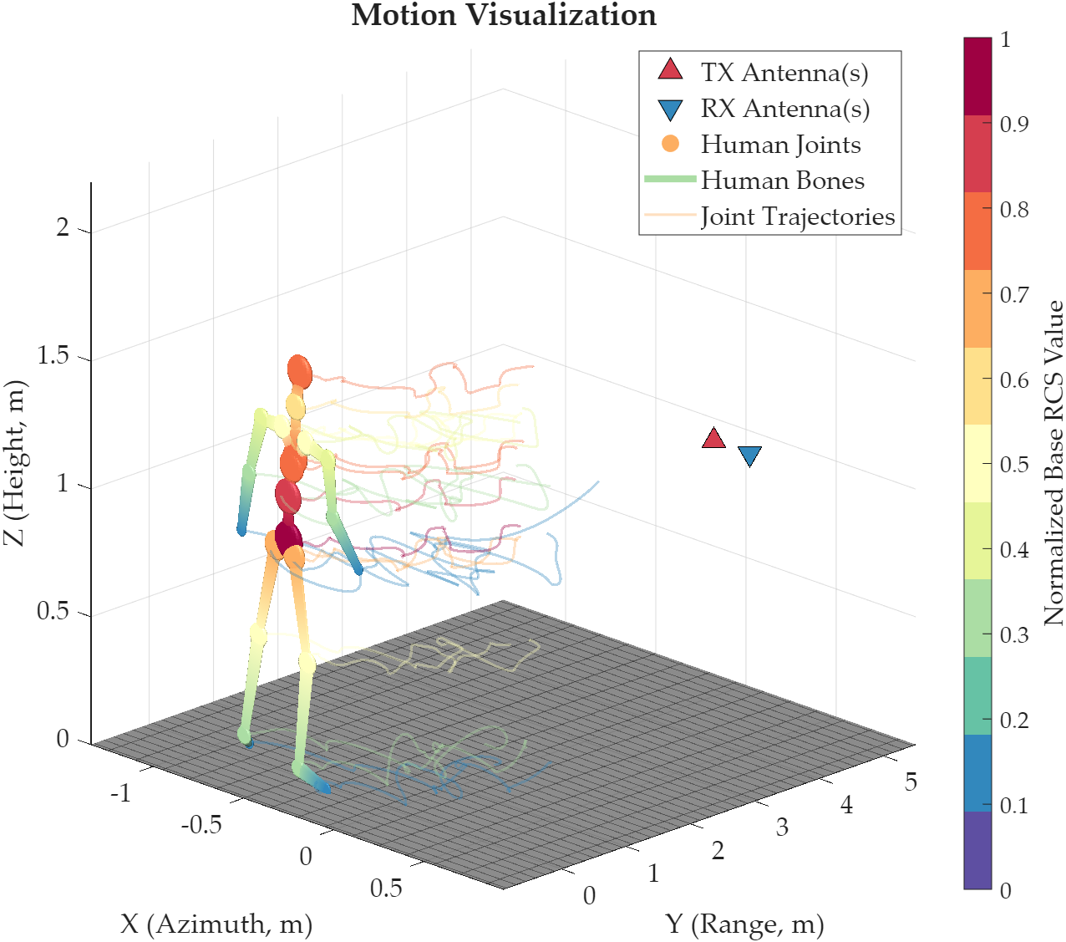 | 1-st Test: ❌, action generation failed for external Python environment. 2-nd Test: ⭐. | No need to fix.
2 | Single-person delay + heading mapping | CN: 我现在需要仿真一个人的行为。该人物身高1.78米，体重72公斤，从坐标[1, 1, 0]处起始，朝向180度，等待2秒后开始快速直线行走。采用中心频率10GHz、带宽800MHz的雷达，PRF为600Hz，发射天线位置为[0, 4, 1]，接收天线位置为[0.3, 4, 1]。不启用墙体，不考虑多径效应，也不使用神经网络。EN: I want to simulate the behavior of one person. This person is 1.78 meters tall and weighs 72 kilograms. The person starts from coordinate [1, 1, 0], faces 180 degrees, waits for 2 seconds, and then begins to walk quickly in a straight line. Use a radar with a center frequency of 10 GHz and a bandwidth of 800 MHz. The PRF is 600 Hz. The transmitting antenna position is [0, 4, 1], and the receiving antenna position is [0.3, 4, 1]. Do not enable walls, do not consider multipath effects, and do not use a neural network. | 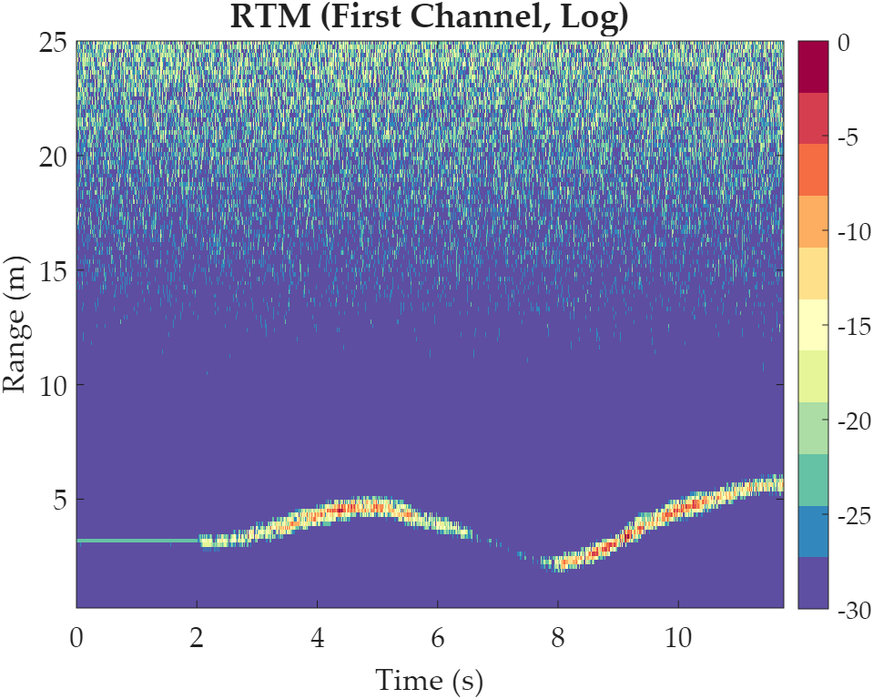 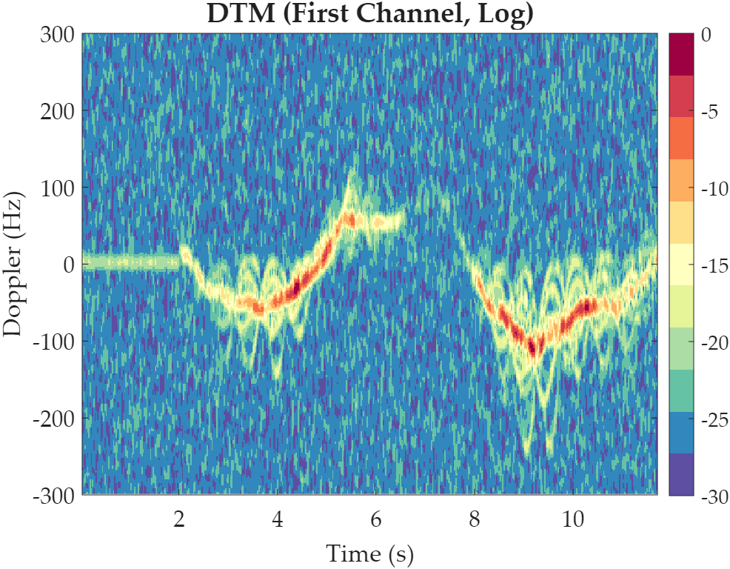 |   | 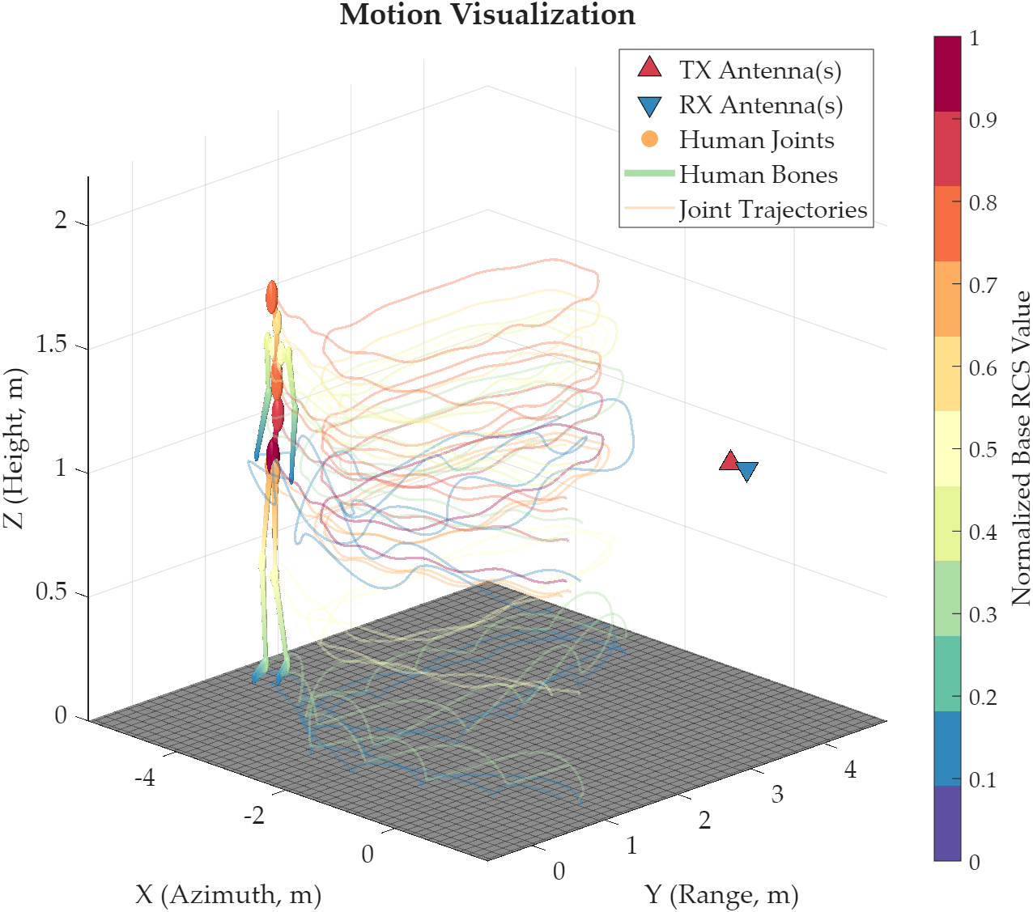 | 1-st Test: ⭐. | No need to fix.
3 | Two-person crossing / inter-person collision avoidance | CN: 我现在需要仿真两个人的行为。第一个人身高1.82米，体重78公斤，从坐标[-1, 2, 0]处起始，朝向0度，立即开始正常走路。第二个人身高1.70米，体重65公斤，从坐标[3, 2, 0]处起始，朝向180度，立即开始正常走路。两个人会在房间中部相向而行。采用中心频率24GHz、带宽1GHz的雷达，PRF为800Hz，发射天线位置为[0, 5, 1]，两个接收天线位置分别为[0.25, 5, 1]和[0.5, 5, 1]。不启用墙体，考虑多径效应，不使用神经网络。EN: I want to simulate the behavior of two people. The first person is 1.82 meters tall and weighs 78 kilograms, starts from coordinate [-1, 2, 0], faces 0 degrees, and begins normal walking immediately. The second person is 1.70 meters tall and weighs 65 kilograms, starts from coordinate [3, 2, 0], faces 180 degrees, and also begins normal walking immediately. The two people move toward each other and meet near the center of the room. Use a radar with a center frequency of 24 GHz and a bandwidth of 1 GHz. The PRF is 800 Hz. The transmitting antenna position is [0, 5, 1], and the two receiving antenna positions are [0.25, 5, 1] and [0.5, 5, 1]. Do not enable walls. Consider multipath effects, but do not use a neural network. | 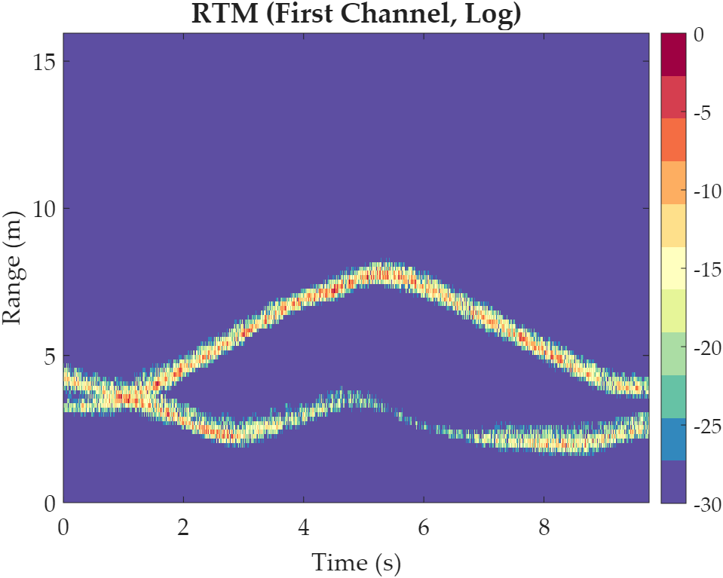 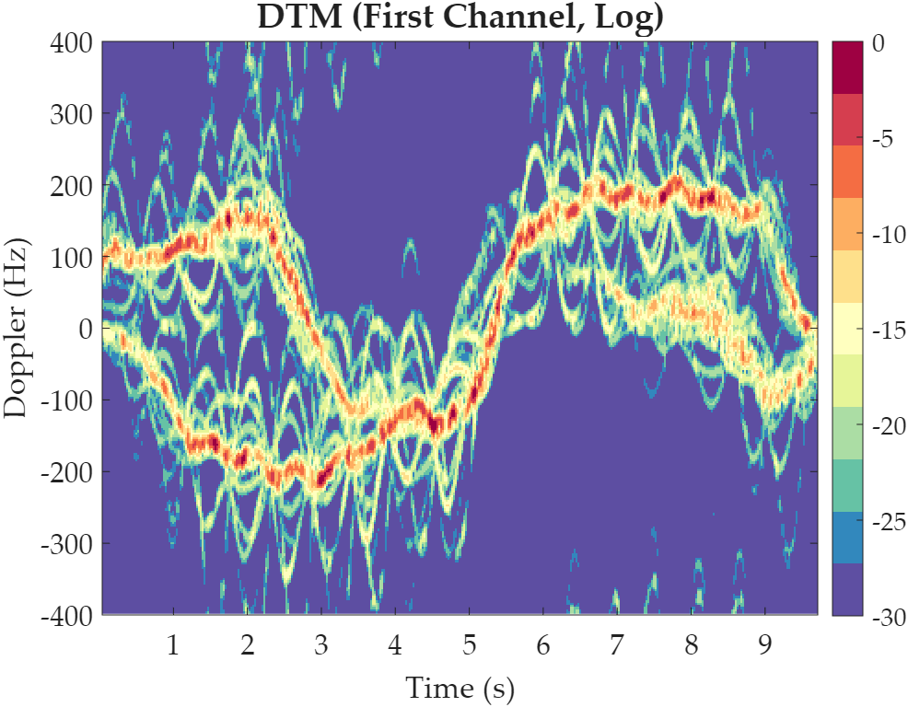 | 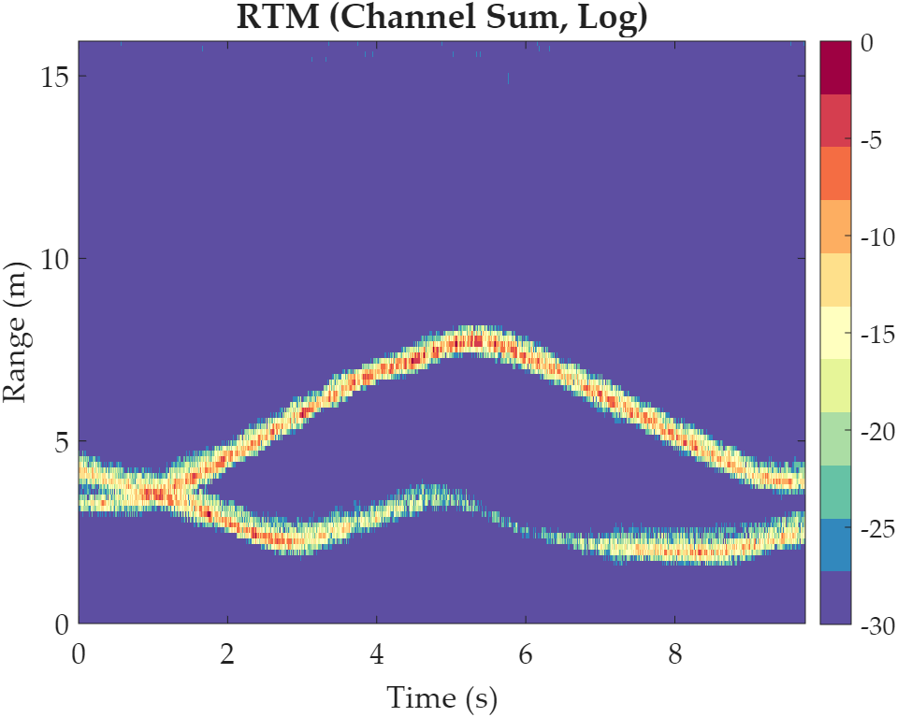 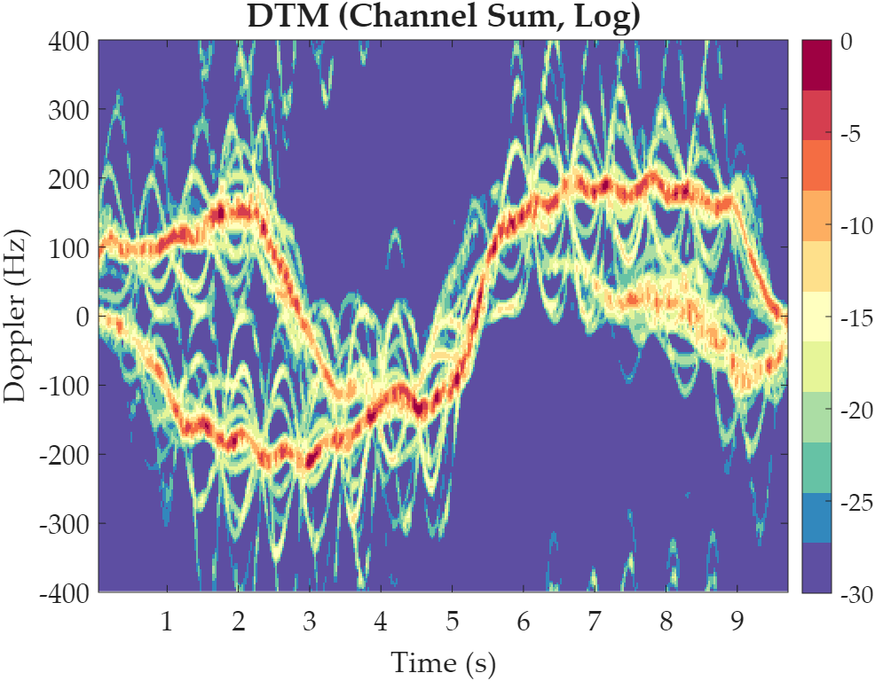 | 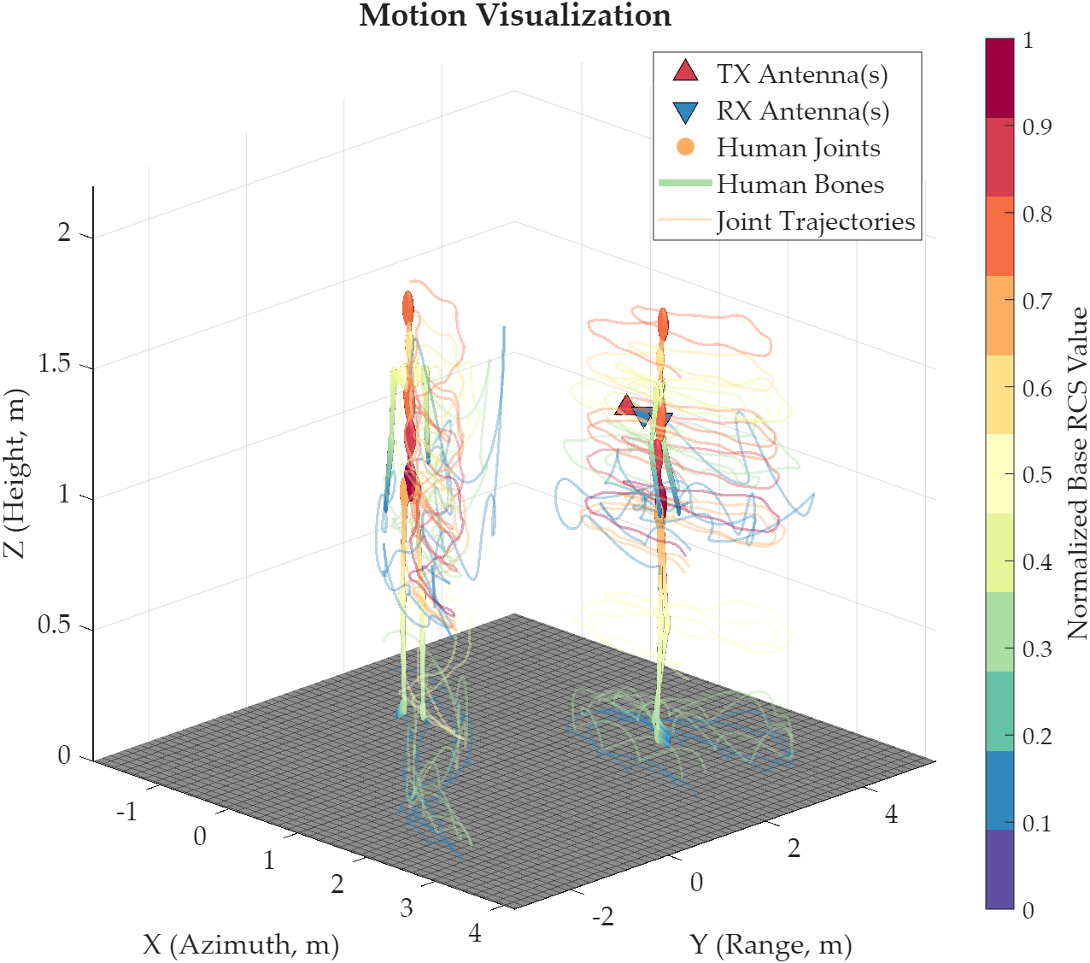 | 1-st Test: ⭐. | No need to fix.
4 | Three-person multi-target scene / multiple delays / MIMO | CN: 我现在需要仿真三个人的行为。第一个人身高1.90米，体重85公斤，从坐标[-2, 1, 0]处起始，朝向90度，无延迟，保持正常走路。第二个人身高1.68米，体重58公斤，从坐标[0, 3, 0]处起始，朝向270度，等待1秒后开始慢跑。第三个人身高1.75米，体重70公斤，从坐标[2, 1.5, 0]处起始，朝向45度，等待2秒后开始原地转身并短距离移动。采用中心频率60GHz、带宽2GHz的雷达，PRF为1200Hz，发射天线位置设置为[0, 5, 1]和[0.3, 5, 1]，接收天线位置设置为[0.6, 5, 1]和[0.9, 5, 1]，天线增益12dBi，系统信噪比40dB。场景中不启用墙体，考虑多径效应，不使用神经网络。EN: I want to simulate the behavior of three people. The first person is 1.90 meters tall and weighs 85 kilograms, starts from coordinate [-2, 1, 0], faces 90 degrees, has no delay, and walks normally. The second person is 1.68 meters tall and weighs 58 kilograms, starts from coordinate [0, 3, 0], faces 270 degrees, waits for 1 second, and then begins jogging slowly. The third person is 1.75 meters tall and weighs 70 kilograms, starts from coordinate [2, 1.5, 0], faces 45 degrees, waits for 2 seconds, and then begins turning in place while moving a short distance. Use a radar with a center frequency of 60 GHz and a bandwidth of 2 GHz. The PRF is 1200 Hz. The transmitting antenna positions are [0, 5, 1] and [0.3, 5, 1], and the receiving antenna positions are [0.6, 5, 1] and [0.9, 5, 1]. The antenna gain is 12 dBi, and the system SNR is 40 dB. Do not enable walls. Consider multipath effects, but do not use a neural network. | 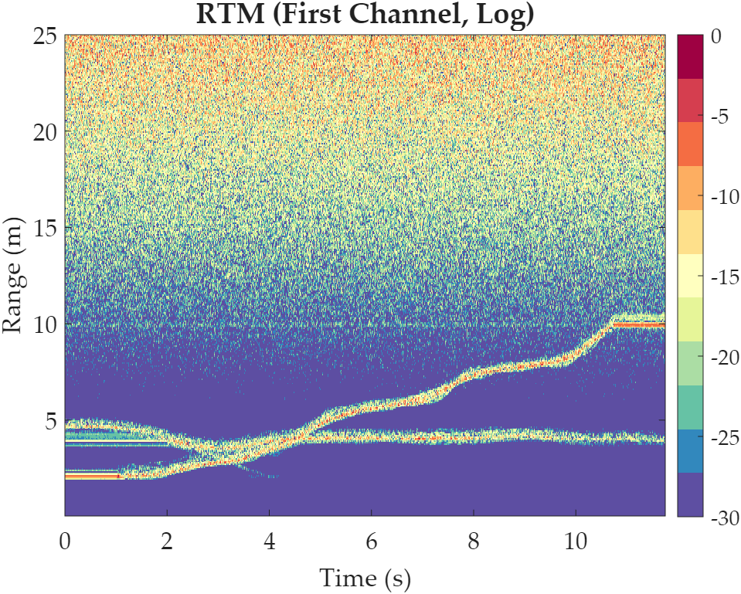 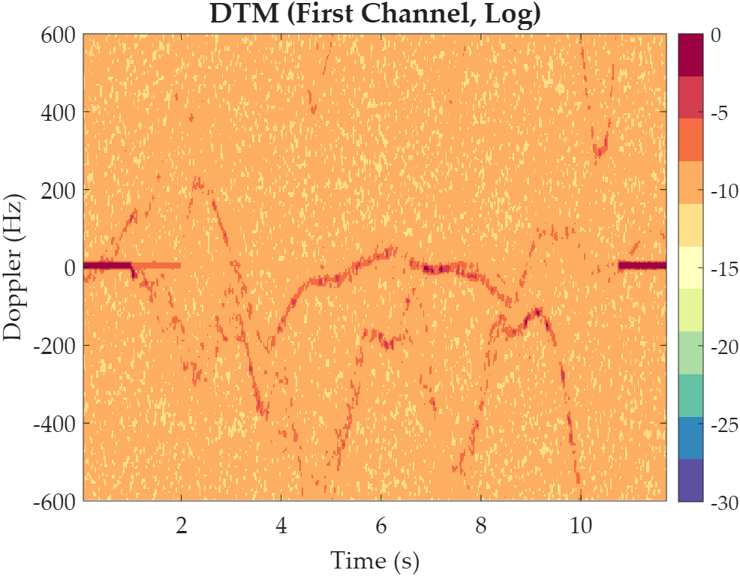 | 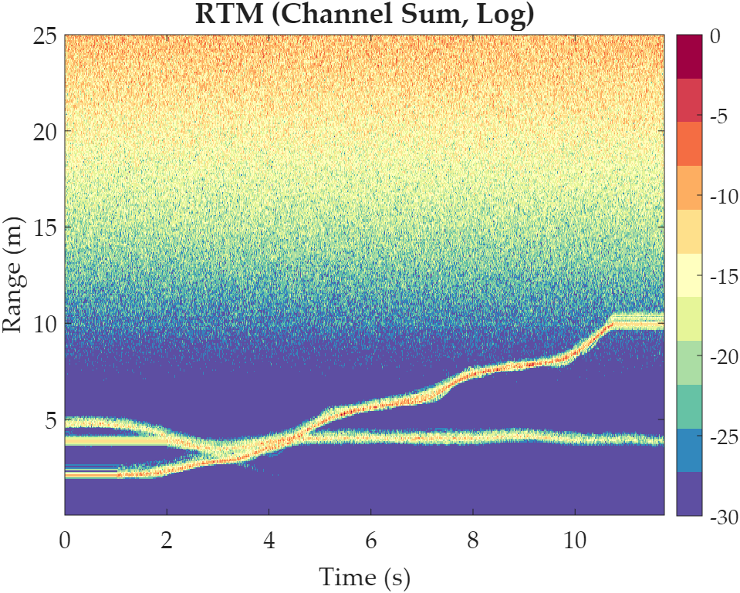 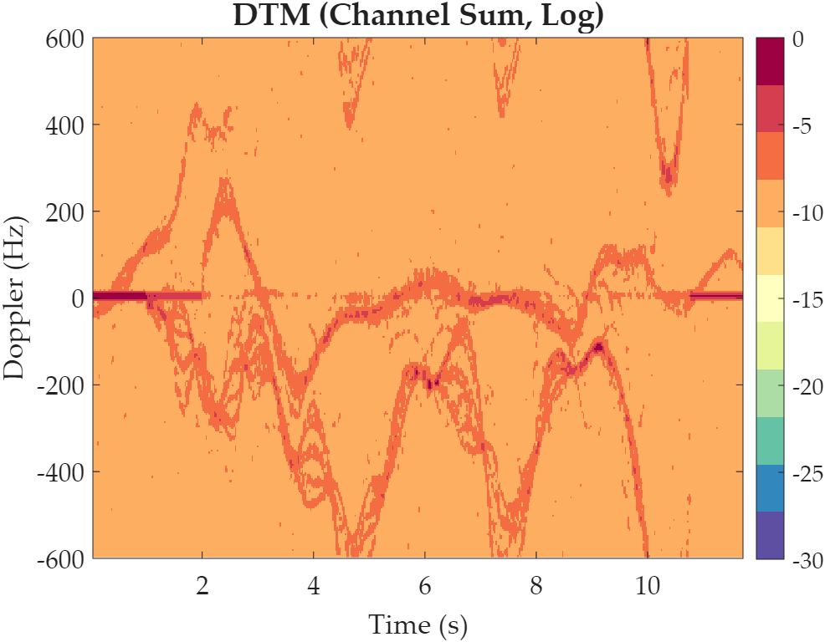 | 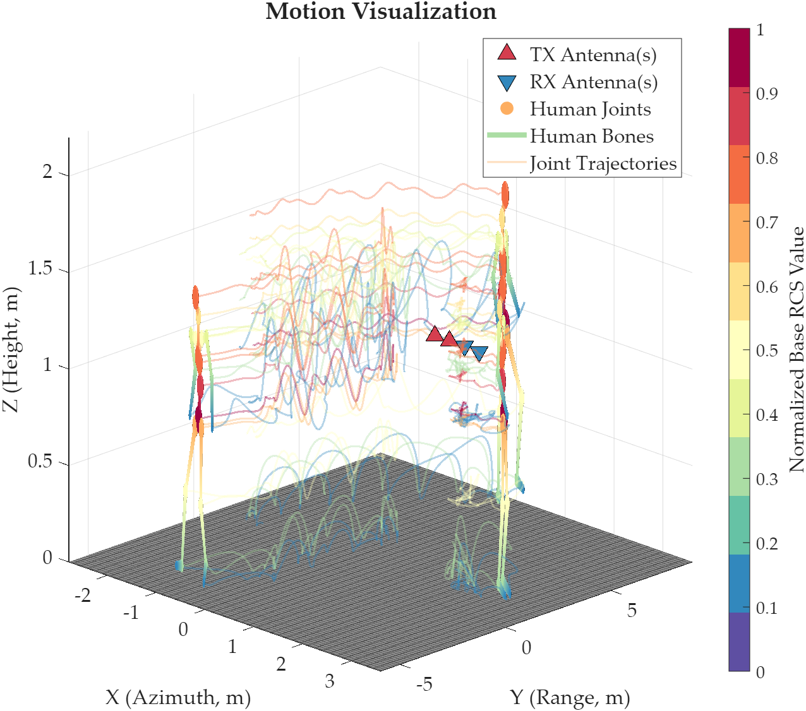 | 1-st Test: ✔, the step of calculating multi-target MIMO bistatic radar equations linearly propagating signals over 4 spatial channels is too slow. | 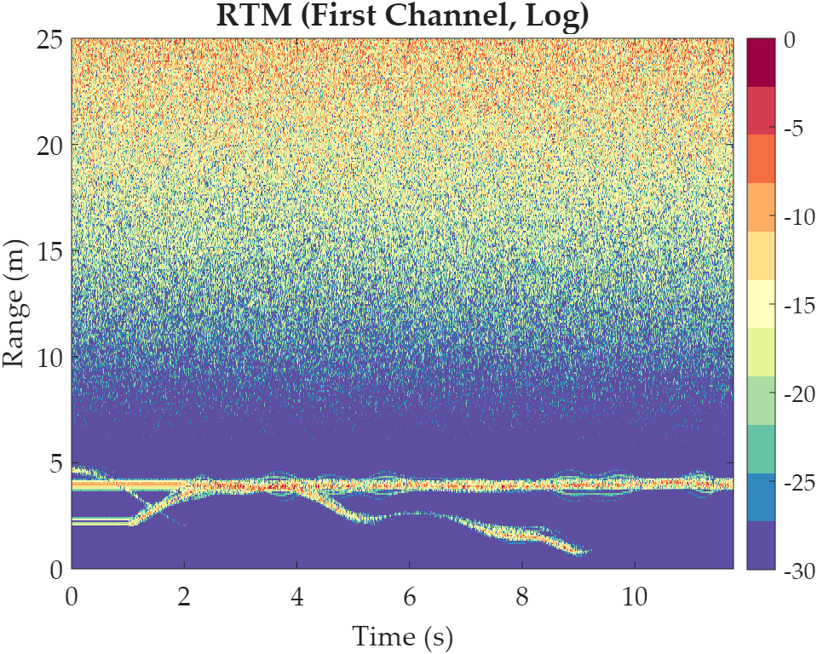 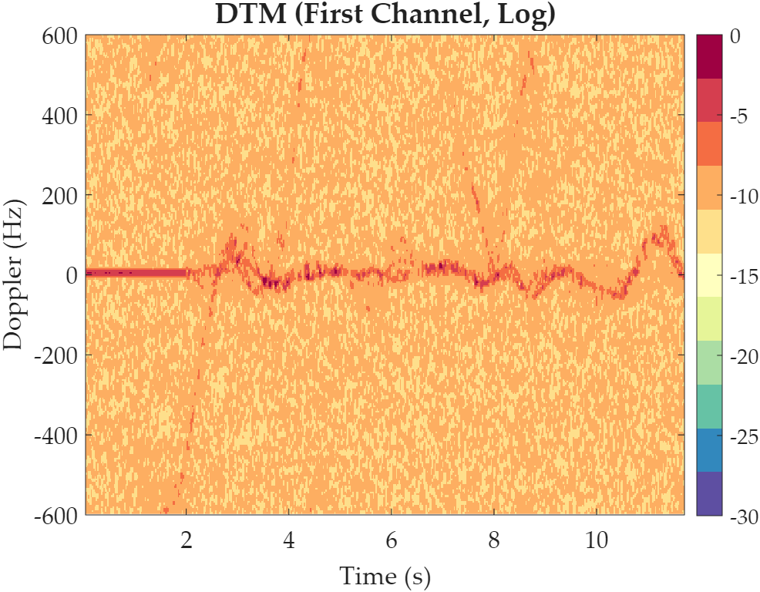 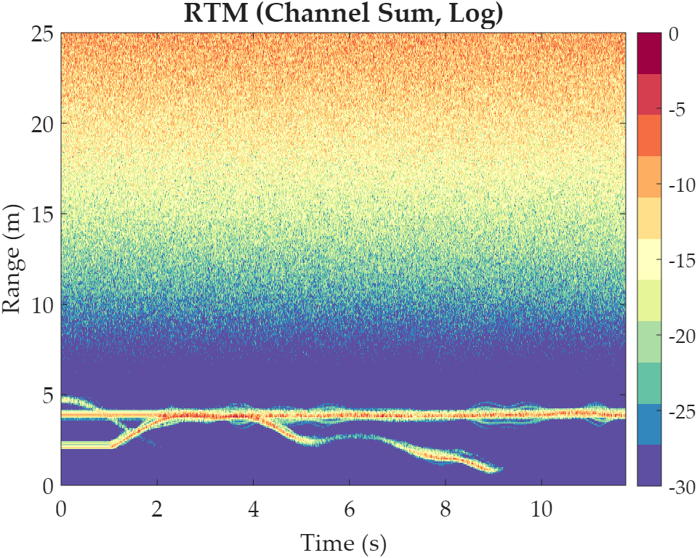 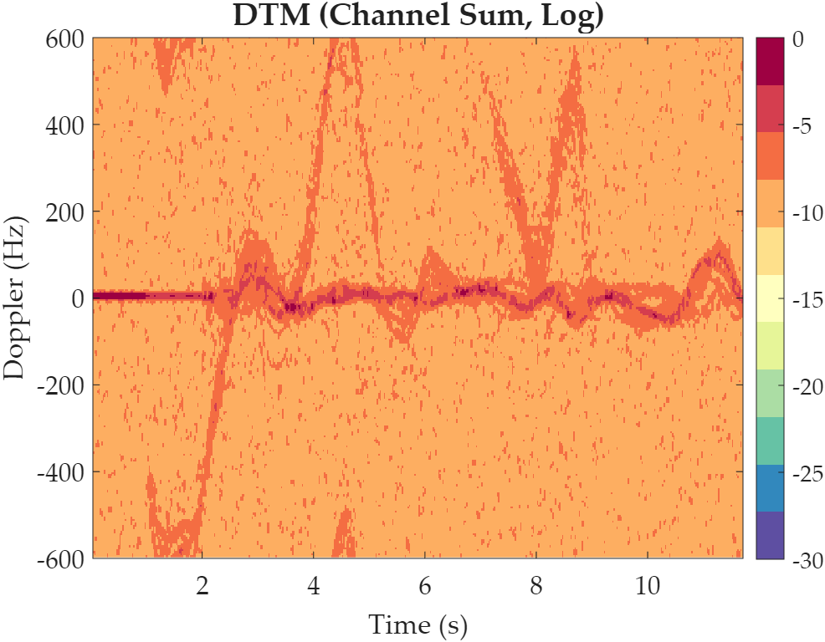 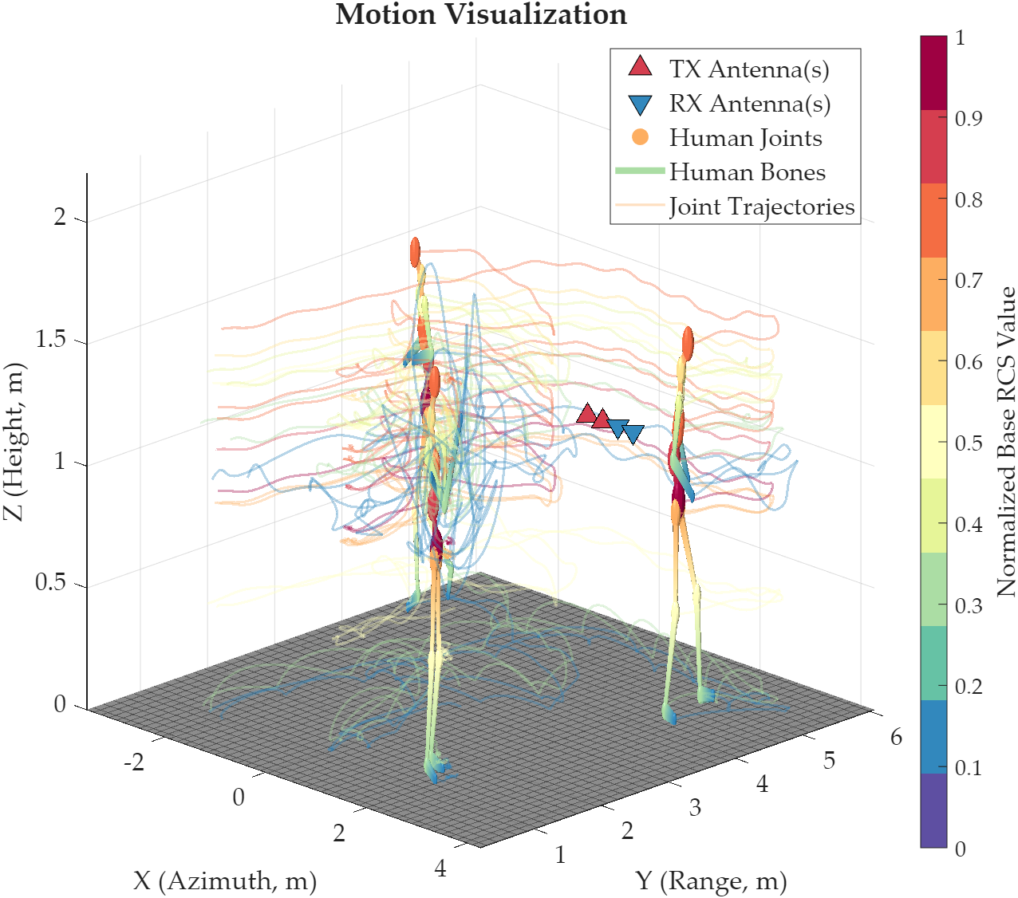 MIMO and Multipath Mathematical Underlying Rapid Tensorization: To address system sluggishness, all core radar calculation equations were rewritten. The deepest for i_p = 1:num_persons and for j = 1:22 loops were completely removed. Instead, all characters, 22 joint points, and all bounce paths were tiled into a super-large matrix, and MATLAB's extremely powerful implicit tensor expansion and underlying matrix multiplication (BLAS) were utilized for overall solution at the pulse level. Without any loss of computational accuracy or physical properties, the speed of billions of equation calculations was increased by tens of times.
5 | Static object modeling / scatter-point inference | CN: 我现在需要仿真一个人的行为。这个人身高1.76米，体重68公斤，从坐标[0, 1.5, 0]处起始，朝向90度，开始缓慢走动。场景中在[2, 2.5, 0]处放置一张长1.4米、宽0.7米、高0.75米的木制办公桌，在[1.2, 2.8, 0]处放置一把椅子，在[3, 3, 0]处放置一个高1.8米、宽0.8米、厚0.4米的金属柜。采用中心频率24GHz、带宽1GHz的雷达，PRF为500Hz，发射天线位置为[0, 5, 1]，接收天线位置为[0.25, 5, 1]。不启用墙体，考虑多径效应，不使用神经网络。EN: I want to simulate the behavior of one person. This person is 1.76 meters tall and weighs 68 kilograms, starts from coordinate [0, 1.5, 0], faces 90 degrees, and begins moving slowly. In the scene, place a wooden office desk at [2, 2.5, 0] with a length of 1.4 meters, a width of 0.7 meters, and a height of 0.75 meters. Place a chair at [1.2, 2.8, 0], and place a metal cabinet at [3, 3, 0] with a height of 1.8 meters, a width of 0.8 meters, and a thickness of 0.4 meters. Use a radar with a center frequency of 24 GHz and a bandwidth of 1 GHz. The PRF is 500 Hz. The transmitting antenna position is [0, 5, 1], and the receiving antenna position is [0.25, 5, 1]. Do not enable walls. Consider multipath effects, but do not use a neural network. | 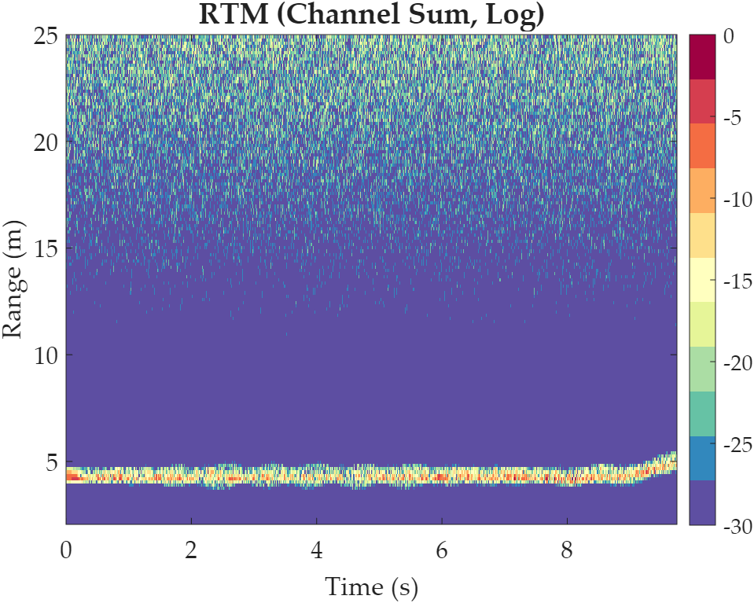 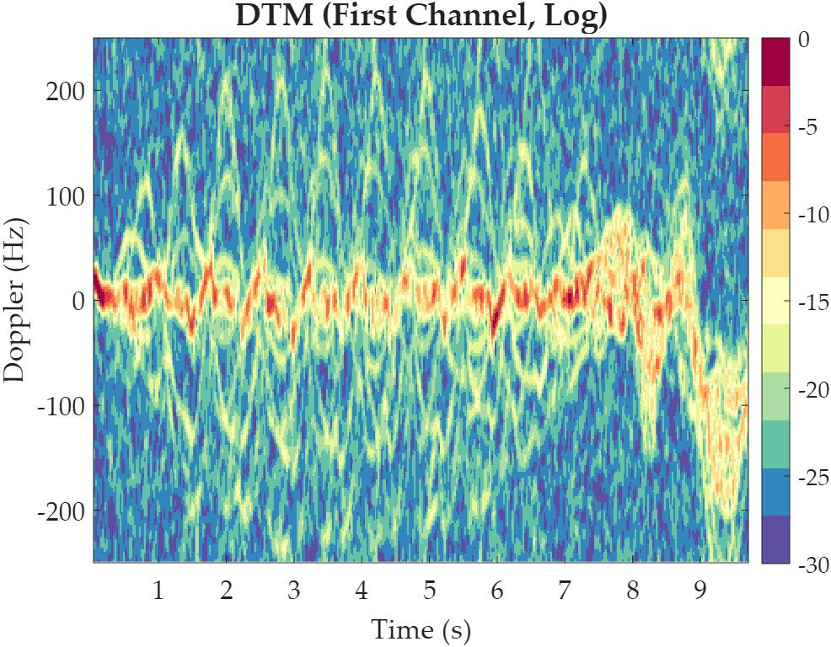 |  | 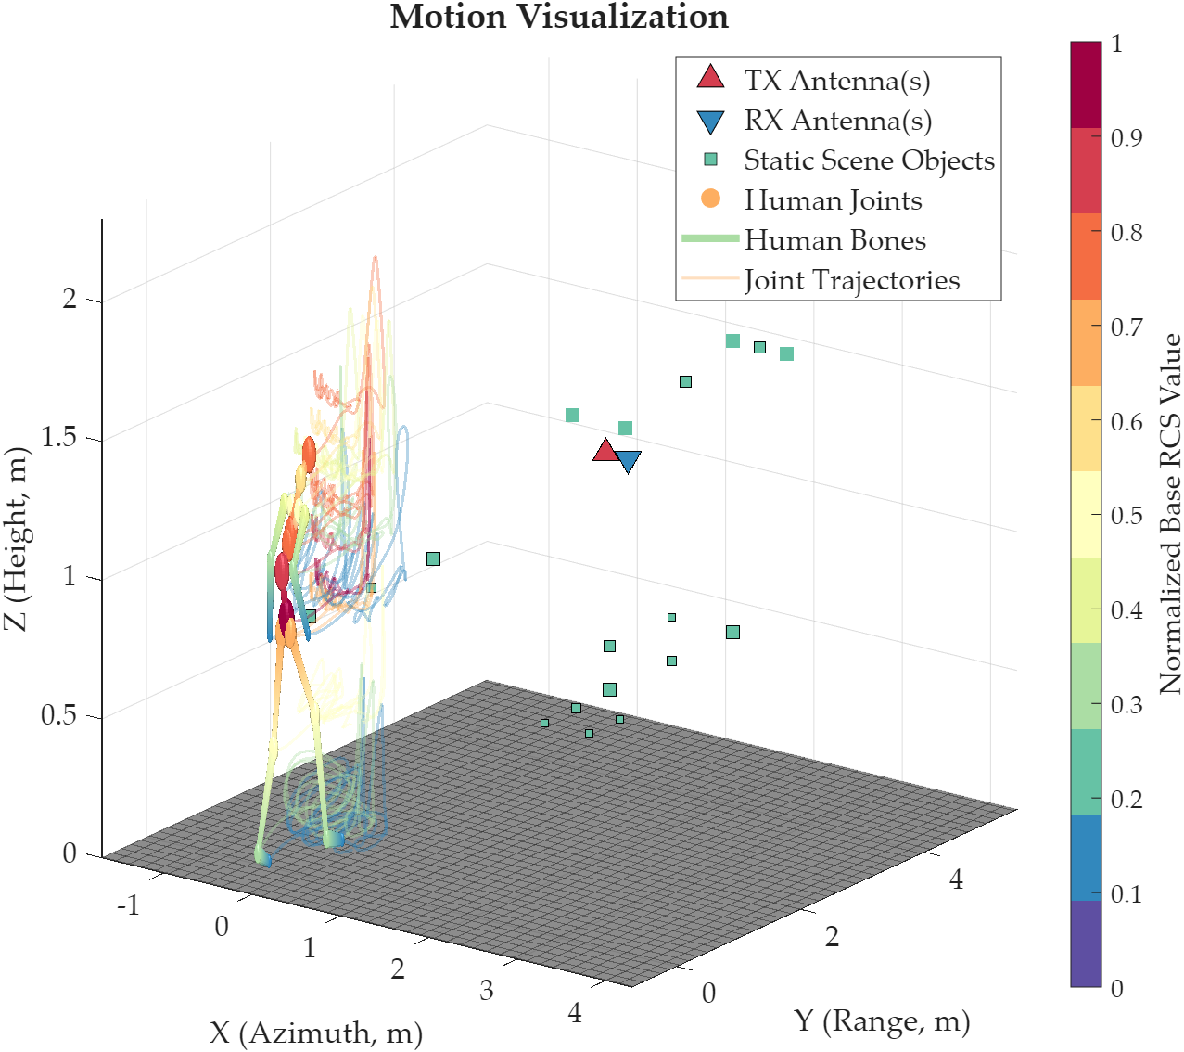 | 1-st Test: ✔, at the beginning, the person performed actions in place, possibly due to conflicts with the positions of objects in the room, which were corrected by the algorithm. | 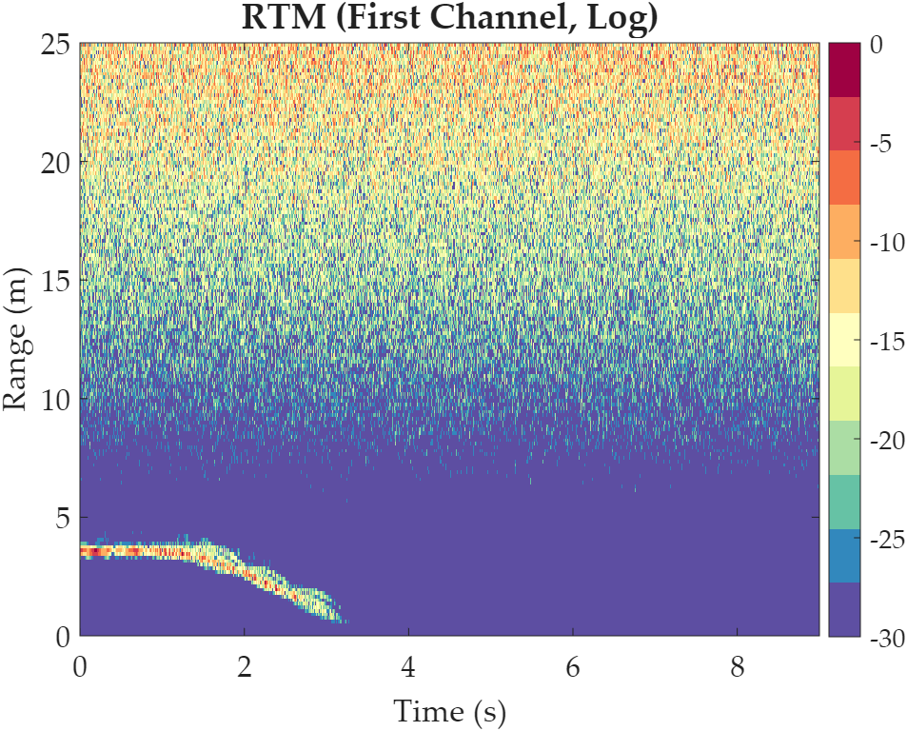 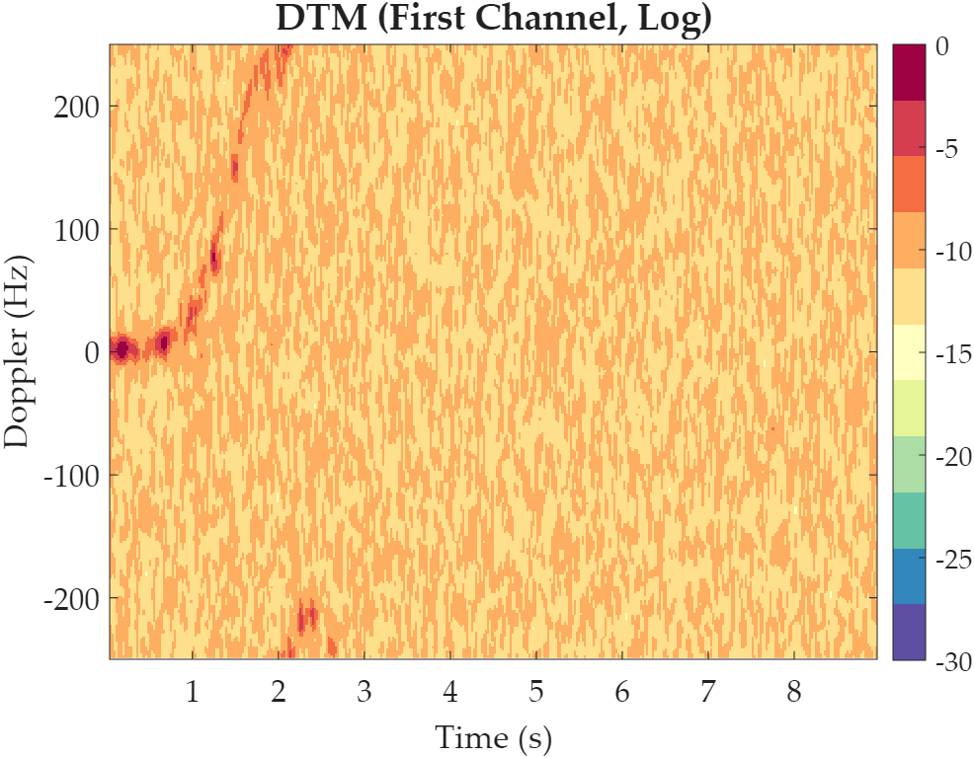   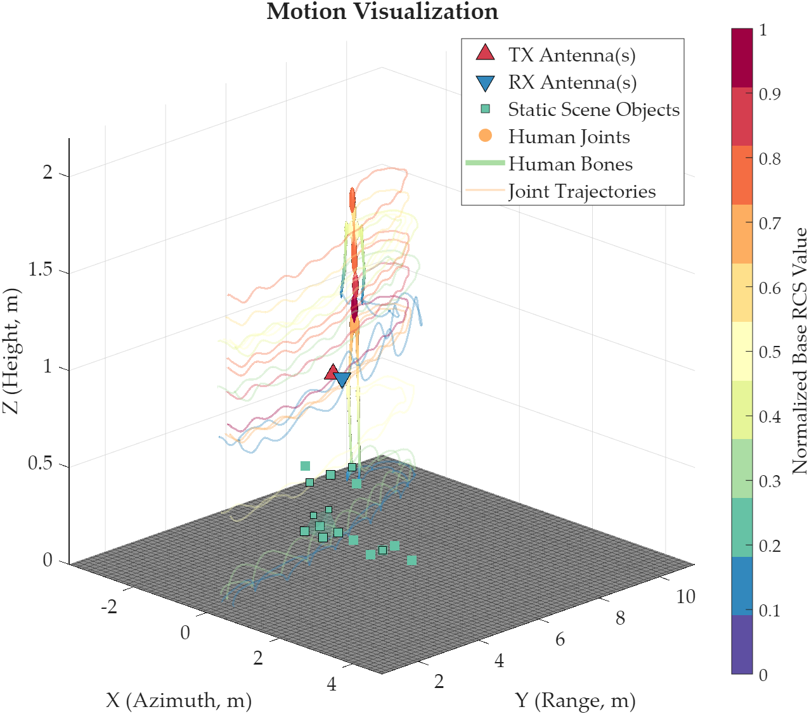 First-Frame Static Pre-Judgment and Global Offset Relaxation: Before the original frame-by-frame collision detection algorithm, a "pre-stretcher" with 15 iterations is added. If the radar system detects that the initial position of a character completely overlaps with a table, chair, or wall, the system will globally push its entity away from the overlapping area before the action begins. This way, all frames translate as a whole, completely avoiding the abrupt feeling of the action being forcibly squeezed out of its original position.
6 | Wall enabled / no multipath | CN: 我现在需要仿真一个人的行为。该人物身高1.80米，体重75公斤，从坐标[0, 0.8, 0]处起始，朝向90度，保持正常步行。采用中心频率8GHz、带宽600MHz的雷达，PRF为400Hz，发射天线位置为[0, 5, 1]，接收天线位置为[0.2, 5, 1]。场景中需要启用墙体，墙体位置设置为[0, 3.5, 1]，墙体宽度6米、高度3米、厚度0.15米，墙体介电常数设置为4.2、损耗角正切设置为0.03。不考虑多径效应，不使用神经网络。EN: I want to simulate the behavior of one person. This person is 1.80 meters tall and weighs 75 kilograms, starts from coordinate [0, 0.8, 0], faces 90 degrees, and walks normally. Use a radar with a center frequency of 8 GHz and a bandwidth of 600 MHz. The PRF is 400 Hz. The transmitting antenna position is [0, 5, 1], and the receiving antenna position is [0.2, 5, 1]. Enable a wall in the scene. The wall position is [0, 3.5, 1], with a width of 6 meters, a height of 3 meters, and a thickness of 0.15 meters. The wall dielectric constant is 4.2, and the loss tangent is 0.03. Do not consider multipath effects, and do not use a neural network. | 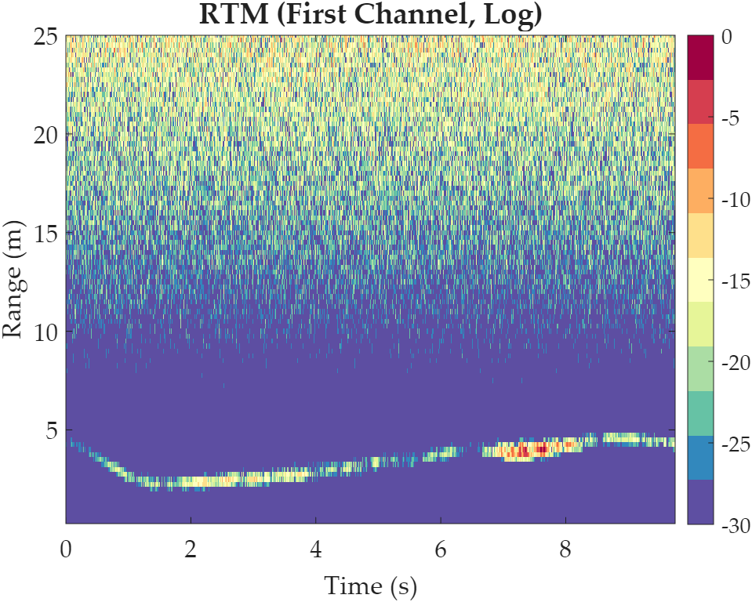 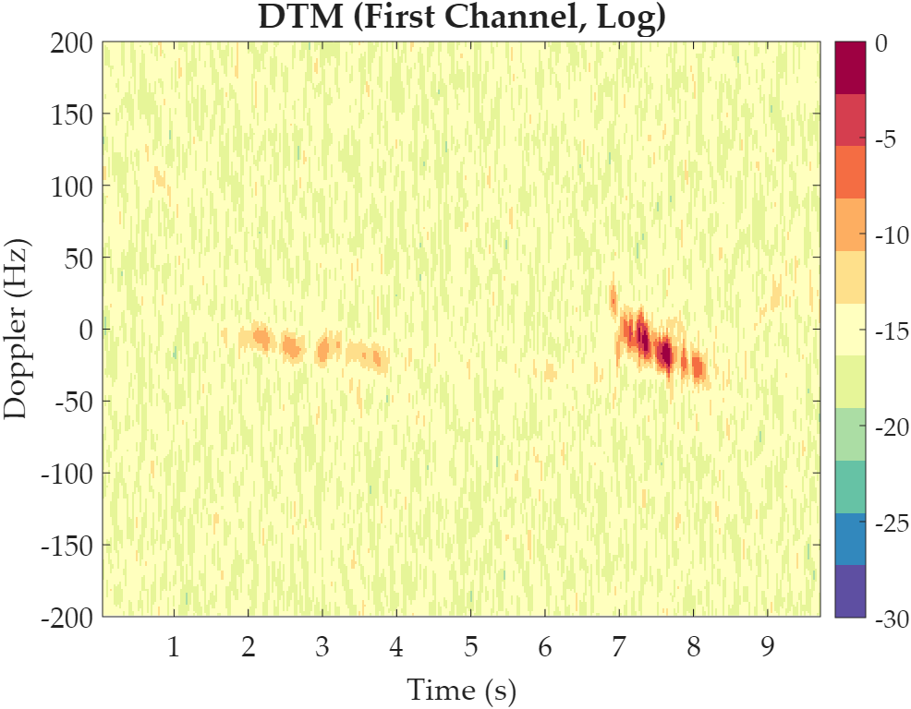 | 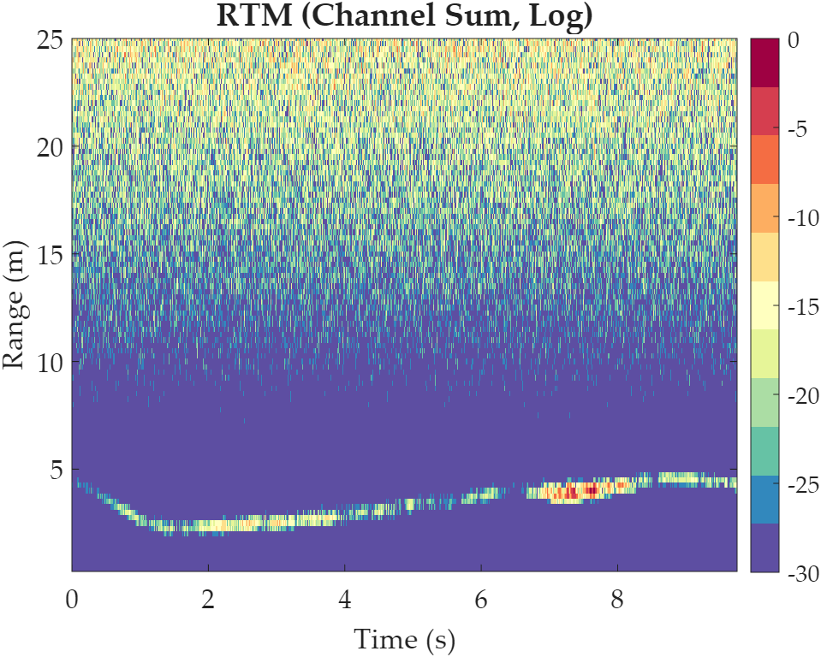  | 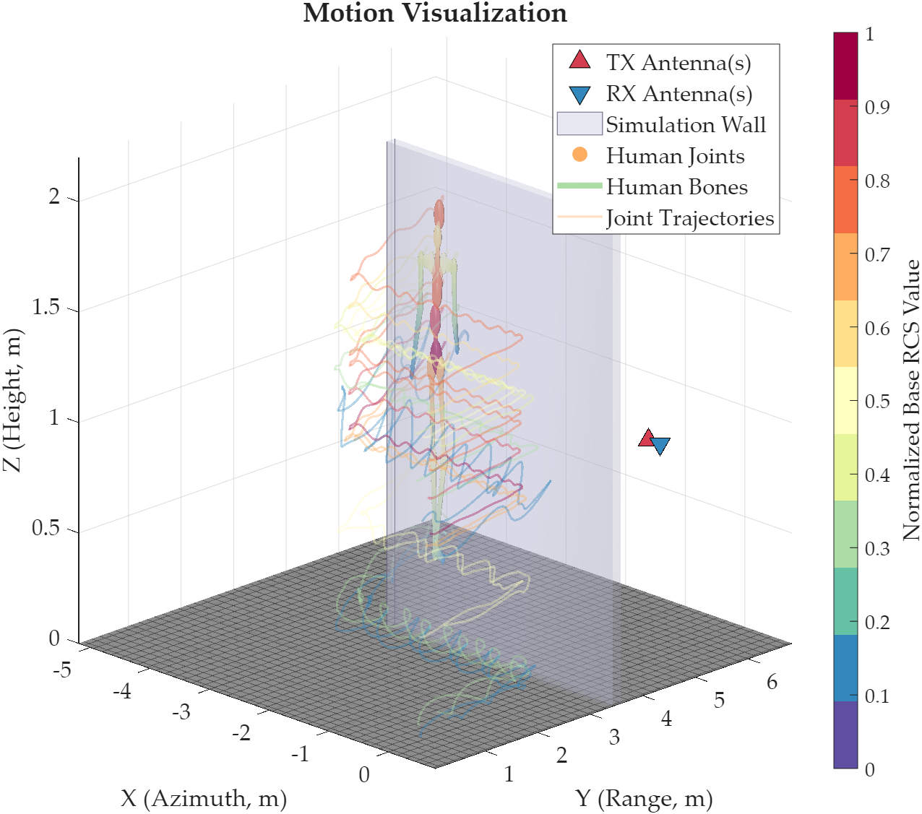 | 1-st Test: ⭐. | No need to fix.
7 | Wall + multipath + neural enhancement | CN: 我现在需要仿真两个人的行为。第一个人身高1.83米，体重79公斤，从坐标[-1, 1.5, 0]处起始，朝向60度，无延迟，保持中速走路。第二个人身高1.62米，体重52公斤，从坐标[2, 2.5, 0]处起始，朝向210度，等待1.5秒后开始小跑。场景中在[1.5, 2.2, 0]处放置一张长1.2米、宽0.8米、高0.75米的桌子。采用中心频率2GHz、带宽1GHz的雷达，PRF为200Hz，发射天线位置为[0, 5, 1]，接收天线位置为[0.2, 5, 1]、[0.4, 5, 1]和[0.6, 5, 1]，天线增益15dBi，系统信噪比45dB。启用墙体，墙体位置设置为[0, 4, 1]，墙体宽度8米、高度3米、厚度0.12米，介电常数4.5，损耗角正切0.05。需要考虑多径效应，同时使用神经网络进行特征增强。EN: I want to simulate the behavior of two people. The first person is 1.83 meters tall and weighs 79 kilograms, starts from coordinate [-1, 1.5, 0], faces 60 degrees, has no delay, and walks at a moderate speed. The second person is 1.62 meters tall and weighs 52 kilograms, starts from coordinate [2, 2.5, 0], faces 210 degrees, waits for 1.5 seconds, and then begins jogging lightly. Place a desk at [1.5, 2.2, 0] with a length of 1.2 meters, a width of 0.8 meters, and a height of 0.75 meters. Use a radar with a center frequency of 2 GHz and a bandwidth of 1 GHz. The PRF is 200 Hz. The transmitting antenna position is [0, 5, 1], and the receiving antenna positions are [0.2, 5, 1], [0.4, 5, 1], and [0.6, 5, 1]. The antenna gain is 15 dBi, and the system SNR is 45 dB. Enable a wall at [0, 4, 1] with a width of 8 meters, a height of 3 meters, and a thickness of 0.12 meters. The dielectric constant is 4.5, and the loss tangent is 0.05. Multipath effects should be considered, and neural network-based feature enhancement should also be enabled. | 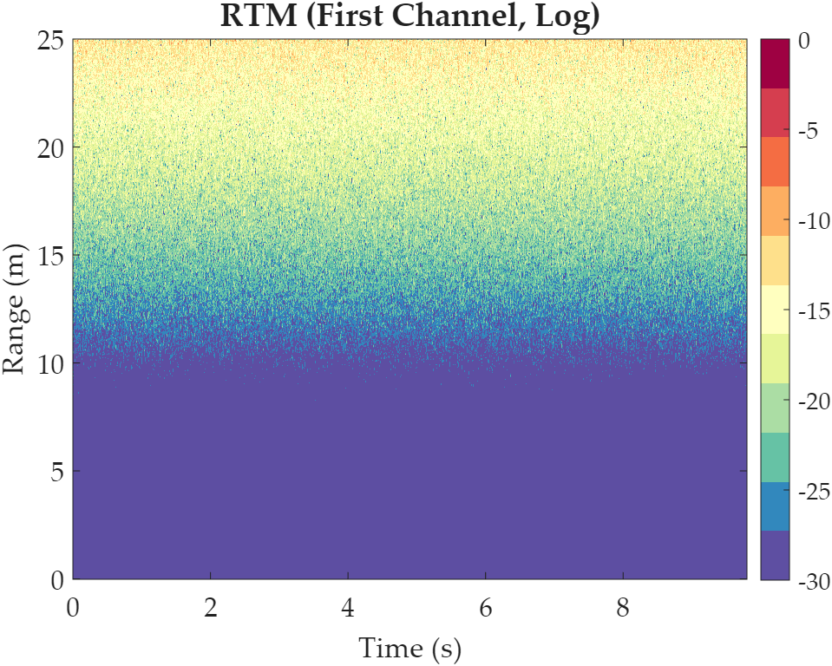 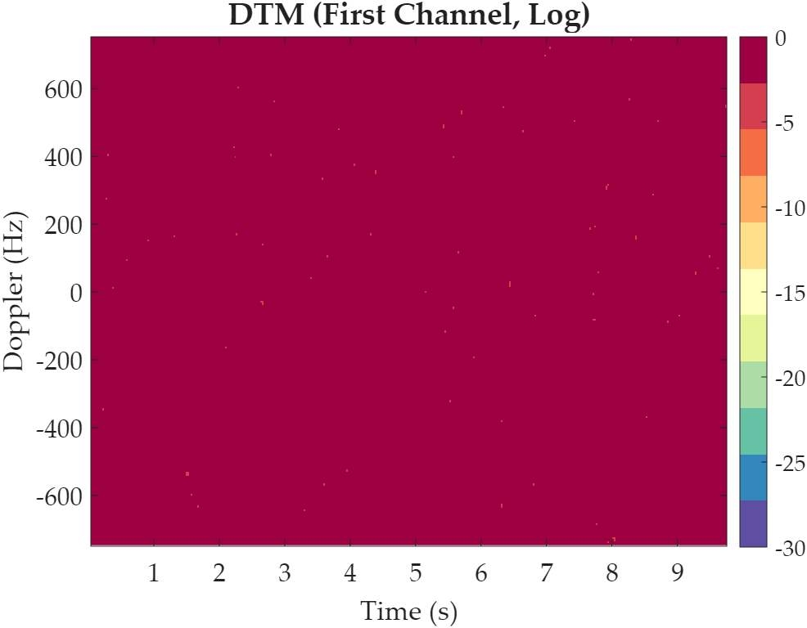 | 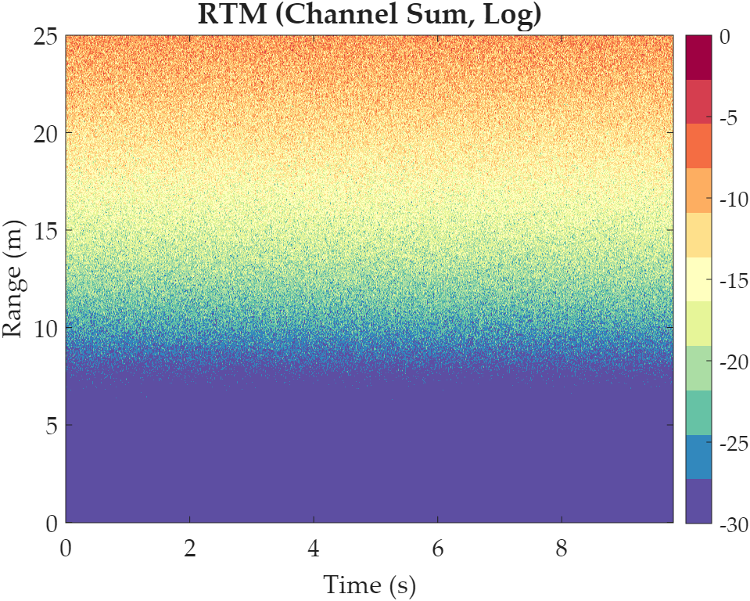 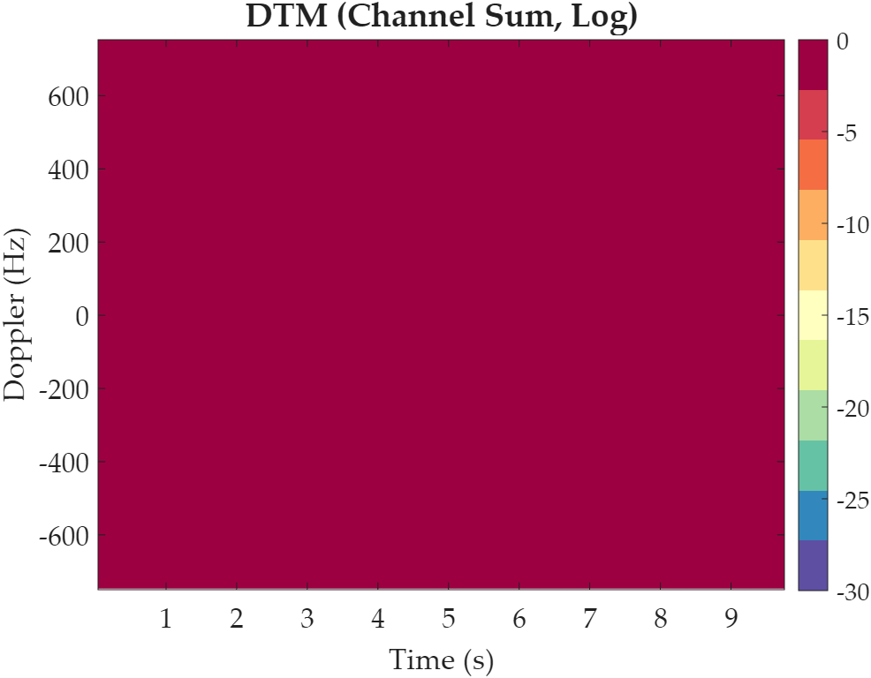 | 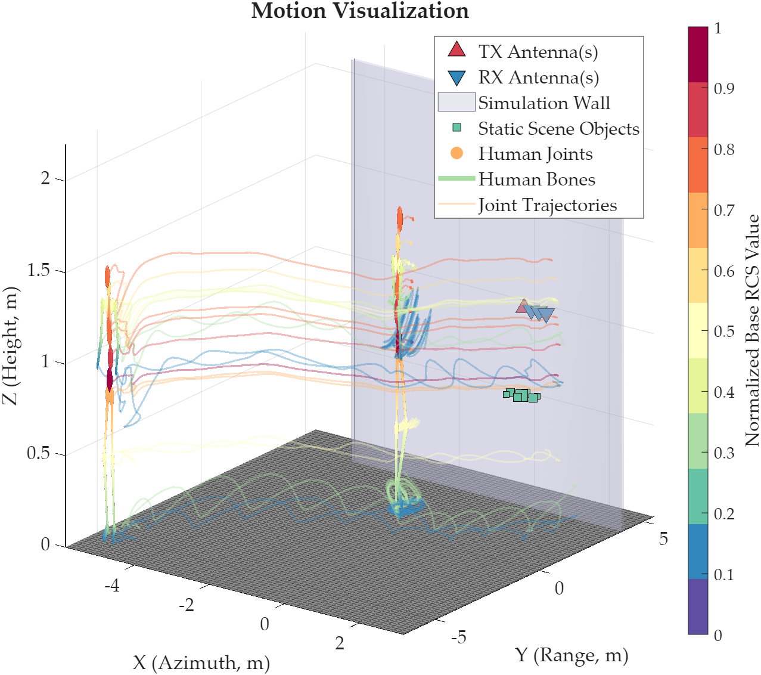 | 1-st Test: ❌, encountered a critical structural failure while attempting to decode the format of the response. Printing the raw output text below for physical diagnostics. { "persons": [ { "Refined_Prompt": "A person of 1.83m height and 79kg weight walking at a consistent, moderate pace.", "start_pos": [-1.0, 1.5, 0.0], "start_heading": 60.0, "start_time_delay": 0.0, "height": 1.83, "weight": 79.0 }, { "Refined_Prompt": "A person of 1.62m height and 52kg weight jogging from a stationary start, initiated after a 1.5 second delay.", "start_pos": [2.0, 2.5, 0.0], "start_heading": 210.0, "start_time_delay": 1.5, "height": 1.62, "weight": 52.0 } ], "objects": [ { "name": "Wooden Desk", "scatter_points": [ [1.5 + 0.6, 2.2 + 0.4, 0.75, 0.5], [1.5 - 0.6, 2.2 + 0.4, 0.75, 0.5], [1.5 + 0.6, 2.2 - 0.4, 0.75, 0.5], [1.5 - 0.6, 2.2 - 0.4, 0.75, 0.5], [1.5, 2.2, 0.75, 0.3], [1.5 + 0.2, 2.2, 0.37, 0.2], [1.5 - 0.2, 2.2, 0.37, 0.2], [1.5, 2.2, 0.37, 0.1] ] } ], "fc": 77000000000, "tp": 0.001, "B": 4000000000, "PRF": 1500, "fs": 10000000, "tx_pos": [[0, 5, 1]], "rx_pos": [[0.2, 5, 1], [0.4, 5, 1], [0.6, 5, 1]], "antenna_gain": 15, "antenna_isolation": 40, "SNR": 45, "enable_wall": true, "enable_multipath": true, "wall_center": [0, 4, 1], "wall_dimensions": [8.0, 0.12, 3.0], "wall_epsilon_r": 4.5, "wall_loss_tangent": 0.05, "stft_window_seconds": 0.1, "stft_overlap_ratio": 0.75, "enable_network": true } A severe procedural violation occurred abruptly halting the algorithmic flow. Rolling back to original directory context and printing the system exception memory trace below for physical debugging. Error using Main_MIMO_Multiperson (line 250) The language model did not return a valid structured format. 2-nd | 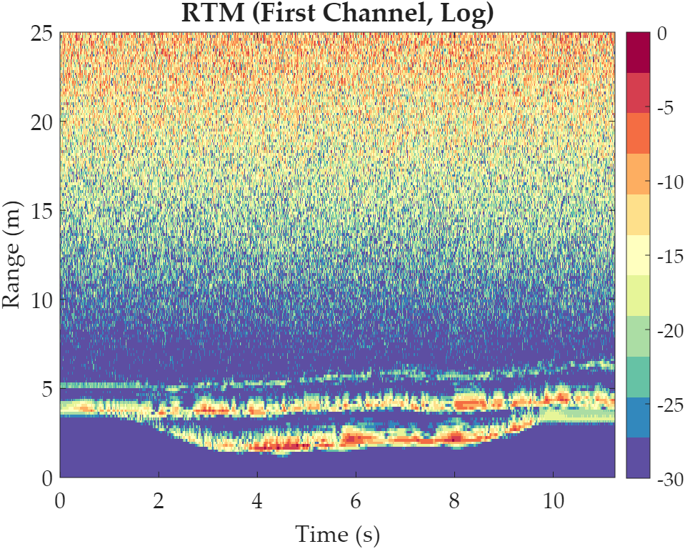 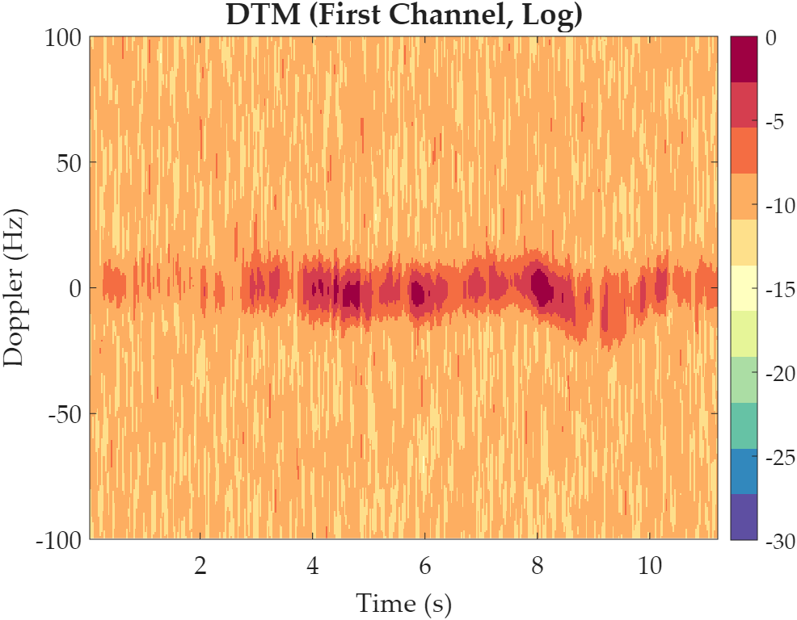 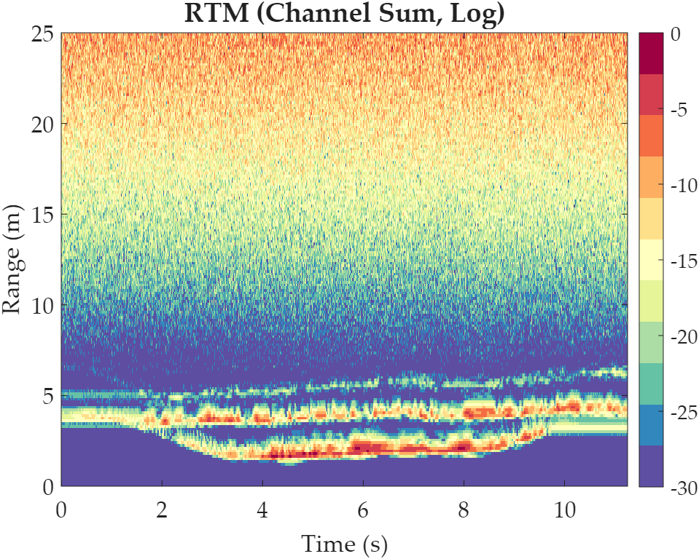 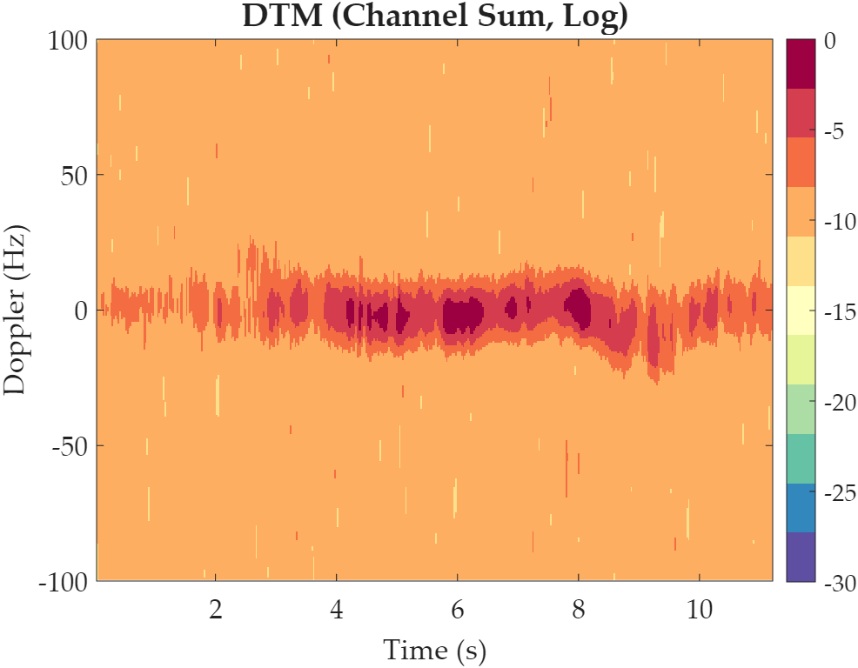 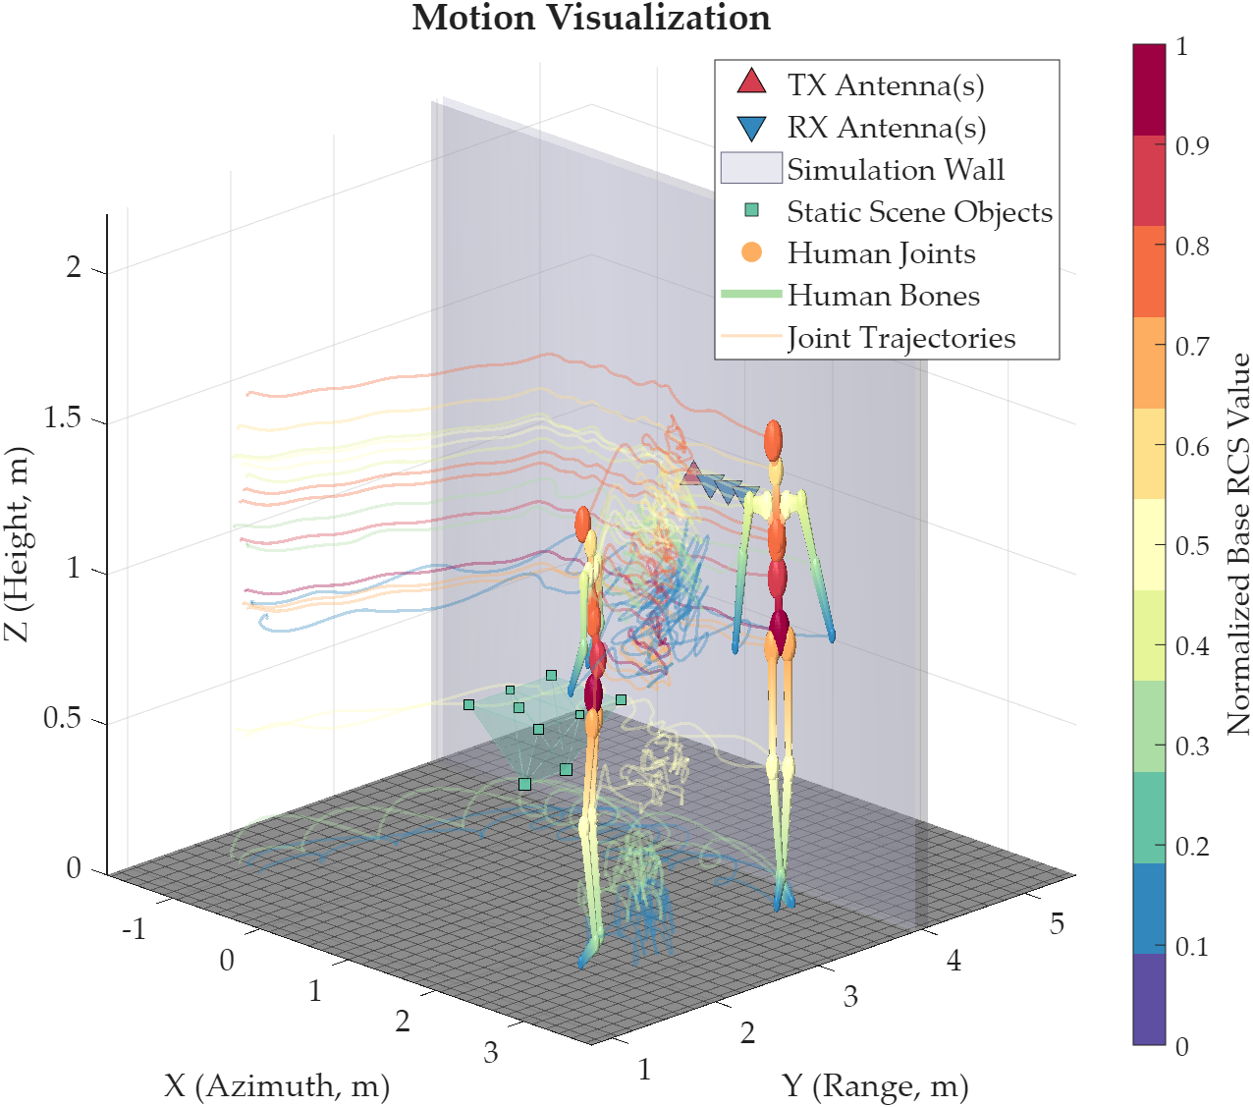 Adaptive Regular Expression Cleaning Engine: A cleaning tool based on MATLAB's built-in regular expressions named clean_json_math has been added. It automatically detects and calculates arithmetic expressions including addition, subtraction, multiplication, and division, which are outputted by large models in JSON, and converts them into absolute floating-point values. Additionally, it removes non-compliant leading characters of key names and anomalies of boolean types, serving as a safety net to prevent parsing crashes. 【The original test sample had an error in parsing the radar center frequency, bandwidth, and PRF, and default values were used instead. This issue has also been fixed.】
8 | Missing-parameter / default-value test | CN: 我现在需要仿真一个人的行为。这个人从坐标[0, 2, 0]开始，向前慢慢行走。EN: I want to simulate the behavior of one person. This person starts from coordinate [0, 2, 0] and walks forward slowly. | 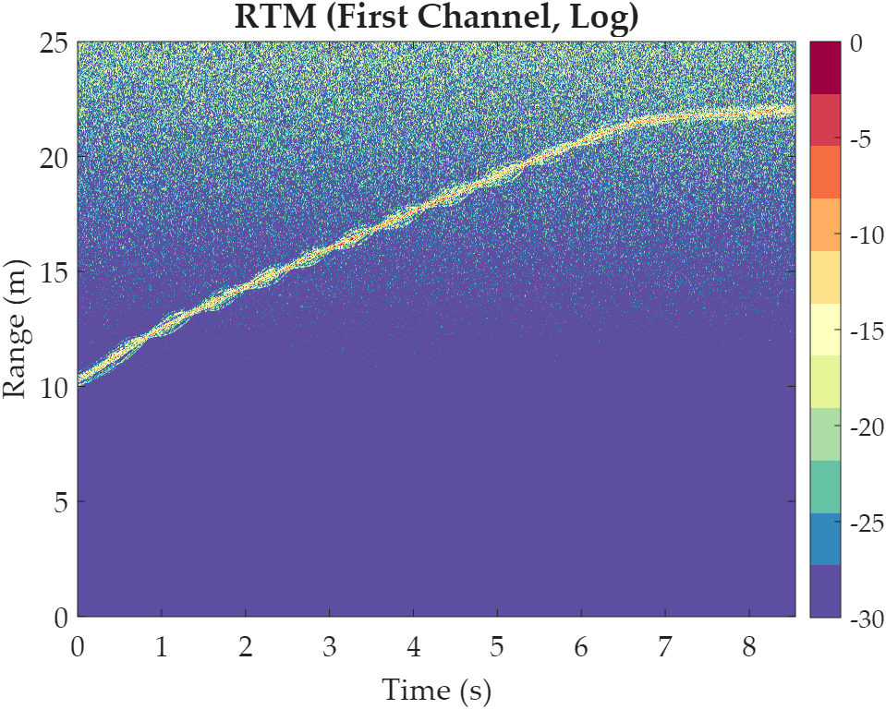 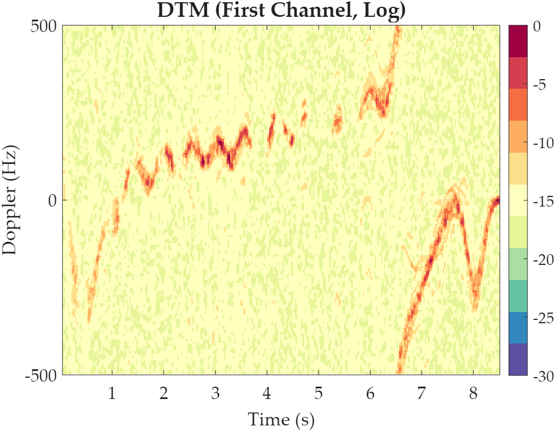 | 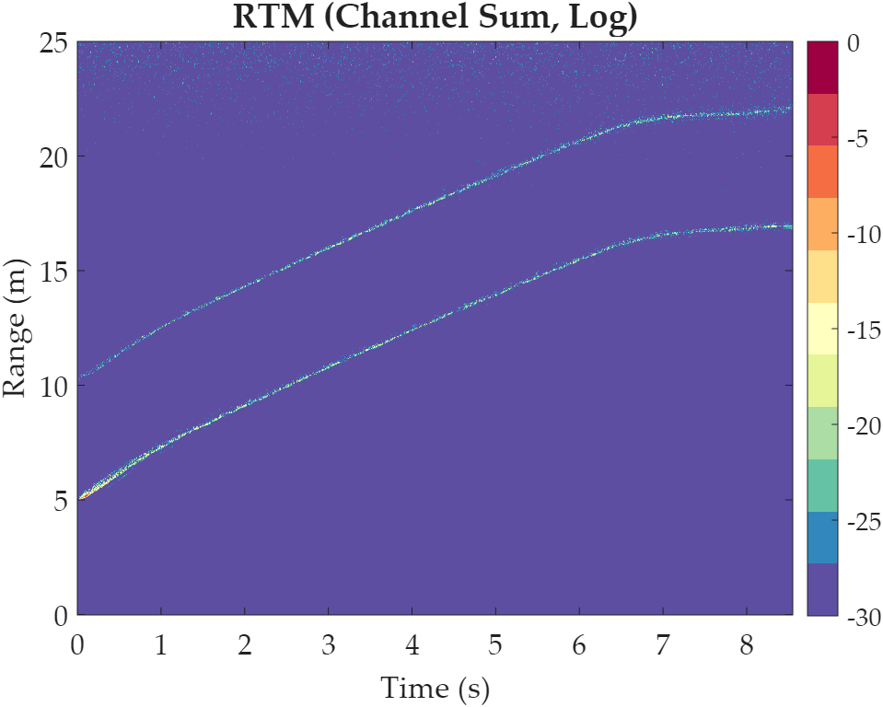 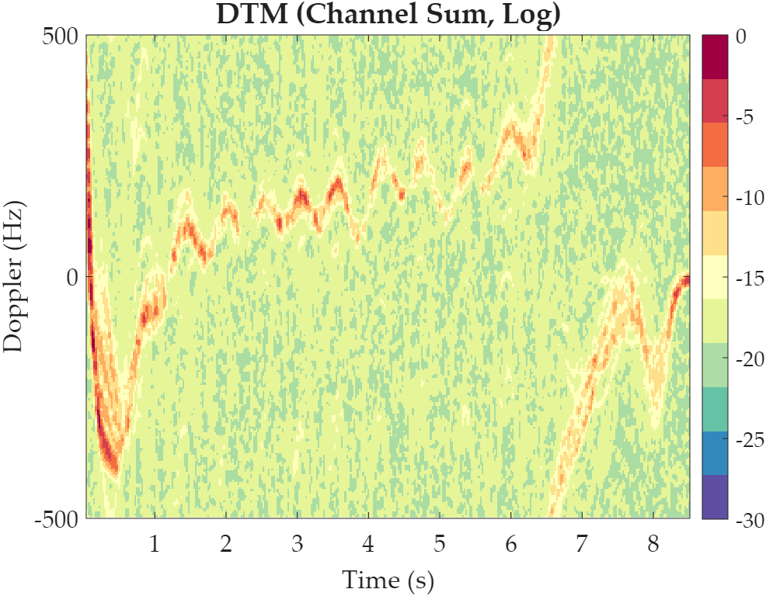 | 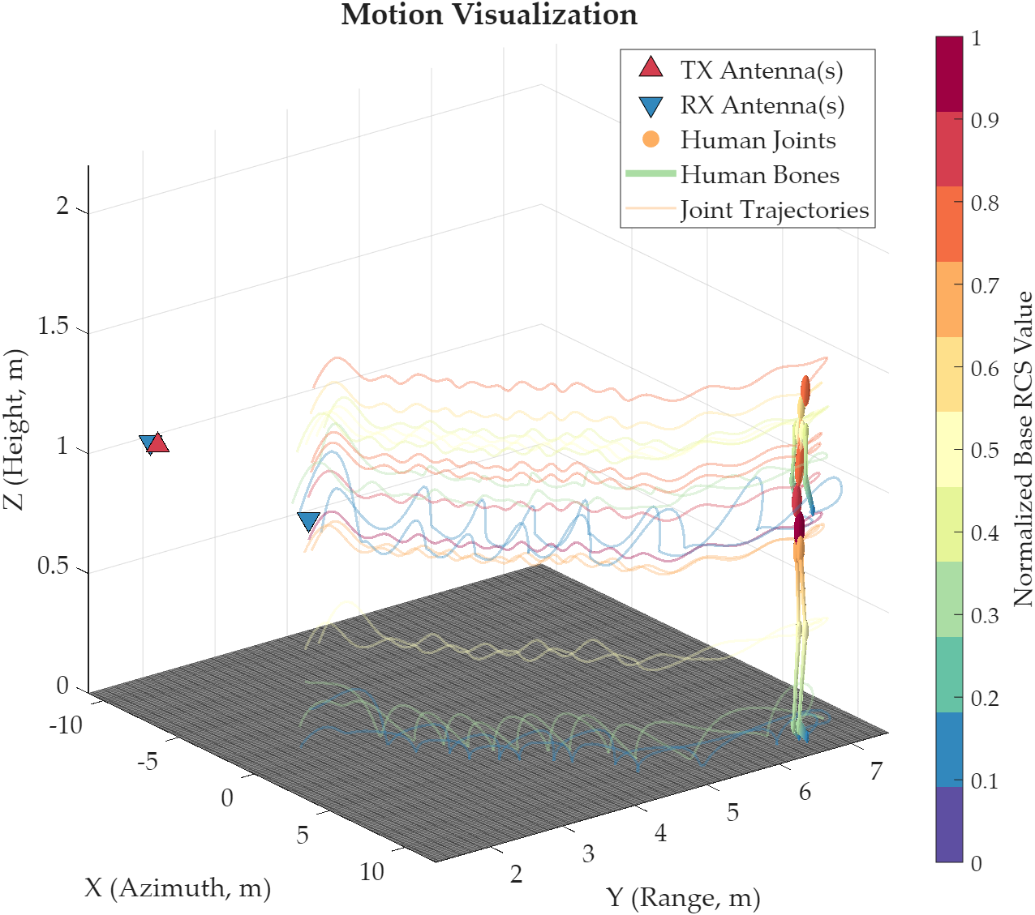 | 1-st Test: ❌, action generation failed for external Python environment. 2-nd Test: ⭐. | No need to fix.
9 | Invalid heading and negative delay robustness | CN: 我现在需要仿真一个人的行为。这个人身高1.72米，体重66公斤，从坐标[1, 2, 0]处起始，朝向-90度，等待-3秒后开始快走。采用中心频率12GHz、带宽700MHz的雷达，PRF设置为300Hz，发射天线位置为[0, 5, 1]，接收天线位置为[0.3, 5, 1]。不启用墙体，考虑多径效应，不使用神经网络。EN: I want to simulate the behavior of one person. This person is 1.72 meters tall and weighs 66 kilograms, starts from coordinate [1, 2, 0], faces -90 degrees, waits for -3 seconds, and then begins walking quickly. Use a radar with a center frequency of 12 GHz and a bandwidth of 700 MHz. The PRF is 300 Hz. The transmitting antenna position is [0, 5, 1], and the receiving antenna position is [0.3, 5, 1]. Do not enable walls. Consider multipath effects, but do not use a neural network. | 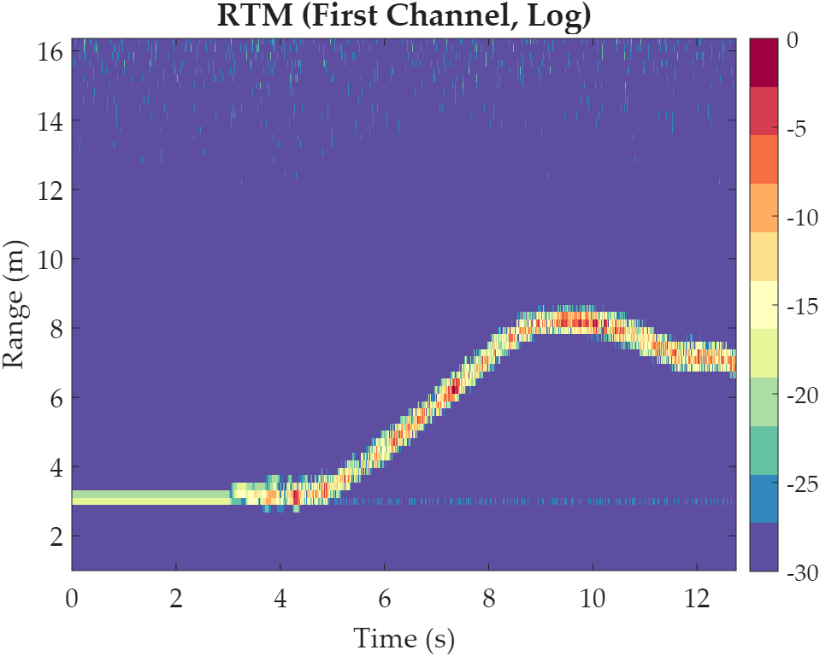 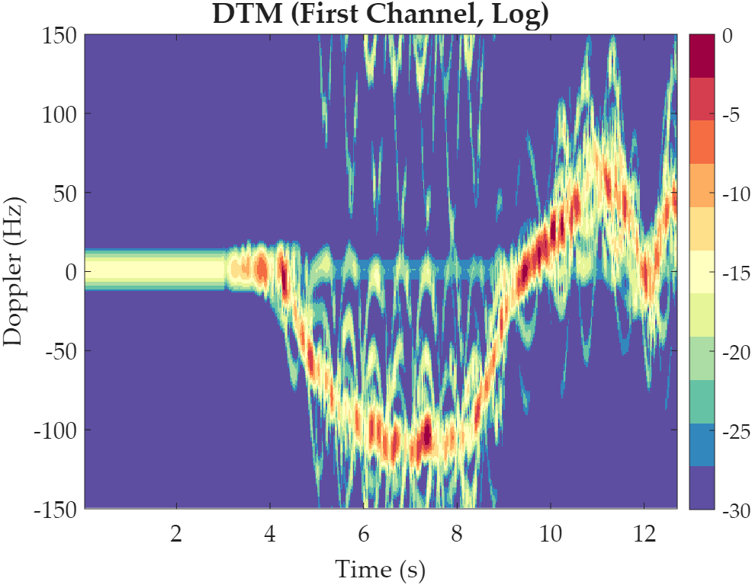 |   | 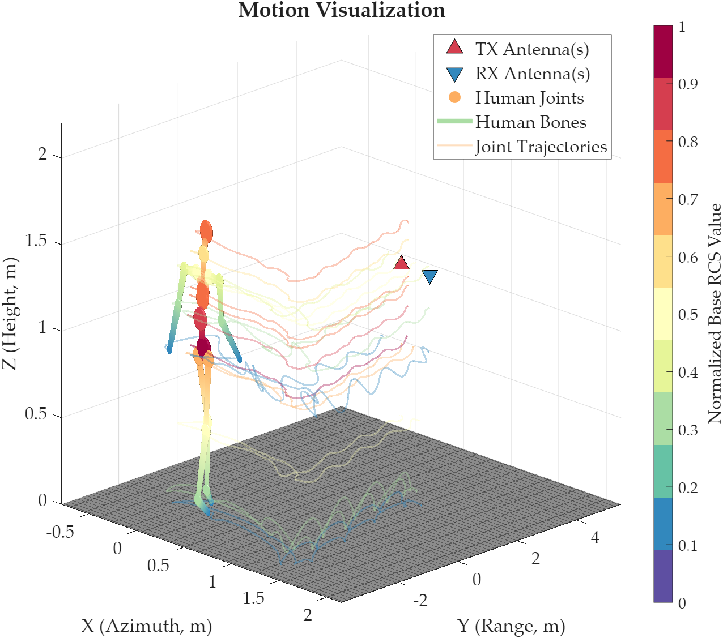 | 1-st Test: ⭐. | No need to fix.
10 | Out-of-range parameter robustness | CN: 我现在需要仿真一个人的行为。该人物身高1.8米，体重160公斤，从坐标[0, 1, 0]处起始，朝向720度，无延迟，保持正常走路。采用中心频率50GHz、带宽5GHz的雷达，PRF设置为1000Hz，天线增益设置为90dBi，系统信噪比设置为200dB，发射天线位置为[0, 5, 1]，接收天线位置为[0.4, 5, 1]。启用墙体，墙体位置为[0, 3, 1]，墙体宽度0.01米、高度0.1米、厚度0.001米，墙体介电常数设置为50，损耗角正切设置为2。考虑多径效应，不使用神经网络。EN: I want to simulate the behavior of one person. This person is 1.8 meters tall and weighs 160 kilograms, starts from coordinate [0, 1, 0], faces 720 degrees, has no delay, and walks normally. Use a radar with a center frequency of 50 GHz, a bandwidth of 5 GHz, and a PRF of 1000 Hz. Set the antenna gain to 90 dBi and the system SNR to 200 dB. The transmitting antenna position is [0, 5, 1], and the receiving antenna position is [0.4, 5, 1]. Enable a wall at [0, 3, 1] with a width of 0.01 meters, a height of 0.1 meters, and a thickness of 0.001 meters. Set the dielectric constant to 50 and the loss tangent to 2. Consider multipath effects, but do not use a neural network. | 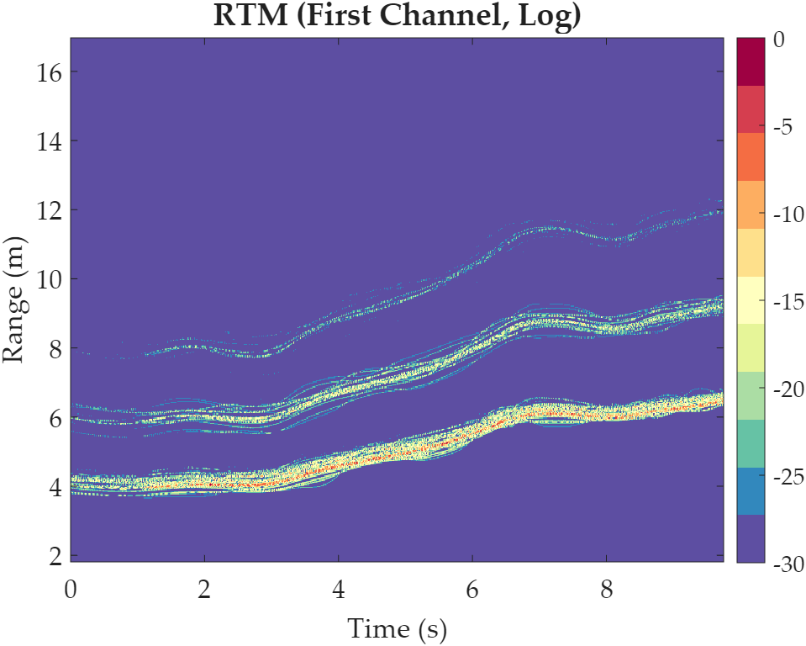  |   |  | 1-st Test: ⭐. | No need to fix.
11 | Object-only scene / no explicit person description | CN: 我现在需要仿真一个室内雷达场景。在[2, 2, 0]放置一张长1.5米、宽0.8米、高0.75米的桌子，在[1, 2.5, 0]放置一把椅子，在[3, 3, 0]放置一个木质书柜。采用中心频率24GHz、带宽1GHz的雷达，发射天线位置为[0, 5, 1]，接收天线位置为[0.2, 5, 1]。启用墙体并考虑多径效应，不使用神经网络。EN: I want to simulate an indoor radar scene. Place a desk at [2, 2, 0] with a length of 1.5 meters, a width of 0.8 meters, and a height of 0.75 meters. Place a chair at [1, 2.5, 0], and place a wooden bookshelf at [3, 3, 0]. Use a radar with a center frequency of 24 GHz and a bandwidth of 1 GHz. The transmitting antenna position is [0, 5, 1], and the receiving antenna position is [0.2, 5, 1]. Enable a wall and consider multipath effects, but do not use a neural network. |   |   |  | 1-st Test: ⭐. | No need to fix.
12 | Complex integrated scene / near full-system acceptance test | CN: 我现在需要仿真两个人的行为。第一个人身高1.88米，体重82公斤，从坐标[-2, 2, 0]处起始，朝向30度，无动作延迟，保持中速走路后停下转身。第二个人身高1.58米，体重48公斤，从坐标[4, 3.5, 0]处起始，朝向135度，等待1秒后开始绕圈步行。房间中在[2.2, 2.8, 0]处放置一张长1.3米、宽0.75米、高0.75米的办公桌，在[1.4, 3.1, 0]处放置一把椅子，在[3.2, 2.2, 0]处放置一个金属文件柜。采用中心频率77GHz、带宽4GHz的超宽带雷达，PRF设置为1000Hz，发射天线位置为[0, 5, 1]，两个接收天线位置分别设置为[0.25, 5, 1]及[0.5, 5, 1]，天线增益设置为14dBi，系统信噪比设置为55dB。场景中需要启用墙体，墙体位置设置为[0, 4.2, 1]，墙体宽度10米、高度3米、厚度0.12米，墙体介电常数设置为4.8、损耗角正切设置为0.04。仿真过程需要考虑多径效应，并使用神经网络进行特征增强。EN: I want to simulate the behavior of two people. The first person is 1.88 meters tall and weighs 82 kilograms, starts from coordinate [-2, 2, 0], faces 30 degrees, has no motion delay, walks at a medium speed, and then stops and turns around. The second person is 1.58 meters tall and weighs 48 kilograms, starts from coordinate [4, 3.5, 0], faces 135 degrees, waits for 1 second, and then begins walking in circles. In the room, place an office desk at [2.2, 2.8, 0] with a length of 1.3 meters, a width of 0.75 meters, and a height of 0.75 meters. Place a chair at [1.4, 3.1, 0], and place a metal filing cabinet at [3.2, 2.2, 0]. Use an ultra-wideband radar with a center frequency of 77 GHz and a bandwidth of 4 GHz. The PRF is 1000 Hz. The transmitting antenna position is [0, 5, 1], and the two receiving antenna positions are [0.25, 5, 1] and [0.5, 5, 1]. Set the antenna gain to 14 dBi and the system SNR to 55 dB. Enable a wall at [0, 4.2, 1] with a width of 10 meters, a height of 3 meters, and a thickness of 0.12 meters. The dielectric constant is 4.8, and the loss tangent is 0.04. Multipath effects should be considered, and neural network-based feature enhancement should also be enabled. |   |   |  | 1-st Test: ❌, encountered a critical structural failure while attempting to decode the format of the response. Printing the raw output text below for physical diagnostics. { "persons": [ { A"Refined_Prompt": "A moderately paced person walking, followed by a smooth stop and 180-degree turning motion.", "start_pos": [ -2.0, 2.0, 0.0 ], "start_heading": 30.0, "start_time_delay": 0.0, "height": 1.88, "weight": 82.0 }, { "Refined_Prompt": "A person waiting briefly, then initiating continuous circular pedestrian movement.", "start_pos": [ 4.0, 3.5, 0.0 ], "start_heading": 135.0, "start_time_delay": 1.0, "height": 1.58, "weight": 48.0 } ], "objects": [ { "name": "Wooden Desk", "scatter_points": [ [2.2, 2.8, 0.75, 0.5], [2.2 + 0.3, 2.8, 0.75, 0.5], [2.2 + 0.6, 2.8, 0.75, 0.5], [2.2 + 0.9, 2.8, 0.75, 0.5], [2.2, 2.8 + 0.2, 0.75, 0.5], [2.2, 2.8 + 0.3, 0.75, 0.5], [2.2, 2.8 + 0.4, 0.75, 0.5], [2.2, 2.8 + 0.6, 0.75, 0.5], [2.2 + 1.3, 2.8, 0.75, 0.5], [2.2 + 1.3, 2.8 + 0.2, 0.75, 0.5], [2.2 + 1.3, 2.8 + 0.4, 0.75, 0.5] ] }, { "name": "Office Chair", "scatter_points": [ [1.4, 3.1, 0.4, 0.4], [1.4 + 0.2, 3.1, 0.4, 0.3], [1.4 - 0.2, 3.1, 0.4, 0.3], [1.4, 3.1 + 0.1, 0.4, 0.3] ] }, { "name": "Metal Filing Cabinet", "scatter_points": [ [3.2, 2.2, 0.15, 0.4], [3.2 + 0.1, 2.2, 0.15, 0.4], [3.2 - 0.1, 2.2, 0.15, 0.4], [3.2, 2.1, 0.15, 0.4], [3.2, 2.3, 0.15, 0.4] ] } ], "fc": 77000000000, "tp": 0.001, "B": 4000000000, "PRF": 1000, "fs": 10000000, "tx_pos": [ [0, 5, 1] ], "rx_pos": [ [0.25, 5, 1], [0. |      Adaptive Regular Expression Cleaning Engine: A cleaning tool based on MATLAB's built-in regular expressions named clean_json_math has been added. It automatically detects and calculates arithmetic expressions including addition, subtraction, multiplication, and division, which are outputted by large models in JSON, and converts them into absolute floating-point values. Additionally, it removes non-compliant leading characters of key names and anomalies of boolean types, serving as a safety net to prevent parsing crashes. 【It should be emphasized that millimeter-wave radar cannot penetrate walls. Theoretically, there should be no features on the generated RTM and DTM. We have also addressed this issue.】
Humanized Testing Examples
ID | Primary Focus | Input_Text (Chinese or English) | R/DTM (First Channel, Log) | R/DTM (Channel Sum, Log) | Motion Visualization | Problem | Fixes
13 | Conversational single-person input with self-correction | CN: 我想测一个比较简单的场景，你帮我仿真一个男生就行，身高大概1米75，体重70kg左右吧。他一开始站在[0, 1.8, 0]，面朝前面，额，准确说朝0度，先愣个1秒再正常往前走，不要跑。雷达还是放在后面，高度1米，发射端[0, 5, 1]，接收端就一个[0.25, 5, 1]。频率24GHz，带宽1GHz。房间里先别放东西，也不要墙，但是多径可以开，神经网络那个先关掉。EN: I want to test a fairly simple case. Please simulate just one male person. His height is about 1.75 m and his weight is around 70 kg. He starts at [0, 1.8, 0], facing forward—well, more precisely, facing 0 degrees. He pauses for about 1 second and then walks forward normally, not running. Put the radar behind him at a height of 1 meter. The transmitter is at [0, 5, 1], and there is only one receiver at [0.25, 5, 1]. Use 24 GHz center frequency and 1 GHz bandwidth. Do not place any objects or walls in the room, but multipath can stay on. Please keep the neural-network enhancement off. |   |   |  | 1-st Test: ⭐. | No need to fix.
14 | Natural multi-person request with vague wording and mixed certainty | CN: 这次想试两个人，不用太复杂。第一个人从[-1, 2, 0]开始，往右前方走，差不多就是45度那个方向，身高1.8米、体重75公斤。第二个人从[2.5, 3, 0]开始，先站着，过两秒再慢慢走，方向我想让他朝左边一点，按角度写的话应该是180度，身高1米68，体重60公斤。雷达参数你就用 24GHz / 800MHz，PRF 500Hz。发射天线[0, 5, 1]，接收天线[0.2, 5, 1]和[0.4, 5, 1]。房间里不加物体，不开墙，多径开着，网络别开。EN: This time I want to test two people, but nothing too complicated. The first person starts from [-1, 2, 0] and walks toward the front-right direction, which is roughly 45 degrees. His height is 1.8 m and his weight is 75 kg. The second person starts from [2.5, 3, 0], stands still at first, and starts walking slowly after 2 seconds. I want him to face a bit to the left—if written as an angle, that should be 180 degrees. His height is 1.68 m and his weight is 60 kg. Use radar settings of 24 GHz, 800 MHz bandwidth, and PRF 500 Hz. The transmitter is at [0, 5, 1], and the receivers are [0.2, 5, 1] and [0.4, 5, 1]. No objects, no walls, keep multipath on, and keep the neural network off. |   |   |  | 1-st Test: ⭐. | No need to fix.
15 | Informal object description with loose dimensions | CN: 我想做一个办公室小场景，一个人从[0, 1.2, 0]出发，朝90度走，速度正常，身高176，体重68kg。房间里放一张桌子，大概在[2, 2.5, 0]，长差不多1米4，宽0.7，高0.75；再放一把椅子，在[1.4, 2.7, 0]附近就行；然后还有一个柜子，放在[3, 2.8, 0]，别太小，金属的。雷达24GHz，带宽1GHz，PRF 600。发射[0, 5, 1]，接收[0.25, 5, 1]。墙先不开，多径开，网络不开。EN: I want to create a small office-like scene. One person starts from [0, 1.2, 0], walks in the 90-degree direction at a normal speed, has height 176 cm, and weighs 68 kg. Put a desk in the room around [2, 2.5, 0], with approximate dimensions of 1.4 m long, 0.7 m wide, and 0.75 m high. Also place a chair somewhere near [1.4, 2.7, 0], and add a metal cabinet at [3, 2.8, 0]—not too small. Use radar settings of 24 GHz, 1 GHz bandwidth, and PRF 600. The transmitter is at [0, 5, 1], and the receiver is at [0.25, 5, 1]. No wall for now, multipath on, neural network off. |   |   |  | 1-st Test: ❌, action generation failed for external Python environment. 2-nd Test: ⭐. | No need to fix.
16 | Contradictory wall request with later correction | CN: 我本来是不想加墙的，不过还是加一个吧。场景里一个人，1.72米、65公斤，从[0, 1, 0]开始，朝270度走，立即开始。雷达用8GHz、600MHz，PRF 400。Tx 是[0, 5, 1]，Rx 是[0.2, 5, 1]。墙放在[0, 3.8, 1]，宽8米，高3米，厚度0.1米，不对，厚度改成0.12米，介电常数4.5，损耗角正切0.05。多径要关掉，神经网络也关。EN: At first I did not want to add a wall, but actually please add one. There is one person in the scene, 1.72 m tall and 65 kg, starting from [0, 1, 0], facing 270 degrees, and moving immediately. Use 8 GHz center frequency, 600 MHz bandwidth, and PRF 400. The transmitter is [0, 5, 1] and the receiver is [0.2, 5, 1]. Put a wall at [0, 3.8, 1] with width 8 m, height 3 m, and thickness 0.1 m—actually, change the thickness to 0.12 m. The dielectric constant is 4.5 and the loss tangent is 0.05. Multipath should be off, and the neural network should also be off. |   |   |  | 1-st Test: ⭐. | No need to fix.
17 | Mixed Chinese-English user style with shorthand radar notation | CN: 帮我做个 test：two persons in one room。A 从[0, 2, 0] start，heading 0 deg，no delay，正常walk；B 从[3, 3, 0] start，heading 135 deg，delay 1.5s，然后慢跑。A 1.82m/78kg，B 1.65m/54kg。Radar 用 fc=77GHz, B=4GHz, PRF=1000Hz, Tx=[0,5,1], Rx=[[0.2,5,1],[0.4,5,1]]。墙打开，在[0,4,1]，8m宽，3m高，0.12m厚，epsilon_r=4.5，loss tangent=0.05。multipath on, network off. 房间里再放个 desk 在[1.8,2.5,0]。EN: Please help me make a test: two persons in one room. Person A starts from [0, 2, 0], heading 0 degrees, no delay, and walks normally. Person B starts from [3, 3, 0], heading 135 degrees, with a delay of 1.5 seconds, and then begins jogging slowly. A is 1.82 m / 78 kg, and B is 1.65 m / 54 kg. Use radar settings fc = 77 GHz, B = 4 GHz, PRF = 1000 Hz, Tx = [0, 5, 1], Rx = [[0.2, 5, 1], [0.4, 5, 1]]. Enable a wall at [0, 4, 1], width 8 m, height 3 m, thickness 0.12 m, epsilon_r = 4.5, and loss tangent = 0.05. Multipath on, network off. Also place a desk at [1.8, 2.5, 0]. |   |   |  | 1-st Test: ✔, the step of calculating multi-target MIMO bistatic radar equations linearly propagating signals over 2 spatial channels is too slow. |      MIMO and Multipath Mathematical Underlying Rapid Tensorization: To address system sluggishness, all core radar calculation equations were rewritten. The deepest for i_p = 1:num_persons and for j = 1:22 loops were completely removed. Instead, all characters, 22 joint points, and all bounce paths were tiled into a super-large matrix, and MATLAB's extremely powerful implicit tensor expansion and underlying matrix multiplication (BLAS) were utilized for overall solution at the pulse level. Without any loss of computational accuracy or physical properties, the speed of billions of equation calculations was increased by tens of times.
18 | Realistic under-specified request with missing units and implied defaults | CN: 我随便描述一下，你看看能不能稳住：一个女生从[1, 1.5, 0]开始走，方向90，先别动1秒，然后再往前。身高160，体重50。雷达就常规一点，频率10G，带宽800M，PRF 300，发射[0, 5, 1]，接收[0.3, 5, 1]。墙不用，房间里也别加东西，多径随便，你按默认理解也行，网络增强不要。EN: Let me describe it casually and see whether the system can still handle it: one girl starts walking from [1, 1.5, 0], heading 90, stays still for 1 second first, and then moves forward. Height 160, weight 50. Keep the radar fairly standard: frequency 10G, bandwidth 800M, PRF 300, transmitter [0, 5, 1], receiver [0.3, 5, 1]. No wall, no extra objects in the room. Multipath can be whatever you interpret by default, but neural enhancement should be off. |   |   |  | 1-st Test: ❌, action generation failed for external Python environment. 2-nd Test: ⭐. | No need to fix.
19 | Human-like contradictory motion instruction | CN: 这条我想故意写得像人一点：一个人，身高1米8，75公斤，从[0, 2.2, 0]开始。先朝前走，哦不对，是先原地站半秒，然后再朝前快走，朝向应该还是0度。房间里给我放一张桌子在[1.5, 2.4, 0]，然后椅子放桌子左边一点就行。雷达24GHz、1GHz、PRF 500，Tx[0,5,1]，Rx[0.2,5,1]。墙不开，但是多径开，网络不开。EN: I want this one to sound intentionally more human-like: one person, 1.8 m tall, 75 kg, starting from [0, 2.2, 0]. First walk forward—actually no, stand still for half a second first, and then walk forward quickly. The heading should still be 0 degrees. Put a desk at [1.5, 2.4, 0], and place a chair a little to the left of the desk. Use radar settings of 24 GHz, 1 GHz bandwidth, and PRF 500, with Tx [0, 5, 1] and Rx [0.2, 5, 1]. No wall, but multipath on and neural network off. |   |   |  | 1-st Test: ⭐. | No need to fix.
20 | High-risk messy user input with compact formatting | CN: 两个人，A:[-1,2,0] 1.85m 80kg heading=30 立刻走；B:[2.8,3.2,0] 1.6m 48kg heading=210 delay=1s 绕着走一下。桌子[1.7,2.6,0] 1.2x0.8x0.75，椅子[1.1,2.9,0]。2GHz / 1GHz / PRF200，Tx[0,5,1]，Rx[0.25,5,1],[0.5,5,1]。墙开：[0,4.1,1]，10m宽3m高0.12m厚，er=4.8，tanδ=0.04。多径开，network关。哦对了，尽量别让他们撞到桌子。EN: Two people. A: [-1, 2, 0], 1.85 m, 80 kg, heading = 30, starts walking immediately. B: [2.8, 3.2, 0], 1.6 m, 48 kg, heading = 210, delay = 1 s, moves in a circular manner. Desk at [1.7, 2.6, 0], size 1.2 × 0.8 × 0.75. Chair at [1.1, 2.9, 0]. Radar: 2 GHz / 1 GHz / PRF 200, Tx [0, 5, 1], Rx [0.25, 5, 1], [0.5, 5, 1]. Wall on: [0, 4.1, 1], width 10 m, height 3 m, thickness 0.12 m, er = 4.8, tanδ = 0.04. Multipath on, network off. Oh, and try not to let them hit the desk. |   |   |  | 1-st Test: ❌, encountered a critical structural failure while attempting to decode the format of the response. Printing the raw output text below for physical diagnostics. { "persons": [ { "Refined_Prompt": "A person starts walking briskly immediately from [-1, 2, 0] in a 30-degree direction, maintaining a steady gait throughout the observation period.", "start_pos": [-1.0, 2.0, 0.0], "start_heading": 30.0, "start_time_delay": 0.0, "height": 1.85, "weight": 80.0 }, { "Refined_Prompt": "A person begins moving after a 1-second delay at [2.8, 3.2, 0], executing a controlled, sweeping movement around the immediate area.", "start_pos": [2.8, 3.2, 0.0], "start_heading": 210.0, "start_time_delay": 1.0, "height": 1.6, "weight": 48.0 } ], "objects": [ { "name": "Wooden Desk", "scatter_points": [ [1.7 + 0.6, 2.6 + 0.4, 0.75, 0.8], [1.7 - 0.6, 2.6 + 0.4, 0.75, 0.8], [1.7 + 0.6, 2.6 - 0.4, 0.75, 0.8], [1.7 - 0.6, 2.6 - 0.4, 0.75, 0.8], [1.7, 2.6, 0.75, 1.0], [2.0, 2.6, 0.75, 0.5] ] }, { "name": "Chair", "scatter_points": [ [1.1 + 0.55, 2.9 + 0.35, 0.75, 0.4], [1.1 - 0.55, 2.9 + 0.35, 0.75, 0.4], [1.1 + 0.55, 2.9 - 0.35, 0.75, 0.4], [1.1 - 0.55, 2.9 - 0.35, 0.75, 0.4], [1.1, 2.9, 0.75, 0.6] ] } ], "fc": 77000000000, "tp": 0.001, "B": 4000000000, "PRF": 1000, "fs": 10000000, "tx_pos": [[0.0, 5.0, 1.0]], "rx_pos": [[0.25, 5.0, 1.0], [0.5, 5.0, 1.0]], "antenna_gain": 15, "antenna_isolation": 40, "SNR": 50, "enable_wall": true, "enable_multipath": true, "wall_center": [0.0, 4.1, 1.0], "wall_dimensions": [10.0, 0.12, 3.0], "wall_epsilon_r": 4.8, "wall_loss_tangent": 0.04, "stft_window_seconds": 0.1, "stft_overlap_ratio": 0.75, "enable_network": false } |      Adaptive Regular Expression Cleaning Engine: A cleaning tool based on MATLAB's built-in regular expressions named clean_json_math has been added. It automatically detects and calculates arithmetic expressions including addition, subtraction, multiplication, and division, which are outputted by large models in JSON, and converts them into absolute floating-point values. Additionally, it removes non-compliant leading characters of key names and anomalies of boolean types, serving as a safety net to prevent parsing crashes. 【The original test sample had an error in parsing the radar center frequency and bandwidth, and default values were used instead. This issue has also been fixed.】
Summary of the Fixes |  |  | 1. MIMO and Multipath Mathematical Underlying Rapid Tensorization: To address system sluggishness, all core radar calculation equations were rewritten. The deepest for i_p = 1:num_persons and for j = 1:22 loops were completely removed. Instead, all characters, 22 joint points, and all bounce paths were tiled into a super-large matrix, and MATLAB's extremely powerful implicit tensor expansion and underlying matrix multiplication (BLAS) were utilized for overall solution at the pulse level. Without any loss of computational accuracy or physical properties, the speed of billions of equation calculations was increased by tens of times. 2. First-Frame Static Pre-Judgment and Global Offset Relaxation: Before the original frame-by-frame collision detection algorithm, a "pre-stretcher" with 15 iterations is added. If the radar system detects that the initial position of a character completely overlaps with a table, chair, or wall, the system will globally push its entity away from the overlapping area before the action begins. This way, all frames translate as a whole, completely avoiding the abrupt feeling of the action being forcibly squeezed out of its original position. 3. Adaptive Regular Expression Cleaning Engine: A cleaning tool based on MATLAB's built-in regular expressions named clean_json_math has been added. It automatically detects and calculates arithmetic expressions including addition, subtraction, multiplication, and division, which are outputted by large models in JSON, and converts them into absolute floating-point values. Additionally, it removes non-compliant leading characters of key names and anomalies of boolean types, serving as a safety net to prevent parsing crashes.
All Supported Functionalities of the Agent |  |  | Natural-language indoor radar-scene understanding / 室内雷达场景自然语言理解 | Text-to-structured-JSON parameter auto extraction / 文本到结构化JSON参数智能识别 | Optional reference-image multimodal parsing / 多模态数据解析 | Automatic noisy-LLM JSON cleaning / 含噪LLM输出JSON自动清洗 | Parameter default filling and bounds sanitization / 参数默认补全与边界约束清洗
 |  |  | Multi-person scene decomposition / 多人物场景拆分 | Per-person starting-position extraction / 逐人物起始位置提取 | Per-person heading extraction / 逐人物动作朝向角提取 | Per-person start-delay extraction / 逐人物动作延迟提取 | Per-person height-and-weight extraction / 逐人物身高体重估计
 |  |  | HumanML3D-style prompt refinement / HumanML3D风格动作提示词精炼 | Per-person EMDM motion generation / 基于EMDM的多人动作生成 | Latest results.npy auto-discovery / 动作模型检测 | Python-to-MATLAB motion conversion / Python到MATLAB动作格式转换 | Motion-matrix shape sanitation / 动作矩阵形状清洗与三维结构标准化
 |  |  | Savitzky–Golay motion smoothing / Savitzky–Golay动作平滑算法 | Idle-frame energy detection / 静止帧能量检测 | Inactive-tail truncation / 无效帧自动截断算法 | Heading-based rotation remapping / 基于朝向角的动作三维旋转映射 | Global start-position translation / 全局起始位置平移算法
 |  |  | Delay-frame padding for late-start motions / 延迟启动前置补帧算法 | Multi-person timeline alignment / 多人物时间轴对齐算法 | Collision-footprint radius estimation / 碰撞包络半径估计算法 | Static-object scene parsing / 静态物体场景解析 | Object scatter-point format repair / 物体散射点自动修复算法
 |  |  | Automatic object scatter-point inference / 智能推演物体散射点 | Absolute 3D scatter-point placement / 散射点绝对三维坐标布置 | Per-scatter-point RCS assignment / 静目标散射点RCS估计 | Single/multi-antenna position parsing / 多天线阵列构型解析 | MIMO multi-channel topology support / MIMO多通道回波建模
 |  |  | Radar center-frequency extraction / 雷达中心频率估计 | Radar bandwidth extraction / 雷达带宽估计 | Pulse-width extraction or defaulting / 脉宽估计 | PRF extraction / PRF估计 | Sampling-rate extraction or defaulting / 采样率提取与默认补全
 |  |  | Antenna-gain extraction or defaulting / 天线增益提取与默认补全 | Antenna-isolation extraction or defaulting / 天线隔离度提取与默认补全 | SNR-based noise-level configuration / 基于SNR的噪声级配置 | STFT window configuration / STFT窗长配置 | STFT overlap-ratio configuration / STFT重叠率估计
 |  |  | Wall-center extraction / 墙体中心估计 | Fixed-order wall-dimension parsing / 墙体尺寸估计 | Wall dielectric-constant extraction / 墙体介电常数估计 | Wall loss-tangent extraction / 墙体损耗角正切估计 | Wall scattering / 墙体散射点3D建模
 |  |  | Motion-FPS to radar-PRF interpolation / 动作FPS到雷达PRF插值对齐算法 | Scene-center boresight estimation / 场景中心视轴估计 | Antenna-pattern weighting / 天线方向图加权 | Height-and-weight-driven RCS scaling / 身高体重驱动RCS缩放 | Per-joint normalized RCS modeling / 逐关节归一化RCS建模
 |  |  | Static-object echo precomputation / 静态物体回波预计算（雷达回波建模的矩阵化BLAS加速算法） | Wall penetration loss-and-delay modeling / 墙体穿透损耗与折射时延建模 | Dielectric reflection-coefficient modeling / 介质反射系数建模 | Ground-bounce multipath modeling / 地面反射多径建模 | Wall-image reflection multipath / 基于镜像法的外墙反射多径建模
 |  |  | Multi-order internal wall reverberation / 多阶墙内振铃建模 | Target-wall room reverberation / 目标-墙体室内微弱混响建模 | TX–RX leakage modeling / 收发泄漏建模 | Complex additive noise injection / 复高斯噪声注入 | Multi-channel raw echo synthesis and pulse compression / 脉冲压缩
 |  |  | RTM generation / RTM生成 | Phase compensation / 相位补偿 | MTI background suppression / MTI背景抑制 | STC range compensation / STC距离补偿 | Active-range-bin auto-selection / 有效距离单元自适应选取算法
 |  |  | DTM generation based on STFT / 基于STFT的DTM生成 | First-channel feature extraction / 单特征提取 | Channel-sum feature extraction / 多通道特征提取 | Wiener denoising / 基于维纳滤波的R/DTM图像增强 | DnCNN denoising / 基于DnCNN的R/DTM图像增强

