Sheet1
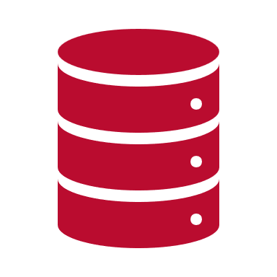
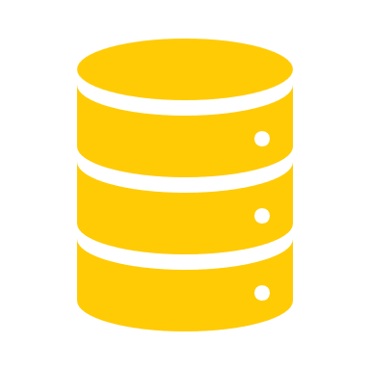
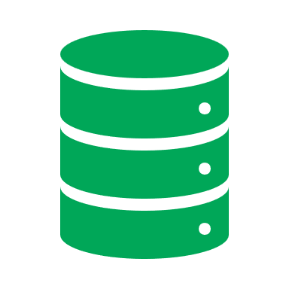
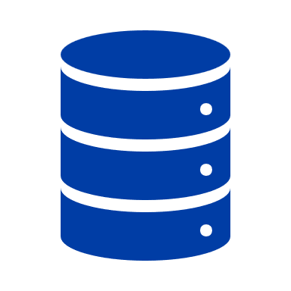
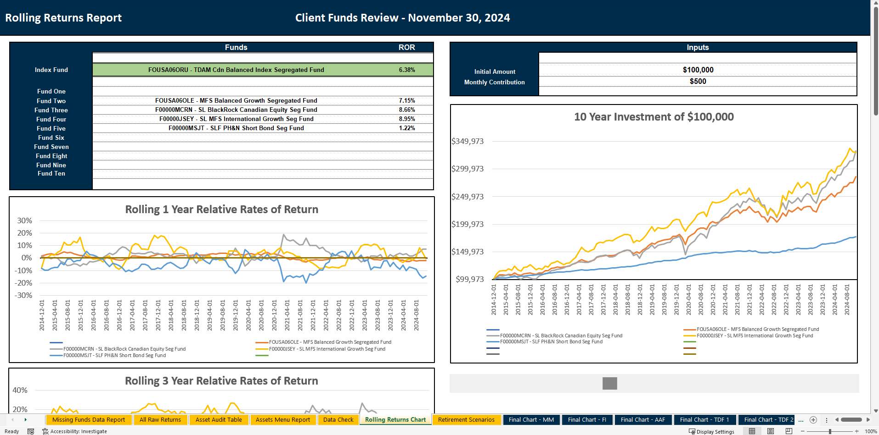
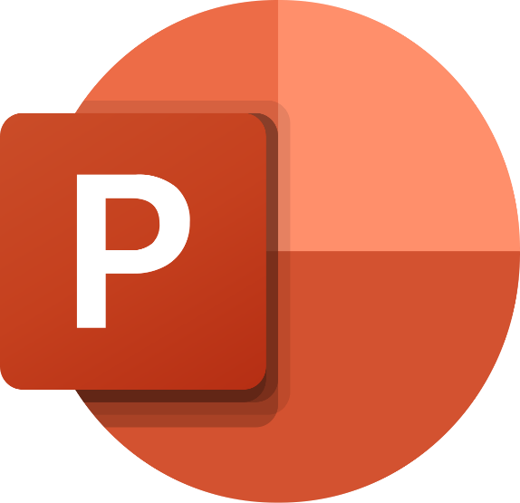




Canada Life Fund Returns, Fees & Client Assets Data
Sun Life Fund Returns, Fees & Client Assets Data
Manulife Fund Returns, Fees & Client Assets Data
Industrial Alliance Fund Returns, Fees & Client Assets Data
Excel Pension Dashboard
Client Deck
Extract & Transform
Load
Extract, Load Transform

