Sheet1




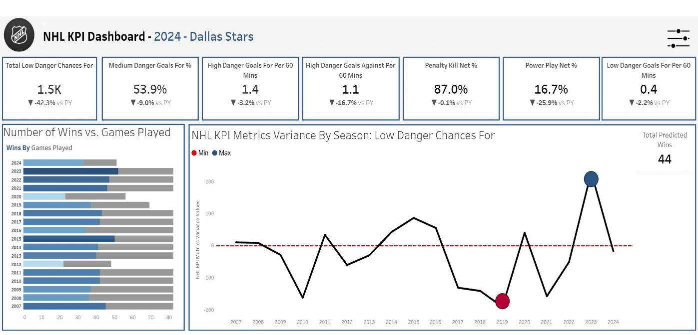




NHL API
Webscraping naturalstattrick.com
NHL KPI Dashboard
Extract & Transform
Load
Extract, Load Transform

