Master_rela_try1
Product Line
Toughbook
Product Line | Ship Date | Total Price | Quantity
Toughbook | 2019-09-01 | 277,662.58067826 | 106,717
Toughbook | 2021-03-01 | 30,568.42285714 | 2,148
Toughbook | 2018-04-01 | 33,843.15506557 | 157,431
Toughbook | 2020-11-01 | 124,857.07492754 | 70,768
Toughbook | 2019-02-01 | 189,718.00750693 | 281,980
Toughbook | 2018-10-01 | 62,679.88696337 | 571,356
Toughbook | 2019-01-01 | 122,126.51106178 | 230,317
Toughbook | 2020-08-01 | 91,428.86950673 | 35,056
Toughbook | 2019-05-01 | 134,931.33477811 | 85,774
Toughbook | 2019-08-01 | 117,523.20171103 | 61,201
Toughbook | 2018-05-15 | 1,336,706 | 350
Toughbook | 2018-06-01 | 39,709.39006013 | 410,461
Toughbook | 2020-04-01 | 159,216.63918803 | 29,104
Toughbook | 2021-02-01 | 121,965.78576577 | 21,893
Toughbook | 2019-07-01 | 226,270.17494024 | 127,987
Toughbook | 2019-11-01 | 129,590.99582237 | 26,539
Toughbook | 2018-12-01 | 104,231.31671163 | 517,240
Toughbook | 2018-05-29 | 3,750.25666667 | 12
Toughbook | 2020-10-01 | 195,902.78989848 | 32,033
Toughbook | 2020-07-01 | 478,961.26435696 | 95,296
Toughbook | 2020-03-01 | 195,302.30604336 | 79,969
Toughbook | 2018-05-04 | 42.11 | 1
Toughbook | 2018-09-01 | 56,732.32625085 | 606,108
Toughbook | 2020-01-01 | 147,181.00814433 | 46,814
Toughbook | 2019-10-01 | 173,125.60580952 | 41,814
Toughbook | 2018-08-01 | 66,997.27922716 | 536,741
Toughbook | 2019-04-01 | 160,497.34237288 | 158,002
Toughbook | 2021-01-01 | 170,526.31434363 | 82,874 | Total Price | 2019-09-01 | 2018-11-01 | 2020-07-01 | 2019-07-01 | 2019-08-01 | 2020-08-01 | 2020-10-01 | 2018-04-01 | 2018-10-01 | 2020-11-01 | 2018-04-06 | 2018-12-01 | 2019-10-01 | 2021-01-01 | 2019-11-01 | 2018-05-04 | 2020-03-01 | 2019-02-01 | 2019-01-01 | 2021-02-01 | 2020-04-01 | 2019-04-01 | 2020-06-01 | 2018-05-01 | 2018-05-15 | 2019-03-01 | 2020-05-01 | 2020-12-01 | 2020-01-01 | 2019-12-01 | 2018-06-01 | 2021-03-01 | 2020-02-01 | 2018-04-26 | 2018-08-01 | 2020-09-01 | 2018-09-01 | 2018-07-01 | 2019-06-01 | 2019-05-01 | 2018-05-29
Toughbook | 2020-02-01 | 160,870.0335589 | 83,245 | Toughbook | 277,662.58067826 | 105,586.21101238 | 478,961.26435696 | 226,270.17494024 | 117,523.20171103 | 91,428.86950673 | 195,902.78989848 | 33,843.15506557 | 62,679.88696337 | 124,857.07492754 | 61,347 | 104,231.31671163 | 173,125.60580952 | 170,526.31434363 | 129,590.99582237 | 42.11 | 195,302.30604336 | 189,718.00750693 | 122,126.51106178 | 121,965.78576577 | 159,216.63918803 | 160,497.34237288 | 313,058.68863354 | 35,731.79971607 | 1,336,706 | 171,675.95361184 | 154,179.72937063 | 281,918.39563452 | 147,181.00814433 | 172,908.02465318 | 39,709.39006013 | 30,568.42285714 | 160,870.0335589 | 132,929 | 66,997.27922716 | 91,593.45045089 | 56,732.32625085 | 46,562.08961038 | 145,610.54415954 | 134,931.33477811 | 3,750.25666667
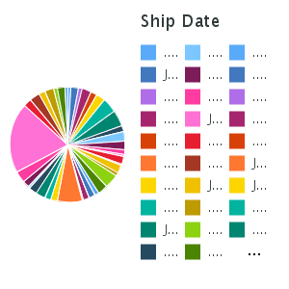
Toughbook | 2018-05-01 | 35,731.79971607 | 269,160
Toughbook | 2020-12-01 | 281,918.39563452 | 74,808
Toughbook | 2019-06-01 | 145,610.54415954 | 99,806
Toughbook | 2018-04-26 | 132,929 | 800
Toughbook | 2020-09-01 | 91,593.45045089 | 54,867
Toughbook | 2020-06-01 | 313,058.68863354 | 107,054
Toughbook | 2020-05-01 | 154,179.72937063 | 30,234
Toughbook | 2019-12-01 | 172,908.02465318 | 59,826
Toughbook | 2018-11-01 | 105,586.21101238 | 3,823,583
Toughbook | 2018-04-06 | 61,347 | 66
Toughbook | 2019-03-01 | 171,675.95361184 | 213,024
Toughbook | 2018-07-01 | 46,562.08961038 | 446,202
Overall - Summary |  | 77,587.23002202 | 9,678,661
Toughpad
Product Line | Ship Date | Total Price | Quantity
Toughpad | 2019-09-01 | 143,848.17222222 | 12,289
Toughpad | 2018-04-01 | 10,408.87034483 | 5,741
Toughpad | 2020-11-01 | 3,686.06666667 | 120
Toughpad | 2019-02-01 | 86,866.42772727 | 18,806 | Handheld | 144,065.15568182 | 159,081.71645621 | 173,728.75905405 | 136,426.95106383 | 130,786.40119048 | 592,622.04846154 | 2,964,947.2 | 59,463.65953947 | 159,228.62198238 | 2,964,947.2 |  | 129,146.04018141 | 258,644.54444444 |  | 106,083.27739837 |  | 240,221.57916667 | 141,063.77574627 | 162,880.46608833 |  | 334,487.62424242 | 162,788.60316667 | 378,804.32222222 | 164,465.44014706 |  | 169,059.8915873 | 337,257.92 | 2,173,573 | 177,579.5030303 | 233,999.21111111 | 86,557.97276753 |  | 228,536.10909091 |  | 128,742.99616477 | 672,593.49565217 | 90,005.24652174 | 56,641.46831904 | 117,360.03650485 | 236,055.51208791
Toughpad | 2018-10-01 | 103,076.35112903 | 63,030 | 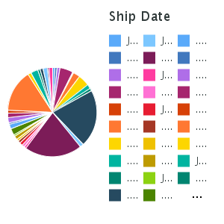
Toughpad | 2019-01-01 | 55,847.47417266 | 14,175
Toughpad | 2020-08-01 | 203.28 | 14
Toughpad | 2019-05-01 | 29,965.0424 | 10,161
Toughpad | 2019-08-01 | 29,753.9030303 | 9,247
Toughpad | 2018-06-01 | 17,951.13791946 | 15,339
Toughpad | 2020-04-01 | 4,356 | 300
Toughpad | 2021-02-01 | 602 | 60
Toughpad | 2019-07-01 | 28,978.59 | 12,387
Toughpad | 2018-12-01 | 92,214.92164234 | 40,006
Toughpad | 2019-11-01 | 721.6174359 | 437
Toughpad | 2020-07-01 | 72,357.8 | 3,960
Toughpad | 2020-03-01 | 41,334.855 | 8,208
Toughpad | 2018-09-01 | 72,098.53438538 | 53,937
Toughpad | 2020-01-01 | 52,145.621875 | 8,500
Toughpad | 2019-10-01 | 123,691.14285714 | 906
Toughpad | 2018-08-01 | 85,874.31049505 | 39,330
Toughpad | 2019-04-01 | 55,865.58971429 | 14,088
Toughpad | 2021-01-01 | 43,209.156 | 11,076 | Toughpad | 143,848.17222222 | 60,867.64413194 | 72,357.8 | 28,978.59 | 29,753.9030303 | 203.28 |  | 10,408.87034483 | 103,076.35112903 | 3,686.06666667 |  | 92,214.92164234 | 123,691.14285714 | 43,209.156 | 721.6174359 |  | 41,334.855 | 86,866.42772727 | 55,847.47417266 | 602 | 4,356 | 55,865.58971429 | 1,478.36 | 17,871.8588255 |  | 49,423.73755319 | 47,775 | 87,382.23428571 | 52,145.621875 | 33,348.852 | 17,951.13791946 |  | 60,187.81821429 |  | 85,874.31049505 | 27,230 | 72,098.53438538 | 38,835.55512931 | 20,119.9912987 | 29,965.0424
Toughpad | 2020-02-01 | 60,187.81821429 | 17,592 | 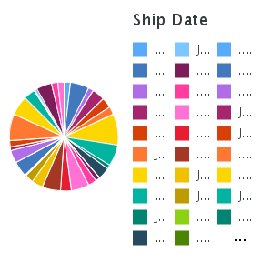
Toughpad | 2018-05-01 | 17,871.8588255 | 11,041
Toughpad | 2020-12-01 | 87,382.23428571 | 9,200
Toughpad | 2019-06-01 | 20,119.9912987 | 12,820
Toughpad | 2020-09-01 | 27,230 | 3,600
Toughpad | 2020-06-01 | 1,478.36 | 104
Toughpad | 2020-05-01 | 47,775 | 1,500
Toughpad | 2019-12-01 | 33,348.852 | 11,110
Toughpad | 2018-11-01 | 60,867.64413194 | 26,600
Toughpad | 2019-03-01 | 49,423.73755319 | 9,855
Toughpad | 2018-07-01 | 38,835.55512931 | 23,627
Overall - Summary |  | 56,907.9505978 | 469,166
Handheld
Product Line | Ship Date | Total Price | Quantity
Handheld | 2019-09-01 | 144,065.15568182 | 22,084
Handheld | 2018-04-01 | 59,463.65953947 | 39,688
Handheld | 2020-11-01 | 2,964,947.2 | 42,400
Handheld | 2019-02-01 | 141,063.77574627 | 60,036
Handheld | 2018-10-01 | 159,228.62198238 | 155,826
Handheld | 2019-01-01 | 162,880.46608833 | 85,269
Handheld | 2020-08-01 | 592,622.04846154 | 46,068
Handheld | 2019-05-01 | 236,055.51208791 | 86,334
Handheld | 2019-08-01 | 130,786.40119048 | 19,934
Handheld | 2018-06-01 | 86,557.97276753 | 83,682
Handheld | 2020-04-01 | 334,487.62424242 | 33,964
Handheld | 2019-07-01 | 136,426.95106383 | 22,135
Handheld | 2018-12-01 | 129,146.04018141 | 83,012
Handheld | 2019-11-01 | 106,083.27739837 | 21,286
Handheld | 2020-10-01 | 2,964,947.2 | 42,400
Handheld | 2020-07-01 | 173,728.75905405 | 40,816
Handheld | 2020-03-01 | 240,221.57916667 | 37,084
Handheld | 2018-09-01 | 90,005.24652174 | 99,360
Handheld | 2020-01-01 | 177,579.5030303 | 19,484
Handheld | 2019-10-01 | 258,644.54444444 | 31,484
Handheld | 2018-08-01 | 128,742.99616477 | 157,500
Handheld | 2019-04-01 | 162,788.60316667 | 71,841
Handheld | 2020-02-01 | 228,536.10909091 | 23,964
Handheld | 2018-05-01 | 164,465.44014706 | 82,600
Handheld | 2020-12-01 | 2,173,573 | 47,200
Handheld | 2019-06-01 | 117,360.03650485 | 51,900
Handheld | 2020-09-01 | 672,593.49565217 | 46,504
Handheld | 2020-06-01 | 378,804.32222222 | 38,988
Handheld | 2020-05-01 | 337,257.92 | 42,126
Handheld | 2019-12-01 | 233,999.21111111 | 24,284
Handheld | 2018-11-01 | 159,081.71645621 | 110,159
Handheld | 2019-03-01 | 169,059.8915873 | 68,969
Handheld | 2018-07-01 | 56,641.46831904 | 59,160
Overall - Summary |  | 157,174.27509991 | 1,897,541

Toughbook
Product Line | Ship Date | Quantity | Total Price
Toughbook | 2019-09-01 | 106,717 | 277,662.58067826
Toughbook | 2021-03-01 | 2,148 | 30,568.42285714
Toughbook | 2018-04-01 | 157,431 | 33,843.15506557
Toughbook | 2020-11-01 | 70,768 | 124,857.07492754
Toughbook | 2019-02-01 | 281,980 | 189,718.00750693 | Product Line
Toughbook | 2018-10-01 | 571,356 | 62,679.88696337 | Toughbook
Toughbook | 2019-01-01 | 230,317 | 122,126.51106178 | 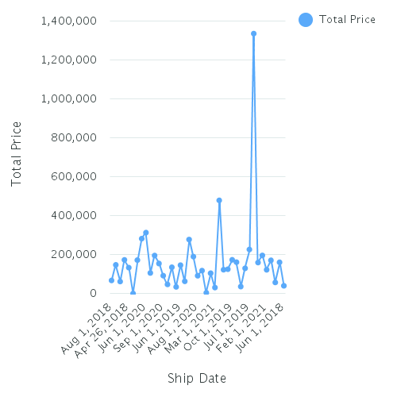
Toughbook | 2020-08-01 | 35,056 | 91,428.86950673
Toughbook | 2019-05-01 | 85,774 | 134,931.33477811
Toughbook | 2019-08-01 | 61,201 | 117,523.20171103
Toughbook | 2018-05-15 | 350 | 1,336,706
Toughbook | 2018-06-01 | 410,461 | 39,709.39006013
Toughbook | 2020-04-01 | 29,104 | 159,216.63918803
Toughbook | 2021-02-01 | 21,893 | 121,965.78576577
Toughbook | 2019-07-01 | 127,987 | 226,270.17494024
Toughbook | 2019-11-01 | 26,539 | 129,590.99582237
Toughbook | 2018-12-01 | 517,240 | 104,231.31671163
Toughbook | 2018-05-29 | 12 | 3,750.25666667
Toughbook | 2020-10-01 | 32,033 | 195,902.78989848
Toughbook | 2020-07-01 | 95,296 | 478,961.26435696
Toughbook | 2020-03-01 | 79,969 | 195,302.30604336
Toughbook | 2018-05-04 | 1 | 42.11
Toughbook | 2018-09-01 | 606,108 | 56,732.32625085
Toughbook | 2020-01-01 | 46,814 | 147,181.00814433
Toughbook | 2019-10-01 | 41,814 | 173,125.60580952
Toughbook | 2018-08-01 | 536,741 | 66,997.27922716
Toughbook | 2019-04-01 | 158,002 | 160,497.34237288
Toughbook | 2021-01-01 | 82,874 | 170,526.31434363
Toughbook | 2020-02-01 | 83,245 | 160,870.0335589
Toughbook | 2018-05-01 | 269,160 | 35,731.79971607
Toughbook | 2020-12-01 | 74,808 | 281,918.39563452
Toughbook | 2019-06-01 | 99,806 | 145,610.54415954
Toughbook | 2018-04-26 | 800 | 132,929
Toughbook | 2020-09-01 | 54,867 | 91,593.45045089
Toughbook | 2020-06-01 | 107,054 | 313,058.68863354
Toughbook | 2020-05-01 | 30,234 | 154,179.72937063
Toughbook | 2019-12-01 | 59,826 | 172,908.02465318
Toughbook | 2018-11-01 | 3,823,583 | 105,586.21101238
Toughbook | 2018-04-06 | 66 | 61,347
Toughbook | 2019-03-01 | 213,024 | 171,675.95361184
Toughbook | 2018-07-01 | 446,202 | 46,562.08961038
Overall - Summary |  | 9,678,661 | 77,587.23002202

Toughpad
Product Line | Ship Date | Quantity | Total Price
Toughpad | 2019-09-01 | 12,289 | 143,848.17222222
Toughpad | 2018-04-01 | 5,741 | 10,408.87034483 | Product Line
Toughpad | 2020-11-01 | 120 | 3,686.06666667 | Toughpad
Toughpad | 2019-02-01 | 18,806 | 86,866.42772727 | 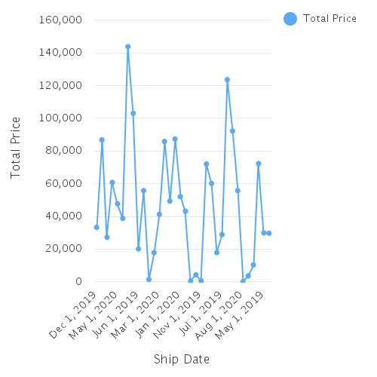
Toughpad | 2018-10-01 | 63,030 | 103,076.35112903
Toughpad | 2019-01-01 | 14,175 | 55,847.47417266
Toughpad | 2020-08-01 | 14 | 203.28
Toughpad | 2019-05-01 | 10,161 | 29,965.0424
Toughpad | 2019-08-01 | 9,247 | 29,753.9030303
Toughpad | 2018-06-01 | 15,339 | 17,951.13791946
Toughpad | 2020-04-01 | 300 | 4,356
Toughpad | 2021-02-01 | 60 | 602
Toughpad | 2019-07-01 | 12,387 | 28,978.59
Toughpad | 2018-12-01 | 40,006 | 92,214.92164234
Toughpad | 2019-11-01 | 437 | 721.6174359
Toughpad | 2020-07-01 | 3,960 | 72,357.8
Toughpad | 2020-03-01 | 8,208 | 41,334.855
Toughpad | 2018-09-01 | 53,937 | 72,098.53438538
Toughpad | 2020-01-01 | 8,500 | 52,145.621875
Toughpad | 2019-10-01 | 906 | 123,691.14285714
Toughpad | 2018-08-01 | 39,330 | 85,874.31049505
Toughpad | 2019-04-01 | 14,088 | 55,865.58971429
Toughpad | 2021-01-01 | 11,076 | 43,209.156
Toughpad | 2020-02-01 | 17,592 | 60,187.81821429
Toughpad | 2018-05-01 | 11,041 | 17,871.8588255
Toughpad | 2020-12-01 | 9,200 | 87,382.23428571
Toughpad | 2019-06-01 | 12,820 | 20,119.9912987
Toughpad | 2020-09-01 | 3,600 | 27,230
Toughpad | 2020-06-01 | 104 | 1,478.36
Toughpad | 2020-05-01 | 1,500 | 47,775
Toughpad | 2019-12-01 | 11,110 | 33,348.852
Toughpad | 2018-11-01 | 26,600 | 60,867.64413194
Toughpad | 2019-03-01 | 9,855 | 49,423.73755319
Toughpad | 2018-07-01 | 23,627 | 38,835.55512931
Overall - Summary |  | 469,166 | 56,907.9505978

Handheld
Product Line | Ship Date | Quantity | Total Price
Handheld | 2019-09-01 | 22,084 | 144,065.15568182 | Product Line
Handheld | 2018-04-01 | 39,688 | 59,463.65953947 | Handheld
Handheld | 2020-11-01 | 42,400 | 2,964,947.2 | 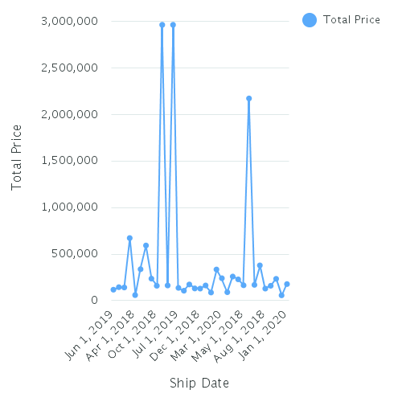
Handheld | 2019-02-01 | 60,036 | 141,063.77574627
Handheld | 2018-10-01 | 155,826 | 159,228.62198238
Handheld | 2019-01-01 | 85,269 | 162,880.46608833
Handheld | 2020-08-01 | 46,068 | 592,622.04846154
Handheld | 2019-05-01 | 86,334 | 236,055.51208791
Handheld | 2019-08-01 | 19,934 | 130,786.40119048
Handheld | 2018-06-01 | 83,682 | 86,557.97276753
Handheld | 2020-04-01 | 33,964 | 334,487.62424242
Handheld | 2019-07-01 | 22,135 | 136,426.95106383
Handheld | 2018-12-01 | 83,012 | 129,146.04018141
Handheld | 2019-11-01 | 21,286 | 106,083.27739837
Handheld | 2020-10-01 | 42,400 | 2,964,947.2
Handheld | 2020-07-01 | 40,816 | 173,728.75905405
Handheld | 2020-03-01 | 37,084 | 240,221.57916667
Handheld | 2018-09-01 | 99,360 | 90,005.24652174
Handheld | 2020-01-01 | 19,484 | 177,579.5030303
Handheld | 2019-10-01 | 31,484 | 258,644.54444444
Handheld | 2018-08-01 | 157,500 | 128,742.99616477
Handheld | 2019-04-01 | 71,841 | 162,788.60316667
Handheld | 2020-02-01 | 23,964 | 228,536.10909091
Handheld | 2018-05-01 | 82,600 | 164,465.44014706
Handheld | 2020-12-01 | 47,200 | 2,173,573
Handheld | 2019-06-01 | 51,900 | 117,360.03650485
Handheld | 2020-09-01 | 46,504 | 672,593.49565217
Handheld | 2020-06-01 | 38,988 | 378,804.32222222
Handheld | 2020-05-01 | 42,126 | 337,257.92
Handheld | 2019-12-01 | 24,284 | 233,999.21111111
Handheld | 2018-11-01 | 110,159 | 159,081.71645621
Handheld | 2019-03-01 | 68,969 | 169,059.8915873
Handheld | 2018-07-01 | 59,160 | 56,641.46831904
Overall - Summary |  | 1,897,541 | 157,174.27509991

