RF-MOD
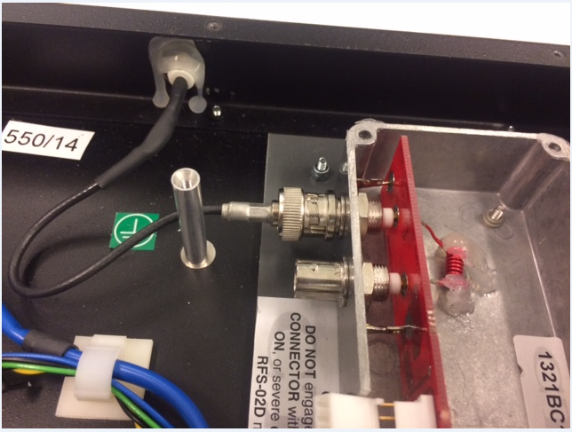
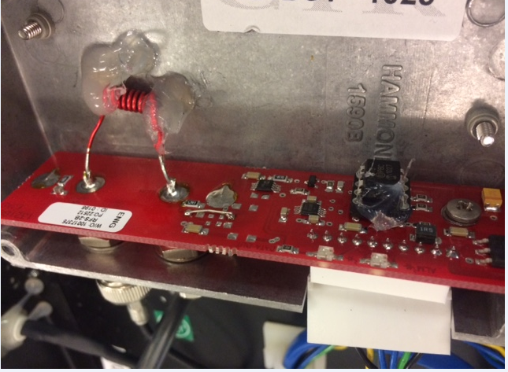
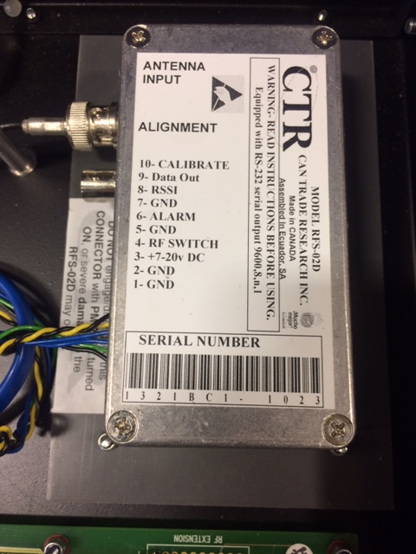

pin 4 Blue color goes to front RF switch
Goes to the output (back)?
GND , or
GND ?
Alarm?
7V-20V PIN 3 green color goes to monitor on front switch
RF Switch ? Check this on detaill !!!
Looks like it resets the PIC.
 |  |  |  |  |  | PIN 4
yes, go straight to the back panel BNC connector |  |  | yes, Gnd black |  |  |  | YES, Black color wire
 |  |  | pin 7 | yes, alarm, yellow |  |  | PIN 2
 |  |  |  | pin 6
 |  |  | the twisted black and yellow
 |  | wires goes to pin E F on PSU/alarm board
 |  |  |  |  | yes, PIN 5 blue color wire goes
 |  |  |  |  | to RF front switch
 |  |  |  |  | as soon push the RF bottom
 |  |  |  |  | pin 4 and 5 short out
Basicamente , necesitamos verificar a que pin va cada cable. Hay varios GND , no se si estan saltendo los pines, pero si van todos correlativos, entonces solo estan usando la alarma y con el RF switch ellos hacen que el PIC funcione o no. ( crazy).

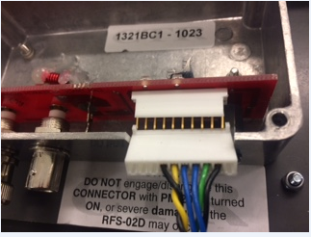
 | PIN 1,8,9,10 NOT USED

