Calculator
 | PRODUCTION BLASTHOLE & DTH CALCULATOR

Customer name: | Codelco |  | Project name: | Ministro Hales |  | Date: | 2020-11-08 |  | DRILLING RATE INDEX FOR DTH
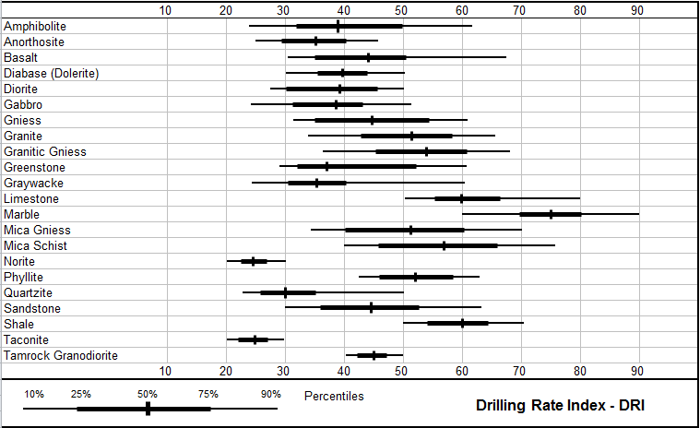
Drilling method |  |  | Drill rig model |  |  | Rock fracturization
Bit type |  |  | Angle drill |  |  | Rock Drillability Index
Hammer Bit Type |  |  |  |  |  | Operator efficiency
Shock Sub |  |  |  |  |  | Operating Air Pressure |  | psi

Elevation | 300 | m | Ambient temperature | 21 | °C | Hours per day | 24.0
 | 984 | ft |  | 69.8 | °F | Days per year | 360

Bit size |  | mm | Compressor size | 56.6 | m³/min | Max. Compressor pressure | 6.9 | bar
 | 12.244094488 | in |  | 862 | cfm |  | 100 | psi

Drill pipe OD |  | mm | Equivalent volume | 53.9 | m³/min | Up-hole velocity | 31.2 | m/sec
 | 9.6456692913 | in |  | 1,903 | cfm |  | 6,134 | fpm

Bench height | 18.0 | m | Burden | 7.00 | m | Rock UCS | 250 | MPa
 | 59.05511811 | ft |  | 22.97 | ft |  | 36,259 | psi

Sub-drilling | 0.00 | m | Spacing | 7.00 | m | Rock density in-situ | 2.00 | tonne/m³
 | 0 | ft |  | 22.97 | ft |  | 1.50 | ton/yd³

Piece(s) pipe to add | 1 |  | Rotation Speed | 85 | RPM
Optimum bit load for Hole Size and Rock | 434 | kN | Rotation power | 161.7 | kW
 | 97,672 | lb. |  | 217 | HP

Set Pulldown | 80,000 | lb. | Max Possible Weight on Bit | 89,554 | lb.

Instantaneous penetration rate | 5.5 | m/hr | Net penetration rate | 4.0 | m/hr | Mech. availability
 | 18.0 | fph |  | 13.2 | fph | Fleet utilization | 60

 | 0.3 |  | Estimated Cycle Time per Hole | 268.3 | mins

Production requirements | 26,498,865 | tonne | Drilling required | 302,844 | m | Hours of drilling | 75,223 | hr.
 | 29,210,000.00 | ft |  | 993,583 | ft | Fleet size | 13.0 | drill(s)

Fleet capacity | 27,222,176 | tonne | Fleet capacity | 311,111 | m | Fleet hours | 77,276 | hr.
 | 30,007,314 | ton |  | 1,020,704 | ft

