info
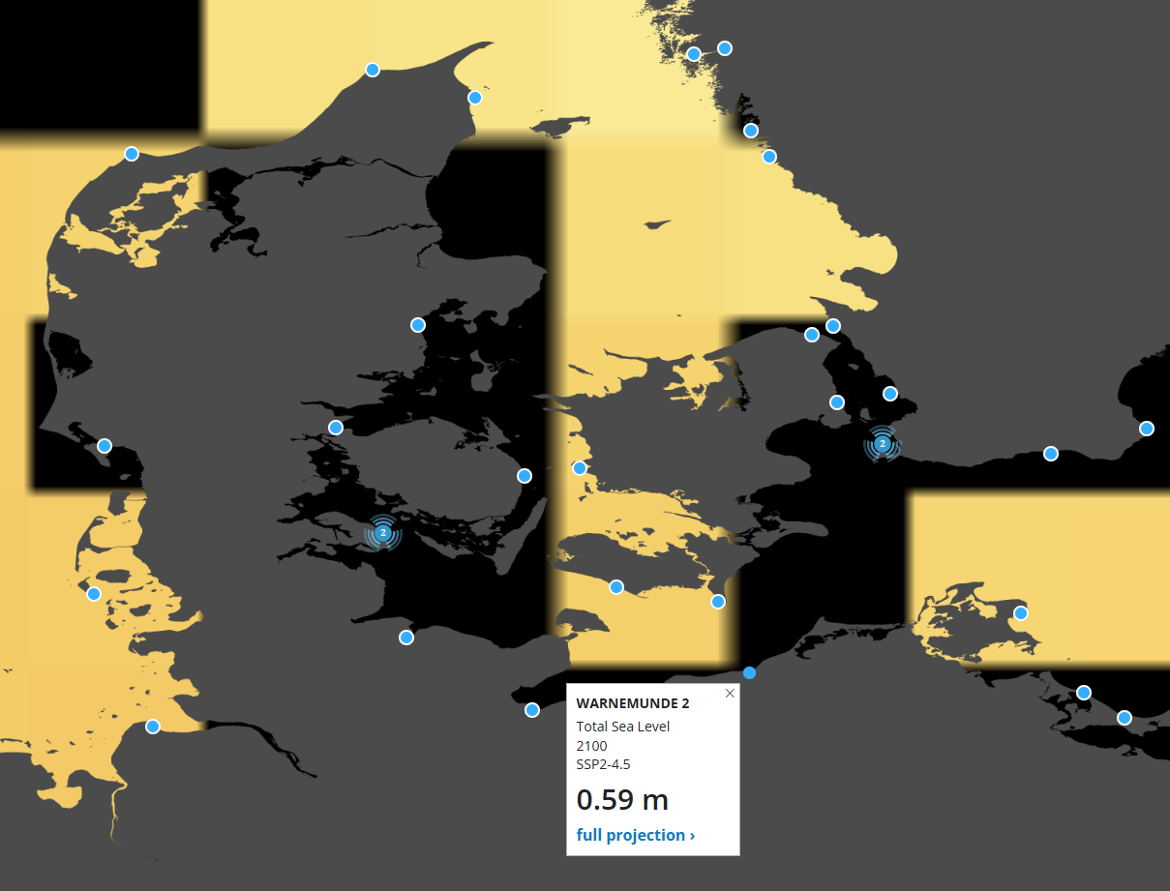
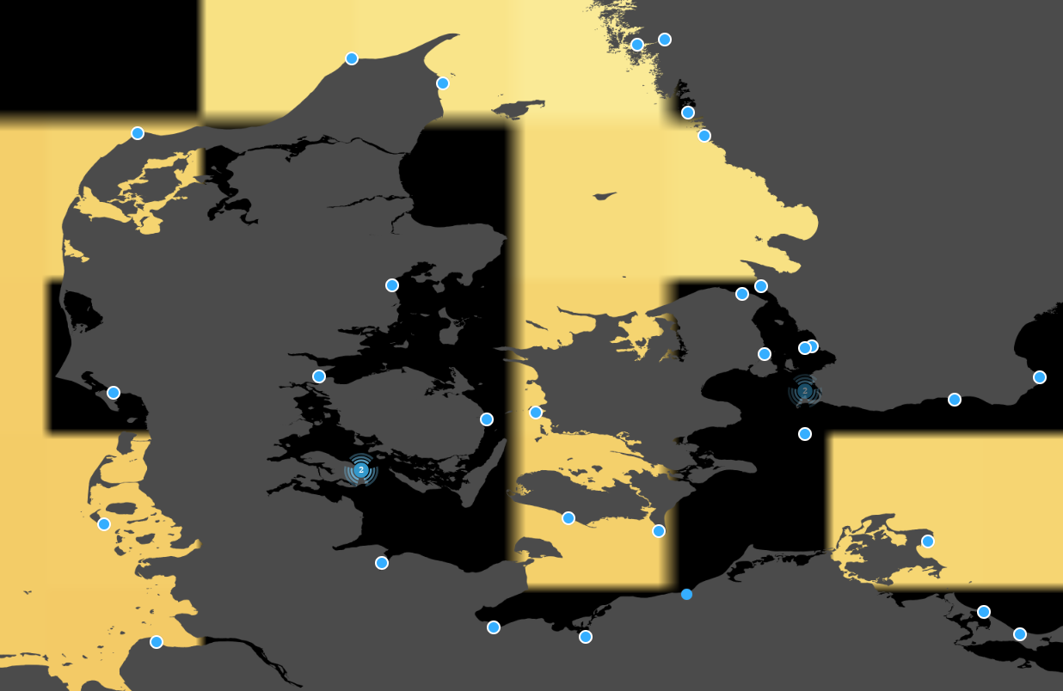
link til tool
Sea Level Projection Tool – NASA Sea Level Change Portal

brugte Warnemunde 2 til Hesnæs, da der ikke er PSMSL station i Hesnæs | Permanent Service for Mean Sea Level (PSMSL) | brugte skanor til præstø, da der ikke er en Permanent Service for Mean Sea Level (PSMSL) station i Præstø | Permanent Service for Mean Sea Level (PSMSL)

aabenraa
 | Aabenraa (SSP2-4.5) |  | enhed | Aabenraa (SSP5-8.5)
 | Baseline (NASA) | 1995-2014 |  | Baseline (NASA) | 1995-2014
 | Midpoint (NASA), x | 2005 |  | Midpoint (NASA) | 2005
 | Projection, y | 2030 |  | Projection | 2030
 | Projection_Diff, deltaxt | 25 | yr | Projection_Diff | 25 | yr
 | Target, t | 2023 |  | Target | 2023
 | Target_Diff, deltayt | 18 | yr | Target_Diff | 18 | yr
 | Fraction (deltayt / deltaxt) | 0.72 |  | Fraction | 0.72
 | Vandstand_ift_NASA_baseline, z | 0.0864 | m | Vandstand_ift_NASA_baseline | 0.0864 | m
 |  | 8.64 | cm |  | 8.64 | cm
 | Baseline (DMI) | 1981-2010 |  | Baseline (DMI) | 1981-2010
 | Midpoint (DMI), d | 1995 |  | Midpoint (DMI) | 1995
 | Rate, q | 0.0048 | m/yr | Rate | 0.0048 | m/yr | *Microsoft Word - Klimaatlas_L3_report_v2024b.docx
 | Diff_Baselines, deltad | 10 | yr | Diff_Baselines | 10 | yr | "To provide projections relative to year 1995 (center of the 1981-2010 period), as in the previous versions of Klimaatlas, we shift all time series by assuming the change before the IPCC reference period is linear."
 | SL_change, qs | 0.048 | m | SL_change | 0.048 | m
 | Sea_Level_change_new_baseline, qsd | 0.1344 | m | Sea_Level_change_new_baseline | 0.1344 | m
 |  | 13.44 | cm |  | 13.44 | cm
 | SeaLevelLateCentury(SSP2-4.5), p | 47.96 | cm | SeaLevelLateCentury(SSP5-8,5) | 65.15 | cm
 | SeaLevelLateCentury_DMI_reference, I | 34.52 | cm | SeaLevelLateCentury_new_reference | 51.71 | cm
 |  | 35.00 | cm |  | 52.00 | cm
 |  | 251.00 |  |  | 268.00
Garner et al 2021 | IPCC AR6 Sea Level Projections
 | FYNSHAV (2030 PROJECTION) | SSP4.5
 | PROJECTED SEA LEVEL RISE (m) | Indicator (i) | 17th percentile | Median | 83rd percentile
 |  | Sterodynamic Sea Level | 0.04 | 0.09 | 0.15
 |  | Glaciers | 0.01 | 0.01 | 0.02
 |  | Greenland | 0.00 | 0.00 | 0.00
 |  | Antarctica | 0.01 | 0.02 | 0.04
 |  | Land Water Storage | 0.00 | 0.00 | 0.00
 |  | Vertical Land Motion | -0.01 | -0.01 | 0.00
 |  | SLR50_tot | 0.06 | 0.12 | 0.18
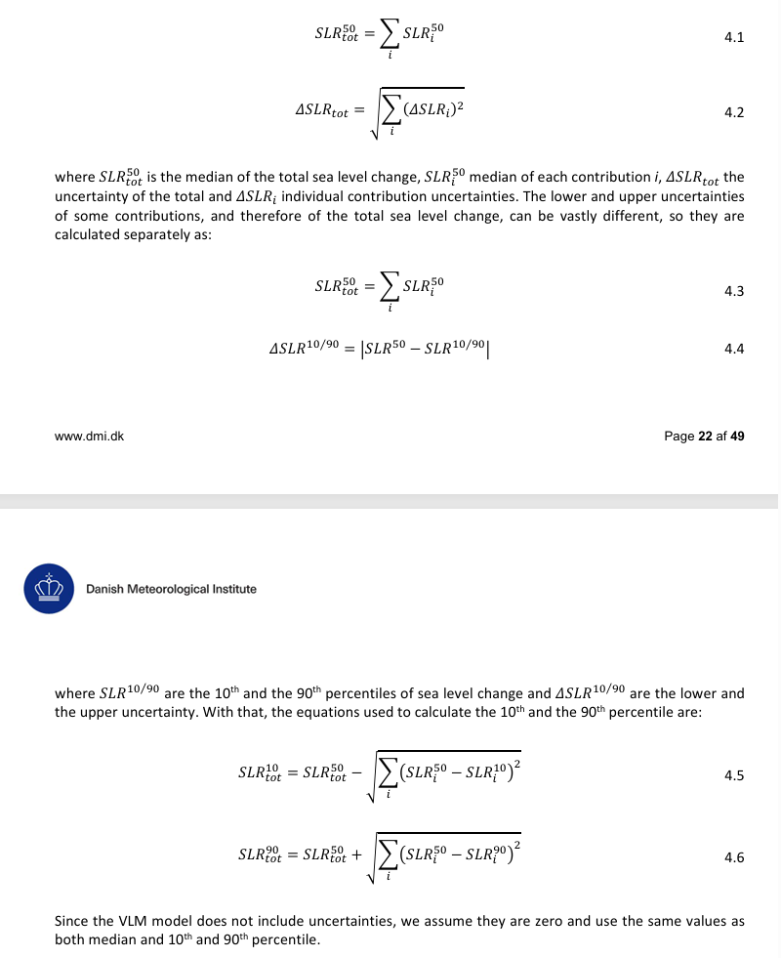
 | FYNSHAV (2030 PROJECTION) | SSP8.5
 | PROJECTED SEA LEVEL RISE (m) | Indicator (i) | 17th percentile | Median | 83rd percentile
 |  | Sterodynamic Sea Level | 0.04 | 0.09 | 0.14
 |  | Glaciers | 0.01 | 0.01 | 0.02
 |  | Greenland | 0.00 | 0.00 | 0.00
 |  | Antarctica | 0.00 | 0.02 | 0.04
 |  | Land Water Storage | 0.00 | 0.00 | 0.01
 |  | Vertical Land Motion | -0.01 | 0.00 | 0.00
 |  | SLR50_tot | 0.07 | 0.12 | 0.17

