README
This is the final table with all results for the Master thesis:
100,000 Years of Global Volcanism from Ice Cores

By: Johanna Felicia Carlborg
Supervisors: Anders Svensson & Helle Astrid Kjær
University of Copenhagen
Niels Bohr Institute
Department of Physics of Ice, Climate and Earth
2023

• The table includes sulfate deposition, stratospheric aerosol loading, latitudal origin for all bipolar eruptions, plus comments.
• The depth of the NGRIP ice core is shown for all bipolar eruptions.
• The complete list of bipolar eruption depths comes from Svensson, 2023.
• There are comments about when the data has been changed in some way.
• Added/subracted depth of a few centimeters means that the original depth match point was altered by a few cm.
• The depths for NGRIP in this table are the finalised depths AFTER the change of the original match points.
• So, if the depth was 1675,23 --- it is now 1675,25 in this table. The comments are there for someone who might use the bipolar match points by Svensson 2023.
• To better understand when the comments say that only e.g.one data point left or right of a peak has been kept, one can look at this figure:

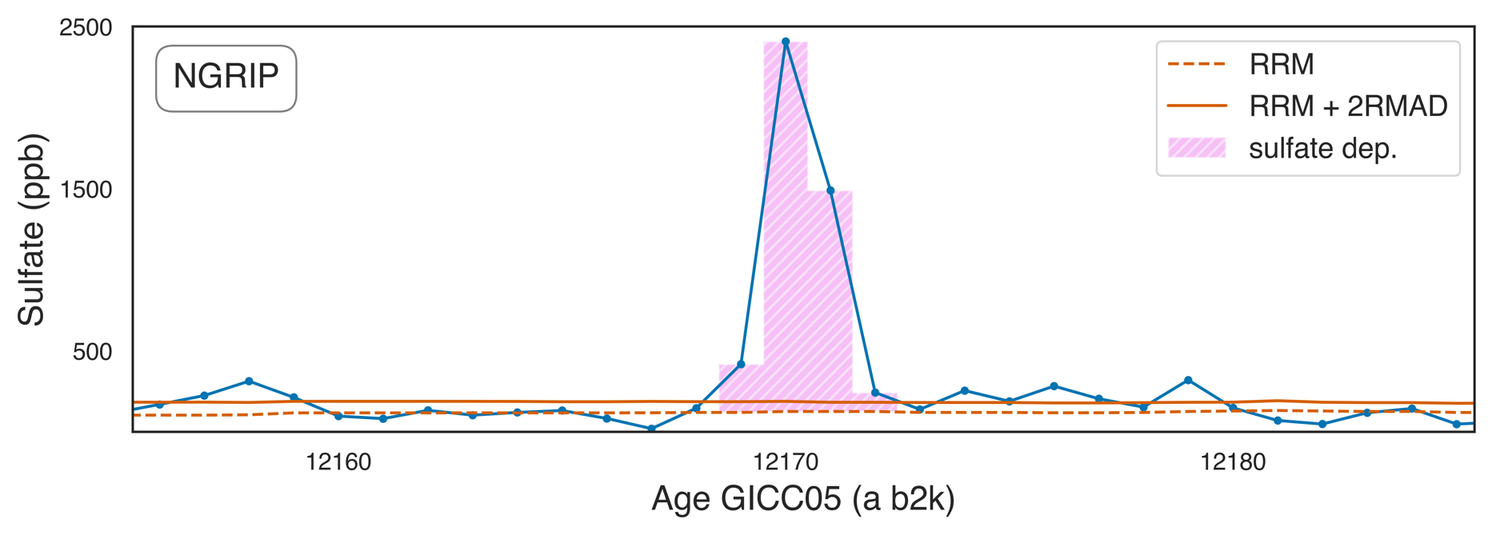

Data points left of peak
Data points right of peak

 | Example of the Katla eruption in Iceland 12170 a (b2k).

• So, if e.g. 1 data point had been kept left of the peak, only one data point left of the peak in this figure would have been accounted for when determining the sulfate deposition.
In this case however, all data points above the volcanic threshold have been kept.
• Reduction of the peak also happens when there is a double peak, probably due to two separate eruptions.
• LL or SH = Low Latitude or Southern Hemisphere: < 40°N, NHHL = Northern Hemisphere High Latitude > 40°N.
• The notation T1,T2,T3,T4 comes from the proposed date from the Toba eruption by Svensson et al., 2013.
• Greenland stadials and interstadials are defined by Rasmussen et al, 2014.

References:
Svensson, Anders (2023). Work in progress.
Lin, J. et al. (2022)."Magnitude, frequency and climate forcing of global volcanism during the last glacial period as seen in Greenland and Antarctic ice cores (60--9ka)". Climate of the Past. Volume 18. No 3. pp 458--506. DOI: 10.5194/cp-18-485-2022.
Rasmussen, S. (2014). A stratigraphic framework for abrupt climatic changes during the Last Glacial period based on three synchronized Greenland ice-core records: Refining and extending the INTIMATE event stratigraphy. Quaternary Science Reviews. 106. 10.1016/j.quascirev.2014.09.007.
Svensson, A. et al. (2013). "Direct linking of Greenland and Antarctic ice cores at the Toba eruption (74 ka BP)". Climate of the Past. Volume 9. No 2. pp 749-766. DOI: 10.5194/cp-9-749-2013
Additional sources are included in the master thesis.

