Sheet1
Main
Configuration | Lift+Cruise |  |  |  |  |  | Vectored Thrust
# | 0 | 1 | 2 | 3 | 4 | 5 | 0 | 1 | 2 | 3 | 4 | 5 | 6 | 7 | 8
Company | Baseline Model | Eve Air | Beta | Volocopter | Autoflight | Airbus | Baseline Model | Lilium | Joby | Archer | Overair | Wisk | Supernal | Vertical | Textron eAviation
Type Specificiation | [averaged] | EVE | Alia 250 eVTOL | Voloregion | Prosperity | City Next Gen | [averaged] | Jet | S4 2.0 | Midnight | Butterfly | Gen 6 | S-A2 | VX4 | Nexus
Notes |  |  |  |  |  |  |  | 1 | accuired Uber Elevate | 1 | 1 |  | Backed by Hyundai Motor Group
Illustration | 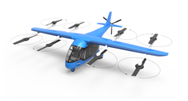 | 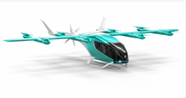 | 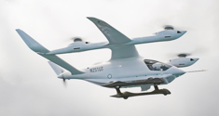 ‚ | 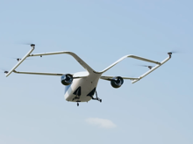 | 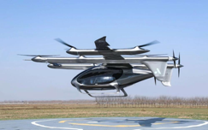 |  | 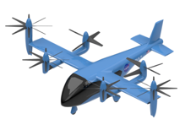 | 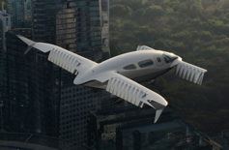 | 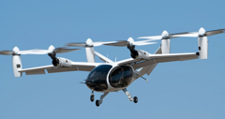 | 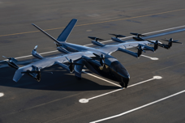 | 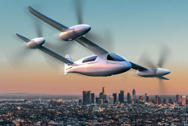 | 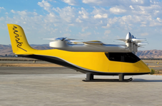 | 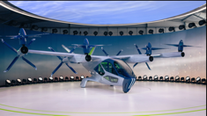 | 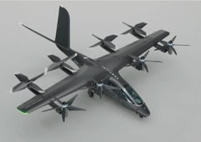 | 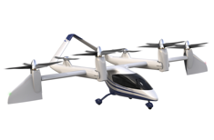
Source of Picture | Link to Picture | Link to Picture | Link to Picture | Link to Picture | Link to Picture | Link to Picture | Link to Picture | Link to Picture | Link to Picture | Link to Picture | Link to Picture | Link to Picture | Link to Picture | Link to Picture | Link to Picture
Operation Type** | RAM | RAM | RAM | RAM | RAM | UAM | RAM | RAM | RAM | UAM | RAM | RAM | UAM | RAM | RAM
Status | - | Pre-Prdouction Prototype | Test Flights/Demo Prototype | Test Flights/Prototype | Test Flights/Prototype | Test Flights/Prototype | N/A | Test Flights/Demo Prototype | Test Flights/Production Prototype | Test Flights/Demo Prototype | Concept Design | Pre-Prdouction Prototype | Pre-Prdouction Prototype | Pre-Prdouction Prototype | Concept Design
Country | - | USA | USA | Germany | China | Europe | N/A | Germany | USA | USA | USA | USA | USA | UK | USA
Regulation Authority | EASA/FAA | FAA, EASA | FAA | EASA | EASA | EASA | FAA/EASA | EASA, FAA | FAA | FAA | FAA | FAA | FAA | EASA/CAA | FAA
EIS (Year) | - | 2026 | 2026 | 2026 | 2025 | 2025 | 2026 | 2025 | 2025 | 2025 | N/A | N/A | 2028 | 2026 | N/A
Configurational
Configuration | Lift+Cruise | Lift+Cruise | Lift+Cruise | Lift+Cruise | Lift+Cruise | Lift+Cruise | Vectored Thrust | Vectored Thrust | Vectored Thrust | Vectored Thrust | Vectored Thurst | Vectored Thurst | Vectored Thrust | Vectored Thrust | Vectored Thrust
Detailed Configuration | 8 VTOL, 1 Pusher Props | 8 VTOL, 1 Pusher Props | Separated Pusher & VTOL Props | ducted fans & VTOL Props | 10 VTOL Props/ 3 Push Props | 6 VTOL Props/2 Push Props | Multi-Tiltrotor | Tilt Rotor | Tilt Rotor | Tilt Rotor | Tilt Rotor | Tilt Rotor | Tilt Rotor | Tilt Rotor | Tilt Rotor
Fuselage | Carbon fiber composite | Carbon fiber composite | N/A | Carbon fiber composite | Carbon fiber composite | N/A | Carbon fiber composite | Carbon fiber composite | Carbon Fiber Composite | carbon fibre composite structure | Carbon fiber composite | N/A | Carbon fiber composite | Carbon fiber composite | Carbon fiber composite
Wings | High-Wing | High-Wing | High-Wing, Box-Wing | High-Wing, Box-Wing | High-Wing with two booms | High-Wing | N/A | Mid-Wing, Canard wings, the rear wing has ailerons | High Wing | High Wing | Tandem wings with winglets | High-Wing | High-Wing | High-Wing | High-Wing
Wingspan (m) | 13.8 | N/A | 15 | N/A | 14.5 | 12 | 14 | 13.9 | 11.58 | 16.4 | N/A | 15.2 | N/A | 15 | N/A
Wing Area (m^2) | N/A | N/A | N/A | N/A | N/A | N/A | 15 | N/A | 14.9 | N/A | N/A | N/A | N/A | N/A | N/A
Lift-to-Drag Ratio | N/A | N/A | N/A | N/A | N/A | N/A | 11 | N/A | N/A | 11.3 | N/A | N/A | N/A | N/A | N/A
Tail | N/A | Conventional Tail | V-Tail | V-Tail in Wingbox Conf | Twin boom with two rear ventral fins | V-Tail | N/A | No Tail | V-Tail | V-Tail | Vertical Stabilizer only | Conventional Tail | V-Tail | V-Tail | inverted V-Tail
Landing Gear | fixed skid landing gear | fixed skid landing gear | fixed skid landing gear + wheels | 3-Gear retractable | fixed skid landing gear | fixed skid landing gear | 3-Gear fixed | 3-Gear fixed | 3-Gear retractable | Fixed tricycle wheeled landing gear | 3-Gear retractable | Fixed skid landing gear | Fixed tricycle wheeled landing gear | Retractable tricycle wheeled landing gear | Fixed tricycle wheeled landing gear
Flight Controls | Fly by Wire | Fly by Wire | N/A | Fly by Wire | N/A | N/A | Fly by Wire | Fly by Wire | N/A | Fly by Wire | N/A | Triple-redundant fly-by-wire | N/A | Honeywell Flight Control System | N/A
Flight Management & Operation | N/A | N/A | N/A | N/A | Instrument & all weather | operational automated flight mode | N/A | N/A | N/A | Garmin G3000 integrated flight deck | N/A | N/A | IFR certification, ballisitc parachute | N/A | N/A
Propulsion System
Type | Distributed Electric Propulsion (DEP) | Distributed Electric Propulsion (DEP) | Distributed Electric Propulsion (DEP) | Distributed Electric Propulsion (DEP) | Distributed Electric Propulsion (DEP) | Distributed Electric Propulsion (DEP) | Distrubuted Electric Propulsion DEP | ducted electric vectored thrust (DEVT) fan | Distributed Electric Propulsion DEP | Distributed Electric Propulsion DEP | Distributed Electric Propulsion (DEP) | Distributed Electric Propulsion (DEP) | Distributed Electric Propulsion (DEP) | Distributed Electric Propulsion (DEP) | Distributed Electric Propulsion (DEP)
Source of Power | Lithium-Ion Batteries | Batteries | high-density lithium batteries | Lithium-ion batteries; Batteries, 8 electric motors | Batteries | Batteries, 16 electric motors | Lithium-Ion Batteries | Electric | lithium-nickel-cobalt-manganese-oxide batteries | type 2170 lithium-ion battery cells supplied by the Taiwanese battery manufacturer Molicel | Batteries, 4 electric motors | Lithium-ion battery | Battery packs (high-voltage, fast-charging) | Batteries | Batteries
Battery Recharge Strategy | N/A | N/A | N/A | Battery Swap | Combined Charging System (CCS) | N/A | N/A | CCS (45min) | CCS | N/A | N/A | N/A | N/A | N/A | N/A
No. of Prop | 9 | 9 | 5 | 8 | 13 | 8 | 8 | 36 | 6 | 12 | 4 | 12 | 8 | 8 | 6
Tilt | 0 | 0 | 0 | 0 | 0 | 0 | 5 | 36 | 6 | 6 | 4 | 6 | 8 | 4 | 4
Horizontal only | 1 | 1 | 1 | 2 | 3 | 2 | 0 | 0 | 0 | 0 | 0 | 0 | 0 | 0 | 0
VTOL only | 8 | 8 | 4 | 6 | 10 | 6 | 3 | 0 | 0 | 6 | 0 | 6 | 0 | 4 | 2
No. of Blades
VTOL | 2 | 2 | 2 | 2 | 2 | 4 | 4 | 27 | 5 | 2 | 3 | 5 | 4 | 4 | 2
Horizontal Flight | 4 | 5 | 5 | N/A | 2 | 3 | 4 | 27 | 5 | 5 | 3 | 2 | 4 | 5 | 4
Propeller Diameter (m) | N/A | N/A | N/A | N/A | N/A | N/A | 3.7 | 0.31 | 3.66 | N/A | N/A | N/A | N/A | N/A | N/A
EVTOL Range-Speed Benchmark
 | Baseline Model Lilium Joby Archer Overair Wisk Supernal Vertical Textron eAviation |  | Baseline Model Eve Air Beta Volocopter Autoflight Airbus
0 | 0 | 0 | 0
0.16312881652 | -0.011952191235 | -0.084858569052 | 0.2474012474
0.12125617912 | 0.2828685259 | 0.67221297837 | 0.15384615385
-0.25094504216 | -0.03984063745 | -0.20965058236 | -0.064449064449
0.42366967142 | 0.15537848606 | 0.03993344426 | 0.039501039501
0.18639139285 | -0.11553784861 | -0.41763727121 | -0.3762993763
-0.2532712998 | -0.23107569721
-0.25094504216 | -0.03984063745
-0.13928467578 | -0.5219123506
Disc Loading *** (Hover, gross weight/thrust area) | N/A | N/A | N/A | N/A | N/A | N/A | 36.8 | 1189 | 38.1 | N/A | N/A | N/A | N/A | N/A | N/A
Cell Level Spec Energy (Wh/kg) | N/A | N/A | N/A | N/A | N/A | N/A | 279 | 300 | 288 | 250 | N/A | N/A | N/A | N/A | N/A
(Peak) Power per Motor (kW) | N/A | N/A | N/A | N/A | N/A | N/A | 225 | 320 | 236 | 120 | N/A | N/A | N/A | N/A | N/A
Battery Capacity (kWh) | N/A | N/A | N/A | N/A | 160 | N/A | 293 | 350 | 235 | N/A | N/A | N/A | N/A | N/A | N/A
Operational Parameters
MTOM (kg) | 2044 | 1000 | 3175 | N/A | 2000 | 2000 | 3096 | 3175 | 2404 | 3175 | N/A | N/A | N/A | N/A | 3629
Payload (kg) | 309 | 308 | 308 | 350 | 350 | 231 | 470 | 600 | 453 | 456 | 499 | 408 | 444 | 450 | 450
Payload weight fraction (-) | 0.15 | 0.31 | 0.10 | N/A | 0.18 | 0.12 | 0.15 | 0.19 | 0.19 | 0.14 | N/A | N/A | N/A | N/A | 0.12
Payload per PAX (kg/Seat) [calculated] | 81 | 77 | 77 | 88 | 88 | 77 | 113 | 100 | 113 | 114 | 100 | 102 | N/A | 113 | 150
Total Range (km) [sum] | 240 | 220 | 402 | 190 | 250 | 140 | 215 | 250 | 241 | 161 | 306 | 255 | 160.5 | 161 | 185
Including Energy Reserves (km) | 144 | 100 | 291 | 100 | 150 | 80 | 119 | 175 | 161 | 80 | 161 | 144 | 64 | 41 | 125
Planned Reserves (km) [30min cruise = calculated] | 96 | 120 | 111 | 90 | 100 | 60 | 96 | 75 | 80 | 81 | 145 | 111 | 97 | 121 | 60
Cruise Speed (km/h) | 192 | 240 | 222 | 180 | 200 | 120 | 251 | 248 | 322 | 241 | 290 | 222 | 193 | 241 | 120
Cruise Altitude (ft) | 3300.0 | 3300 | N/A | N/A | N/A | N/A | 4375 | 10000 | N/A | 2000 | N/A | 4000 | 1500 | N/A | N/A
Pilot | 1 | 1 | 1 | 0 | 1 | 1 | 1 | 1 | 1 | 1 | 1 | 0 | 1 | 1 | 1
Autonomy planned (1=yes; 0=no) | 1 | 1 | N/A | 1 | 1 | 1 | 0 | 0 | 0 | 1 | N/A | 1 | 0 | 0 | 0
Seat Capacity (PAX) w/o P | 4 | 4 | 4 | 4 | 4 | 3 | 4 | 6 | 4 | 4 | 5 | 4 | 4 | 4 | 3
ASK (Seat*km) [calculated] | 914 | 880 | 1608 | 760 | 1000 | 420 | 913 | 1500 | 964 | 320 | 1530 | 1020 | 642 | 644 | 555
Noise Level Overfly (dB) | 65 | N/A | N/A | N/A | N/A | 65 | 45 | N/A | 45 | N/A | N/A | N/A | N/A | N/A | N/A
Noise Level Hover (dB) | 68 | N/A | N/A | N/A | 65 | 70 | 60 | 60 | N/A | N/A | N/A | N/A | N/A | N/A | N/A
Benchmarking Relations
Rel. Range | 0% | -8% | 67% | -21% | 4% | -42% | 0% | 16% | 12% | -25% | 42% | 19% | -25% | -25% | -14%
Rel. Seats/Capacity | 0% | 5% | 5% | 5% | 5% | -21% | 0% | 41% | -6% | -6% | 18% | -6% | -6% | -6% | -29%
Rel. Speed | 0% | 25% | 15% | -6% | 4% | -38% | 0% | -1% | 28% | -4% | 16% | -12% | -23% | -4% | -52%
Rel. ASK | 0% | -4% | 76% | -17% | 9% | -54% | 0% | 64% | 6% | -65% | 67% | 12% | -30% | -30% | -39%
Orders/Options/LOI**** | N/A | 2900 | 500 | N/A | 900 | N/A | N/A | 750 | N/A | 700 | 50 | N/A | N/A | 1500 | 1500
Resources |  |  |  |  |  |  |  |  | Aircraft Data | Aircraft Data
 |  | https://evtol.news/eve-air-mobility-eve-production-model | https://www.beta.team/aircraft/ | https://evtol.news/volocopter-voloconnect | https://www.autoflight.com/en/air/ | https://www.airbus.com/en/innovation/low-carbon-aviation/urban-air-mobility/cityairbus-nextgen |  | https://lilium.com/jet | https://evtol.news/joby-s4 | https://aviationweek.com/aerospace/advanced-air-mobility/archer-aviation-midnight-profile | https://evtol.news/overair-butterfly/ | https://evtol.news/wisk-aero-generation-6 | https://www.supernal.aero/aircraft/#specs | https://aviationweek.com/aerospace/urban-unmanned-aviation/vertical-aerospace-va-x4-specifications | https://aviationweek.com/aerospace/urban-unmanned-aviation/vertical-aerospace-va-x4-specifications
 |  | https://www.eveairmobility.com/evtol/ | https://evtol.news/beta-technologies-alia/ | https://www.volocopter.com/en/solutions/voloregion | https://evtol.news/autoflight-v1500m | https://www.greencarcongress.com/2024/03/electric-cityairbus-nextgen-makes-its-debut.html |  | https://lilium.com/newsroom-detail/lilium-announces-firm-order-of-20-lilium-jets-from-u-s-operator-urbanlink | https://evtol.news/joby-aviation-s4-production-prototype | https://evtol.news/archer/ |  | https://aviationweek.com/aerospace/marketplace/wisk-cora-generation-6-profile | https://evtol.news/supernal-hyundai-motor-group-s-a2-concept-design | https://evtol.news/vertical-aerospace-VA-1X | https://evtol.news/vertical-aerospace-VA-1X
 |  | https://evtol.news/embraer/ | Range, Speed, EIS | https://aviationweek.com/aerospace/advanced-air-mobility/volocopter-voloregion | https://autoflight.com/assets/uploads/files/autoflight-prosperity-i-specs-062023.pdf | https://aeroaffaires.com/cityairbus-nextgen-the-new-airbus-flying-taxi/ |  | https://evtol.news/lilium-gmbh-lilium-jet-7-seater | Aerodynamic Data | https://archer.com/midnight |  |  | Kiesewetter et al. (2023) | https://vertical-aerospace.com/meet-the-vx4/ | https://vertical-aerospace.com/meet-the-vx4/
 |  | https://embraer.com/global/en/news.?slug=1207387-eve-air-mobility-unveils-teaser-video-of-first-evtol#:~:text=Eve%20has%20letters%20of%20intent,enter%20into%20service%20in%202026. | https://newatlas.com/aircraft/beta-alia-first-piloted-evtol-transition/ |  |  |  |  | https://lilium.com/newsroom-detail/youve-never-seen-anything-like-this-an-introduction-to-the-lilium-jet#:~:text=The%20Lilium%20Jet%20features%20two,the%20main%20wings%20have%20four. | https://www.researchgate.net/publication/362966570_Urban_Air_Mobility_A_preliminary_case_study_for_Chicago_and_Atlanta | https://www.ainonline.com/news-article/2022-11-19/archer-details-motor-and-battery-design-midnight-evtol-air-taxi#
 |  |  |  |  |  |  |  | https://lilium.com/newsroom-detail/technology-behind-the-lilium-jet |  | Lift to drag ratio
 |  |  |  |  |  |  |  | https://lilium.com/newsroom-detail/liliums-battery-strategy |  | https://www.aopa.org/news-and-media/all-news/2023/february/pilot/future-flight-archer-aviation
 |  |  |  |  |  |  |  | Disc Loading
 |  |  |  |  |  |  |  | https://lilium.com/files/redaktion/refresh_feb2021/investors/Lilium_7-Seater_Paper.pdf
 |  |  |  |  |  |  |  | https://aviationweek.com/aerospace/advanced-air-mobility/lilium-jet-profile

 | Additional Resources
 | Funding* | https://tnmt.com/infographics/new-air-travel-leaderboard/
 | Certification Progress | https://tnmt.com/the-2024-aam-landscape/#regulation |  |  | Orders****
 |  |  |  |  | https://aamrealityindex.com/aam-reality-index

 | Kind of Operation** | https://droneii.com/what-is-aam-uam-ram-air-mobility |  | Disc Loading in Hover*** | https://ntrs.nasa.gov/citations/20000027499
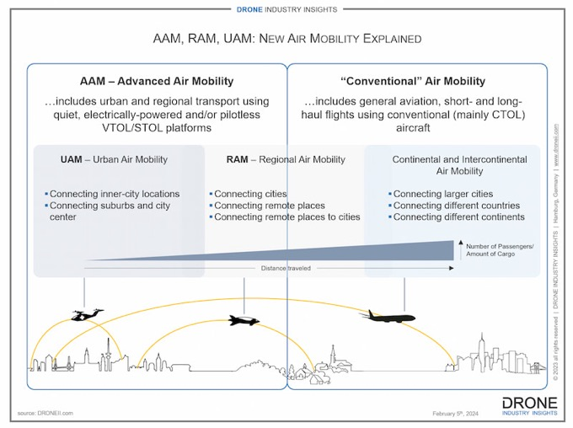
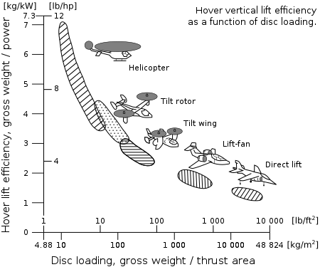

 | Legend:
 | Input Data
 | Calculated Data

