Project Information
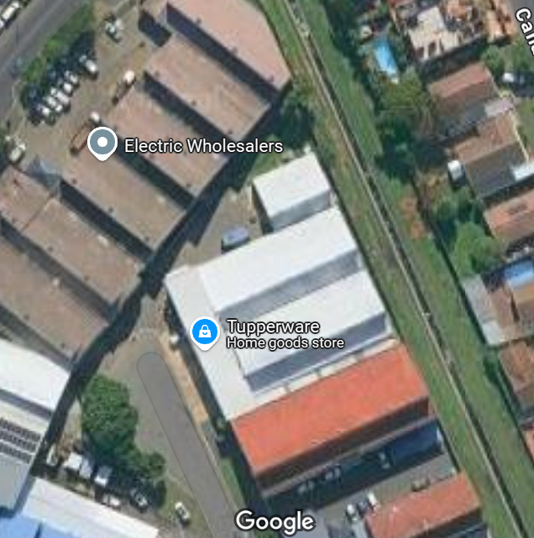
PROJECT INFORMATION
 |  |  | Responsible Person: PROJECT MANAGER Final Approval: Programme Manager Instructions: 1. Fill out the overview section. 2. Fill out the Product Details section. 3. Add in a GIS Location Image and a PV Layout Image
 | OVERVIEW
 | Project Name | Klein Karoo
 | Purchase Contract Type
 | O&M Contract Type
 | Site Address
 | Site Coordinates
 | System Type
 | Description if Other
 | System Size (kWp)
 | RoofType
 | Installer
 | Report Prepared by
 | Commissioning Date

 | PRODUCT DETAILS
 | Solar Module Manufacturer
 | Solar Module Specification
 | Solar Module Quantity
 | Solar Module Manufacturer, Specification & Quantity if Other
 | Inverter Manufacture
 | Inverter Model
 | Inverter Quanity
 | Inverter Manufacturer, Model & Quantity if Other
 | Mounting Structure Manufacturer
 | Mounting Structure Specification
 | Mounting Structure Manufacturer & Specificaiton if Other
 | Monitoring Platform
 | Controller/Logger
 | Controller/Logger if Other
 | Additional Equipment to note

 | GIS Location | PV LAYOUT

Techsitter Report
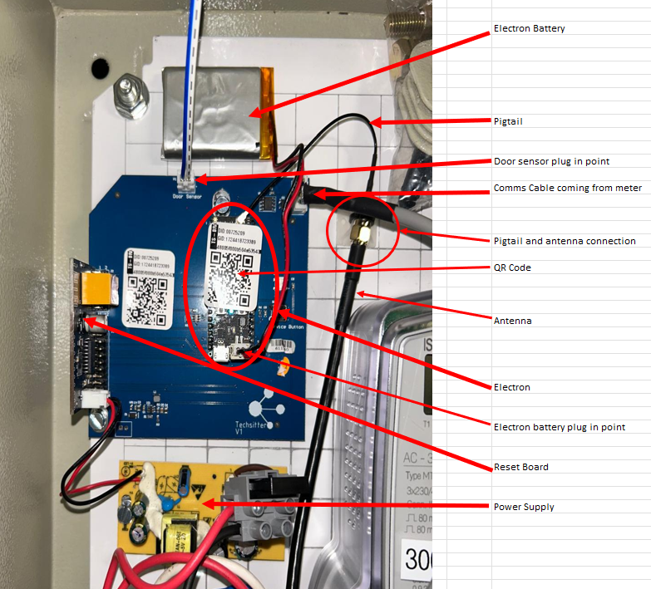
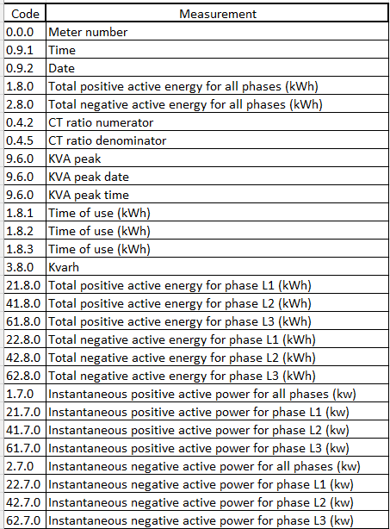
Techsitter Commissioning Report
 |  | Approved By:
 |  | Date:
 |  | Status:
 |  | Commissioning Date:
Installation Check list |  |  | Yes | No | N/A
 | Meter Sticker Name -
1. | Are all 3 phases connected and powered? (Shown by L1, L2, L3 on the meter screen.) |  | FALSE | FALSE | FALSE
2. | Is the electron battery plugged in and working? (Check this by opening the fuses to cut power to the board. If the electron stays on the battery is working) |  | FALSE | FALSE | FALSE
3. | If after 10 minutes of being powered a cellular connection has not been established please reposition the antenna and press the reset button on the electron. Is the electron now breathing Cyan? |  | FALSE | FALSE | FALSE
(a) | If after a further 10 minutes it is still not establishing a cellular connection please check that the external antenna is screwed tightly into the pigtail connector that comes from the electron. Also check that the small connector on the opposite end of the pigtail is secured firmly onto the electron? Press reset. |  | FALSE | FALSE | FALSE
(b) | Do you have a cellular connection. If not please contact Emergent. |  | FALSE | FALSE | FALSE
4. | To confirm correct CT wiring: Locate codes 1.7.0 - 62.7.0 in the meter menu and check the following.
(a) | If it is a Main meter you should only have values between 1.7.0 and 61.7.0, UNLESS, if it is day-time the site could be trying to export to the Grid if solar production is more than the site is currently using. Shutting down the solar briefly removes this as a possible cause. Please confirm you are confident in your wiring. |  | FALSE | FALSE | FALSE
(b) | If it is a Main meter and it is night you should only have values between 1.7.0 and 61.7.0. If you have a value above zero kW between 2.7.0 and 62.7.0 please correct the wiring. |  | FALSE | FALSE | FALSE
(c) | If it is a Solar meter and the system is operational you should only have values between 1.7.0 and 61.7.0. If you have any value greater than zero kW between 2.7.0 and 62.7.0 please correct the wiring. |  | FALSE | FALSE | FALSE
5. | Does the CT Ratio sticker on the meter (eg. 400A/5A) match the CTs that you have installed? |  | FALSE | FALSE | FALSE
6. | For a solar meter, enter the menu and check the following (refer to the MT174-CT Code List attached).
(a) | Confirm you have a kW value greater that zero on:
(i) | 1.7.0. |  | FALSE | FALSE | FALSE
(ii) | 21.7.0 |  | FALSE | FALSE | FALSE
(iii) | 41.70 |  | FALSE | FALSE | FALSE
(iv) | 61.70 |  | FALSE | FALSE | FALSE
(b) | Confirm you have zero kW values on
(i) | 2.7.0 |  | FALSE | FALSE | FALSE
(ii) | 22.70 |  | FALSE | FALSE | FALSE
(iii) | 42.70 |  | FALSE | FALSE | FALSE | Responsible Person: SUBCONTRACTOR Final Approval: Commissioning Technician + Matriarch Instructions: 1. Subcontractor & Project Engineer to verify correct installation. 2. Final validation by Matriarch. Add photos as a requirement
(v) | 62.7.0 |  | FALSE | FALSE | FALSE
(vi) | If the answer is No please refer back to point 4. and correct the wiring if required. |  | FALSE | FALSE | FALSE

Inspection Report
Installation Inspection Report

TO BE DONE BEFORE COMMISSIONING TESTS
 |  |  |  |  |  |  | Approved By
 |  |  |  |  |  |  | Date |  | Responsible Person: SUBCONTRACTOR Final Approval: Quality Manager Instructions: 1. Subcontractor to conduct visual inspection of the site. 2. Project Engineer to verify/comment on inspection before red team takes place.
 |  |  |  |  |  |  | Status

ROOF |  |  | Inspection 1 Accept / Reject |  | Inspection 2 Accept / Reject |  | Comments | Supporting Image (If Applicable)
1 | Has the entry roof report been completed and submitted |  | FALSE | FALSE | FALSE | FALSE
2 | Is the current roof in good condition |  | FALSE | FALSE | FALSE | FALSE
3 | Were there existing leaks prior to installation |  | FALSE | FALSE | FALSE | FALSE
4 | For sheet metals with roof penetrations: Has all holes been sealed |  | FALSE | FALSE | FALSE | FALSE
5 | High traffic areas: Has there been any damage due to foot traffic |  | FALSE | FALSE | FALSE | FALSE
6 | High traffic areas: If yes above, has the damaged areas been fixed |  | FALSE | FALSE | FALSE | FALSE
7 | Has the exit roof report been completed and submitted |  | FALSE | FALSE | FALSE | FALSE

PV Sol Design |  |  | Inspection 1 Accept / Reject |  | Inspection 2 Accept / Reject |  | Comments | Supporting Image (If Applicable)
1 | Has the modules been installed per the PV Sol design |  | FALSE | FALSE | FALSE | FALSE
2 | If no, has Emergent been notified of the changes |  | FALSE | FALSE | FALSE | FALSE
3 | Does the string layout follow the PV Sol design per the Project Description |  | FALSE | FALSE | FALSE | FALSE
4 | Does the inverter numbering on the PV Sol design follow the inverter numbering onsite |  | FALSE | FALSE | FALSE | FALSE
5 | Are there obstructions onsite that have not been accounted for in the design? |  | FALSE | FALSE | FALSE | FALSE
6 | If yes, has Emergent been notified |  | FALSE | FALSE | FALSE | FALSE
7 | For Solaredge: The layout has been loaded and strung per the as built |  | FALSE | FALSE | FALSE | FALSE
8 | For Solaredge: The optimizers has been scanned into the correct layout |  | FALSE | FALSE | FALSE | FALSE
9 | For Solaredge: Optimizer spot check has been done by Emergent |  | FALSE | FALSE | FALSE | FALSE

EARTHING |  |  | Inspection 1 Accept / Reject |  | Inspection 2 Accept / Reject |  | Comments | Supporting Image (If Applicable)
1 | Has each module been earthed to one another |  | FALSE | FALSE | FALSE | FALSE
2 | Is there an earthing & bonding arrangement between the arrays |  | FALSE | FALSE | FALSE | FALSE
3 | Has the cable trays been earthed |  | FALSE | FALSE | FALSE | FALSE
4 | If there is a Earth busbar, are all connections secure |  | FALSE | FALSE | FALSE | FALSE
5 | Has the earth cables been terminated with a lug |  | FALSE | FALSE | FALSE | FALSE
6 | All earthing connections are sound and secure |  | FALSE | FALSE | FALSE | FALSE

MOUNTING STRUCTURE |  |  | Inspection 1 Accept / Reject |  | Inspection 2 Accept / Reject |  | Comments | Supporting Image (If Applicable)
1 | Are the module clamps in their clamping zones |  | FALSE | FALSE | FALSE | FALSE
2 | Are any of the module clamps close to the end of their shortrails |  | FALSE | FALSE | FALSE | FALSE
3 | All bolts have been torqued and checked |  | FALSE | FALSE | FALSE | FALSE
4 | For sheet metals: Are any of the module clamps on the locking seams |  | FALSE | FALSE | FALSE | FALSE
5 | For pitched structures: Has the frames been installed per the drawing, this includes spacing |  | FALSE | FALSE | FALSE | FALSE
6 | Foundations have been installed correctly |  | FALSE | FALSE | FALSE | FALSE
7 | Has the structure been grounded |  | FALSE | FALSE | FALSE | FALSE
8 | Has all unused drilled holes been sealed with an Ejot Screw and silicon |  | FALSE | FALSE | FALSE | FALSE
9 | If penetrating the roof, holes have been waterproofed |  | FALSE | FALSE | FALSE | FALSE
10 | No damage to the roof during installation process |  | FALSE | FALSE | FALSE | FALSE

PV MODULES |  |  | Inspection 1 Accept / Reject |  | Inspection 2 Accept / Reject |  | Comments | Supporting Image (If Applicable)
1 | Modules are aligned in line with one another |  | FALSE | FALSE | FALSE | FALSE
2 | Corner of modules are not lifting away from sub-structure |  | FALSE | FALSE | FALSE | FALSE
3 | All modules are in sound and good working condition (no black spots, no deformed/broken cells or frames, etc. |  | FALSE | FALSE | FALSE | FALSE
4 | Inter-module connectors are properly crimped & securely connected |  | FALSE | FALSE | FALSE | FALSE
5 | Module clamps are placed within the guideline as set out by supplier |  | FALSE | FALSE | FALSE | FALSE
6 | PV modules are connected with correct polarity |  | FALSE | FALSE | FALSE | FALSE
7 | No cables are covering the modules |  | FALSE | FALSE | FALSE | FALSE
8 | Maintenance strips are adequate for cleaning |  | FALSE | FALSE | FALSE | FALSE

MC4 Connections |  |  | Inspection 1 Accept / Reject |  | Inspection 2 Accept / Reject |  | Comments | Supporting Image (If Applicable)
1 | All MC4's have been crimped and tightened with correct tool |  | FALSE | FALSE | FALSE | FALSE
2 | All MC4's between modules/optimizers have been connected properly |  | FALSE | FALSE | FALSE | FALSE
3 | Exposed MC4's are covered in adequate trunking |  | FALSE | FALSE | FALSE | FALSE
4 | No MC4's are lying on the roof |  | FALSE | FALSE | FALSE | FALSE
5 | All correct connectors have been plugged into one another e.g. MC4 with MC4 |  | FALSE | FALSE | FALSE | FALSE

DC CABLES & TRUNKING |  |  | Inspection 1 Accept / Reject |  | Inspection 2 Accept / Reject |  | Comments | Supporting Image (If Applicable)
1 | All cable entries are weather proof and sealed properly |  | FALSE | FALSE | FALSE | FALSE
2 | Are the cable tray lids secured with long lasting measures |  | FALSE | FALSE | FALSE | FALSE
3 | Have the string labels been installed on the roof PV |  | FALSE | FALSE | FALSE | FALSE
4 | All labelling is rated to last in outdoor conditions |  | FALSE | FALSE | FALSE | FALSE
5 | All cables have been connected per the string layout |  | FALSE | FALSE | FALSE | FALSE
6 | All cables are selected for current carrying capacity and voltage drop as per approved design |  | FALSE | FALSE | FALSE | FALSE
7 | Cables are neatly attached to sub-structure/modules |  | FALSE | FALSE | FALSE | FALSE
8 | Conductors routed are in safe zone or protected against mechanical damage |  | FALSE | FALSE | FALSE | FALSE
9 | All signage's are appropriate and relevant |  | FALSE | FALSE | FALSE | FALSE
10 | Trunking is in appropriate position and enclosed/sealed properly. (Check along roof-in building-inverters-main DB) |  | FALSE | FALSE | FALSE | FALSE
11 | In the event of MC4 connections/extenders, have these been indicated on the trunking and to Emergent Energy |  | FALSE | FALSE | FALSE | FALSE
12 | Has the cable tray joins and cuts been cold galvanised or protected from environment in some manner |  | FALSE | FALSE | FALSE | FALSE
13 | Cables are managed neatly in the cable trays and will not pinch in the lid and no sharp edges at cable tray joints/bends |  | FALSE | FALSE | FALSE | FALSE
14 | If sprague is used between module arrays & module wireways: Is it secured to roof/does not move freely |  | FALSE | FALSE | FALSE | FALSE
15 | If trunking is used between module arrays & module wireways: Is there adequate protection between the trunking and the module frame |  | FALSE | FALSE | FALSE | FALSE
16 | Cable trays are properly fixed and does not show excessive deflection |  | FALSE | FALSE | FALSE | FALSE
17 | Cables within trunking are not at sharp bends, etc. |  | FALSE | FALSE | FALSE | FALSE

CHECKLIST FOR DC JUNCTION BOX |  |  | Inspection 1 Accept / Reject |  | Inspection 2 Accept / Reject |  | Comments | Supporting Image (If Applicable)
1 | Is the box IP65/67 rated |  | FALSE | FALSE | FALSE | FALSE
2 | Has it been secured properly |  | FALSE | FALSE | FALSE | FALSE
3 | Has all strings been labelled |  | FALSE | FALSE | FALSE | FALSE
4 | Is the box properly sealed to prevent water ingress |  | FALSE | FALSE | FALSE | FALSE
5 | Are all connections adequate and properly torqued |  | FALSE | FALSE | FALSE | FALSE

CHECKLIST FOR TRENCHING |  |  | Inspection 1 Accept / Reject |  | Inspection 2 Accept / Reject |  | Comments | Supporting Image (If Applicable)
1 | Are there spares placed in the sleeves |  | FALSE | FALSE | FALSE | FALSE
2 | Has perforated sleeves been used |  | FALSE | FALSE | FALSE | FALSE
3 | Is the trench at the correct depth |  | FALSE | FALSE | FALSE | FALSE
4 | Are the sleeves protected by bedding sand |  | FALSE | FALSE | FALSE | FALSE
5 | Are the cable sleeves isolated and protected from water pipes |  | FALSE | FALSE | FALSE | FALSE

CHECKLIST FOR WALKWAYS & CATLADDERS |  |  | Inspection 1 Accept / Reject |  | Inspection 2 Accept / Reject |  | Comments | Supporting Image (If Applicable)
1 | Walkways are properly/securely fixed to the roof sheeting |  | FALSE | FALSE | FALSE | FALSE
2 | Walkways are installed per the design |  | FALSE | FALSE | FALSE | FALSE
3 | The spacing between the walkways are adequate and do not show deflection |  | FALSE | FALSE | FALSE | FALSE
4 | Is the catladder stable and secured to the substructure |  | FALSE | FALSE | FALSE | FALSE
5 | The catladder is installed per the design |  | FALSE | FALSE | FALSE | FALSE

CHECKLIST FOR DC UNIT |  |  | Inspection 1 Accept / Reject |  | Inspection 2 Accept / Reject |  | Comments | Supporting Image (If Applicable)
1 | Wiring is as per supplier instruction |  | FALSE | FALSE | FALSE | FALSE
2 | String fuses are available and inserted |  | FALSE | FALSE | FALSE | FALSE
3 | Brand: | Size: | FALSE | FALSE | FALSE | FALSE
4 | All boxes are properly fixed at appropriate locations & neat |  | FALSE | FALSE | FALSE | FALSE
5 | DC surge protection devices are available inside the box/inverter |  | FALSE | FALSE | FALSE | FALSE
6 | Box, related components & insulation rating based on maximum DC voltage |  | FALSE | FALSE | FALSE | FALSE
7 | Boxes for outdoor use should be suitably rated based on South African climate |  | FALSE | FALSE | FALSE | FALSE
8 | Gland holes are sealed properly at unused entry points |  | FALSE | FALSE | FALSE | FALSE
9 | DC isolator is present in DC unit |  | FALSE | FALSE | FALSE | FALSE
10 | All connections have been checked and torqued, including pre-wired connections |  | FALSE | FALSE | FALSE | FALSE
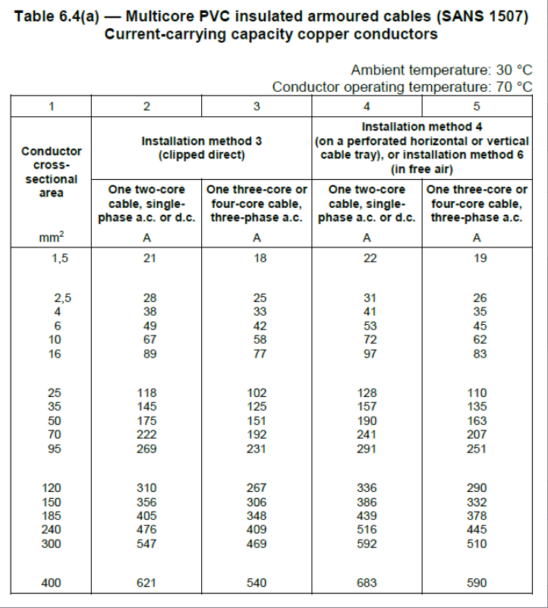
CHECKLIST FOR SENSORS/WEATHER STATION |  |  | Inspection 1 Accept / Reject |  | Inspection 2 Accept / Reject |  | Comments | Supporting Image (If Applicable)
1 | Irradiance Sensor/Weather Station/Temperature Sensors: Has the sensor been installed as per the design specification |  | FALSE | FALSE | FALSE | FALSE
2 | Irradiance Sensor/Weather Station: Is it away from any obstructions/shading |  | FALSE | FALSE | FALSE | FALSE
3 | Irradiance Sensor: Installed at a slight angle to allow for water runoff |  | FALSE | FALSE | FALSE | FALSE
4 | Sensors are secured properly |  | FALSE | FALSE | FALSE | FALSE
5 | Additional sensors are in the correction location |  | FALSE | FALSE | FALSE | FALSE
6 | The correct sensor/weather station cables have been used |  | FALSE | FALSE | FALSE | FALSE
7 | Sensor cable are in conduit and protected from external conditions and damage |  | FALSE | FALSE | FALSE | FALSE
8 | Sensor cables have been labelled |  | FALSE | FALSE | FALSE | FALSE
9 | Sensor cables do not run alongside any AC cables |  | FALSE | FALSE | FALSE | FALSE
10 | All test certificates and relevant documentation handed over to Emergent Energy |  | FALSE | FALSE | FALSE | FALSE

AC PROTECTION AGAINST OVER-VOLTAGE AND ELECTRIC SHOCK |  |  | Inspection 1 Accept / Reject |  | Inspection 2 Accept / Reject |  | Comments | Supporting Image (If Applicable)
1 | Live parts are insulated and protected by barrier/enclosure, placed out of reach |  | FALSE | FALSE | FALSE | FALSE
2 | Surge protection devices are available |  | FALSE | FALSE | FALSE | FALSE
3 | External lightning protection system is available or installed, if necessary |  | FALSE | FALSE | FALSE | FALSE
4 | PV grounding and earthing pass per the previous section |  | FALSE | FALSE | FALSE | FALSE
5 | All earthing and lightning arrestor checklists have been completed |  | FALSE | FALSE | FALSE | FALSE

CHECKLIST FOR INVERTER |  |  | Inspection 1 Accept / Reject |  | Inspection 2 Accept / Reject |  | Comments | Supporting Image (If Applicable)
1 | Inverter is installed as per manufacturer’s guideline (mounting and ventilation space) |  | FALSE | FALSE | FALSE | FALSE
2 | Inverter is properly earthed |  | FALSE | FALSE | FALSE | FALSE
3 | All ducting and glands are in place and secure |  | FALSE | FALSE | FALSE | FALSE
4 | Inverter is securely mounted onto the wall |  | FALSE | FALSE | FALSE | FALSE
5 | Inverter room is well ventilated |  | FALSE | FALSE | FALSE | FALSE
6 | Inverter for outdoor use shall be suitably rated based on the South African climate. |  | FALSE | FALSE | FALSE | FALSE
7 | Inverter incoming PV cables are terminated and properly connected as per drawing |  | FALSE | FALSE | FALSE | FALSE
8 | Inverters have been commissioned as per the suppliers manual |  | FALSE | FALSE | FALSE | FALSE
9 | String inputs have been labelled |  | FALSE | FALSE | FALSE | FALSE
10 | Firewalls and fire compartments have been taken into consideration in accordance with the fire protection regulations |  | FALSE | FALSE | FALSE | FALSE
11 | The inverters are communicating properly with the monitoring platform |  | FALSE | FALSE | FALSE | FALSE
12 | Inverter serial numbers and inverter inputs have been captured and provided to Emergent Energy |  | FALSE | FALSE | FALSE | FALSE
13 | Inverters are shaded/protected from direct sunlight and rain |  | FALSE | FALSE | FALSE | FALSE
14 | Inverters have been labelled |  | FALSE | FALSE | FALSE | FALSE
15 | RS485 communications cables do not run alongside AC cables |  | FALSE | FALSE | FALSE | FALSE

CHECKLIST FOR INVERTER - CONTINUED |  |  | Inspection 1 Accept / Reject |  | Inspection 2 Accept / Reject |  | Comments | Supporting Image (If Applicable)
WIRING - AC
1 | Inverter incoming/outgoing cables are adequatly selected for the inverter/circuit breaker rating |  | FALSE | FALSE | FALSE | FALSE
2 | Inverter incoming/outgoing cables are properly terminated, connected as per drawing and torqued |  | FALSE | FALSE | FALSE | FALSE
3 | Inverter and inverter breakers are labelled |  | FALSE | FALSE | FALSE | FALSE
4 | Proper labelling of all the cables and components are done |  | FALSE | FALSE | FALSE | FALSE
5 | AC cables are properly sized. Please indicate: |  | FALSE | FALSE | FALSE | FALSE
6 | Inverter grid settings are as per local utility guidelines |  | FALSE | FALSE | FALSE | FALSE

CHECKLIST FOR BATTERY AND COMPONENTS |  |  | Inspection 1 Accept / Reject |  | Inspection 2 Accept / Reject |  | Comments | Supporting Image (If Applicable)
1 | Live parts are insulated and protected by barrier/enclosure, placed out of reach |  | FALSE | FALSE | FALSE | FALSE
2 | Correct designed fuse used for battery cable protection |  | FALSE | FALSE | FALSE | FALSE
3 | Correctly rated cabling used for battry connections |  | FALSE | FALSE | FALSE | FALSE
4 | Battery cables are protected by using appropriate wireways/trunking |  | FALSE | FALSE | FALSE | FALSE
5 | Battery communication cables correctly selected and installed |  | FALSE | FALSE | FALSE | FALSE
6 | Battery unit adequately placed and secured to avoid shifting or toppling |  | FALSE | FALSE | FALSE | FALSE
7 | Battery housing has been properly bonded |  | FALSE | FALSE | FALSE | FALSE

CHECKLIST FOR AC DISTRIBUTION BOX |  |  | Inspection 1 Accept / Reject |  | Inspection 2 Accept / Reject |  | Comments | Supporting Image (If Applicable)
1 | AC-DB is properly mounted as per design document |  | FALSE | FALSE | FALSE | FALSE
2 | Sufficient free space available around and inside the DB to prevent heat generation |  | FALSE | FALSE | FALSE | FALSE
3 | In the event of heat build up, the DB has an extraction fan |  | FALSE | FALSE | FALSE | FALSE
4 | All cables have been labelled |  | FALSE | FALSE | FALSE | FALSE
5 | AC-DB is properly earthed |  | FALSE | FALSE | FALSE | FALSE
6 | The connections for phase sequence L1, L2 & L3 are in proper order (for three phase inverters) |  | FALSE | FALSE | FALSE | FALSE
7 | PV DB is shaded from direct sunlight and rain |  | FALSE | FALSE | FALSE | FALSE
8 | Incoming/outgoing cables are properly connected and terminate as per approved schematic diagram |  | FALSE | FALSE | FALSE | FALSE
9 | Cables have been heat shrinked properly |  | FALSE | FALSE | FALSE | FALSE
10 | Proper tagging (NRS097 code) of all cables and components are done |  | FALSE | FALSE | FALSE | FALSE
11 | All cable glands are properly secured & sealed |  | FALSE | FALSE | FALSE | FALSE
12 | PV DB conforms with the SLD |  | FALSE | FALSE | FALSE | FALSE
13 | Inverter and main solar breaker is rated for current carrying capacity |  | FALSE | FALSE | FALSE | FALSE
14 | Inverter AC cables are properly sized based on current and breaker size |  | FALSE | FALSE | FALSE | FALSE
15 | AC cables are properly sized. Please indicate: |  | FALSE | FALSE | FALSE | FALSE
16 | All connections have been checked and torqued |  | FALSE | FALSE | FALSE | FALSE
17 | Boxes for outdoor use shall be suitably rated based on South African climate |  | FALSE | FALSE | FALSE | FALSE
18 | Cable bends are not too small in radius and are mechanically protected |  | FALSE | FALSE | FALSE | FALSE
19 | RS485 communications cables do not run alongside AC cables |  | FALSE | FALSE | FALSE | FALSE
20 | Shielded RS584 cable was used |  | FALSE | FALSE | FALSE | FALSE

CHECKLIST FOR AC BREAKER IN CLIENT DB |  |  | Inspection 1 Accept / Reject |  | Inspection 2 Accept / Reject |  | Comments | Supporting Image (If Applicable)
1 | AC-DB is properly mounted as per design document |  | FALSE | FALSE | FALSE | FALSE
2 | The relay is powered and drawing reference from the grid side of the clients solar breker |  | FALSE | FALSE | FALSE | FALSE
3 | The breaker is 4-Pole (or solar breaker is 4-Pole) |  | FALSE | FALSE | FALSE | FALSE
4 | The UPS is drawing power from the grid side of the clients solar breker |  | FALSE | FALSE | FALSE | FALSE
5 | Cables have been heat shrinked properly |  | FALSE | FALSE | FALSE | FALSE
6 | All connections have been checked and torqued |  | FALSE | FALSE | FALSE | FALSE
7 | AC breaker is rated for current carrying capacity |  | FALSE | FALSE | FALSE | FALSE
8 | Breaker/meter/relay has been adequately labelled |  | FALSE | FALSE | FALSE | FALSE
9 | Inverter AC cables are properly sized based on current and breaker size |  | FALSE | FALSE | FALSE | FALSE
10 | AC cables are properly sized. Please indicate: |  | FALSE | FALSE | FALSE | FALSE
11 | Take a photo of the trip settings of the grid relay (if applicable) |  | FALSE | FALSE | FALSE | FALSE
12 | Proper tagging (NRS097 code) of all cables and components are done |  | FALSE | FALSE | FALSE | FALSE
13 | A grid loss test has been conducted to insure anti-islanding is functional |  | FALSE | FALSE | FALSE | FALSE
14 | Cable bends are not too small in radius and are mechanically protected |  | FALSE | FALSE | FALSE | FALSE
15 | Shielded RS584 cable was used |  | FALSE | FALSE | FALSE | FALSE

CHECKLIST FOR CABLE IDENTIFICATION AND CABLE ROUTING INSPECTION |  |  | Inspection 1 Accept / Reject |  | Inspection 2 Accept / Reject |  | Comments | Supporting Image (If Applicable)
1 | All power cable routes & locations are as per drawing |  | FALSE | FALSE | FALSE | FALSE
2 | All cables are properly tagged |  | FALSE | FALSE | FALSE | FALSE
3 | Cable caution tape is used for all underground cables as per regulation |  | FALSE | FALSE | FALSE | FALSE
4 | All trunking and conduits are installed as per design document |  | FALSE | FALSE | FALSE | FALSE
5 | All wiring is in neat condition |  | FALSE | FALSE | FALSE | FALSE
6 | No damage to cables is permitted |  | FALSE | FALSE | FALSE | FALSE
7 | All potential hazards are irradiated |  | FALSE | FALSE | FALSE | FALSE
8 | Trunking is per wiring code |  | FALSE | FALSE | FALSE | FALSE
9 | The COC has been handed to Emergent Energy |  | FALSE | FALSE | FALSE | FALSE

CHECKLIST FOR MONITORING SYSTEM |  |  | Inspection 1 Accept / Reject |  | Inspection 2 Accept / Reject |  | Comments | Supporting Image (If Applicable)
1 | Local & remote communication & data logging system is available |  | FALSE | FALSE | FALSE | FALSE
2 | Identification marks on communication cable are available and as per regulations |  | FALSE | FALSE | FALSE | FALSE
3 | Communication system architecture diagram is displayed near the computer in the control room |  | FALSE | FALSE | FALSE | FALSE
4 | Gap/seperation maintained between power cables and signal cables routing |  | FALSE | FALSE | FALSE | FALSE
5 | Shielded RS485 or applicable cable was used |  | FALSE | FALSE | FALSE | FALSE
6 | External communications has been established |  | FALSE | FALSE | FALSE | FALSE

CHECKLIST FOR GENERATOR INTEGRATION |  |  | Inspection 1 Accept / Reject |  | Inspection 2 Accept / Reject |  | Comments | Supporting Image (If Applicable)
1 | The SLD was followed |  | FALSE | FALSE | FALSE | FALSE
2 | The communication board and controller is connected to a backup UPS |  | FALSE | FALSE | FALSE | FALSE
3 | The gen meter installed and reading properly, CT's as well |  | FALSE | FALSE | FALSE | FALSE
4 | The gen meter labelled |  | FALSE | FALSE | FALSE | FALSE
5 | All generator communication cables are protected and isolated from AC cables |  | FALSE | FALSE | FALSE | FALSE
6 | The correct communication cable was installed |  | FALSE | FALSE | FALSE | FALSE
7 | Has generator integration testing been completed during sunlight hours with actual grid loss |  | FALSE | FALSE | FALSE | FALSE
8 | The SLD is available and stored in a DB onsite |  | FALSE | FALSE | FALSE | FALSE

CHECKLIST FOR INVERTER OVERHANG & ENCLOSURE |  |  | Inspection 1 Accept / Reject |  | Inspection 2 Accept / Reject |  | Comments | Supporting Image (If Applicable)
1 | The inverter overhang provides sufficient cover to the inverters |  | FALSE | FALSE | FALSE | FALSE
2 | The outdoor rating of the overhang can protect the inverters from outdoor weather conditions |  | FALSE | FALSE | FALSE | FALSE
3 | The inverter overhang is secured properly to a wall/frame |  | FALSE | FALSE | FALSE | FALSE
4 | The inverter enclosure is secured properly to a wall/frame |  | FALSE | FALSE | FALSE | FALSE
5 | The inverter enclosure is stable |  | FALSE | FALSE | FALSE | FALSE
6 | The enclosure has sufficient ventilation |  | FALSE | FALSE | FALSE | FALSE
7 | Where applicable: The enclosure protects the inverter from outdoor weather conditions |  | FALSE | FALSE | FALSE | FALSE

METER |  |  | Inspection 1 Accept / Reject |  | Inspection 2 Accept / Reject |  | Comments | Supporting Image (If Applicable)
1 | Has the meter been installed correctly, CT direction checked |  | FALSE | FALSE | FALSE | FALSE
2 | The correct CT's have been used |  | FALSE | FALSE | FALSE | FALSE
3 | If converters or rowgowski's have been used, has the converters been powered up |  | FALSE | FALSE | FALSE | FALSE
4 | Is the meter connected to the inverter/datalogger & in working condition |  | FALSE | FALSE | FALSE | FALSE
5 | All parameters are properly configured per requirement |  | FALSE | FALSE | FALSE | FALSE
6 | Have you installed protection at the meter? Note the details below |  | FALSE | FALSE | FALSE | FALSE
7 | Has the master inverter/logger been programmed for the meter? |  | FALSE | FALSE | FALSE | FALSE
8 | Is the meter powered up per the SLD, between client solar breaker and grid supply |  | FALSE | FALSE | FALSE | FALSE
9 | Shielded RS485 or applicable cable was used |  | FALSE | FALSE | FALSE | FALSE
10 | Is the cabling in a neat and tidy condition |  | FALSE | FALSE | FALSE | FALSE

Testing Report
Testing Report
ATTACH STRING LAYOUT & SLD BELOW (Insert Link to Engineering Pack) |  |  |  |  |  |  |  |  | Responsible Person: SUBCONTRACTOR/PROJECT ENGINEER Final Approval: Quality Manager Instructions: 1. Subcontractor to conduct measurements. 2. Project Engineer to verify readings are correct. Use pictures if necessary.
 |  |  |  |  |  |  | Approved By
 |  |  |  |  |  |  | Date
 |  |  |  |  |  |  | Status
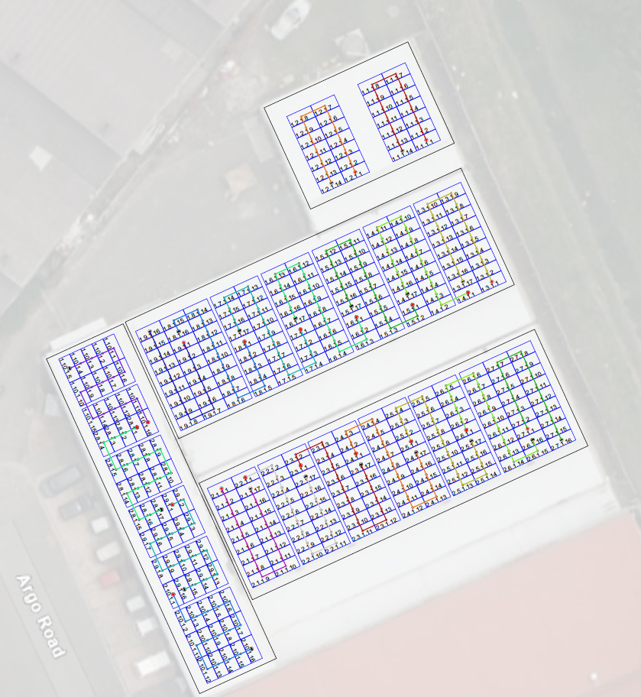
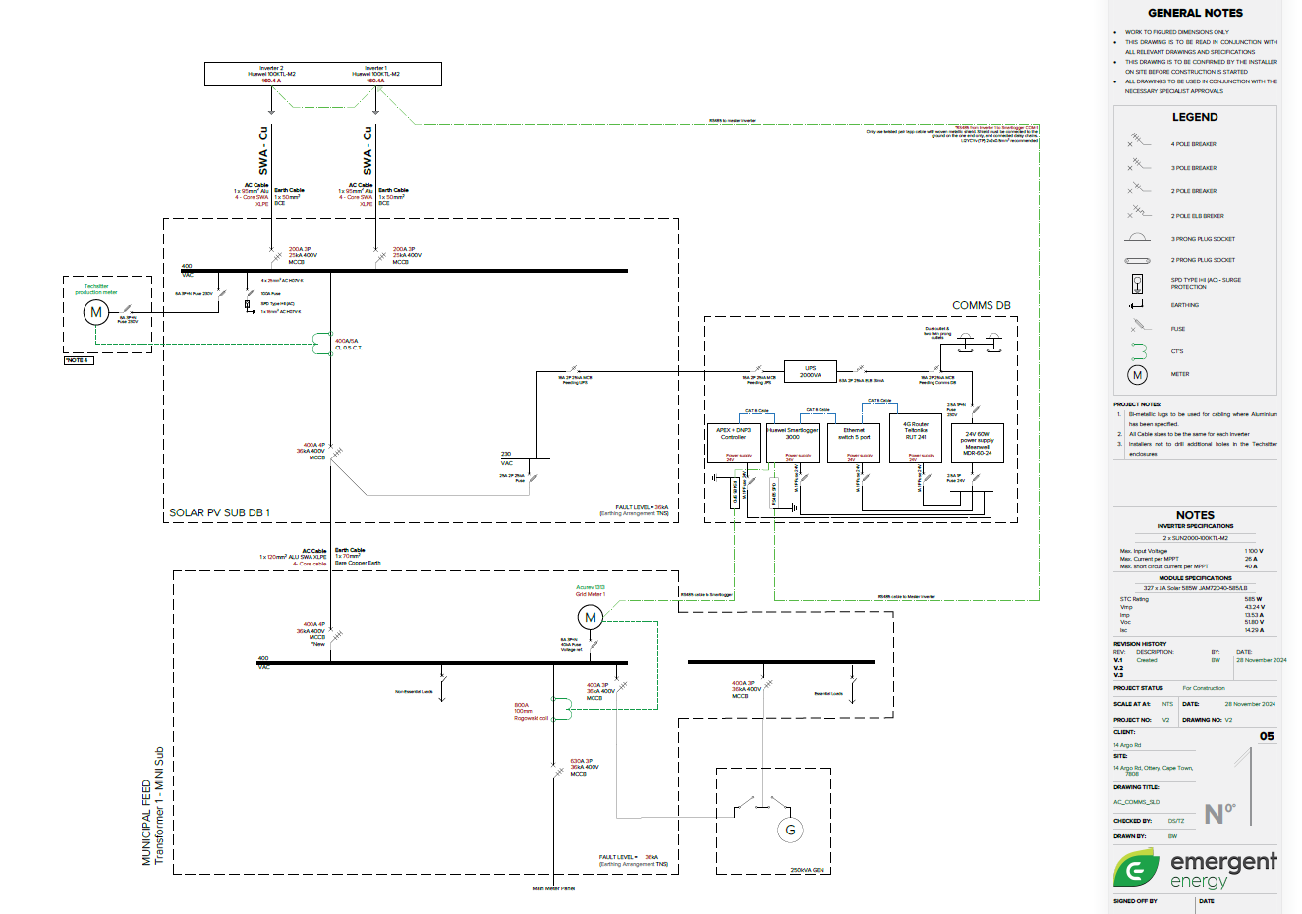

Module Details
Voc | 49.08 | V
CT | -0.25 | %/Degree C
Vmp | 40.74 | V
Iscm | 16.08 | A
I | Table below | W/m^2
C_I | 0.045 | %/Degree C
I_STC | 1000 | W/m^2

Inverter Number | Make | Model | Inverter Grid Code | Protocol (TCP/RTU) | ID/IP ADDRESS | Serial Number
Inverter 1 | Huawei | SUN2000-100KTL-M2 | NRS-097-2-1 | TCP | 101 | 6T24B9035726
Module Count Per String | Inv Input No. & String No. | DC Vmp (+-) | DC Voc (+-) | +- to Earth (>1M.ohm) | Module Temperature | Cell temperature | String Isc (Ampere) | Irradiation (W/m2)
18 | 1.1 | 676.88 | 827 |  | 35 | 37.1 | 15 | 700
 |  |  |  |  |  |  |  |  | Test point | All new cables
 |  |  |  |  |  |  |  |  | Reason for test | Testing is performed on to confirm correct voltages, amps and no earth leakage
 |  |  |  |  |  |  |  |  |  | Use appropriate tools to measure and record (eg. Seaward, Sonel PV tester)
 |  |  |  |  |  |  |  |  | Instructions | - When testing DC off, test with DC switch disconnected
 |  |  |  |  |  |  |  |  |  | - When testing + to Earth and - to earth, DC must be off
 |  |  |  |  |  |  |  |  |  | - For SolarEdge no need to test voltage for DC on. Confirm DC voltage from the screen/app. When testing the DC ensure that the fuses are open
 |  |  |  |  |  |  |  |  |  | - For Huawei confirm DC on voltage with Sun2000 App
 |  |  |  |  |  |  |  |  |  | - For others confirm with what is available
 |  |  |  |  |  |  |  |  |  | - Test continuity if there are fuses
 |  |  |  |  |  |  |  |  |  | - To test insulation resistance, the system must be off and disconnected from the inverter and you need a Seward or Megohmmeter. Set meter to 1000V. SURGE PROTECTION MUST BE DISCONNECTED & fuses open
 |  |  |  |  |  |  |  |  | Reject if: | - Voltage readings do not line up with the string layout
 |  |  |  |  |  |  |  |  |  | - SE: High voltage between strings when system is offline i.e. anything greater than 20V
 |  |  |  |  |  |  |  |  |  | - Insulation resistance is greater than 0.2 ohms
 |  |  |  |  |  |  |  |  | Earthing | Circle the method of earthing here:
 |  |  |  |  |  |  |  |  |  | Earthing results can be completed in the table below or in the earthing tests section
 |  |  |  |  |  |  |  |  |  | Per String | Per Inverter | Per Arrray | Per Roof

Notes:

IV CURVE CALCULATIONS

Inverter 1
Inv Input No. & String No. | V_theo | (1-7%) | (1+7%) | Pass/Fail | I_theo | (1-10%) | (1+10%) | Pass/Fail
1.1 | 856.71594 | 796.7458242 | 916.6860558 | Passed | 11.31728892 | 10.185560028 | 12.449017812 | Failed

Notes:

Inverter Number | Make | Model | Inverter Grid Code | Protocol (TCP/RTU) | ID/IP ADDRESS | Serial Number
Inverter 2 | 0 | 0 | 0 | 0 | 0 | 0
Module Count Per String | Inv Input No. & String No. | DC Vmp (+-) | DC Voc (+-) | +- to Earth (>1M.ohm) | Module Temperature | Cell temperature | String Isc (Ampere) | Irradiation (W/m2)
18 | 1 | 729.88 | 880 |  | 35 | 37.1 | 11 | 700

Notes:

IV CURVE CALCULATIONS

Inverter 2
Inv Input No. & String No. | V_theo | (1-7%) | (1+7%) | Pass/Fail | I_theo | (1-10%) | (1+10%) | Pass/Fail
1 | 856.71594 | 796.7458242 | 916.6860558 | Passed | 11.31728892 | 10.185560028 | 12.449017812 | Passed

Notes:

Inverter Number | Make | Model | Inverter Grid Code | Protocol (TCP/RTU) | ID/IP ADDRESS | Serial Number
Inverter 3 | 0 | 0 | 0 | 0 | 0 | 0
Module Count Per String | Inv Input No. & String No. | DC Vmp (+-) | DC Voc (+-) | +- to Earth (>1M.ohm) | Module Temperature | Cell temperature | String Isc (Ampere) | Irradiation (W/m2)
18 | 1.1 | 669.88 | 820 |  | 25 | 26.95 | 10.00 | 650

Notes:

IV CURVE CALCULATIONS

Inverter 3
Inv Input No. & String No. | V_theo | (1-7%) | (1+7%) | Pass/Fail | I_theo | (1-10%) | (1+10%) | Pass/Fail
1.1 | 879.13323 | 817.5939039 | 940.6725561 | Passed | 10.46117163 | 9.415054467 | 11.507288793 | Passed

Notes:

Inverter Number | Make | Model | Inverter Grid Code | Protocol (TCP/RTU) | ID/IP ADDRESS | Serial Number
Inverter 4 | 0 | 0 | 0 | 0 | 0 | 0
Module Count Per String | Inv Input No. & String No. | DC Vmp (+-) | DC Voc (+-) | +- to Earth (>1M.ohm) | Module Temperature | Cell temperature | String Isc (Ampere) | Irradiation (W/m2)
18 | 1 | 729.88 | 880 |  | 35 | 36.95 | 11 | 650

Notes:

IV CURVE CALCULATIONS

Inverter 4
Inv Input No. & String No. | V_theo | (1-7%) | (1+7%) | Pass/Fail | I_theo | (1-10%) | (1+10%) | Pass/Fail
1 | 857.04723 | 797.0539239 | 917.0405361 | Passed | 10.50820563 | 9.457385067 | 11.559026193 | Passed

Notes:

Inverter Number | Make | Model | Inverter Grid Code | Protocol (TCP/RTU) | ID/IP ADDRESS | Serial Number
Inverter 5 | 0 | 0 | 0 | 0 | 0 | 0
Module Count Per String | Inv Input No. & String No. | DC Vmp (+-) | DC Voc (+-) | +- to Earth (>1M.ohm) | Module Temperature | Cell temperature | String Isc (Ampere) | Irradiation (W/m2)
18 | 1 | 729.88 | 880 |  | 25 | 26.95 | 11 | 650

Notes:

IV CURVE CALCULATIONS

Inverter 5
Inv Input No. & String No. | V_theo | (1-7%) | (1+7%) | Pass/Fail | I_theo | (1-10%) | (1+10%) | Pass/Fail
1 | 879.13323 | 817.5939039 | 940.6725561 | Passed | 10.46117163 | 9.415054467 | 11.507288793 | Passed

Notes:

Inverter Number | Make | Model | Inverter Grid Code | Protocol (TCP/RTU) | ID/IP ADDRESS | Serial Number
Inverter 6 | 0 | 0 | 0 | 0 | 0 | 0
Module Count Per String | Inv Input No. & String No. | DC Vmp (+-) | DC Voc (+-) | +- to Earth (>1M.ohm) | Module Temperature | Cell temperature | String Isc (Ampere) | Irradiation (W/m2)
18 | 1 | 729.88 | 880 |  | 25 | 26.95 | 11 | 650

Notes:

IV CURVE CALCULATIONS

Inverter 6
Inv Input No. & String No. | V_theo | (1-7%) | (1+7%) | Pass/Fail | I_theo | (1-10%) | (1+10%) | Pass/Fail
1 | 879.13323 | 817.5939039 | 940.6725561 | Passed | 10.46117163 | 9.415054467 | 11.507288793 | Passed

Notes:

Inverter Number | Make | Model | Inverter Grid Code | Protocol (TCP/RTU) | ID/IP ADDRESS | Serial Number
Inverter 7 | 0 | 0 | 0 | 0 | 0 | 0
Module Count Per String | Inv Input No. & String No. | DC Vmp (+-) | DC Voc (+-) | +- to Earth (>1M.ohm) | Module Temperature | Cell temperature | String Isc (Ampere) | Irradiation (W/m2)
18 | 1 | 729.88 | 880 |  | 25 | 26.95 | 11 | 650

Notes:

IV CURVE CALCULATIONS

Inverter 7
Inv Input No. & String No. | V_theo | (1-7%) | (1+7%) | Pass/Fail | I_theo | (1-10%) | (1+10%) | Pass/Fail
1 | 879.13323 | 817.5939039 | 940.6725561 | Passed | 10.46117163 | 9.415054467 | 11.507288793 | Passed

Notes:

Inverter Number | Make | Model | Inverter Grid Code | Protocol (TCP/RTU) | ID/IP ADDRESS | Serial Number
Inverter 8 | 0 | 0 | 0 | 0 | 0 | 0
Module Count Per String | Inv Input No. & String No. | DC Vmp (+-) | DC Voc (+-) | +- to Earth (>1M.ohm) | Module Temperature | Cell temperature | String Isc (Ampere) | Irradiation (W/m2)
18 | 1 | 729.88 | 880 |  | 25 | 26.95 | 11 | 650

Notes:

IV CURVE CALCULATIONS

Inverter 8
Inv Input No. & String No. | V_theo | (1-7%) | (1+7%) | Pass/Fail | I_theo | (1-10%) | (1+10%) | Pass/Fail
1 | 879.13323 | 817.5939039 | 940.6725561 | Passed | 10.46117163 | 9.415054467 | 11.507288793 | Passed

Notes:

Inverter Number | Make | Model | Inverter Grid Code | Protocol (TCP/RTU) | ID/IP ADDRESS | Serial Number
Inverter 9 | 0 | 0 | 0 | 0 | 0 | 0
Module Count Per String | Inv Input No. & String No. | DC Vmp (+-) | DC Voc (+-) | +- to Earth (>1M.ohm) | Module Temperature | Cell temperature | String Isc (Ampere) | Irradiation (W/m2)
18 | 1 | 729.88 | 880 |  | 25 | 26.95 | 11 | 650

Notes:

IV CURVE CALCULATIONS

Inverter 9
Inv Input No. & String No. | V_theo | (1-7%) | (1+7%) | Pass/Fail | I_theo | (1-10%) | (1+10%) | Pass/Fail
1 | 879.13323 | 817.5939039 | 940.6725561 | Passed | 10.46117163 | 9.415054467 | 11.507288793 | Passed

Notes:

Inverter Number | Make | Model | Inverter Grid Code | Protocol (TCP/RTU) | ID/IP ADDRESS | Serial Number
Inverter 10 | 0 | 0 | 0 | 0 | 0 | 0
Module Count Per String | Inv Input No. & String No. | DC Vmp (+-) | DC Voc (+-) | +- to Earth (>1M.ohm) | Module Temperature | Cell temperature | String Isc (Ampere) | Irradiation (W/m2)
18 | 1 | 729.88 | 880 |  | 25 | 26.95 | 11 | 650

Notes:

IV CURVE CALCULATIONS

Inverter 10
Inv Input No. & String No. | V_theo | (1-7%) | (1+7%) | Pass/Fail | I_theo | (1-10%) | (1+10%) | Pass/Fail
1 | 879.13323 | 817.5939039 | 940.6725561 | Passed | 10.46117163 | 9.415054467 | 11.507288793 | Passed

Notes:

 | AC TESTS - To comply with SANS 10142-1
 | Test point |  | Test at the inverter
 | Reason for test |  | Testing is performed on to confirm correct voltages, amps and no earth leakage
 |  |  | Use appropriate tools to measure and record
 | Instructions |  | - Switch off PV system
 |  |  | - Breaker must be on for testing
 |  |  | - Closely monitor readings throughout the duration of each test, abnormal fluctuations may indicate damaged insulation
 |  |  | - Disconnect from surge protection for insulation resistance test
 | Reject if: |  | - Voltage readings do not line up with the grid standard

 | Inverter 1 |  |  |  | Inverter 2
 | Inverter Breaker & Voltages | Measurement | Comment |  | Inverter Breaker & Voltages | Measurement | Comment
 | L1 to N |  |  |  | L1 to N
 | L2 to N |  |  |  | L2 to N
 | L3 to N |  |  |  | L3 to N
 | L1 to L2 |  |  |  | L1 to L2
 | L1 to L3 |  |  |  | L1 to L3
 | L2 to L3 |  |  |  | L2 to L3
 | N to Gnd (Less than 2V) |  |  |  | N to Gnd (Less than 2V)

 | Inverter 3 |  |  |  | Inverter 4
 | Inverter Breaker & Voltages | Measurement | Comment |  | Inverter Breaker & Voltages | Measurement | Comment
 | L1 to N |  |  |  | L1 to N
 | L2 to N |  |  |  | L2 to N
 | L3 to N |  |  |  | L3 to N
 | L1 to L2 |  |  |  | L1 to L2
 | L1 to L3 |  |  |  | L1 to L3
 | L2 to L3 |  |  |  | L2 to L3
 | N to Gnd (Less than 2V) |  |  |  | N to Gnd (Less than 2V)

 | Inverter 5 |  |  |  | Inverter 6
 | Inverter Breaker & Voltages | Measurement | Comment |  | Inverter Breaker & Voltages | Measurement | Comment
 | L1 to N |  |  |  | L1 to N
 | L2 to N |  |  |  | L2 to N
 | L3 to N |  |  |  | L3 to N
 | L1 to L2 |  |  |  | L1 to L2
 | L1 to L3 |  |  |  | L1 to L3
 | L2 to L3 |  |  |  | L2 to L3
 | N to Gnd (Less than 2V) |  |  |  | N to Gnd (Less than 2V)

 | Inverter 7 |  |  |  | Inverter 8
 | Inverter Breaker & Voltages | Measurement | Comment |  | Inverter Breaker & Voltages | Measurement | Comment
 | L1 to N |  |  |  | L1 to N
 | L2 to N |  |  |  | L2 to N
 | L3 to N |  |  |  | L3 to N
 | L1 to L2 |  |  |  | L1 to L2
 | L1 to L3 |  |  |  | L1 to L3
 | L2 to L3 |  |  |  | L2 to L3
 | N to Gnd (Less than 2V) |  |  |  | N to Gnd (Less than 2V)

 | Inverter 9 |  |  |  | Inverter 10
 | Inverter Breaker & Voltages | Measurement | Comment |  | Inverter Breaker & Voltages | Measurement | Comment
 | L1 to N |  |  |  | L1 to N
 | L2 to N |  |  |  | L2 to N
 | L3 to N |  |  |  | L3 to N
 | L1 to L2 |  |  |  | L1 to L2
 | L1 to L3 |  |  |  | L1 to L3
 | L2 to L3 |  |  |  | L2 to L3
 | N to Gnd (Less than 2V) |  |  |  | N to Gnd (Less than 2V)

 | Solar Main Breaker 1 |  |  |  | Solar Main Breaker 2
 | Inverter Breaker & Voltages | Measurement | Comment |  | Inverter Breaker & Voltages | Measurement | Comment
 | L1 to N |  |  |  | L1 to N
 | L2 to N |  |  |  | L2 to N
 | L3 to N |  |  |  | L3 to N
 | L1 to L2 |  |  |  | L1 to L2
 | L1 to L3 |  |  |  | L1 to L3
 | L2 to L3 |  |  |  | L2 to L3
 | N to Gnd (Less than 2V) |  |  |  | N to Gnd (Less than 2V)

 | Client Main Breaker 1 |  |  |  | Client Main Breaker 2
 | Inverter Breaker & Voltages | Measurement | Comment |  | Inverter Breaker & Voltages | Measurement | Comment
 | L1 to N |  |  |  | L1 to N
 | L2 to N |  |  |  | L2 to N
 | L3 to N |  |  |  | L3 to N
 | L1 to L2 |  |  |  | L1 to L2
 | L1 to L3 |  |  |  | L1 to L3
 | L2 to L3 |  |  |  | L2 to L3
 | N to Gnd (Less than 2V) |  |  |  | N to Gnd (Less than 2V)

 | Grid Meter 1 |  |  |  | Grid Meter 2
 | Inverter Breaker & Voltages | Measurement | Comment |  | Inverter Breaker & Voltages | Measurement | Comment
 | L1 to N |  |  |  | L1 to N
 | L2 to N |  |  |  | L2 to N
 | L3 to N |  |  |  | L3 to N
 | L1 to L2 |  |  |  | L1 to L2
 | L1 to L3 |  |  |  | L1 to L3
 | L2 to L3 |  |  |  | L2 to L3
 | N to Gnd (Less than 2V) |  |  |  | N to Gnd (Less than 2V)

 | PV Meter 1 |  |  |  | PV Meter 2
 | Inverter Breaker & Voltages | Measurement | Comment |  | Inverter Breaker & Voltages | Measurement | Comment
 | L1 to N |  |  |  | L1 to N
 | L2 to N |  |  |  | L2 to N
 | L3 to N |  |  |  | L3 to N
 | L1 to L2 |  |  |  | L1 to L2
 | L1 to L3 |  |  |  | L1 to L3
 | L2 to L3 |  |  |  | L2 to L3
 | N to Gnd (Less than 2V) |  |  |  | N to Gnd (Less than 2V)

 | Generator Meter 1 |  |  |  | Additional Meter
 | Inverter Breaker & Voltages | Measurement | Comment |  | Inverter Breaker & Voltages | Measurement | Comment
 | L1 to N |  |  |  | L1 to N
 | L2 to N |  |  |  | L2 to N
 | L3 to N |  |  |  | L3 to N
 | L1 to L2 |  |  |  | L1 to L2
 | L1 to L3 |  |  |  | L1 to L3
 | L2 to L3 |  |  |  | L2 to L3
 | N to Gnd (Less than 2V) |  |  |  | N to Gnd (Less than 2V)

 | Relay | Details |  |  | CONTINUITY | Measurement
 | Relay Brand |  |  |  | Continuity of bonding
 | Reference points for relay |  |  |  | Resistance of earth continuity conductor
 | Voltage upper and lower parameters
 | Frequency upper and lower parameters

 | Bonding Continuity Test
 | Earthing Test Area | Mounting Structure | Modules | Trunking | Earth Cable | Comments

 | AC TESTS - BESS

 | Hybrid Inverter Details
 | Make | Model | Serial Number | Nameplate kVA

 | Battery 1 |  |  |  | Battery 2
 | Battery Details |  | Comment |  | Battery Details |  | Comment
 | Battery Brand |  |  |  | Battery Brand
 | Battery Type |  |  |  | Battery Type
 | Serial Number |  |  |  | Serial Number
 | Nameplate Cap. kWh |  |  |  | Nameplate Cap. kWh
 | Battery CB/Fuse rating |  |  |  | Battery CB/Fuse rating
 | Nominal Voltage |  |  |  | Nominal Voltage
 | Max Charge Current |  |  |  | Max Charge Current
 | Max Discharge Current |  |  |  | Max Discharge Current

 | Battery 3 |  |  |  | Battery 4
 | Battery Details |  | Comment |  | Battery Details |  | Comment
 | Battery Brand |  |  |  | Battery Brand
 | Battery Type |  |  |  | Battery Type
 | Serial Number |  |  |  | Serial Number
 | Nameplate Cap. kWh |  |  |  | Nameplate Cap. kWh
 | Battery CB/Fuse rating |  |  |  | Battery CB/Fuse rating
 | Nominal Voltage |  |  |  | Nominal Voltage
 | Max Charge Current |  |  |  | Max Charge Current
 | Max Discharge Current |  |  |  | Max Discharge Current

 | Battery 5 |  |  |  | Battery 6
 | Battery Details |  | Comment |  | Battery Details |  | Comment
 | Battery Brand |  |  |  | Battery Brand
 | Battery Type |  |  |  | Battery Type
 | Serial Number |  |  |  | Serial Number
 | Nameplate Cap. kWh |  |  |  | Nameplate Cap. kWh
 | Battery CB/Fuse rating |  |  |  | Battery CB/Fuse rating
 | Nominal Voltage |  |  |  | Nominal Voltage
 | Max Charge Current |  |  |  | Max Charge Current
 | Max Discharge Current |  |  |  | Max Discharge Current

Battery - Voltage Checks
Test Results |  | BMS functional (Y/N) | Vdc above fuse | Vdc below fuse | Vdc on DC box/inverter | DC + to earth | DC - to earth | Earth bonding ≤0.2 ohm
Battery 1
Battery 2
Battery 3
Battery 4
Battery 5
Battery 6

Battery Commissioning
Test Results |  | Firmware updated (Y/N) | Breaker functional (Y/N) | BMS communi-cating (Y/N) | Battery profile/protocol correct (Y/N) | Inverter reading BMS (Y/N) | Battery charge setting (A) | Battery discharge setting (A)
Battery 1
Battery 2
Battery 3
Battery 4
Battery 5
Battery 6

BESS System Tests |  |  |  |  |  |  | DG Settings
Disconnection/Reconnection Test |  |  |  |  |  |  | DG start controlled by
No E/L trips |  | FALSE |  |  |  |  | DG Start SoC/VPC/V
Disconnect/Reconnection success |  | FALSE |  |  |  |  | Battery SOC
Battery Capacity Test |  |  |  |  |  |  | Battery Voltage
Battery State of Health (SoH) as per inverter |  |  |  |  |  |  | ATS
Time at disconnection |  | SoC at disconnection |  | kWh reading at disconnection (Inverter or meter)
Time at reconnection |  | SoC at reconnection |  | kWh reading at reconnection (Inverter or meter)
Time elapsed |  | SoC difference |  | kWh consumed
kWh capacity test results (kWh consumed / SoC diff %)

BESS Setting Parameters
Minimum SoC/VPC/V
Maximum Charge Current/Power
Expected recharge time if Maximum Charge rate
Maximum Grid Power
Notes:

