Sheet2
G -Irradiance | I -Current
702 | 7.49
605 | 7.17
753 | 8.77
605 | 7.14
576 | 7.04

 |  | 580
 |  | 0.19
 |  | 110.2

Sheet3
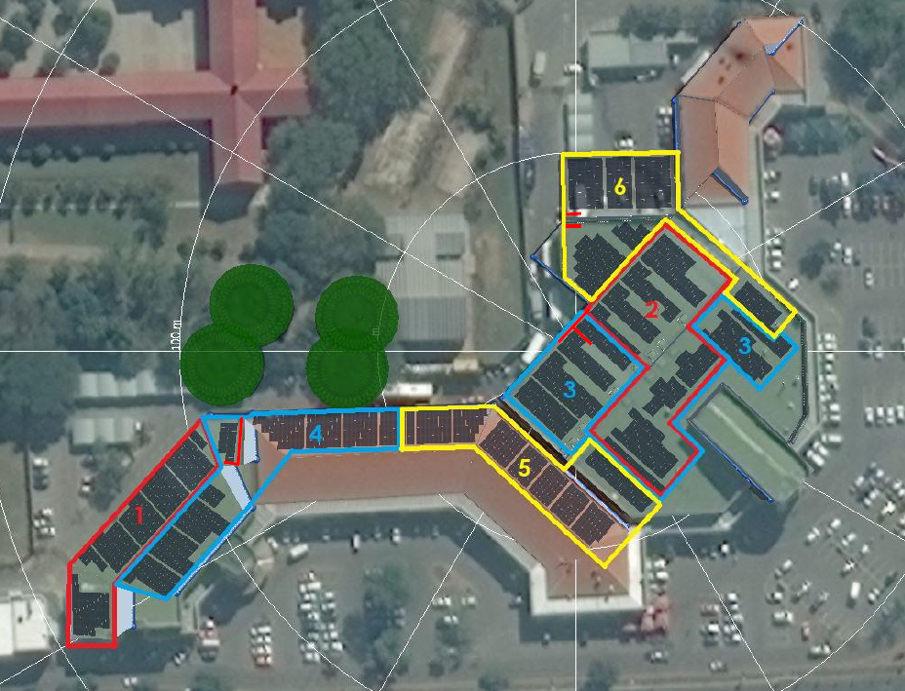
Inverter | MPPT | String | No. of modules | Orientation | Tilt angle
1 | 1 | 1 | 16 | 270 | 5
 |  | 2 | 16 | 270 | 5
 | 2 | 3 | 18 | 270 | 5

 | 3 | 4 | 17 | 310 | 5
 |  | 5 | 17 | 310 | 5
 | 4 | 6 | 17 | 310 | 5

 | 5 | 7 | 17 | 310 | 5

 | 6 | 8 | 17 | 310 | 5

 | 7 | 9 | 19 | 310 | 5

 | 8 | 10 | 19 | 310 | 5

 | 9 | 11 | 16 | 310 | 5
 |  | 12 | 16 | 310 | 5
 | 10 | 13 | 16 | 310 | 5

2 | 1 | 14 | 18 | 130 | 5
 |  | 15 | 18 | 130 | 5
 | 2 | 16 | 18 | 130 | 5
 |  | 17 | 18 | 130 | 5
 | 3 | 18 | 18 | 130 | 5
 |  | 19 | 18 | 130 | 5
 | 4 | 20 | 18 | 130 | 5

 | 5 | 21 | 17 | 310 | 5
 |  | 22 | 17 | 310 | 5
 | 6 | 23 | 17 | 310 | 5
 |  | 24 | 17 | 310 | 5
 | 7 | 25 | 17 | 310 | 5

 | 8 | 26 | 17 | 310 | 5

 | 9 | 27 | 17 | 310 | 5

 | 10 | 28 | 19 | 310 | 5

3 | 1 | 29 | 20 | 130 | 5

 | 2 | 30 | 20 | 130 | 5

 | 3 | 31 | 20 | 130 | 5

 | 4 | 32 | 20 | 130 | 5

 | 5 | 33 | 18 | 310 | 5
 |  | 34 | 18 | 310 | 5
 | 6 | 35 | 18 | 310 | 5
 |  | 36 | 18 | 310 | 5
 | 7 | 37 | 18 | 310 | 5
 |  | 38 | 18 | 310 | 5
 | 8 | 39 | 18 | 310 | 5

 | 9 | 40 | 18 | 310 | 5

 | 10 | 41 | 18 | 310 | 5

4 | 1 | 42 | 17 | 130 | 5

 | 2 | 43 | 17 | 130 | 5

 | 3 | 44 | 16 | 130 | 5

 | 4 | 45 | 16 | 130 | 5
 |  | 46 | 16 | 130 | 5
 | 5 | 47 | 16 | 130 | 5
 |  | 48 | 16 | 130 | 5
 | 6 | 49 | 16 | 0 | 5

 | 7 | 50 | 17 | 0 | 40

 | 8 | 51 | 17 | 0 | 40
 |  | 52 | 17 | 0 | 40
 | 9 | 53 | 17 | 0 | 40
 |  | 54 | 17 | 0 | 40
 | 10 | 55 | 17 | 0 | 40
 |  | 56 | 17 | 0 | 40
5 | 1 | 57 | 18 | 130 | 5
 |  | 58 | 18 | 130 | 5
 | 2 | 59 | 18 | 130 | 5

 | 3 | 60 | 16 | 40 | 40
 |  | 61 | 16 | 40 | 40
 | 4 | 62 | 16 | 40 | 40
 |  | 63 | 16 | 40 | 40
 | 5 | 64 | 17 | 40 | 40
 |  | 65 | 17 | 40 | 40
 | 6 | 66 | 17 | 40 | 40

 | 7 | 67 | 16 | 40 | 40

 | 8 | 68 | 18 | 0 | 5
 |  | 69 | 18 | 0 | 5
 | 9 | 70 | 17 | 0 | 5

 | 10 | 71 | 18 | 0 | 5

6 | 1 | 72 | 18 | 130 | 5

 | 2 | 73 | 18 | 130 | 5

 | 3 | 74 | 19 | 0 | 5

 | 4 | 75 | 19 | 0 | 5

 | 5 | 76 | 18 | 0 | 5

 | 6 | 77 | 19 | 0 | 5
 |  | 78 | 19 | 0 | 5
 | 7 | 79 | 19 | 0 | 5
 |  | 80 | 19 | 0 | 5
 | 8 | 81 | 17

 | 9 | 82 | 18 | 130 | 5

 | 10 | 83 | 18 | 130 | 5
 |  | 84 | 18 | 130 | 5

