Project Plan
 |  |  |  |  |  |  |  |  | 2026-02-23 | 2026-02-23
 | PROJECT PLAN | The View |  |  |  |  |  |  | 0 | 1
 | PROJECT SIZE (kWp) | 166
 | PROJECT DEVELOPER | Natasha Watkins-Baker |  |  |  | Target Month | 2025-08-31
 | PROJECT MANAGERS | Justin Franke
 | CONTRACT VALUE | R1,791,940.74
 | Phase: | Compliance Handover
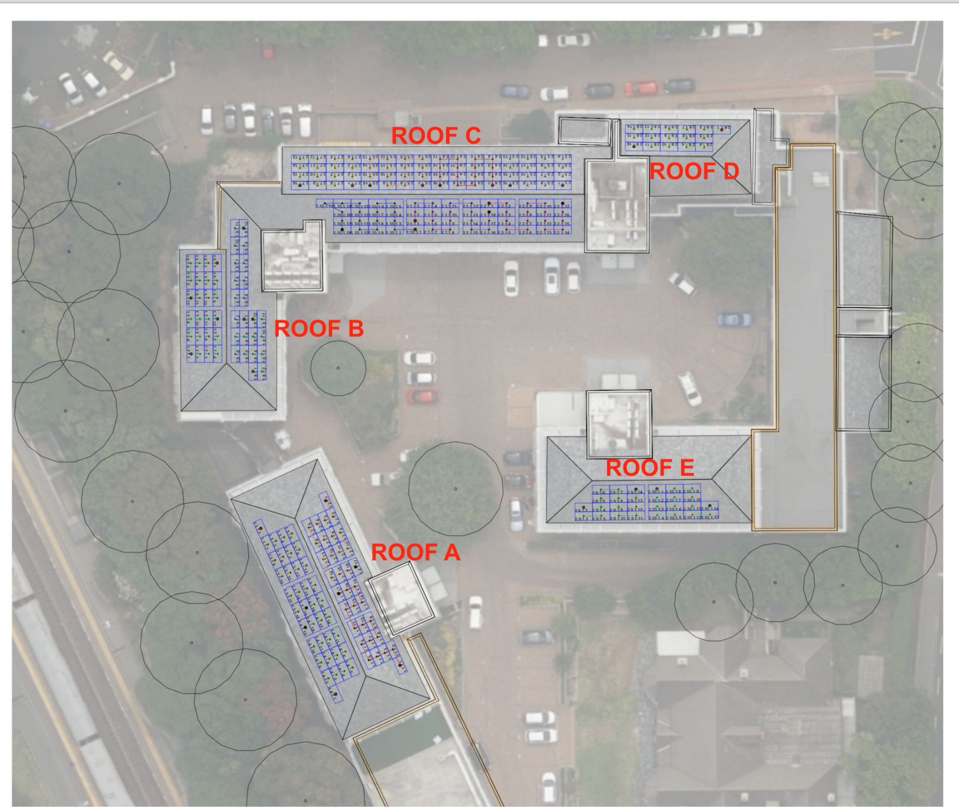
No. | HIGH LEVEL PROGRAMME | Planned Start | Duration (days) | Planned End | Actual Start | Duration (days) | Actual End | Status | Status | Comment
 |  |  | 25 |  |  | 99 |  | 99% | 100%

1 | Project Initiation | 31-Jul-25 | 12 | 12-Aug-25 | 4-Aug-25 | 17 | 21-Aug-25 | 100% | 100%
1.1 | BD Handover | 4-Aug-25 | 1 | 5-Aug-25 | 4-Aug-25 | 1 | 5-Aug-25 | 100% | 100%
1.2 | Project Introduction | 31-Jul-25 | 1 | 1-Aug-25 | 11-Aug-25 | 1 | 12-Aug-25 | 100% | 100%
1.3 | HSE | 31-Jul-25 | 8 | 12-Aug-25 | 11-Aug-25 | 8 | 21-Aug-25 | 100% | 100%
1.4 | Installer Kick Off | 31-Jul-25 | 1 | 1-Aug-25 | 11-Aug-25 | 1 | 12-Aug-25 | 100% | 100%
1.5 | Project Review | 7-Aug-25 | 1 | 8-Aug-25 | 18-Aug-25 | 1 | 19-Aug-25 | 100% | 100%

2 | Site Establishment | 14-Aug-25 | 1 | 15-Aug-25 | 25-Aug-25 | 1 | 26-Aug-25 | 100% | 100%
2.1 | Solar Contractor Establishment | 14-Aug-25 | 1 | 15-Aug-25 | 25-Aug-25 | 1 | 26-Aug-25 | 100% | 100% |  | 71 | Net Work Days

3 | AC Installation | 31-Jul-25 | 35 | 4-Sep-25 | 30-Jul-25 | 119 | 26-Nov-25 | 100% | 100% |  | 14.2 | Total Weeks
3.1 | Inverters delivered | 15-Aug-25 | 1 | 18-Aug-25 | 30-Jul-25 | 1 | 31-Jul-25 | 100% | 100% |  | 11.690140845 | kW/Week Installation Rate
3.2 | Inverters Mounted | 18-Aug-25 | 2 | 20-Aug-25 | 16-Oct-25 | 1 | 17-Oct-25 | 100% | 100%
3.3 | Solar DB Lead Time | 31-Jul-25 | 20 | 28-Aug-25 | 11-Aug-25 | 25 | 15-Sep-25 | 100% | 100% | DB board delay
3.4 | AC Works | 28-Aug-25 | 5 | 4-Sep-25 | 16-Oct-25 | 19 | 12-Nov-25 | 100% | 100%
3.5 | AC Tie-In | 28-Aug-25 | 1 | 29-Aug-25 | 25-Nov-25 | 1 | 26-Nov-25 | 100% | 100% | Pending breaker replacement

4 | DC Works | 14-Aug-25 | 21 | 4-Sep-25 | 25-Aug-25 | 92 | 25-Nov-25 | 100% | 100%
4.1 | Lifeline Installation |  |  |  | 25-Aug-25 | 2 | 14-Oct-25 | 100% | 100%
4.1 | Mounting Structure delivered | 14-Aug-25 | 1 | 15-Aug-25 | 25-Aug-25 | 1 | 26-Aug-25 | 100% | 100%
4.2 | Mounting Structure installation - Roof A | 15-Aug-25 | 3 | 20-Aug-25 | 5-Oct-25 | 2 | 7-Oct-25 | 100% | 100%
4.3 | Mounting Structure installation - Roof B | 20-Aug-25 | 1 | 29-Aug-25 | 7-Oct-25 | 5 | 14-Oct-25 | 100% | 100%
4.4 | Mounting Structure installation - Roof C | 29-Aug-25 | 2 | 2-Sep-25 | 8-Oct-25 | 2 | 10-Oct-25 | 100% | 100%
4.5 | Mounting Structure installation - Roof D | 2-Sep-25 | 1 | 3-Sep-25 | 10-Oct-25 | 1 | 13-Oct-25 | 100% | 100%
4.6 | Mounting Structure installation - Roof E | 3-Sep-25 | 1 | 4-Sep-25 | 13-Oct-25 | 1 | 14-Oct-25 | 100% | 100%
4.7 | DC Cable delivered | 14-Aug-25 | 1 | 15-Aug-25 | 25-Aug-25 | 1 | 26-Aug-25 | 100% | 100%
4.8 | DC Stringing | 23-Aug-25 | 4 | 28-Aug-25 | 28-Oct-25 | 20 | 25-Nov-25 | 100% | 100%

5 | Module installation | 14-Aug-25 | 12 | 26-Aug-25 | 30-Jul-25 | 114 | 21-Nov-25 | 100% | 100%
5.1 | Module delivery | 14-Aug-25 | 1 | 15-Aug-25 | 30-Jul-25 | 1 | 31-Jul-25 | 100% | 100%
5.2 | Module mounting - Roof A | 20-Aug-25 | 4 | 26-Aug-25 | 14-Oct-25 | 3 | 17-Oct-25 | 100% | 100%
5.3 | Module mounting - Roof B | 29-Aug-25 | 5 | 5-Sep-25 | 18-Nov-25 | 3 | 21-Nov-25 | 100% | 100%
5.4 | Module mounting - Roof C | 2-Sep-25 | 6 | 10-Sep-25 | 22-Oct-25 | 19 | 18-Nov-25 | 100% | 100%
5.5 | Module mounting - Roof D | 3-Sep-25 | 7 | 12-Sep-25 | 18-Nov-25 | 2 | 20-Nov-25 | 100% | 100%
5.6 | Module mounting - Roof E | 4-Sep-25 | 8 | 16-Sep-25 | 29-Oct-25 | 2 | 31-Oct-25 | 100% | 100%

6 | Commissioning | 4-Sep-25 | 4 | 8-Sep-25 | 26-Nov-25 | 6 | 2-Dec-25 | 100% | 100%
6.1 | Commissioning | 4-Sep-25 | 1 | 5-Sep-25 | 26-Nov-25 | 2 | 28-Nov-25 | 100% | 100%
6.2 | Practical Completion | 5-Sep-25 | 1 | 8-Sep-25 | 28-Nov-25 | 2 | 2-Dec-25 | 100% | 100%

7 | QA Inspections | 4-Sep-25 | 1 | 5-Sep-25 | 9-Dec-25 | 1 | 10-Dec-25 | 100% | 100%
7.1 | Red-Team Inspection | 4-Sep-25 | 1 | 5-Sep-25 | 9-Dec-25 | 1 | 10-Dec-25 | 100% | 100%

8 | Project Closure | 5-Sep-25 | 20 | 25-Sep-25 | 2-Dec-25 | 83 | 23-Feb-26 | 95% | 100%
8.1 | Equipment serial numbers | 5-Sep-25 | 1 | 8-Sep-25 | 10-Dec-25 | 1 | 11-Dec-25 | 100% | 100%
8.2 | Snags completion | 5-Sep-25 | 5 | 12-Sep-25 | 12-Jan-26 | 7 | 21-Jan-26 | 100% | 100%
8.3 | System Performance Monitoring | 8-Sep-25 | 5 | 15-Sep-25 | 2-Dec-25 | 25 | 8-Jan-26 | 100% | 100%
8.4 | Handover documentation | 12-Sep-25 | 1 | 15-Sep-25 | 21-Jan-26 | 16 | 12-Feb-26 | 100% | 100%
8.5 | Handover to Client | 15-Sep-25 | 1 | 16-Sep-25 | 16-Feb-26 | 1 | 17-Feb-26 | 100% | 100% | tbc
8.6 | Handover to Matriarch | 17-Sep-25 | 5 | 25-Sep-25 | 16-Feb-26 | 5 | 23-Feb-26 | 50% | 100%

Chart1
Revenue & Expenditure Tracking
 | Planned Revenue | Planned Expenditure | PLANNED CashFlow | Actual + Planned Revenue | Actual + Planned Expenditure | ACTUAL CashFlow | Revenue Recognition Cumulative
20-Jan-25 | 0 | 0 | 0 | 0 | 0 | 0 | 0
27-Jan-25 | 0 | 0 | 0 | 0 | 0 | 0 | 0
3-Feb-25 | 0 | 0 | 0 | 0 | 0 | 0 | 0
10-Feb-25 | 0 | 0 | 0 | 0 | 0 | 0 | 0
17-Feb-25 | 0 | 0 | 0 | 0 | 0 | 0 | 0
24-Feb-25 | 0 | 0 | 0 | 0 | 0 | 0 | 0
3-Mar-25 | 0 | 0 | 0 | 0 | 0 | 0 | 0
10-Mar-25 | 0 | 0 | 0 | 0 | 0 | 0 | 0
17-Mar-25 | 0 | 0 | 0 | 0 | 0 | 0 | 0
24-Mar-25 | 0 | 0 | 0 | 0 | 0 | 0 | 0
31-Mar-25 | 0 | 0 | 0 | 0 | 0 | 0 | 0
7-Apr-25 | 0 | 0 | 0 | 0 | 0 | 0 | 0
14-Apr-25 | 0 | 0 | 0 | 0 | 0 | 0 | 0
21-Apr-25 | 0 | 0 | 0 | 0 | 0 | 0 | 0
28-Apr-25 | 0 | 0 | 0 | 0 | 0 | 0 | 0
5-May-25 | 0 | 0 | 0 | 0 | 0 | 0 | 0
12-May-25 | 0 | 0 | 0 | 0 | 0 | 0 | 0
19-May-25 | 0 | 0 | 0 | 0 | 0 | 0 | 0
26-May-25 | 0 | 0 | 0 | 0 | 0 | 0 | 0
2-Jun-25 | 0 | 0 | 0 | 0 | 0 | 0 | 0
9-Jun-25 | 0 | 0 | 0 | 0 | 0 | 0 | 0
16-Jun-25 | 0 | 0 | 0 | 0 | 0 | 0 | 0
23-Jun-25 | 0 | 0 | 0 | 0 | 0 | 0 | 0
30-Jun-25 | 0 | 0 | 0 | 0 | 0 | 0 | 0
7-Jul-25 | 0 | 0 | 0 | 0 | 0 | 0 | 0
14-Jul-25 | 0 | 0 | 0 | 0 | 0 | 0 | 0
21-Jul-25 | 0 | 0 | 0 | 895,970 | 0 | 895,970 | 0
28-Jul-25 | 895,970 | 0 | 895,970 | 895,970 | 86,920 | 809,050 | 784,478
4-Aug-25 | 895,970 | 0 | 895,970 | 895,970 | 86,920 | 809,050 | 784,478
11-Aug-25 | 895,970 | 0 | 895,970 | 1,075,164 | 86,920 | 988,244 | 784,478
18-Aug-25 | 1,523,150 | 303,980 | 1,219,170 | 1,075,164 | 139,598 | 935,566 | 784,478
25-Aug-25 | 1,523,150 | 419,901 | 1,103,249 | 1,523,150 | 135,929 | 1,387,221 | 1,791,941
1-Sep-25 | 1,523,150 | 574,293 | 948,857 | 1,523,150 | 331,732 | 1,191,418 | 1,791,941
8-Sep-25 | 1,523,150 | 578,293 | 944,857 | 1,523,150 | 336,546 | 1,186,604 | 1,791,941
15-Sep-25 | 1,702,344 | 578,293 | 1,124,051 | 1,523,150 | 336,546 | 1,186,604 | 1,791,941
22-Sep-25 | 1,791,941 | 1,566,125 | 225,815 | 1,523,150 | 669,585 | 853,564 | 1,791,941
29-Sep-25 | 1,791,941 | 1,566,125 | 225,815 | 1,523,150 | 953,792 | 569,358 | 1,791,941
6-Oct-25 | 1,791,941 | 1,566,125 | 225,815 | 1,523,150 | 953,792 | 569,358 | 1,791,941
13-Oct-25 | 1,791,941 | 1,566,125 | 225,815 | 1,523,150 | 953,792 | 569,358 | 1,791,941
20-Oct-25 | 1,791,941 | 1,566,125 | 225,815 | 1,523,150 | 953,792 | 569,358 | 1,791,941
27-Oct-25 | 1,791,941 | 1,566,125 | 225,815 | 1,523,150 | 1,091,742 | 431,408 | 1,791,941
3-Nov-25 | 1,791,941 | 1,566,125 | 225,815 | 1,523,150 | 1,280,813 | 242,337 | 1,791,941
10-Nov-25 | 1,791,941 | 1,566,125 | 225,815 | 1,523,150 | 1,280,813 | 242,337 | 1,791,941
17-Nov-25 | 1,791,941 | 1,566,125 | 225,815 | 1,523,150 | 1,280,813 | 242,337 | 1,791,941
24-Nov-25 | 1,791,941 | 1,566,125 | 225,815 | 1,523,150 | 1,280,813 | 242,337 | 1,791,941
1-Dec-25 | 1,791,941 | 1,566,125 | 225,815 | 1,523,150 | 1,517,152 | 5,998 | 1,791,941
8-Dec-25 | 1,791,941 | 1,566,125 | 225,815 | 1,523,150 | 1,517,152 | 5,998 | 1,791,941
15-Dec-25 | 1,791,941 | 1,566,125 | 225,815 | 1,702,344 | 1,517,152 | 185,192 | 1,791,941
22-Dec-25 | 1,791,941 | 1,566,125 | 225,815 | 1,702,344 | 1,706,223 | -3,879 | 1,791,941
29-Dec-25 | 1,791,941 | 1,566,125 | 225,815 | 1,702,344 | 1,716,722 | -14,379 | 1,791,941
...

