Project Plan
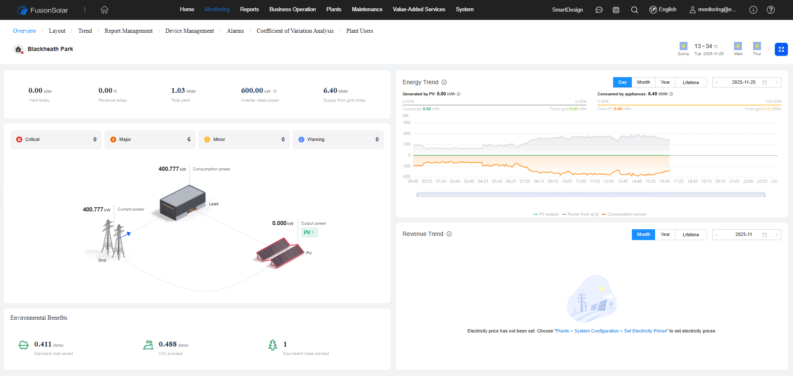
 |  |  |  |  |  |  |  |  | 2026-02-11 | 2026-02-11
 | PROJECT PLAN | Standard Bank GQ |  |  | Net Work Days |  | 44 |  | 0 | 1
 | PROJECT SIZE (kWp) | 460 |  |  | Total Weeks |  | 8.8
 | PROJECT DEVELOPER | Gordon Upton |  |  | kW/Week Installation Rate |  | 52
 | PROJECT MANAGERS | Lloyd Brown
 | CONTRACT VALUE | R1,891,415.11
 | Phase: | Handover
No. | HIGH LEVEL PROGRAMME | Planned Start | Duration | Planned End | Actual Start | Duration | Actual End | Status | Expected Status | Comment
 |  |  | #NUM! |  |  | 54 |  | 96% | 98%

1 | Project Initiation | 9-Sep-25 | 37 | 16-Oct-25 | 9-Sep-25 | 52 | 31-Oct-25 | 100% | 100%
1.1 | BD Handover | 9-Sep-25 | 1 | 10-Sep-25 | 9-Sep-25 | 1 | 10-Sep-25 | 100% | 100%
1.2 | HSE Readiness and Signoff | 10-Sep-25 | 25 | 16-Oct-25 | 10-Sep-25 | 26 | 17-Oct-25 | 100% | 100%
1.3 | Safety Line Installation |  |  |  | 13-Oct-25 | 14 | 31-Oct-25 | 100% | 100%
1.4 | Technical Signoff |  |  |  | 15-Oct-25 | 2 | 17-Oct-25 | 100% | 100%
1.5 | Project Introduction | 24-Sep-25 | 1 | 25-Sep-25 | 24-Sep-25 | 1 | 25-Sep-25 | 100% | 100%
1.6 | Installer Kick Off | 1-Oct-25 | 1 | 2-Oct-25 | 1-Oct-25 | 1 | 2-Oct-25 | 100% | 100%
1.7 | Project Review | 11-Oct-25 | 1 | 13-Oct-25 | 11-Oct-25 | 1 | 13-Oct-25 | 100% | 100%

2 | Site Establishment | 17-Oct-25 | 1 | 18-Oct-25 | 20-Oct-25 | 1 | 21-Oct-25 | 100% | 100%
2.1 | Solar Contractor Establishment | 17-Oct-25 | 1 | 18-Oct-25 | 20-Oct-25 | 1 | 21-Oct-25 | 100% | 100% | Inspect all material prior to installation.

Standard Bank GQ 460kWp
3 | AC Installation | 10-Sep-25 | 49 | 29-Oct-25 | 9-Sep-25 | 80 | 28-Nov-25 | 100% | 100%
3.1 | Inverters delivered | 18-Oct-25 | 1 | 20-Oct-25 | 10-Sep-25 | 0 | 10-Sep-25 | 100% | 100%
3.2 | Inverters Mounted | 20-Oct-25 | 2 | 22-Oct-25 | 10-Sep-25 | 0 | 10-Sep-25 | 100% | 100%
3.3 | Solar DB Lead Time | 10-Sep-25 | 0 | 10-Sep-25 | 10-Sep-25 | 0 | 10-Sep-25 | 100% | 100%
3.4 | AC Works | 22-Oct-25 | 5 | 29-Oct-25 | 14-Nov-25 | 10 | 28-Nov-25 | 100% | 100%
3.5 | AC Tie-In | 22-Oct-25 | 1 | 23-Oct-25 | 9-Sep-25 | 1 | 10-Sep-25 | 100% | 100% | Double check connections, link to 6.1.

4 | DC Works | -3 | #NUM! | #NUM! | 20-Oct-25 | 91 | 19-Jan-26 | 100% | 100%

4.1 | Mounting Structure delivered | 17-Oct-25 | 1 | 20-Oct-25 | 20-Oct-25 | 1 | 21-Oct-25 | 100% | 100%
4.2 | Mounting Structure installation - Roof A | 20-Oct-25 | 6 | 28-Oct-25 | 20-Oct-25 | 22 | 19-Nov-25 | 100% | 100% | 1:Noise Complaints(08:50-12:00 on/off) Stopped 3 times. Date: 04/11/2025
 | Roof Hooks - Roof A |  |  |  |  |  |  | 100% | 100%
4.2.2 | Rails - Roof A |  |  |  | 10-Nov-25 | 12 | 26-Nov-25 | 100% | 100% | Not allowed to work over far-north roof due to noise, will only happen over weekend Two rails to fit after hours
4.3 | Mounting Structure installation - Roof B |  |  |  | 20-Oct-25 | 19 | 14-Nov-25 | 100% | 100%
 | Roof Hooks - Roof B |  |  |  |  |  |  | 100% | 100%
4.3.2 | Rails - Roof B |  |  |  | 11-Nov-25 | 3 | 14-Nov-25 | 100% | 100%
4.4 | Mounting Structure installation - Roof C |  |  |  | 27-Oct-25 | 16 | 18-Nov-25 | 100% | 100%
4.4.1 | Roof Hooks - Roof C |  |  |  |  |  |  | 100% | 100%
4.4.2 | Rails - Roof C |  |  |  | 13-Nov-25 | 3 | 18-Nov-25 | 100% | 100%
4.5 | Civil Works - Trenching |  |  |  | 21-Nov-25 | 2 | 23-Nov-25 | 100% | 100% | Corden off parking for Saturday work
4.6 | Civil Works - Scanning |  |  |  | 11-Nov-25 | 4 | 17-Nov-25 | 100% | 100% | Marking out of route completed
4.7 | DC Cable delivered | 17-Oct-25 | 1 | 20-Oct-25 | 20-Oct-25 | 1 | 21-Oct-25 | 100% | 100% | Need to measure for additional material
4.7 | DC Stringing - Roof A | 7-Nov-25 | 10 | 21-Nov-25 | 19-Nov-25 | 14 | 9-Dec-25 | 100% | 100% | Work to start over weekend, requires empty basement
4.8 | DC Stringing - Roof B | -3 | 10 | #NUM! | 21-Nov-25 | 12 | 9-Dec-25 | 100% | 100%
4.9 | DC Stringing - Roof C | -3 | 10 | #NUM! | 5-Dec-25 | 6 | 19-Jan-26 | 100% | 100%

5 | Module installation | 17-Oct-25 | 24 | 10-Nov-25 | 20-Oct-25 | 53 | 12-Dec-25 | 100% | 100%
5.1 | Module delivery | 17-Oct-25 | 1 | 20-Oct-25 | 20-Oct-25 | 1 | 21-Oct-25 | 100% | 100%
5.2 | Module mounting - Roof A | 28-Oct-25 | 9 | 10-Nov-25 | 19-Nov-25 | 12 | 5-Dec-25 | 100% | 100%
5.3 | Module mounting - Roof B |  |  |  | 19-Nov-25 | 5 | 26-Nov-25 | 100% | 100%
5.4 | Module mounting - Roof C |  |  |  | 22-Nov-25 | 15 | 12-Dec-25 | 100% | 100%

6 | Commissioning | #NUM! | #NUM! | #NUM! | 28-Nov-25 | 55 | 22-Jan-26 | 100% | 100%
6.1 | Pre Commissioning | #NUM! | 1 | #NUM! | 28-Nov-25 | 1 | 1-Dec-25 | 100% | 100%
6.2 | Practical Completion - Energy Flowing | #NUM! | 1 | #NUM! | 8-Dec-25 | 5 | 13-Dec-25 | 100% | 100%
6.3 | System Performance Monitoring | #NUM! | 5 | #NUM! | 13-Dec-25 | 4 | 22-Jan-26 | 100% | 100%
6.4 | Lightning Protection Installation | #NUM! | 5 | #NUM! | 22-Jan-26 | 2 | 26-Jan-26 | 100% | 100%

7 | QA Inspections | #NUM! | #NUM! | #NUM! | 15-Jan-26 | 7 | 22-Jan-26 | 100% | 100%
7.1 | Red-Team Inspection | #NUM! | 3 | #NUM! | 15-Jan-26 | 2 | 20-Jan-26 | 100% | 100% | Moved to Jan - Comm delay - breakers
7.2 | Snags completion | #NUM! | 7 | #NUM! | 20-Jan-26 | 2 | 22-Jan-26 | 100% | 100%
7.3 | Structural Engineer SignOff (CMB) | #NUM! | 7 | #NUM! | 20-Jan-26 | 2 | 22-Jan-26 | 100% | 100%

8 | Project Closure | #NUM! | #NUM! | #NUM! | 20-Jan-26 | 15 | 4-Feb-26 | 71% | 83%
8.1 | Handover documentation | #NUM! | 7 | #NUM! | 20-Jan-26 | 3 | 23-Jan-26 | 100% | 100% | December holidays pushing handover to Jan
8.2 | Handover to Client | #NUM! | 1 | #NUM! | 23-Jan-26 | 3 | 28-Jan-26 | 100% | 100%
8.3 | Handover to Matriarch | #NUM! | 1 | #NUM! | 23-Jan-26 | 8 | 4-Feb-26 | 50% | 100%

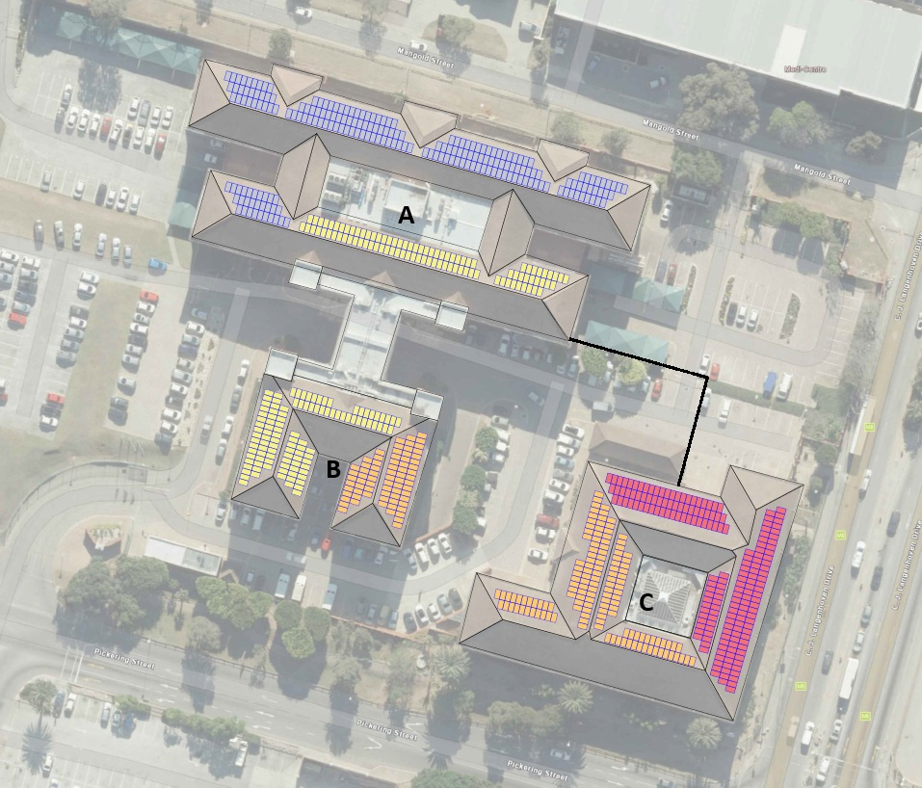

 |  |  |  |  |  |  |  | Baseline
 |  |  |  |  |  |  |  |  |  |  | 2026-02-11 | 2026-02-11
 |  |  |  |  |  |  |  |  |  |  | 1 | 0

 |  |  |  |  |  |  |  |  |  |  | Milestone | Start Date | Duration | End Date
 |  |  |  |  |  |  |  |  |  |  | Project Initiation | 9-Sep-25 | 52 | 31-Oct-25
 |  |  |  |  |  |  |  |  |  |  | Site Establishment | 20-Oct-25 | 1 | 21-Oct-25
 |  |  |  |  |  |  |  |  |  |  | AC Installation | 9-Sep-25 | 80 | 28-Nov-25
 |  |  |  |  |  |  |  |  |  |  | DC Works | 20-Oct-25 | 91 | 19-Jan-26
 |  |  |  |  |  |  |  |  |  |  | Module installation | 20-Oct-25 | 53 | 12-Dec-25
 |  |  |  |  |  |  |  |  |  |  | Module installation | 20-Oct-25 | 53 | 12-Dec-25
 |  |  |  |  |  |  |  |  |  |  | Commissioning | 28-Nov-25 | 55 | 22-Jan-26
 |  |  |  |  |  |  |  |  |  |  | QA Inspections | 15-Jan-26 | 7 | 22-Jan-26
 |  |  |  |  |  |  |  |  |  |  | Project Closure | 20-Jan-26 | 15 | 4-Feb-26

Chart2
Revenue & Expenditure Tracking
 | Planned Revenue | Planned Expenditure | PLANNED CashFlow | Actual + Planned Revenue | Actual + Planned Expenditure | ACTUAL CashFlow | Revenue Recognition Cumulative
7-Jul-25 | 0 | 0 | 0 | 0 | 0 | 0 | 0
14-Jul-25 | 0 | 0 | 0 | 0 | 0 | 0 | 0
21-Jul-25 | 0 | 0 | 0 | 0 | 0 | 0 | 0
28-Jul-25 | 0 | 0 | 0 | 0 | 0 | 0 | 0
4-Aug-25 | 0 | 0 | 0 | 0 | 0 | 0 | 0
11-Aug-25 | 0 | 0 | 0 | 0 | 0 | 0 | 0
18-Aug-25 | 0 | 0 | 0 | 0 | 0 | 0 | 0
25-Aug-25 | 0 | 0 | 0 | 0 | 0 | 0 | 0
1-Sep-25 | 0 | 0 | 0 | 0 | 0 | 0 | 0
8-Sep-25 | 0 | 0 | 0 | 0 | 0 | 0 | 0
15-Sep-25 | 0 | 0 | 0 | 0 | 0 | 0 | 0
22-Sep-25 | 0 | 0 | 0 | 0 | 0 | 0 | 0
29-Sep-25 | 0 | 0 | 0 | 0 | 0 | 0 | 0
6-Oct-25 | 0 | 18,000 | -18,000 | 0 | 0 | 0 | 0
13-Oct-25 | 0 | 18,000 | -18,000 | 0 | 0 | 0 | 0
20-Oct-25 | 0 | 18,000 | -18,000 | 0 | 138,000 | -138,000 | 0
27-Oct-25 | 0 | 18,000 | -18,000 | 0 | 138,000 | -138,000 | 654,687
3-Nov-25 | 539,053 | 244,756 | 294,297 | 0 | 138,024 | -138,024 | 654,687
10-Nov-25 | 539,053 | 640,356 | -101,303 | 0 | 139,688 | -139,688 | 654,687
17-Nov-25 | 539,053 | 640,356 | -101,303 | 0 | 139,688 | -139,688 | 654,687
24-Nov-25 | 539,053 | 640,356 | -101,303 | 539,053 | 508,338 | 30,715 | 795,885
1-Dec-25 | 1,060,138 | 640,356 | 419,782 | 539,053 | 509,698 | 29,355 | 795,885
8-Dec-25 | 1,239,823 | 640,356 | 599,466 | 539,053 | 669,330 | -130,277 | 795,885
15-Dec-25 | 1,509,349 | 640,356 | 868,993 | 539,053 | 758,098 | -219,045 | 795,885
22-Dec-25 | 1,509,349 | 640,356 | 868,993 | 539,053 | 758,098 | -219,045 | 795,885
29-Dec-25 | 1,509,349 | 640,356 | 868,993 | 539,053 | 801,579 | -262,526 | 1,263,912
5-Jan-26 | 1,509,349 | 640,356 | 868,993 | 539,053 | 854,364 | -315,310 | 1,263,912
12-Jan-26 | 1,509,349 | 640,356 | 868,993 | 539,053 | 854,364 | -315,310 | 1,263,912
19-Jan-26 | 1,509,349 | 640,356 | 868,993 | 539,053 | 854,364 | -315,310 | 1,263,912
26-Jan-26 | 1,509,349 | 640,356 | 868,993 | 539,053 | 1,085,758 | -546,704 | 1,644,080
2-Feb-26 | 1,509,349 | 640,356 | 868,993 | 539,053 | 1,085,957 | -546,904 | 1,644,080
9-Feb-26 | 1,509,349 | 640,356 | 868,993 | 539,053 | 1,085,957 | -546,904 | 1,644,080
16-Feb-26 | 1,509,349 | 640,356 | 868,993 | 539,053 | 1,113,557 | -574,504 | 1,644,080
23-Feb-26 | 1,509,349 | 640,356 | 868,993 | 1,898,915 | 1,371,576 | 527,339 | 1,891,415
2-Mar-26 | 1,509,349 | 640,356 | 868,993 | 1,898,915 | 1,377,826 | 521,089 | 1,891,415
9-Mar-26 | 1,509,349 | 640,356 | 868,993 | 1,898,915 | 1,377,826 | 521,089 | 1,891,415
16-Mar-26 | 1,509,349 | 640,356 | 868,993 | 1,898,915 | 1,377,826 | 521,089 | 1,891,415
23-Mar-26 | 1,509,349 | 640,356 | 868,993 | 1,898,915 | 1,377,826 | 521,089 | 1,891,415
30-Mar-26 | 1,509,349 | 640,356 | 868,993 | 1,898,915 | 1,377,826 | 521,089 | 1,891,415
6-Apr-26 | 1,509,349 | 640,356 | 868,993 | 1,898,915 | 1,377,826 | 521,089 | 1,891,415
13-Apr-26 | 1,509,349 | 640,356 | 868,993 | 1,898,915 | 1,377,826 | 521,089 | 1,891,415
20-Apr-26 | 1,509,349 | 640,356 | 868,993 | 1,898,915 | 1,377,826 | 521,089 | 1,891,415
27-Apr-26 | 1,509,349 | 640,356 | 868,993 | 1,898,915 | 1,377,826 | 521,089 | 1,891,415
4-May-26 | 1,509,349 | 640,356 | 868,993 | 1,898,915 | 1,377,826 | 521,089 | 1,891,415
11-May-26 | 1,509,349 | 640,356 | 868,993 | 1,898,915 | 1,377,826 | 521,089 | 1,891,415
18-May-26 | 1,611,420 | 640,356 | 971,064 | 1,898,915 | 1,377,826 | 521,089 | 1,891,415
25-May-26 | 1,611,420 | 640,356 | 971,064 | 1,898,915 | 1,377,826 | 521,089 | 1,891,415
1-Jun-26 | 1,611,420 | 640,356 | 971,064 | 1,898,915 | 1,377,826 | 521,089 | 1,891,415
8-Jun-26 | 1,611,420 | 640,356 | 971,064 | 1,898,915 | 1,377,826 | 521,089 | 1,891,415
15-Jun-26 | 1,611,420 | 640,356 | 971,064 | 1,898,915 | 1,377,826 | 521,089 | 1,891,415
...

