Valsalva Analysis
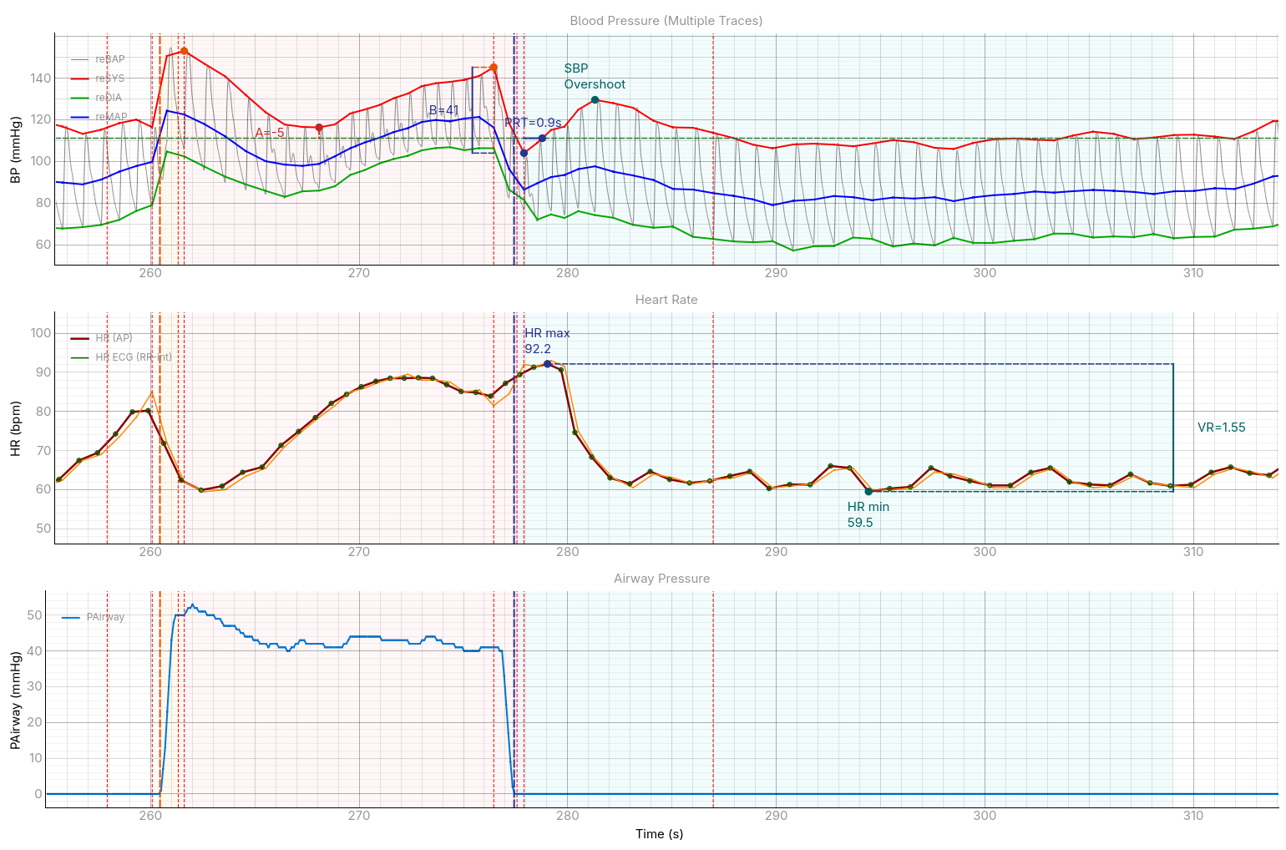
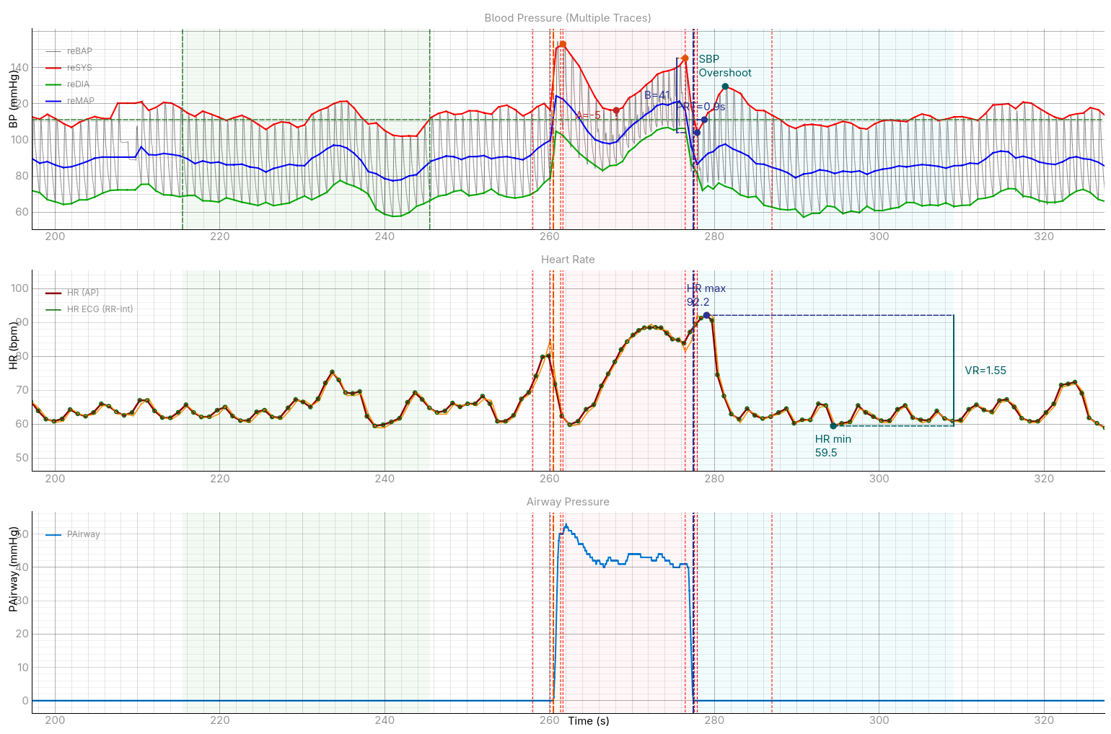
Valsalva Analysis
Parameter | Value | Unit | Note
Phase Boundaries (time in seconds)
Baseline start | 215.5 | s
Baseline end | 245.5 | s
PI start (S1 start) | 260.5 | s
PI end (S1 end) | 261.6 | s
PII early end (IIe nadir) | 268.1 | s
PII late end / PIII start | 277.4 | s
PIII end / PIV start | 277.9 | s
PIV end | 309.0 | s
Signal Points
Baseline SBP | 111.1 | mmHg
IIe nadir SBP | 116.3 | mmHg
S2late max SBP | 145.2 | mmHg
S3 min SBP | 104.0 | mmHg
S3 min time | 277.9 | s
SBP overshoot | 129.6 | mmHg
SBP overshoot time | 281.3 | s
SBP back to baseline time | 278.8 | s
HR max | 92.2 | bpm
HR max time | 279.0 | s
HR min | 59.5 | bpm
HR min time | 294.4 | s
Derived Parameters — Novak 2011 / Mayo Clinic
A = Baseline SBP − IIe nadir SBP | -5.2 | mmHg | IIe nadir above baseline — weak/absent strain response
B = S2late max SBP − S3 min SBP | 41.2 | mmHg
PRT = S3 nadir → SBP returns to BL | 0.88 | s
VR = HR max / HR min | 1.55
BRSa = (A + B×0.75) / PRT | 29.33 | mmHg/s

