Financial analysis
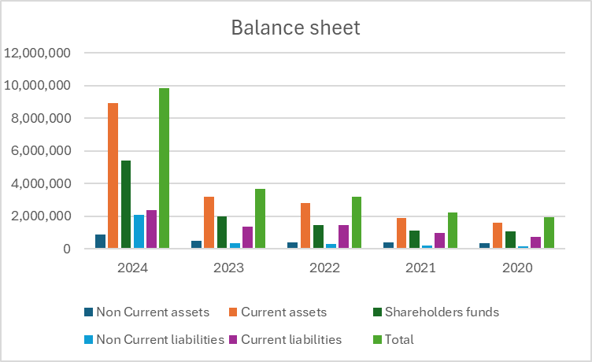
(1000 USD$) | 2024 | 2023 | 2022 | 2021 | 2020
Net income | $1,152,666 | $639,998 | $285,163 | $111,865 | $84,308

 | 2024 | 2023 | 2022 | 2021 | 2020
Gross margin (%) | 14.03 | 18.5 | 16.02 | 15.82 | 16.61

Balance sheet | 2024 | 2023 | 2022 | 2021 | 2020
Non Current assets | 894,132 | 495,303 | 398,762 | 374,705 | 325,885
Current assets | 8,931,960 | 3,179,426 | 2,806,315 | 1,867,259 | 1,592,761
Shareholders funds | 5,417,206 | 1,972,005 | 1,425,575 | 1,096,225 | 1,065,540
Non Current liabilities | 2,063,165 | 328,072 | 309,478 | 176,843 | 145,471
Current liabilities | 2,345,721 | 1,374,652 | 1,470,024 | 968,896 | 707,635
Total | 9,826,092 | 3,674,729 | 3,205,077 | 2,241,964 | 1,918,646

