Sheet1
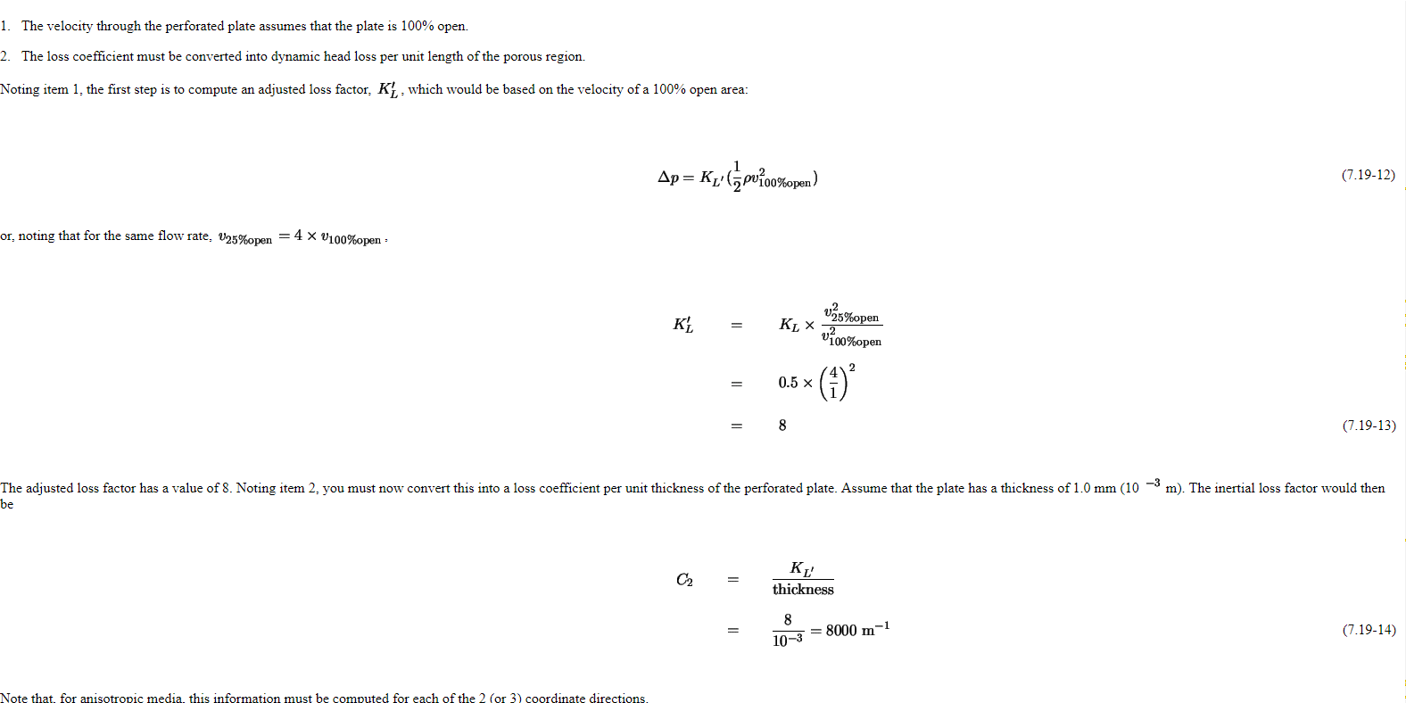
Target | Permeability | 0.75
 | Pressure drop | 0.75 | i.e. KL

Calc | thickness | 0.001

 | KL' | 1.327

 | C2 | 1327

https://www.sharcnet.ca/Software/Fluent6/html/ug/node276.htm#using-porous-media

