Sheet1
Definition
Spatial Daylight Autonomy (sDA) describes how much of a space receives sufficient daylight. Specifically, it describes the percentage of floor area that receives at least 300 lux for at least 50% of the annual occupied hours.

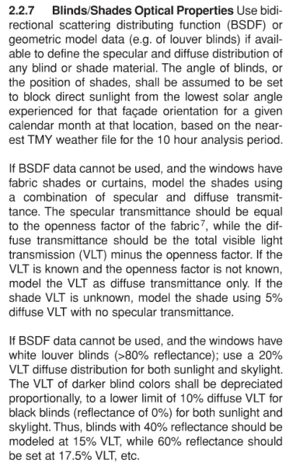
Type | Reflectance
Floor | 0.2 | default by LEED CreditDaylight |  | IES LM 83-12 Page 3
Ceiling | 0.8 | default by LEED CreditDaylight
Internal Wall | 0.5 | default by LEED CreditDaylight
Surroundings | 0.3 | default by IES LM 83-12
Ground | 0.1 | default by IES LM 83-12

 | VLT
Glass |  | as design

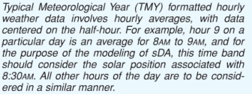
 | Occupancy
Daily | 8 am - 6 pm |  | LEED
Weekly | Mondy - Friday | exclude: Sat and Sun | Page 729

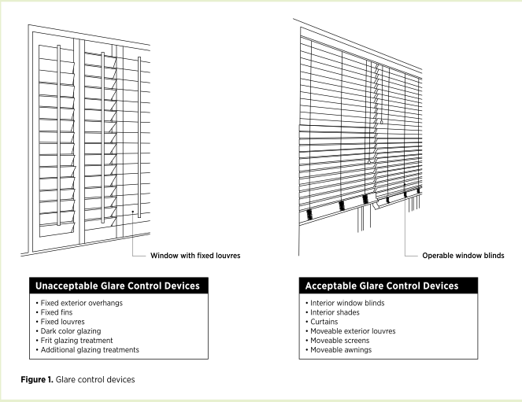
Annual total studied hours | 3640

Working Plane
Grid Size | less than 0.186 m2 | 0.4m * 0.4m |  |  | IES LM 83-12 Page 3
Height | 0.76m above floor

Remark | Fixed Shading Devices Not Acceptable as glare control devices

Option 2
target | within 300 to 3000 lux
time | 9am and 3pm
date | Select one day within 15 days of September 21 and one day within 15 days of March 21 | Select clearest sky by sky cover with lowest value
Sky | 1. Average of the two selected day 2. Clear Sky |  | Page 732.

remark | Exclude blinds or shades from the model.

Working Plane | (750 mm) above the ﬁnished ﬂoor

