lighting
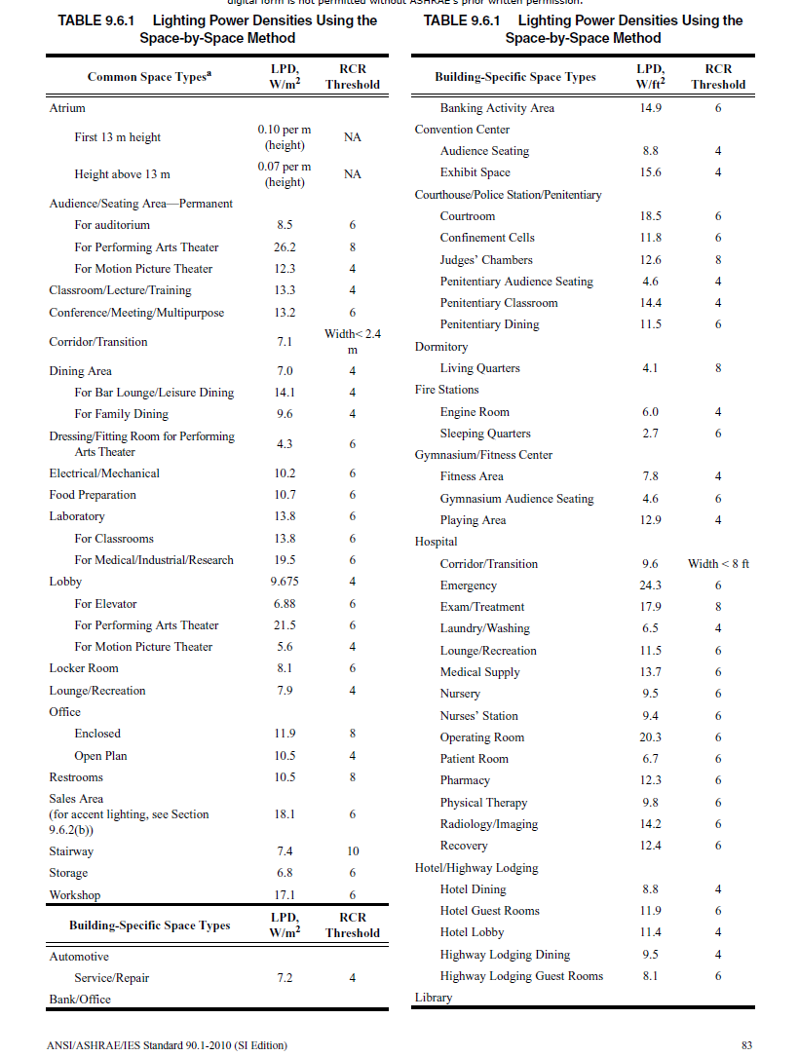
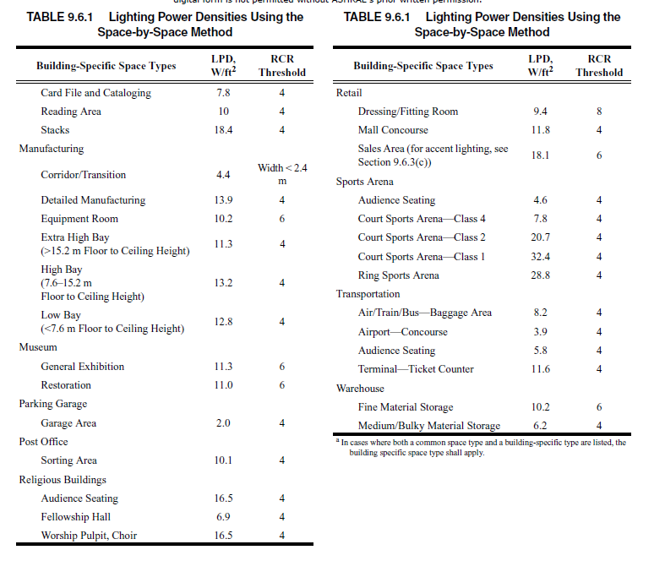
ID | Space Type | LPD (W/m2) | Remark
‘1 | Office | 10.5
‘2 | Lobby | 9.675
‘3 | Conference | 13.2
‘4 | Elec/MechRoom | 10.2
‘5 | Stair | 7.4
10
‘6 | Restroom | 10.5
‘7 | Dining | 14.1
‘8 | Corridor | 7.1
‘9 | NurseStn | 9.5
‘10 | Dressing room | 9.4
‘11 | Elevator | 6.88
‘12 | Kitchen | 10.7 | Food Preparation
‘13 | Lab | 19.5

3

8

7

4
12

13

2
11

9

1

6

5

ventilation
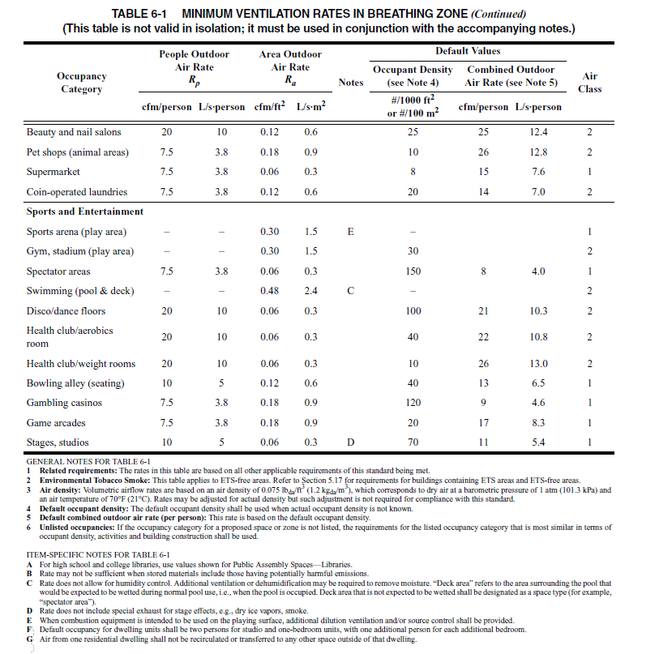
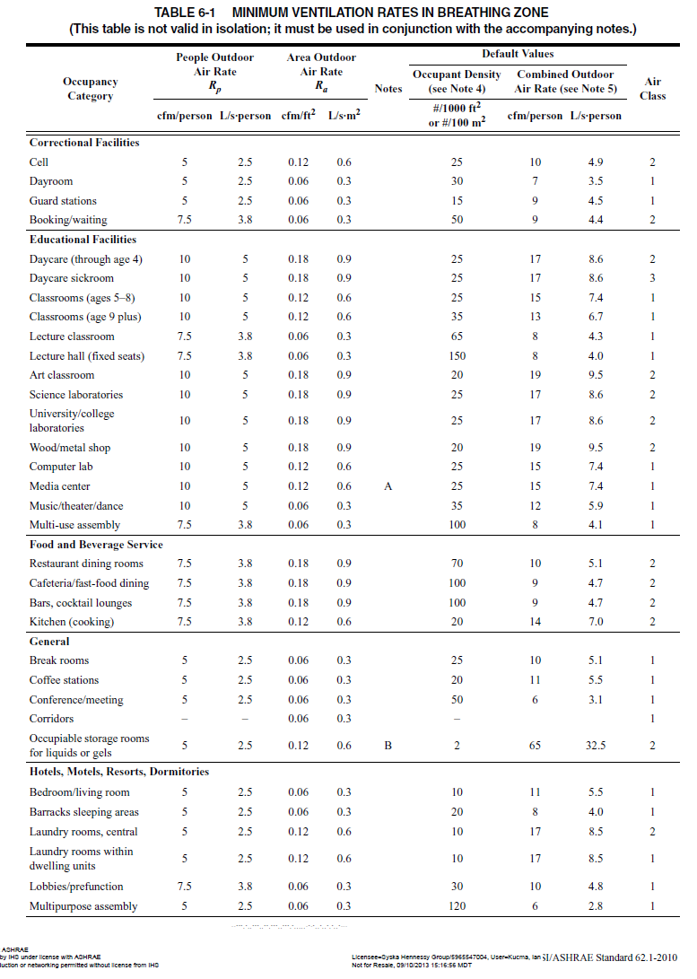
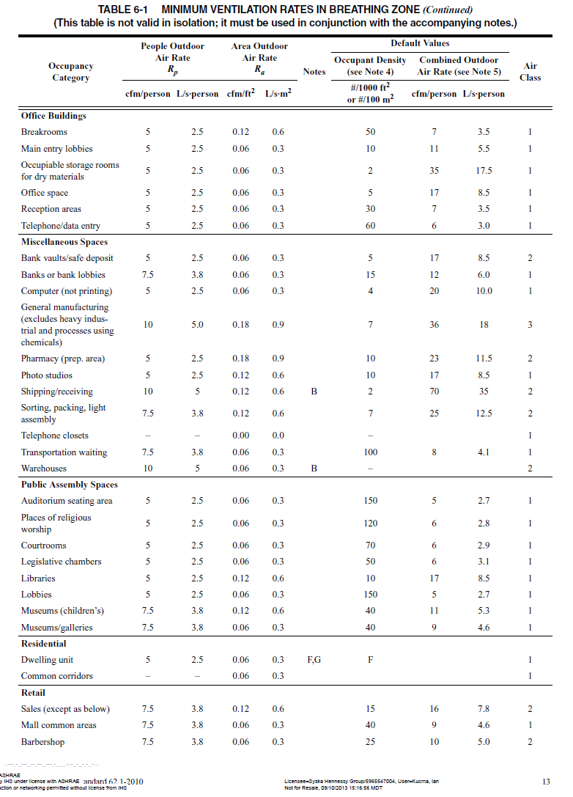

ID | Space Type | People outdoor Air (L/(s*person)) | Area Outdoor Air (L/(s*m2)) | Occupancy Density (ppl/100m2) | Remark
‘1 | Office
‘2 | Lobby
‘3 | Conference
‘4 | Elec/MechRoom
‘5 | Stair
‘6 | Restroom
‘7 | Dining
‘8 | Corridor
‘9 | NurseStn
‘10 | Dressing room
‘11 | Elevator
‘12 | Kitchen
‘13 | Lab

