PQ7

Power Query Challenge Part 7 - Dynamic Header Rows
 |  |  |  | Business Intelligence & Data Analysis

Scenario: A colleague is struggling with a Power Query query. The data is in a complcated format, and importantly, the number of header rows is never consistent.

Task Details: Use Power Query to import the data in the other sheet and summarize the sales by category by quarter. You do not need the monthly data.

Crux: The data currently has 8 header rows. But it may not always have 8. Think about how you might make your query dynamic to deal with this.

Screenshot of Data (import data from the other sheet)
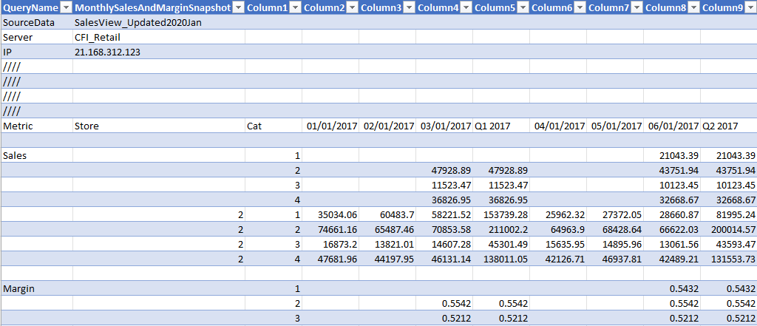

Test: Once you have built your query, test your solution on the second table provided, which has 12 header rows and is named as such.

Desired Output (Sales Only) |  |  | Your Output

Cat | Q1 2017 | Q2 2017
1 | 153,739 | 103,039
2 | 258,931 | 243,767
3 | 56,825 | 53,717
4 | 174,838 | 164,222

