06_Dashboard
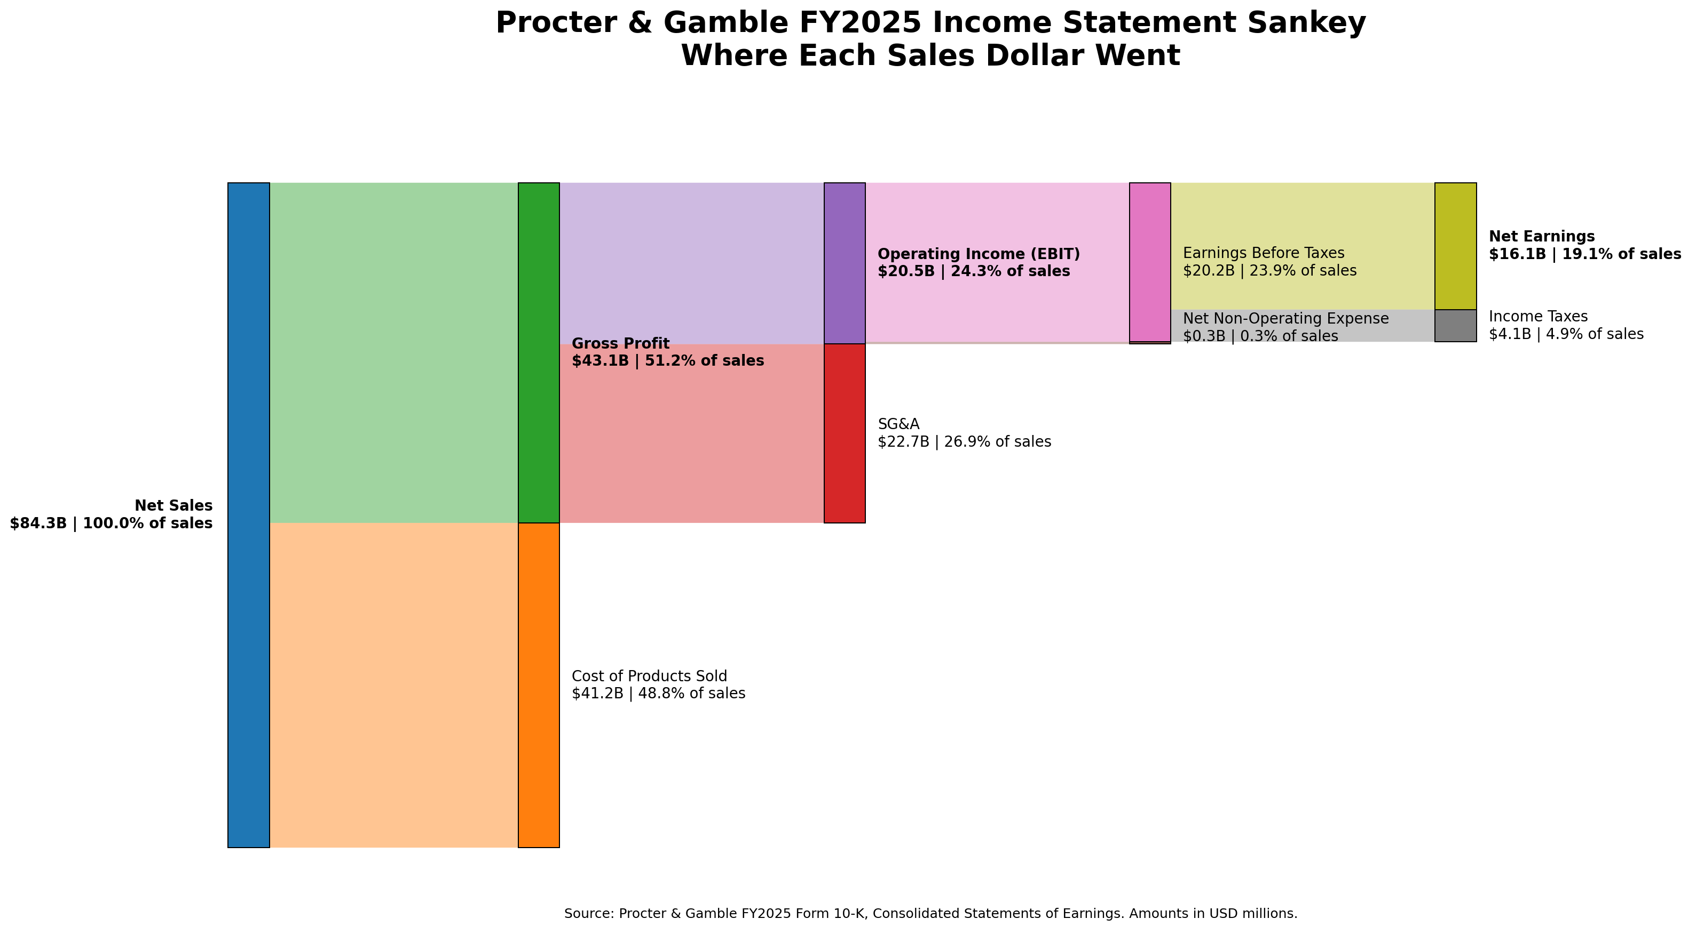
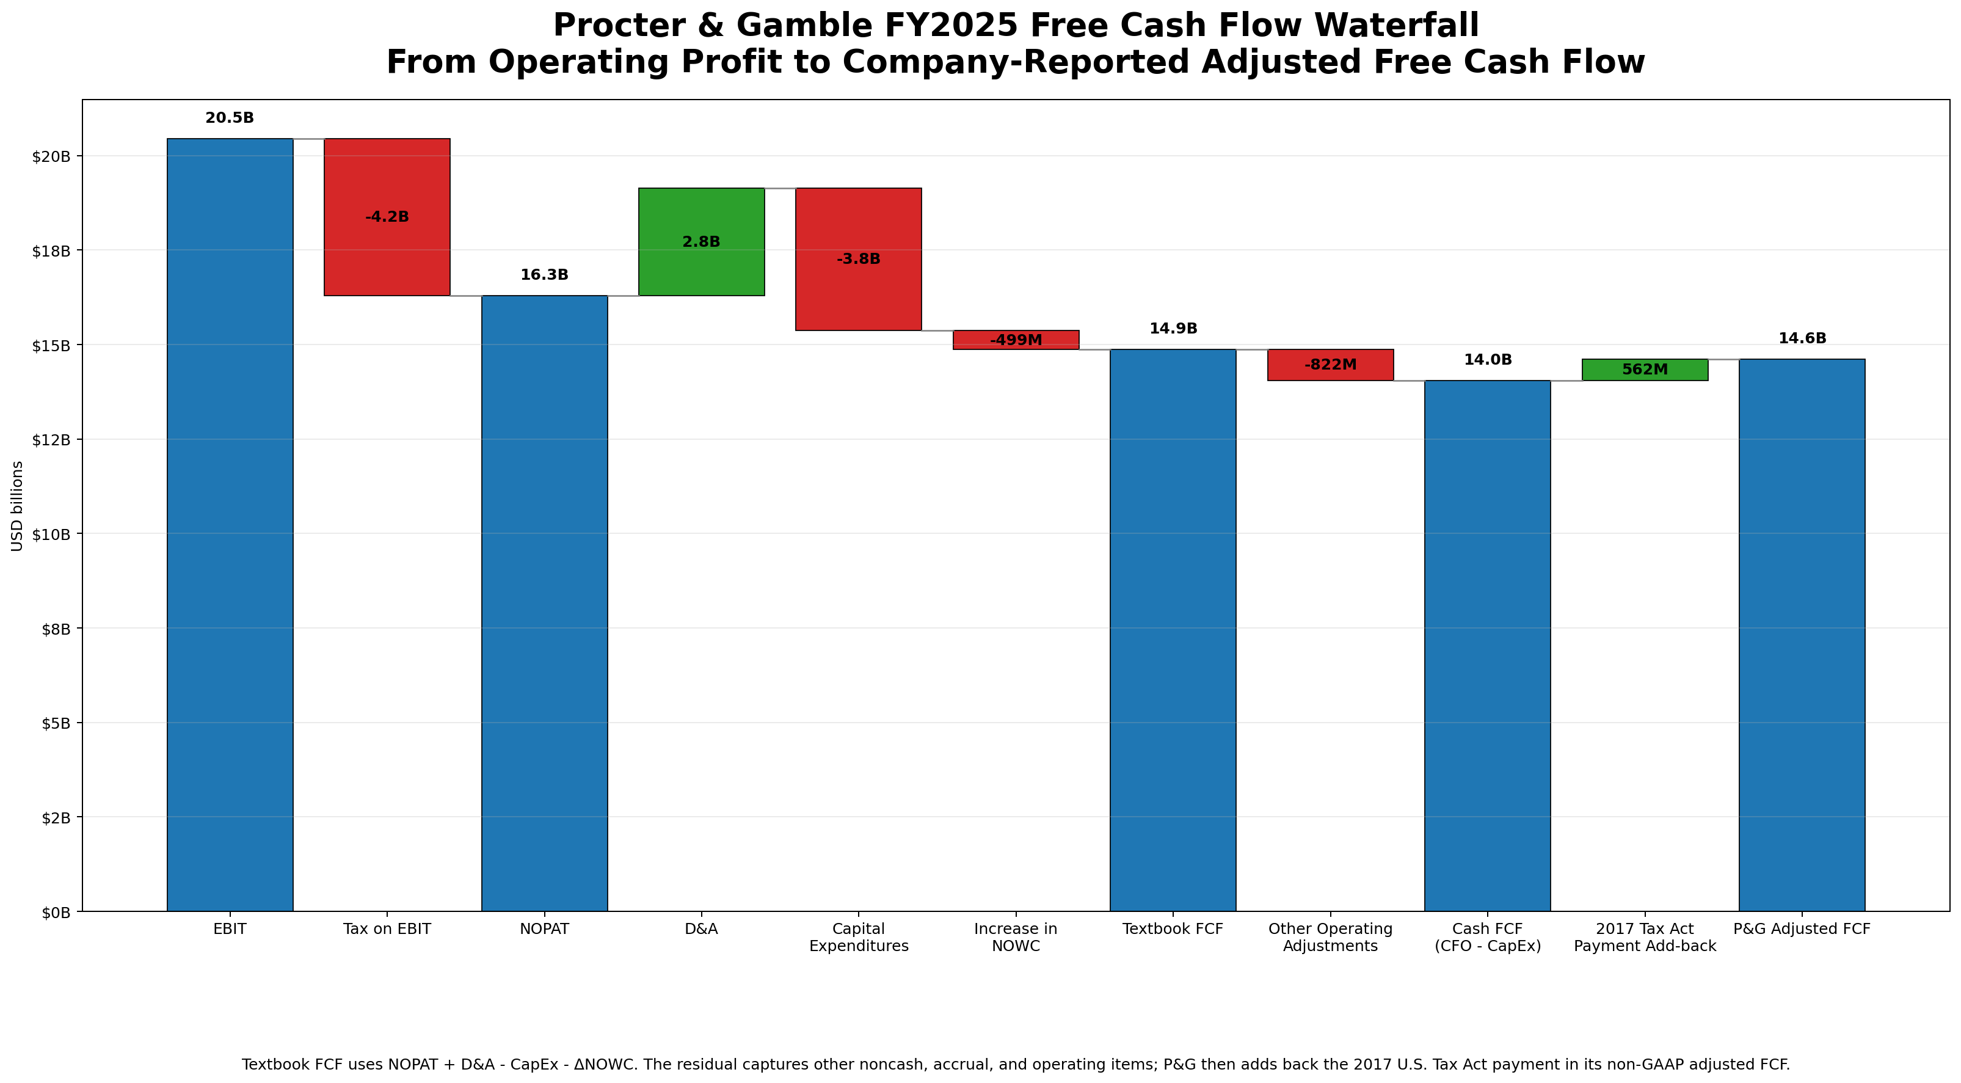
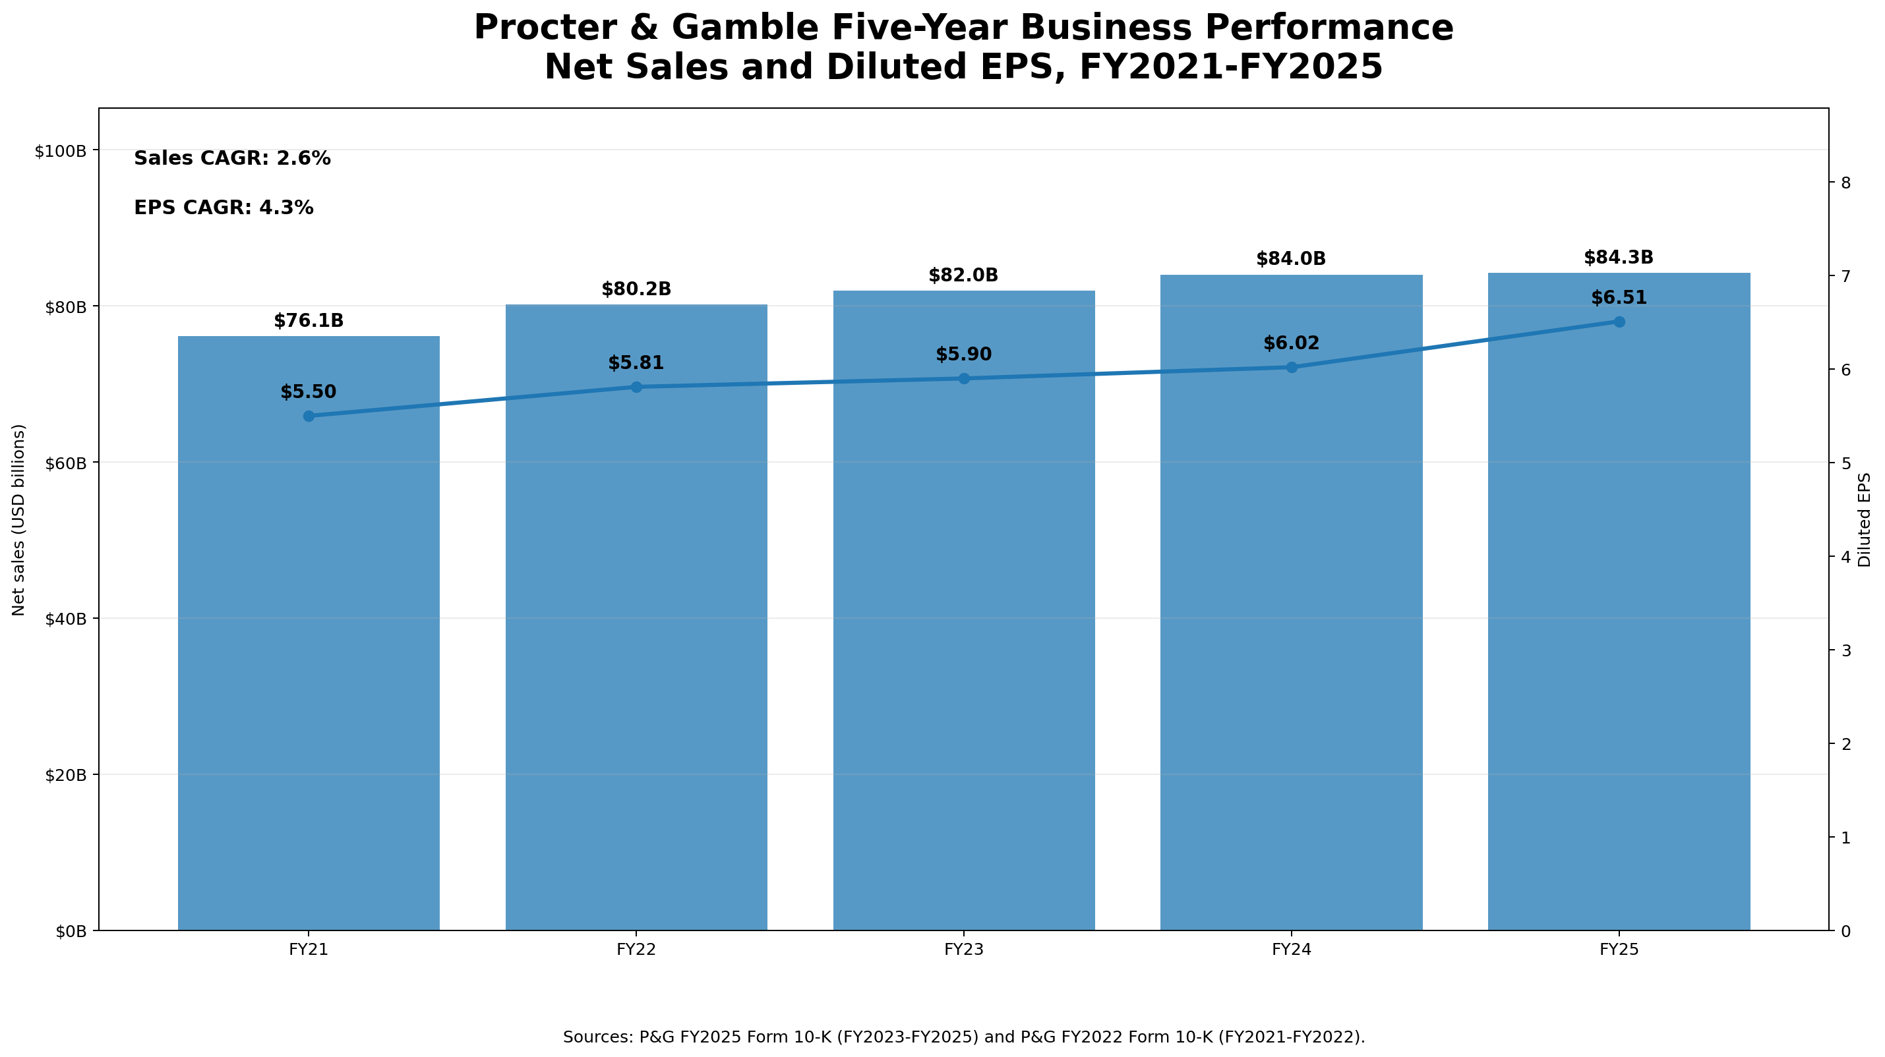
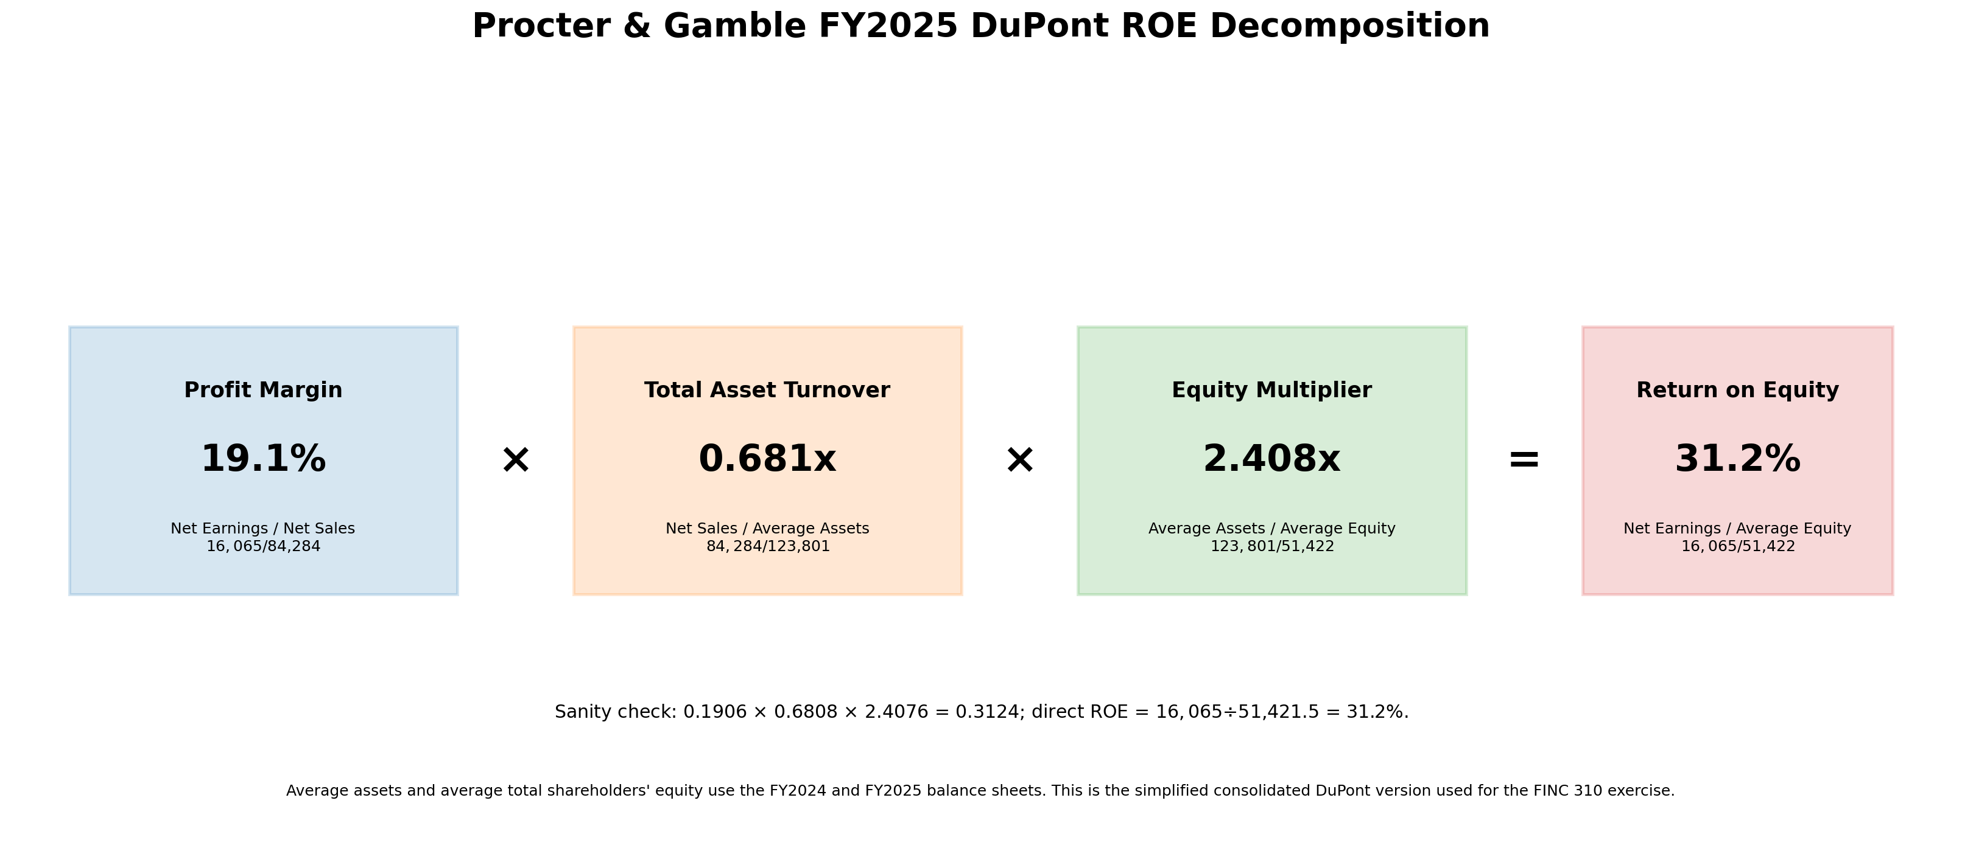
Procter & Gamble FY2025 Financial Story Dashboard
Audited fiscal year ended June 30, 2025 | USD millions except EPS

Net Sales | EBIT Margin | Net Margin | Adjusted FCF | DuPont ROE | Sales CAGR | EPS CAGR
84,284 | 24.3% | 19.1% | 14,606 | 31.2% | 2.6% | 4.3%

