Sheet1
Parameters | Value | Units | Definition | Notes
m | 1700 | kg | Mass
a | 1.39 | m | dist(CG, front axel)
b | 1.008 | m | dist(CG, rear axel)
C_{a,F} | 75000 | N/rad | Cornering Stiffness (front axel)
C_{a,R} | 275000 | N/rad | Cornering Stiffness (rear axel)
mu_F | 1.15 | - | Friction (front) | average to 1?
mu_R | 0.85 | - | Friction (rear) | average to 1?
mu | 1 | - | Friction (average)
t | 1.6 | m | Track Width | (four wheel model)
h | 0.45 | m | CG Height
Iz | 2,300 | kgm2 | Rotational Inertia
Tmax | 5,400 | Nm | Max Drive Torque to rear axel | min between this value and calculated max, see dynamics
Tmin | -15,000 | Nm | Max Brake Torque to rear axel | calculated, see written dynamics
Rw | 0.32 | m | Rear Wheel Radius
delta_max | 0.671825 | rad | Maximum Steering Angle

Variables | Range / OoM | Units | Definition | Notes
E | ±100 | m | East
N | ±100 | m | North
PSI | ±3 | rad | Heading | (West from North)
Ux | [0 10] | m/sec | Longitudinal Speed
Uy | ±5 | m/sec | Lateral Speed
r | ±2 | rad/sec | Yaw Rate
delta | ±1 | rad | Steering Angle
Tr | ±15,000 | Nm | Rear Axel Torque
beta | ±1 | rad | Sideslip angle
alpha_f | ±1.5 | rad | Tire Slip Angle (front)
alpha_r | ±1.5 | rad | Tire Slip Angle (rear)
F_yf | ±10,000 | N | Front Lateral Tire Force
F_xf | ±10,000 | N | Front Longitudinal Tire Force
F_zf | ±10,000 | N | Front Normal Load
F_yr | ±10,000 | N | Rear Lateral Tire Force
F_xr | ±10,000 | N | Rear Longitudinal Tire Force
F_zr | ±10,000 | N | Rear Normal Load
Xi | [0 1] | - | Rear Tire Derating Factor

Goal Parameters
E_f | 0 | m | Final East Position (Initial E=0)
N_f | 50 | m | Final North Position (Initial N=0)
PSI_f | -0.610865 | rad | Angle is -35 deg (same as beta_eq as car velocity is set to pointing N)
Ux_f | 5.1668842963 | m/sec | Equilibrium longitudinal velocity
Uy_f | -3.6178894992 | m/sec | Equilibrium lateral velocity
r_f | 1.2615 | rad/sec | Equilibrium yaw rate

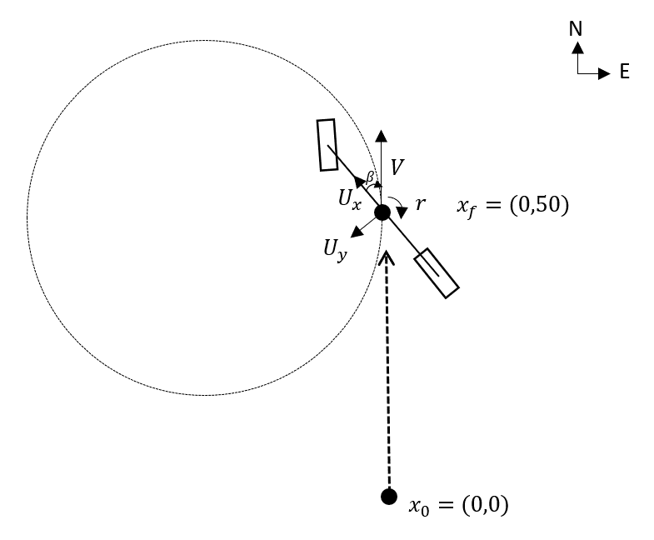
Current Model:

 | Based on the convention used in the paper:
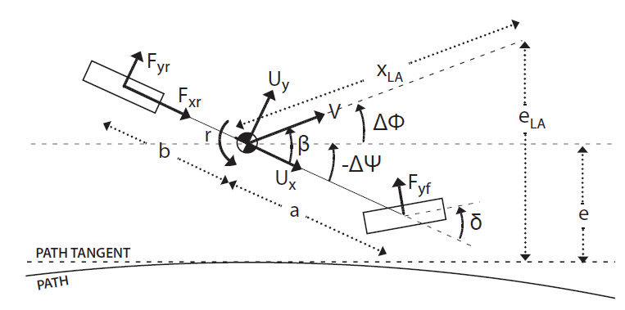

 | https://ieeexplore.ieee.org/document/7535448/

