Cover
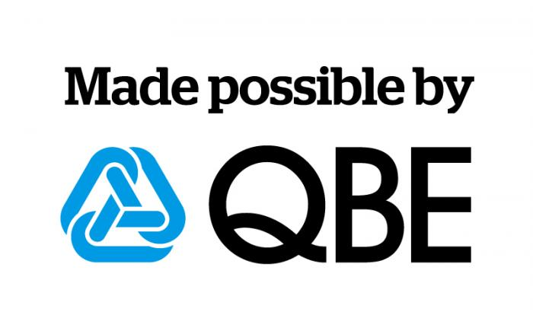

QBE Insurance Group Limited ABN 28 008 485 014
Analyst Pack
Financial results
for the half year ended
30 June 2015

