Cover
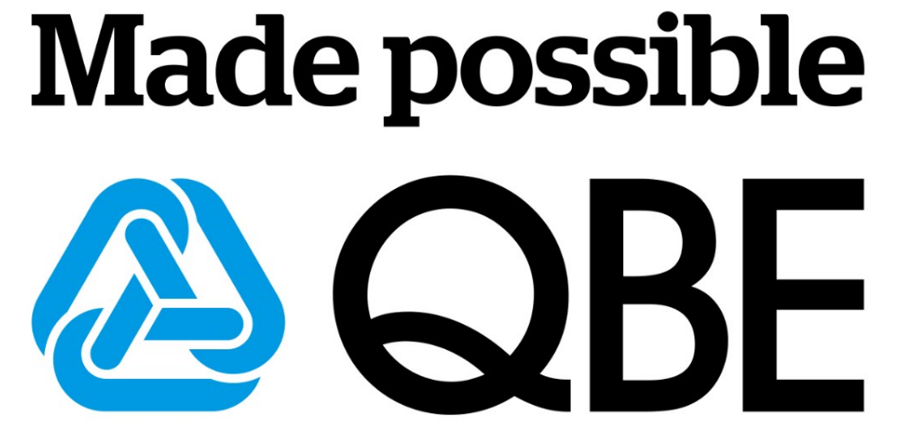

QBE Insurance Group Limited ABN 28 008 485 014
Analyst Pack
Financial results
for the year ended
31 Dec 2016

IMPORTANT DISCLAIMER
Any forward-looking statements assume large individual risk and catastrophe claims do not exceed the significant allowance in our business plans; no overall reduction in premium rates; no significant fall in equity markets and interest rates; no major movement in budgeted foreign exchange rates; no material change to key inflation and economic growth forecasts; recoveries from our strong reinsurance panel; and no substantial change in regulation. Should one or more of these assumptions prove incorrect, actual results may differ materially from the expectations described in this market release.

