Cover Sheet
<Insert Date Below>
dd/mm/yyyy

Definitions
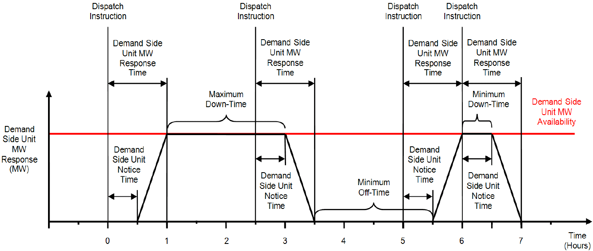
Automatic Mains Failure Mode | The operation of Generation Unit(s) at an Individual Demand Site of a Demand Side Unit where in the event of Disconnection, the Generation Unit(s) is(are) enabled and supplies(y) the Demand Customer’s or DSO Demand Customer’s Load while not Synchronised to the Transmission System or Distribution System. Upon sustained restoration of the connection to the Transmission System or Distribution System for a settable period of time, the Generation Unit(s) Synchronise to the Transmission System or Distribution System for a short period of time not exceeding 180 seconds to facilitate the smooth transfer of power prior to Shutdown of the Generation Unit(s).
Continuous Parallel Mode | Unrestricted periods of Synchronised operation of Generation Unit(s) to the Transmission System or Distribution System at an Individual Demand Site of a Demand Side Unit.
Demand Side Unit MW Capacity | The maximum change in Active Power that can be achieved by a Demand Side Unit on a sustained basis for the duration of the Demand Side Unit’s Maximum Down Time by totalling the potential increase in on-site Active Power Generation and the potential decrease in on-site Active Power Demand at each Individual Demand Site.
Demand Side Unit MW Response Time | The time as specified by the Demand Side Unit Operator in the Technical Parameter and is the time it takes for the Demand Side Unit Operator to be able to implement the Demand Side Unit MW Response from receipt of the Dispatch Instruction from the TSO.
Demand Side Unit Notice Time | The time as specified by the Demand Side Unit Operator in the Technical Parameter and is the time it takes for the Demand Side Unit to begin ramping to the Demand Side Unit MW Response from receipt of the Dispatch Instruction from the TSO.
Embedded Generator Interface Protection | Protection designed to disconnect Generation Units from the Distribution System during abnormal system conditions by tripping a dedicated circuit breaker or recloser located as close as practically possible to the interface between the DSO Demand Customer equipment and the Distribution System.
Lopping Mode | The operation of Generation Unit(s) at an Individual Demand Site of a Demand Side Unit where the Generation Unit(s) supplies the Demand Customer’s or DSO Demand Customer’s Load while not Synchronised to the Transmission System or Distribution System. The Generation Unit(s) is(are) Synchronised to the Transmission System or Distribution System for short periods of time not exceeding 180 seconds at Start-Up and Shutdown of the Generation Unit(s) to facilitate a smooth transfer of power.
Maximum Export Capacity | The value (in MW, MVA, kW and/or kVA) provided in accordance with the User's Connection Agreement or DSO Demand Customer’s DSO Connection Agreement.
Maximum Import Capacity | The values (kW and/ or kVA) provided in accordance with the User’s Connection Agreement or DSO Demand Customer’s DSO Connection Agreement.
Shaving Mode | The Synchronised operation of Generation Unit(s) to the Distribution System at an Individual Demand Site of a Demand Side Unit where the Generation Unit(s) supplies part of, or, the DSO Demand Customer’s Load. Normally the Generation Unit(s) would operate for 2 hours per day as agreed with the DSO.
Standby Mode | The operation of Generation Unit(s) at an Individual Demand Site of a Demand Side Unit where the Generation Unit(s) supplies the Demand Customer’s or DSO Demand Customer’s Load while not Synchronised to the Transmission System or Distribution System. The Generation Unit(s) is(are) never Synchronised to the Transmission System or Distribution System.

Single Line Diagram - NI
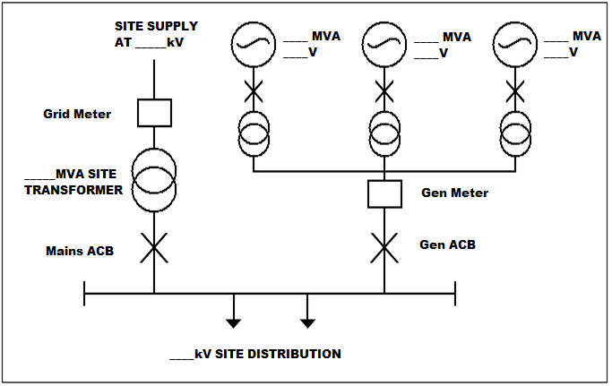
The Single Line Diagram for Northern Ireland Applications (as per Q. 7 of the Site Specific Tab) should provide a high-level overview of the Generation and Load on each individual demand site including:
· Generator rating
· Transformer rating
· Meter locations
· Circuit Breakers
· Point of Connection

Example Single Line Diagram required with application:

Circuit Breaker Designations
DSO/DNO Operated Interface Circuit Breaker

DSO/DNO
MV
DSO/DNO Operated Interface Circuit Breaker
DSO/DNO
LV

DSO/DNO Demand Customer Main Incomer

DSO/DNO Demand Customer Main Incomer
LV
MV
Generation Unit HV Transformer Circuit Breaker

Generation Unit LV Circuit Breaker

G
Generation Unit LV Circuit Breaker
LV

G
Customer

Customer

