4) EMS Database Setup Cert
EirGrid Internal Requirement- no DSU requirements. For Information only
XXXXX DSU |  | XX | MW | V0.1
EirGrid Signals, Command Specification
Energy Management System (EMS) Database setup Certificate

 | Completion Cert
 | Continuity Check Complete

Display Work Completed:

EMS Name
EMS Signature
Date

6) Grid Code Tests
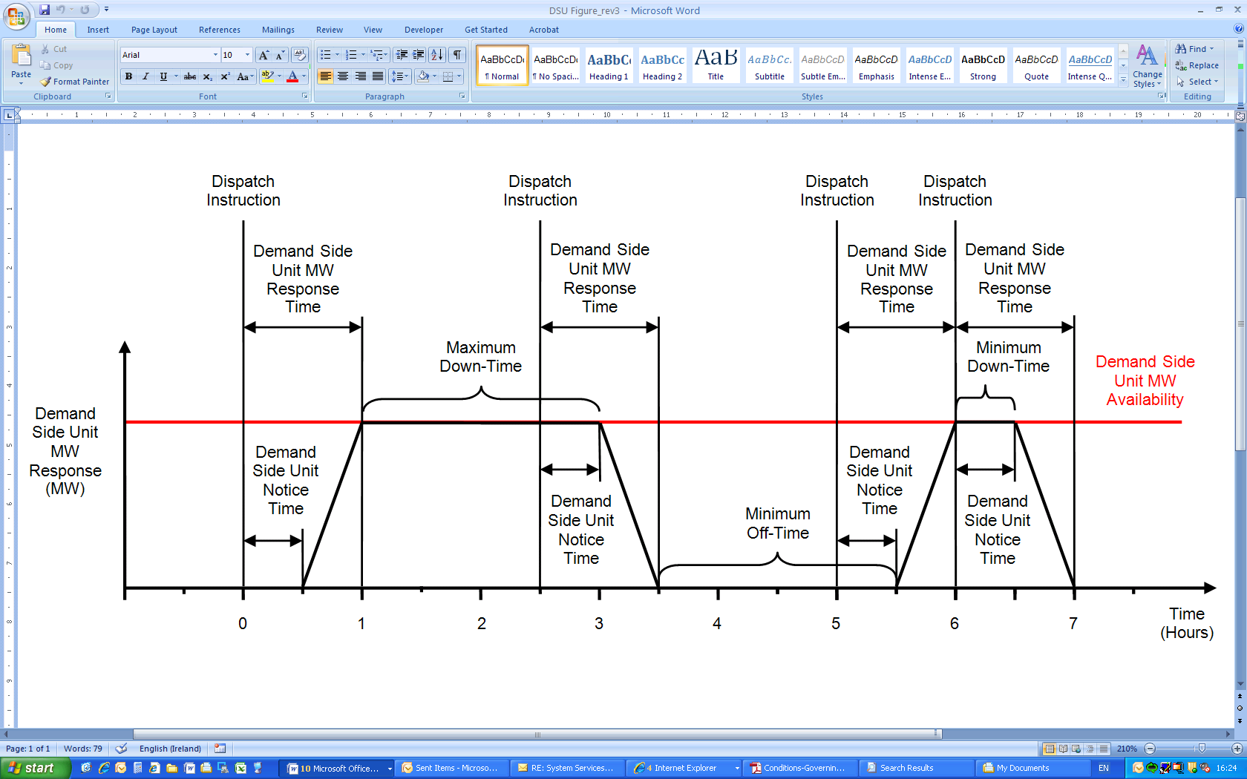
Grid Code Compliance Tests and Test Procedures
Test Procedure Templates located at http://www.eirgridgroup.com/customer-and-industry/general-customer-information/grid-code-compliance-test/compliance-testing/dsu/

Test Number | Test | Grid Code Ref: | Comments | Status
 | Grid Code Testing Requirements
1 | DSU Specification of aggregation | CC.12.6 | Demand Side Unit Operators and Generator Aggregators shall provide the TSO the specification of the method of aggregation of SCADA from multiple sites. The minimum specifications shall be agreed with the TSO at application stage and shall address paragraphs CC.12.6 a and b for each of the individual demand sites. | Open
2 | Demonstration of Signals as defined in the EirGrid Signal List including specification of aggregation | CC.12.2, CC.12.6 | These signals must be demonstrated prior to proceeding with any other Gird Code Testing. Details of method of aggregation to be agreed with TSO in advance. | Open
3 | Demonstration of capability to provide Demand Side Unit MW Response from 0MW to the Demand Side Unit MW Capacity | CC.7.4 (a) |  | Open
4 | Demonstration of capability to ramp up and down between defined load points with a rate of not less than 1.67% of Demand Side Unit MW Capacity per minute. The DSU should demonstrate stable operation for some period following ramp up | CC.7.4 (b) |  | Open
5 | Demonstration of capability to ramp up and down between defined load points with a rate of not less than 1.67% of Demand Side Unit MW Capacity per minute. The DSU should demonstrate stable operation for some period following ramp down | CC.7.4 (c) |  | Open
6 | Demonstration of Minimum Down-Time being not greater than 30 minutes | CC.7.4 (d) |  | Open
7 | Demonstration of maximum down-time being not less than 2 hours | CC.7.4 (e) |  | Open
8 | Demonstration of operation of plant on house load at high frequency and low frequency limits of operation for 60 minutes | CC.7.4 (h, i, j, k, l). | As applicable, statement of capability required from OEM. Settings and mode of operation verified for the applicable site. | Open
9 | Demonstration of amber, red and blue alerts | OC.9 | Carried out for initial inspection of Control Room. Inspection of Internal procedures are in place for responding to System Alerts. | Open
10 | Demand Side Unit Control Centre Audit | OC.7 |  | Open
11 | UPS system | OC7.2.5.4.2 | The User should provide sufficient battery backup to power the communications between User and TSO (i.e. control room, RTU etc.) for a minimum of 4 hours of operation. The requirement would be audited during the Grid Code testing by provision of a report on battery load and capacity and during the site survey.
12 | Compliance of Demand Side Units with Dispatch Instructions | OC10.4.5.2 | Performance Monitoring | Open
13 | Availability of Demand Side Units | SDC1.4.3.4/5/6 | Performance Monitoring | Open

7) Test request Profiles
Profile Template located at http://www.eirgrid.com/media/DSUTestProfileTemplate.xlsx
Send to generator_testing@eirgrid.com for assessment 10 business days in advance of test.
Send to control@eirgrid.com with generator_testing@eirgrid.com on copy for approval 5 days in advance of test.
Test profiles shall be provided for DSU in aggregate with separate profiles for the individual demand sites.
DSU Within Day Test Consent Form

Time | MW Response | Available for MW Dispatch | Comment | UNIT NAME
10:00:00 | As Required | Y |  | REGISTERED CAPACITY
10:10:00 | As Required | Y |  | TEST DATE
10:20:00 | As Required | Y |  | TEST DAY | (Automatic Value)
10:30:00 | As Required | Y |  | LOAD REJECTION TEST (YES / NO)
10:40:00 | As Required | Y |  | RISK OF TRIP DURING TEST
10:50:00 | 0 | N |  | PURPOSE OF TEST
11:00:00 | 2 | N
11:10:00 | 5 | N
11:20:00 | 2 | N
11:30:00 | 0 | N |  | DESCRIPTION OF TEST
11:40:00 | 2 | N
11:50:00 | 5 | N
12:00:00 | 5 | N
12:10:00 | 5 | N
12:20:00 | 5 | N |  | CONTACT NAME | MOBILE | ROLE
12:30:00 | 5 | N
12:40:00 | 5 | N
12:50:00 | 5 | N
Test Profile
13:00:00 | 5 | N
13:10:00 | 5 | N
13:20:00 | 5 | N
13:30:00 | 5 | N
13:40:00 | 5 | N
13:50:00 | 5 | N
14:00:00 | 2 | N
14:10:00 | 0 | N
14:20:00 | As Required | Y
14:30:00 | As Required | Y
14:40:00 | As Required | Y
14:50:00 | As Required | Y
15:00:00 | As Required | Y
15:10:00 | As Required | Y
15:20:00 | As Required | Y
15:30:00 | As Required | Y
15:40:00 | As Required | Y
15:50:00 | As Required | Y
16:00:00 | As Required | Y
16:10:00 | As Required | Y
16:20:00 | As Required | Y
16:30:00 | As Required | Y
16:40:00 | As Required | Y
16:50:00 | As Required | Y
17:00:00 | As Required | Y
17:10:00 | As Required | Y
17:20:00 | As Required | Y
17:30:00 | As Required | Y
17:40:00 | As Required | Y
17:50:00 | As Required | Y

