0) Signal List
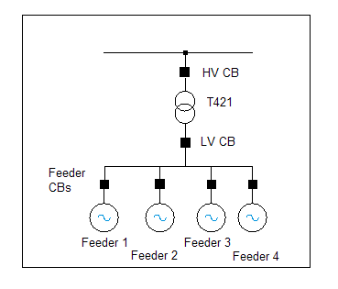
WINDFARM NAME |  | Type | TSO | XX | MW | v0.2 |  | Signals List is based on this Single Line Diagram (SLD) as inserted.
EirGrid Signals, Command & Control Specification
Signals List |  | Registered Capacity: XX MW |  |  | Installed Plant: XXX MW

ETIE Ref | Digital Input Signals (signals sent to EirGrid) |  |  |  |  | Provided by | TSO Pass-through to | Grid Code reference

 | Double Point Status Indications | (each individual input identified separately for clarity) |  |  |  |  |  | Note: Signals treated as 2-bit binary
 | Digital Input Signals from Sub Station to EirGrid
A1 | WINDFARM T121 IPP 20 kV CB |  | open |  |  | IPP | N/A | Grid Code Signals List #1 WFPS 1.7.1
A2 | WINDFARM T121 IPP 20 kV CB |  | closed |  |  | IPP | N/A | Grid Code Signals List #1 WFPS 1.7.1
A3 | WINDFARM Feeder 1 20 kV CB |  | open |  |  | IPP | N/A | Grid Code Signals List #1 WFPS 1.7.1
A4 | WINDFARM Feeder 1 20 kV CB |  | closed |  |  | IPP | N/A | Grid Code Signals List #1 WFPS 1.7.1 | Typical SLD for a wind farm connecting to the system through a 38/20 kV transformer
A5 | WINDFARM Feeder 2 20 kV CB |  | open |  |  | IPP | N/A | Grid Code Signals List #1 WFPS 1.7.1
A6 | WINDFARM Feeder 2 20 kV CB |  | closed |  |  | IPP | N/A | Grid Code Signals List #1 WFPS 1.7.1
A7 | WINDFARM Feeder 3 20 kV CB |  | open |  |  | IPP | N/A | Grid Code Signals List #1 WFPS 1.7.1
A8 | WINDFARM Feeder 3 20 kV CB |  | closed |  |  | IPP | N/A | Grid Code Signals List #1 WFPS 1.7.1
A9 | WINDFARM Feeder 4 20 kV CB |  | open |  |  | IPP | N/A | Grid Code Signals List #1 WFPS 1.7.1
A10 | WINDFARM Feeder 4 20 kV CB |  | closed |  |  | IPP | N/A | Grid Code Signals List #1 WFPS 1.7.1
A11 | WINDFARM Feeder 5 20 kV CB |  | open |  |  | IPP | N/A | Grid Code Signals List #1 WFPS 1.7.1
A12 | WINDFARM Feeder 5 20 kV CB |  | closed |  |  | IPP | N/A | Grid Code Signals List #1 WFPS 1.7.1
A13 | EirGrid Sub-Remote Control |  | off |  |  | IPP | N/A | Grid Code Signals List #1 WFPS 1.7.1
A14 | EirGrid Sub-Remote Control |  | on |  |  | IPP | N/A | Grid Code Signals List #1 WFPS 1.7.1
A15 | Blackstart Shutdown |  | off |  |  | IPP | N/A | Connection CB Trip/ Inhibit function
A16 | Blackstart Shutdown |  | on |  |  | IPP | N/A | Connection CB Trip/ Inhibit function
A17 | Reactive Device >5 Mvar 1 |  | off |  |  | IPP | N/A | Grid Code Signals List #1 WFPS 1.7.1
A18 | Reactive Device >5 Mvar 1 |  | on |  |  | IPP | N/A | Grid Code Signals List #1 WFPS 1.7.1

 | Digital Input Signals from WTG System to EirGrid
B1 | Active Power Control facility status (feedback) |  | off |  |  | IPP | N/A | Grid Code Signals List #4 WFPS 1.7.1.4
B2 | Active Power Control facility status (feedback) |  | on |  |  | IPP | N/A | Grid Code Signals List #4 WFPS 1.7.1.4
B3 | Frequency Response System Mode Status (feedback) |  | off |  |  | IPP | N/A | Grid Code Signals List #4 WFPS 1.7.1.4
B4 | Frequency Response System Mode Status (feedback) |  | on |  |  | IPP | N/A | Grid Code Signals List #4 WFPS 1.7.1.4
B5 | Frequency Response Curve (feedback) |  | Curve 1 |  |  | IPP | N/A | Grid Code Signals List #4 WFPS 1.7.1.4
B6 | Frequency Response Curve (feedback) |  | Curve 2 |  |  | IPP | N/A | Grid Code Signals List #4 WFPS 1.7.1.4
B7 | AVR (kV) Control facility status (feedback) |  | off |  |  | IPP | N/A | Grid Code Signals List #1 WFPS 1.7.1
B8 | AVR (kV) Control facility status (feedback) |  | on |  |  | IPP | N/A | Grid Code Signals List #1 WFPS 1.7.1
B9 | Q (Mvar) Control facility status (feedback) |  | off |  |  | IPP | N/A | Grid Code Modification MPID 212 Approved by CER 14/10/2012
B10 | Q (Mvar) Control facility status (feedback) |  | on |  |  | IPP | N/A | Grid Code Modification MPID 212 Approved by CER 14/10/2012
B11 | Power Factor (PF) Control facility status (feedback) |  | off |  |  | IPP | N/A | Grid Code Modification MPID 212 Approved by CER 14/10/2012
B12 | Power Factor (PF) Control facility status (feedback) |  | on |  |  | IPP | N/A | Grid Code Modification MPID 212 Approved by CER 14/10/2012

 | Recommended cable 15-pair, 15 x 2 x 0.6sqmm, Twisted-Pair (TP), stranded

ETIE Ref | Analogue Input Signals (to EirGrid) |  |  |  |  | Provided by | TSO Pass-through to | Grid Code reference

 | Analogue Input Signals from Sub Station to EirGrid
C1 | Active Power Output at LV side of Grid Connected Transformer | -10 to 0 to 10 | mA | #VALUE! | MW | IPP | N/A | Grid Code Signals List #1 WFPS 1.7.1 (125% of Registered Capacity)
C2 | Reactive Power at LV side of Grid Connected Transformer | -10 to 0 to 10 | mA | #VALUE! | Mvar | IPP | N/A | Grid Code Signals List #1 WFPS 1.7.1 (150% of Reactive Power at Registered Capacity)
C3 | Voltage at LV side of Grid Connected Transformer | 0-10 | mA | 0 - 132 | kV | IPP | N/A | Grid Code Signals List #1 WFPS 1.7.1 (125% of nominal connection voltage)

 | Analogue Input Signals from WTG System to EirGrid
D1 | Available Active Power | 0-10 | mA | #VALUE! | MW | IPP | N/A | Grid Code Signals List #1 WFPS 1.7.1 (125% of Registered Capacity)
D2 | Active Power Control Setpoint (feedback) | 0-10 | mA | #VALUE! | MW | IPP | N/A | Grid Code Signals List #4 WFPS 1.7.1.4 (125% of Registered Capacity)
D3 | Voltage Control Setpoint (feedback) | 0-10 | mA | 99 - 132 | kV | IPP | N/A | Grid Code Signals List #1 WFPS 1.7.1
D4 | Mvar (Q) Control Setpoint (feedback) | -10 to 0 to 10 | mA | #VALUE! | Mvar | IPP | N/A | Grid Code Modification MPID 212 Approved by CER 14/10/2012
D5 | Power Factor (PF) Control Setpoint (feedback) | -10 to 0 to 10 | mA | +/- 90 | degrees | IPP | N/A | Grid Code Modification MPID 212 Approved by CER 14/10/2012. Phase angle will be sent by NCC to WFPS Controller.
D6 | Frequency Droop Setting (feedback) | 0-10 | mA | 0-12 | % | IPP | N/A | Grid Code Modification MPID 227 Approved by CER 26/02/2013
D7 | Transformer Tap Position | 0-10 | mA | 0-21 | Tap | IPP | N/A | Grid Code Signals List #5 WFPS 1.7.1.5

 | Analogue WTG Availability
D8 | %WTG not generating due to high wind | 0-10 | mA | 0-110 | % | IPP | N/A | Grid Code Signals List #3 WFPS 1.7.1.3
D9 | %WTG not generating due to low wind | 0-10 | mA | 0-110 | % | IPP | N/A | Grid Code Signals List #3 WFPS 1.7.1.3
D10 | Wind Farm Availability | 0-10 | mA | 0-110 | % | IPP | N/A | Grid Code Signals List #3 WFPS 1.7.1.3

 | Met 1 (if Registered Capacity >= 10 MW)
D11 | Wind Speed 1 | 0-10 | mA | 0-70 | m/s | IPP | N/A | Grid Code Signals List #6 WFPS 1.7.1.6
D12 | Wind Direction 1 | 0-10 | mA | 0-360 | deg | IPP | N/A | Grid Code Signals List #6 WFPS 1.7.1.6 (0mA = 0deg (from the North), 2.5mA = 90deg (from the East), 5mA = 180deg (from the South),7.5mA = 270deg (from West), 10mA = 360deg (from the North)).
D13 | Air Temperature 1 | 0-10 | mA | -40-70 | C | IPP | N/A | Grid Code Signals List #6 WFPS 1.7.1.6
D14 | Air Pressure 1 | 0-10 | mA | 735-1060 | mBar | IPP | N/A | Grid Code Signals List #6 WFPS 1.7.1.6

 | Met N (if Registered Capacity >= 10 MW)
D15 | Wind Speed N | 0-10 | mA | 0-70 | m/s | IPP | N/A | Grid Code Signals List #6 WFPS 1.7.1.6
D16 | Wind Direction N | 0-10 | mA | 0-360 | deg | IPP | N/A | Grid Code Signals List #6 WFPS 1.7.1.6
D17 | Air Temperature N | 0-10 | mA | -40-70 | C | IPP | N/A | Grid Code Signals List #6 WFPS 1.7.1.6
D18 | Air Pressure N | 0-10 | mA | 735-1060 | mBar | IPP | N/A | Grid Code Signals List #6 WFPS 1.7.1.6

 | Recommended cable 25-pair cable: 25 x 2 x 0.6sqmm TP, stranded, individually screened pairs. Screens to be terminated by IPP.

ETIE Ref | Digital Output Signals (from EirGrid) |  |  |  |  | Provided to | TSO Pass-through to | Distribution Code reference

 | Double Command Outputs | (each individual relay output identified separately)
 | Digital Output Signals from EirGrid to WTG System
E1 | Active Power Control facility status |  | off | pulse | 0.5 seconds | IPP | N/A | Grid Code Signals List #4 WFPS 1.7.1.4
E2 | Active Power Control facility status |  | on | pulse | 0.5 seconds | IPP | N/A | Grid Code Signals List #4 WFPS 1.7.1.4
E3 | Frequency Response System Mode Status |  | off | pulse | 0.5 seconds | IPP | N/A | Grid Code Signals List #5 WFPS 1.7.1.5
E4 | Frequency Response System Mode Status |  | on | pulse | 0.5 seconds | IPP | N/A | Grid Code Signals List #5 WFPS 1.7.1.5
E5 | Frequency Response Curve Select |  | Curve 1 | pulse | 0.5 seconds | IPP | N/A | Grid Code Signals List #5 WFPS 1.7.1.5
E6 | Frequency Response Curve Select |  | Curve 2 | pulse | 0.5 seconds | IPP | N/A | Grid Code Signals List #5 WFPS 1.7.1.5

 | Digital Output Signals from EirGrid to Sub Station
F1 | Blackstart Shutdown |  | off | pulse | 0.5 seconds | IPP | N/A | Connection CB Trip/ Inhibit function
F2 | Blackstart Shutdown |  | on | pulse | 0.5 seconds | IPP | N/A | Connection CB Trip/ Inhibit function

 | Strobe Enable Pulse
 | Digital Output Signals from EirGrid to WTG System
E7 | Digital Output Active Power Control Setpoint Enable |  |  | pulse | 0.5 seconds | IPP | N/A | Grid Code Signals List #4 WFPS 1.7.1.4
E8 | Digital Output Voltage Control (kV) Setpoint Enable |  |  | pulse | 0.5 seconds | IPP | N/A | Grid Code Modification MPID 212 Approved by CER 14/10/2012
E9 | Digital Output Mvar Control (Q) Setpoint Enable |  |  | pulse | 0.5 seconds | IPP | N/A | Grid Code Modification MPID 212 Approved by CER 14/10/2012
E10 | Digital Output Power Factor Control (PF) Setpoint Enable |  |  | pulse | 0.5 seconds | IPP | N/A | Grid Code Modification MPID 212 Approved by CER 14/10/2012
E11 | Digital Output Frequency Droop Setting Enable |  |  | pulse | 0.5 seconds | IPP | N/A | Grid Code Modification MPID 227 Approved by CER 26/02/2013
 | Single Command Outputs
E12 | Voltage Control facility status |  | on | pulse | 0.5 seconds | IPP | N/A | Grid Code Signals List #1 WFPS 1.7.1
E13 | Mvar (Q) Control Facility status |  | on | pulse | 0.5 seconds | IPP | N/A | Grid Code Modification MPID 212 Approved by CER 14/10/2012
E14 | Power Factor (PF) Control facility status |  | on | pulse | 0.5 seconds | IPP | N/A | Grid Code Modification MPID 212 Approved by CER 14/10/2012
 | Recommended Cable 15-pair Screened Cable : 15 x 2 x 0.6sqmm, Twisted-Pair ( TP).

ETIE Ref | Analogue Output Signals (from EirGrid) |  |  |  |  | Provided to | TSO Pass-through to | Distribution Code reference

 | Analogue Output Signals from EirGrid to WTG System
G1 | Analogue Output Active Power Control Setpoint | 4 - 20 | mA | #VALUE! | MW | IPP | N/A | Grid Code Signals List #4 WFPS 1.7.1.4 (125% of Registered Capacity)
G2 | Analogue Voltage Control Setpoint | 4 - 20 | mA | 99 - 132 | kV | IPP | N/A | Grid Code Signals List #1 WFPS 1.7.1
G3 | Analogue Mvar (Q) Control Setpoint | 4 - 20 | mA | #VALUE! | Mvar | IPP | N/A | Grid Code Modification MPID 212 Approved by CER 14/10/2012
G4 | Analogue Power Factor (PF) Control Setpoint | 4 - 20 | mA | +/- 90 | degrees | IPP | N/A | Grid Code Modification MPID 212 Approved by CER 14/10/2012
G5 | Frequency Droop Setting | 4 - 20 | mA | 0-12 | % | IPP | N/A | Grid Code Modification MPID 227 Approved by CER 26/02/2013

 | Recommended cable 5-pair cable: 5 x 2 x 0.6sqmm TP, stranded, individually screened pairs. Screens to be terminated by IPP.

1a) Inst.Info & Contact Details
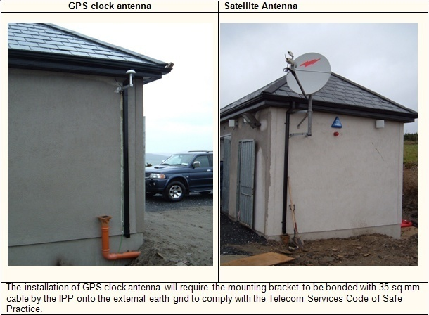
WINDFARM NAME Information and Contact Details to be sent by IPP via ESB Networks to EirGrid (generator_testing@EirGrid.com)

Information may be sent to by email: generator_testing@eirgrid.com, Fax: +353 (0)1 661 5375 or Post to: Operational Services & Performance, EirGrid, The Oval, 160 Shelbourne Road, Ballsbridge, Dublin 4

 | DATE

 | HV SUB STATION NAME

 | EirGrid Contact Person | Colm MacManus | PHONE: |  | (+353) 1 23 70168
 | OSP Generic Email: Generator_testing@eirgrid.com
 | EMS Generic Email: ems.services@eirgrid.com

 | ESBTS Project Manager | ESBTS Team | PHONE: |  | (+353) 1 7027835

 | ESBTS Commissioner | ESBTS Team | PHONE: |  | (+353) 1 7027835
 | ESBTS Generic Email: esbts.scada.services@esb.ie

 | ESB Networks (SPOC) |  | PHONE:
 | ESB Networks Build Generic Email: IPPdelivery@esb.ie
 | ESB Networks (switchgear) |  | PHONE: |  | (+ )
 | ESB Networks (metering) |  | PHONE: |  | (+ )

 | IPP Project Manager |  | PHONE: |  | (+ )

 | Electrical Contractor |  | PHONE: |  | (+ )

 | Turbine Contractor |  | PHONE: |  | (+ )

 | Work Programme / Schedule (.mpp format) |  |  | Insert File

 | Single Line Diagram |  |  | Insert file

 | Site Layout Drawing on OS Map |  |  | Insert file

 | Substation & Control Building Layout Drawing on OS Map |  |  | Insert file

 | IPP Energy Management System %error |  |  | %

 | Directions including Map to the Wind Farm Power Station | Insert Map and brief description

 | Safety & Site information | IPP to provide details

 | ESBTS Standard Requirements from IPP (may be customised for particular sites):
 |  | 1) 90sq mm earth for Telecoms earth bar. 2) 35sq mm bonded from external earth grid to GPS clock antenna mounting bracket and if applicable Satellite antenna mounting bracket. 3) 48V DC Power System consisting of Switched Mode Power Supply (SMPS) with sealed cell battery. 4) If applicable - Fibre termination cabinet with fibre termination unit and fibre to distant station. 5) Satellite link consisting of Satellite transceiver and antenna if applicable. Satellite antenna preferably on a south facing wall with a clear view of the horizon. 6) Install and terminate process control and signal cables in ETI (the wiring schedule is available as a worksheet in the signal list excel file).

 | ESB Telecom Services - Indicative Timelines for on site works | 1) 3 weeks notice required by ESBTS to schedule resources. 2) ~1 week to install the RTU cabinet with integrated ETI and GPS clock, GPS clock antenna. 3) ~1 week to pre commission the RTU referenced to frozen signal list with IPP electrical and WTG contractors. 4) ~1 week to install and commission the satellite link including antenna (if applicable). 5) ~2 days to commission the fibre link (if applicable). 6) ~1 week to commission the RTU with IPP electrical and WTG contractors.

2 a) EMS Database Setup Cert
EirGrid Internal Document - no IPP requirements. For Information only
WINDFARM NAME |  | Type | TSO | XX | MW | v0.2
EirGrid Signals, Command & Control Specification
Energy Management System (EMS) Database setup Certificate

 | Completion Cert
 | Continuity Check Complete

Generator Modelled
Lines Modelled
Station Modelled
Calculations Updated
RTU Modelled
Display Work Completed:
WF SLD
Station SLD
Station List
Windfarm List
Embedded Wind
Windfarm Control
Station Wind MW
Wind Overview
Windfarm Availability Data
Blue Alert Page
Windfarm Weather Data
DCC signals provided via ICCP
EMS Name
EMS Signature
Date

ETIE
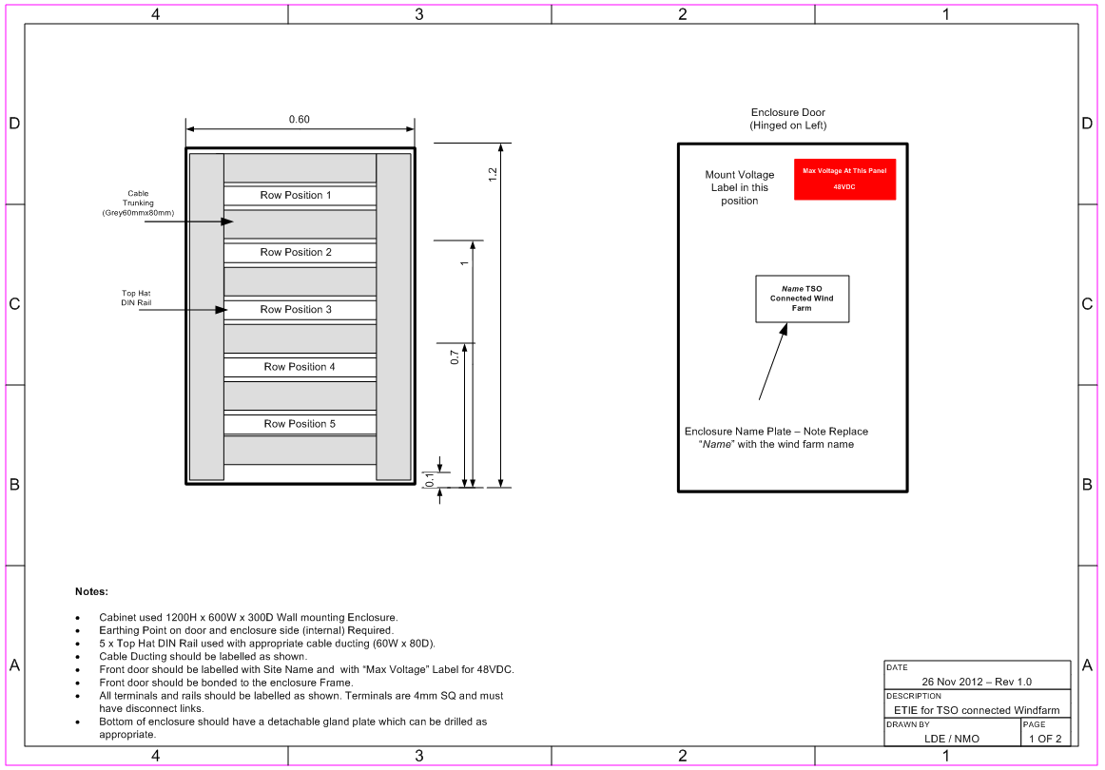
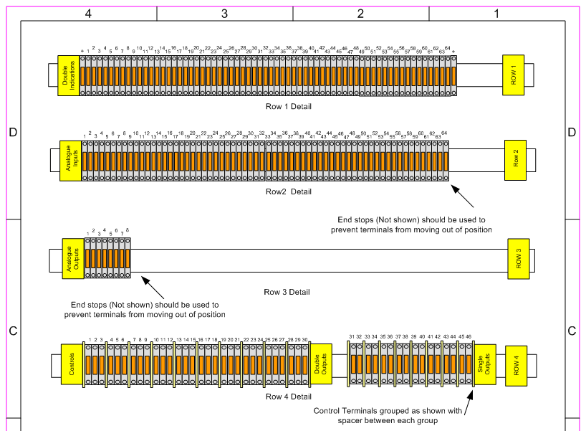
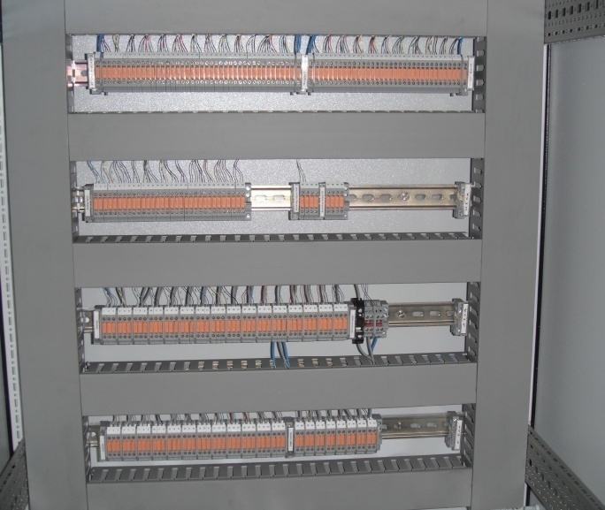
EirGrid Telecoms Interface Enclosure (ETIE)

 | Typical EirGrid RTU cabinet with integrated ETI and GPS clock 2.0m x 0.8m x 0.6m (rear access not required).

 | Note: This is for a typical installation and may vary from project to project. Any queries should be directed to generator_testing@eirgrid.com or esbts.scada.services@esb.ie

ETIE General Description
There will be four rows of terminals labelled Row 1, 2, 3, 4 as shown in the Layout drawing and Photograph above
Trunking shall be separated into IPP and EirGrid Telecoms trunking.
EirGrid Telecoms cabling to be in EirGrid Telecoms designated trunking only
IPP cabling to be in IPP designated trunking only
Access to terminals will be as follows:
Upper side to be used for EirGrid Telecoms use only
Lower side to be used for IPP use only
Isolating link to sever all connection between the IPP connection and EirGrid Telecoms connection
Command terminals to be covered with a Perspex cover and labelled "DO NOT ENERGISE"
Earthing of cabinet to be completed in accordance with 35 sq mm earth cable to EirGrid Telecoms earth bar

Test Schedule and Templates
Grid Code Compliance Test Schedule and Test Procedure templates
Test Template located at the following:
http://www.eirgrid.com/operations/gridcode/compliancetesting/wfpstestprocedures/#d.en.17698

IPP to develop Test Procedure and agree with generator_testing@eirgrid.com at least 10 Business Days in advance of testing

SCHEDULE OF GRID CODE COMPLIANCE TESTS
http://www.eirgrid.com/media/Schedule%20of%20Grid%20Code%20Compliance%20Tests.xls
 |  |  |  |  |  |  |  |  | Date:
Wind Farm:
 | Grid Code Compliance Test | Grid Code Clause (V3.2) | Test Procedure Reference | Mandatory Test in Presence of Witness on Site | Test Preferred in the Presence of Witness on Site | Preferred Test from TSO | Remote Control from TSO | Current Test Status | On Site Testing Date: | Remote Testing Date: | Sub-sequent Test Status | On Site Testing Date: | Remote Testing Date:
ID
 | Fault Ride Through | WFPS1.4
1 | Transmission System Frequency Ranges | WFPS1.5.1
2
 | Active Power Management | WFPS1.5.2
 | Active Power Control | WSPS1.5.2.1 |  | Yes |  |  | Yes
3 | Frequency Response | WFPS1.5.2.2 |  | Yes |  |  | Yes
4 | Ramp Rates and Start Up Test | WSPS1.5.3 |  | Yes
5
 | Transmission System Voltage Requirements | WFPS1.6
 | Transmission System Voltage Range | WFPS1.6.1 |  | Yes
6 | Automatic Voltage Regulation | WFPS1.6.2 |  | Yes |  |  | Yes
7 | Reactive Power Capability | WFPS1.6.3 |  | Yes |  |  | Yes
8 | Voltage Step Emissions | WFPS1.6.4 |  | Yes
9
 | Signals, Communications and Control | WFPS1.7
 | Signals, Communications and Control | WFPS1.7
10 | Signals from Controllable WFPS to the TSO | WFPS1.7.1
10.1 to 10.5 | Signal List #1 | WFPS1.7.1.1 |  | Yes |  |  | Yes
10.1 | Signal List #2 - Meteorological Data | WFPS1.7.1.2 |  | Yes |  |  | Yes
10.2 | Signal List #3 – Availability Data | WFPS1.7.1.3 |  | Yes |  |  | Yes
10.3 | Signal List #4 – Active Power Control Data | WFPS1.7.1.4 |  | Yes |  |  | Yes
10.4 | Signal List #5 – Frequency Response System Data | WFPS1.7.1.5 |  | Yes |  |  | Yes
10.5 | Control Signals from the TSO to the Controllable Wind Farm | WFPS1.7.2
10.6 to 10.9 | Active Power Control | WFPS1.7.2.2 |  | Yes |  |  | Yes
10.6 | Frequency Response | WFPS1.7.2.3 |  | Yes |  |  | Yes
10.7 | Voltage Regulation | WFPS1.7.2.4 |  | Yes |  |  | Yes
10.8 | Black Start Shutdown | WFPS1.7.2.5 |  | Yes |  |  | Yes
10.9 | Capacity |  |  |  | Yes |  | Yes
11 | Protection Test – Under / Over Frequency and Under / Over Voltage.
12 | Protection Test – Trip and Close selected HV line(s) in Wind Farm feeder station
13 | Disturbance Test – Trip of HV line feeding wind farm with Standby Diesel Generator |  |  | Yes |  |  | Yes
14 | Disturbance Test – Trip of HV line feeding wind farm without Standby Diesel Generator |  |  | Yes |  |  | Yes
15 | Disturbance Test – Trip of grid connected power transformer with Standby Diesel Generator |  |  | Yes |  |  | Yes
16 | Disturbance Test – Trip of grid connected power transformer without Standby Diesel Generator |  |  | Yes |  |  | Yes
17 | Black Start Shutdown Test – Trip of main wind farm CB in response to Black Start Shutdown signal |  |  | Yes |  |  | Yes

