7-Year Summary
Renewable Electricity as % of Demand
Renewable Electricity as % of Demand
Renewable Electricity as % of Demand
 | Northern Ireland | Ireland | All Island
2014 | 18% | 23% | 22%
2015 | 23% | 27% | 26%
2016 | 23% | 25% | 25%
2017 | 31% | 30% | 30%
2018 | 36% | 33% | 34%
2019 | 39% | 38% | 38%
2020 | 44% | 42% | 42%
Data Sources:
Ireland: SEAI - Updated April 2021
Northern Ireland: SONI metered data.
See "Fuel Mix & CO2" tab for more information.

Wind as % of Demand
Wind as % of Demand
Wind as % of Demand
 | Northern Ireland | Ireland | All Island
2014 | 17% | 18% | 18%
2015 | 21% | 23% | 22%
2016 | 20% | 21% | 21%
2017 | 27% | 25% | 25%
2018 | 31% | 28% | 29%
2019 | 33% | 32% | 32%
2020 | 37% | 36% | 36%
Data Sources:
Ireland: SEAI - Updated April 2021
Northern Ireland: SONI metered data.
See "Fuel Mix & CO2" tab for more information.

Maximum Wind Penetration as % of Demand
Maximum Wind Penetration as % of Demand

Maximum Wind Penetration as % of Demand
 | Northern Ireland | Ireland | All Island
2014 | 80% | 70% | 69%
2015 | 83% | 75% | 73%
2016 | 101% | 78% | 78%
2017 | 120% | 82% | 79%
2018 | 129% | 87% | 85%
2019 | 119% | 93% | 84%
2020 | 132% | 96% | 89%
Source: SCADA data - See "System Data Summary" tab.
Note: NI and IE max wind levels may not occur simultaneously.

Percentage of Year with Wind at 50% of Demand or Higher
Percentage of Year with Wind at 50% of Demand or Higher

Percentage of Year with Wind at 50% of Demand or Higher
 | Northern Ireland | Ireland | All Island
2014 | 4% | 5% | 4%
2015 | 7% | 11% | 9%
2016 | 6% | 10% | 8%
2017 | 16% | 15% | 15%
2018 | 23% | 24% | 23%
2019 | 27% | 27% | 26%
2020 | 32% | 36% | 35%
Source: SCADA data - See "System Data Summary" tab.

Total Wind Generation GWh
Total Wind Generation GWh

Total Wind Generation GWh
 | Northern Ireland | Ireland | All Island
2014 | 1,343 | 5,058 | 6,401
2015 | 1,696 | 6,536 | 8,232
2016 | 1,499 | 6,061 | 7,560
2017 | 2,034 | 7,228 | 9,262
2018 | 2,385 | 8,684 | 11,068
2019 | 2,462 | 9,497 | 11,958
2020 | 2,629 | 11,070 | 13,699
Source: SCADA data - See "System Data Summary" tab.

Maximum Wind Generation Level MW
Maximum Wind Generation Level MW

Maximum Wind Generation Level MW
 | Northern Ireland | Ireland | All Island
2014 | 512 | 1,826 | 2,318
2015 | 583 | 2,037 | 2,607
2016 | 634 | 2,231 | 2,812
2017 | 831 | 2,616 | 3,281
2018 | 994 | 3,052 | 3,939
2019 | 1,008 | 3,136 | 3,996
2020 | 1,005 | 3,359 | 4,232
Source: SCADA data - See "System Data Summary" tab.
Note: NI and IE max wind levels may not occur simultaneously.

Installed Wind Capacity MW
Installed Wind Capacity MW

Installed Wind Capacity MW
 | Northern Ireland | Ireland | All Island
2014 | 729 | 2,266 | 2,996
2015 | 751 | 2,447 | 3,198
2016 | 943 | 2,795 | 3,737
2017 | 1,154 | 3,312 | 4,466
2018 | 1,276 | 3,667 | 4,943
2019 | 1,276 | 4,120 | 5,396
2020 | 1,276 | 4,300 | 5,576
Data Sources:
Ireland TSO wind: EirGrid.
Ireland DSO wind: ESB Networks.
Northern Ireland Wind: SONI and NIE.
See "Wind Installed Capacities" and
"Connected Windfarm Lists" tabs for more information.

Wind Installed During Year MW
Wind Installed During Year MW

Wind Installed During Year MW
 | Northern Ireland | Ireland | All Island
2014 | 89 | 343 | 432
2015 | 22 | 181 | 203
2016 | 192 | 347 | 539
2017 | 211 | 518 | 729
2018 | 123 | 355 | 477
2019 | 0 | 453 | 453
2020 | 0 | 180 | 180
Data Sources:
Ireland TSO wind: EirGrid.
Ireland DSO wind: ESB Networks.
Northern Ireland Wind: SONI and NIE.
See "Wind Installed Capacities" and
"Connected Windfarm Lists" tabs for more information.

Percentage of Year with SNSP at 50% or Higher

Percentage of Year with SNSP at 50% or Higher
 |  |  | All Island
2014 |  |  | 1%
2015 |  |  | 3%
2016 |  |  | 4%
2017 |  |  | 10%
2018 |  |  | 21%
2019 |  |  | 23%
2020 |  |  | 32%
Source: SCADA data - See "System Data Summary" tab.

Total System Demand GWh
Total System Demand GWh

Total System Demand GWh
 | Northern Ireland | Ireland | All Island
2014 | 8,588 | 25,771 | 34,359
2015 | 8,525 | 26,576 | 35,101
2016 | 8,314 | 27,155 | 35,470
2017 | 8,120 | 27,742 | 35,862
2018 | 8,100 | 28,900 | 37,001
2019 | 7,895 | 29,083 | 36,978
2020 | 7,505 | 29,331 | 36,835
Source: SCADA data - See "System Data Summary" tab.

System Peak Demand Level MW
System Peak Demand Level MW

System Peak Demand Level MW
 | Northern Ireland | Ireland | All Island
2014 | 1,684 | 4,613 | 6,270
2015 | 1,709 | 4,704 | 6,397
2016 | 1,649 | 4,761 | 6,375
2017 | 1,628 | 4,940 | 6,532
2018 | 1,652 | 4,914 | 6,504
2019 | 1,590 | 5,014 | 6,548
2020 | 1,551 | 5,348 | 6,894
Source: SCADA data - See "System Data Summary" tab.
Note: NI and IE peak demand levels may not occur simultaneously

Fuel Mix & CO2
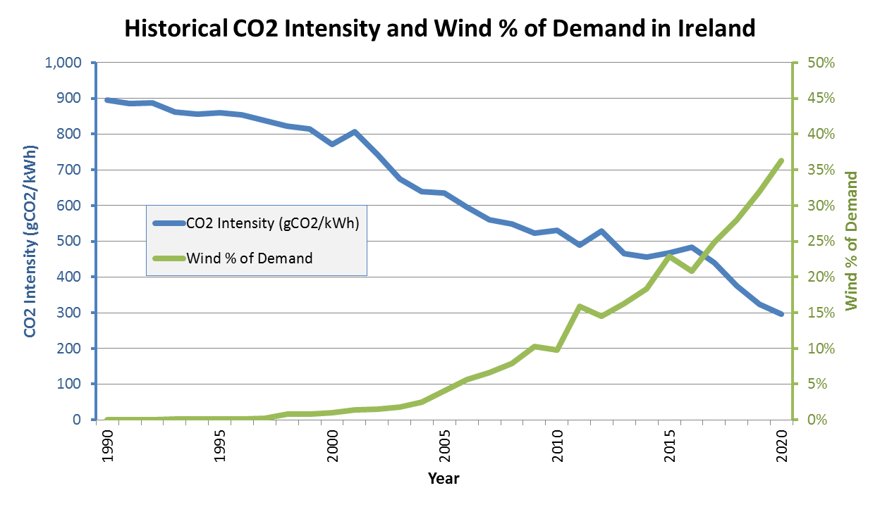
Electricity Fuel Mix as Percentage of Demand - Latest Available 12-Month Average (Oct 2020 to Sep 2021):

Oct 2020 to Sep 2021 | Ireland |  | Northern Ireland |  | All Island
Fuel | GWh | % | GWh | % | GWh | %
Coal | 2,488.6 | 8.0% | 896.3 | 11.0% | 3,385.0 | 8.6%
Oil | 400.1 | 1.3% | 14.6 | 0.2% | 414.7 | 1.1%
NR Peat | 750.0 | 2.4% |  | 0.0% | 750.0 | 1.9%
Gas | 14,205.6 | 45.5% | 4,418.4 | 54.4% | 18,624.1 | 47.3%
Wind | 10,049.4 | 32.2% | 2,492.1 | 30.7% | 12,541.5 | 31.9%
Solar | 0.0 | 0.0% | 163.5 | 2.0% | 163.5 | 0.4%
Hydro | 860.0 | 2.8% | 16.3 | 0.2% | 876.3 | 2.2%
Other Renewable | 647.2 | 2.1% | 361.9 | 4.5% | 1,009.2 | 2.6%
Other Non-Renewable | 297.9 | 1.0% | 2.9 | 0.0% | 300.8 | 0.8%
Net Imports | 1,540.6 | 4.9% | -241.1 | -3.0% | 1,299.4 | 3.3%
Total Demand | 31,239.5 | 100.0% | 8,124.8 | 100.0% | 39,364.3 | 100.0%
Total Renewables | 11,556.6 | 37.0% | 3,033.8 | 37.3% | 14,590.4 | 37.1%
Note: Ireland's renewable percentage does not include small scale/micro generation. These final figures will be published by SEAI after the end of the calendar year.
Data Sources: EirGrid and SONI metered data. See additional notes below.

Electricity Fuel Mix as Percentage of Demand - Calendar Year Charts:

Ireland Fuel Mix 2020
Northern Ireland Fuel Mix 2020
All Island Fuel Mix 2020

Electricity Fuel Mix as Percentage of Demand - Calendar Year Figures:

 | Ireland |  |  |  |  |  |  |  |  |  |  |  |  |  | Northern Ireland |  |  |  |  |  |  |  |  |  |  |  |  |  | All Island
 | 2014 |  | 2015 |  | 2016 |  | 2017 |  | 2018 |  | 2019 |  | 2020 |  | 2014 |  | 2015 |  | 2016 |  | 2017 |  | 2018 |  | 2019 |  | 2020 |  | 2014 |  | 2015 |  | 2016 |  | 2017 |  | 2018 |  | 2019 |  | 2020
Fuel Type | GWh | % | GWh | % | GWh | % | GWh | % | GWh | % | GWh | % | GWh | % | GWh | % | GWh | % | GWh | % | GWh | % | GWh | % | GWh | % | GWh | % | GWh | % | GWh | % | GWh | % | GWh | % | GWh | % | GWh | % | GWh | %
Coal | 3,956.7 | 14.2% | 4,874.4 | 16.9% | 4,695.7 | 15.9% | 3,644.6 | 12.2% | 2,151.7 | 7.0% | 507.9 | 1.6% | 669.2 | 2.1% | 2,064.4 | 23.6% | 2,018.8 | 23.0% | 2,034.1 | 23.3% | 1,300.3 | 15.5% | 1,272.5 | 15.1% | 866.3 | 10.4% | 994.3 | 12.4% | 6,021.2 | 16.4% | 6,893.2 | 18.4% | 6,729.8 | 17.6% | 4,944.9 | 12.9% | 3,424.2 | 8.7% | 1,374.2 | 3.5% | 1,663.5 | 4.2%
Oil | 258.4 | 0.9% | 406.8 | 1.4% | 292.8 | 1.0% | 141.9 | 0.5% | 139.4 | 0.5% | 280.2 | 0.9% | 393.5 | 1.2% | 6.0 | 0.1% | 9.8 | 0.1% | 26.6 | 0.3% | 13.0 | 0.2% | 28.2 | 0.3% | 15.0 | 0.2% | 15.1 | 0.2% | 264.4 | 0.7% | 416.6 | 1.1% | 319.4 | 0.8% | 154.9 | 0.4% | 167.6 | 0.4% | 295.2 | 0.7% | 408.6 | 1.0%
NR Peat | 2,496.1 | 8.9% | 2,518.2 | 8.8% | 2,317.9 | 7.9% | 2,164.4 | 7.2% | 2,090.7 | 6.8% | 1,927.1 | 6.1% | 960.4 | 3.0% |  | 0% |  | 0% |  | 0% |  | 0% |  | 0% |  | 0% |  | 0% | 2,496.1 | 6.8% | 2,518.2 | 6.7% | 2,317.9 | 6.1% | 2,164.4 | 5.6% | 2,090.7 | 5.3% | 1,927.1 | 4.9% | 960.4 | 2.4%
Gas | 12,635.0 | 45.2% | 12,367.5 | 43.0% | 15,328.4 | 51.9% | 15,679.9 | 52.3% | 16,014.0 | 51.9% | 15,906.2 | 50.8% | 16,250.1 | 51.1% | 3,835.6 | 43.8% | 4,150.1 | 47.3% | 4,440.4 | 50.9% | 4,788.9 | 56.9% | 3,828.4 | 45.6% | 4,047.5 | 48.5% | 3,936.0 | 49.3% | 16,470.7 | 44.9% | 16,517.6 | 44.0% | 19,768.8 | 51.7% | 20,468.7 | 53.3% | 19,842.3 | 50.5% | 19,953.7 | 50.3% | 20,186.1 | 50.7%
Wind | 5,140.1 | 18.4% | 6,573.0 | 22.8% | 6,147.0 | 20.8% | 7,444.0 | 24.8% | 8,639.8 | 28.0% | 10,019.5 | 32.0% | 11,549.4 | 36.3% | 1,452.6 | 16.6% | 1,802.7 | 20.5% | 1,714.9 | 19.7% | 2,270.4 | 27.0% | 2,577.9 | 30.7% | 2,762.6 | 33.1% | 2,960.9 | 37.1% | 6,592.7 | 18.0% | 8,375.7 | 22.3% | 7,861.9 | 20.6% | 9,714.4 | 25.3% | 11,217.6 | 28.6% | 12,782.0 | 32.2% | 14,510.4 | 36.4%
Solar | 2.5 | 0.01% | 3.4 | 0.01% | 6.2 | 0.02% | 10.8 | 0.04% | 16.7 | 0.1% | 21.4 | 0.1% | 27.7 | 0.1% | - | 0.0% | - | 0.0% | - | 0.0% | - | 0.0% | - | 0.0% | 149.2 | 1.8% | 165.6 | 2.1% | 2.5 | 0.0% | 3.4 | 0.0% | 6.2 | 0.0% | 10.8 | 0.0% | 16.7 | 0.0% | 170.6 | 0.4% | 193.3 | 0.5%
Hydro | 708.7 | 2.5% | 806.5 | 2.8% | 681.0 | 2.3% | 691.6 | 2.3% | 694.1 | 2.2% | 886.6 | 2.8% | 932.7 | 2.9% | 12.7 | 0.1% | 12.0 | 0.1% | 9.6 | 0.1% | 11.1 | 0.1% | 15.1 | 0.2% | 18.1 | 0.2% | 18.7 | 0.2% | 721.3 | 2.0% | 818.5 | 2.2% | 690.6 | 1.8% | 702.7 | 1.8% | 709.2 | 1.8% | 904.7 | 2.3% | 951.3 | 2.4%
Other Renewables | 541.0 | 1.9% | 478.6 | 1.7% | 679.2 | 2.3% | 735.2 | 2.5% | 848.3 | 2.7% | 852.3 | 2.7% | 894.9 | 2.8% | 104.0 | 1.2% | 183.6 | 2.1% | 323.2 | 3.7% | 339.0 | 4.0% | 441.9 | 5.3% | 336.5 | 4.0% | 356.7 | 4.5% | 645.0 | 1.8% | 662.2 | 1.8% | 1,002.4 | 2.6% | 1,074.2 | 2.8% | 1,290.3 | 3.3% | 1,188.8 | 3.0% | 1,251.5 | 3.1%
Other Non-Renewables | 69.6 | 0.2% | 74.1 | 0.3% | 72.8 | 0.2% | 159.3 | 0.5% | 301.6 | 1.0% | 294.7 | 0.9% | 299.0 | 0.9% | 6.0 | 0.1% | 4.6 | 0.1% | 4.4 | 0.1% | 4.4 | 0.1% | 9.4 | 0.1% | 3.1 | 0.04% | 3.6 | 0.04% | 75.5 | 0.2% | 78.7 | 0.2% | 77.2 | 0.2% | 163.7 | 0.4% | 311.0 | 0.8% | 297.8 | 0.8% | 302.6 | 0.8%
Net Imports | 2149.1 | 7.7% | 673.4 | 2.3% | -711.7 | -2.4% | -678.5 | -2.3% | -27.7 | -0.1% | 644.5 | 2.1% | -151.9 | -0.5% | 1284.7 | 14.7% | 595.4 | 6.8% | 172.3 | 2.0% | -313.8 | -3.7% | 229.7 | 2.7% | 149.3 | 1.8% | -464.0 | -5.8% | 3433.7 | 9.4% | 1268.7 | 3.4% | -539.4 | -1.4% | -992.3 | -2.6% | 202.0 | 0.5% | 793.8 | 2.0% | -615.8 | -1.5%
Total Demand | 27,957.1 | 100.0% | 28,775.9 | 100.0% | 29,509.3 | 100.0% | 29,993.2 | 100.0% | 30,868.5 | 100.0% | 31,340.4 | 100.0% | 31,825.1 | 100.0% | 8,766.0 | 100.0% | 8,776.9 | 100.0% | 8,725.5 | 100.0% | 8,413.2 | 100.0% | 8,403.0 | 100.0% | 8,347.5 | 100.0% | 7,986.8 | 100.0% | 36,723.0 | 100.0% | 37,552.8 | 100.0% | 38,234.7 | 100.0% | 38,406.4 | 100.0% | 39,271.5 | 100.0% | 39,687.9 | 100.0% | 39,811.9 | 100.0%
Renewables | 6,392.1 | 22.9% | 7,861.5 | 27.3% | 7,513.4 | 25.5% | 8,881.7 | 29.6% | 10,198.9 | 33.0% | 11,779.8 | 37.6% | 13,404.7 | 42.1% | 1,569.3 | 17.9% | 1,998.3 | 22.8% | 2,047.6 | 23.5% | 2,620.4 | 31.1% | 3,034.9 | 36.1% | 3,266.4 | 39.1% | 3,501.8 | 43.8% | 7,961.5 | 21.7% | 9,859.8 | 26.3% | 9,561.1 | 25.0% | 11,502.1 | 29.9% | 13,233.7 | 33.7% | 15,046.2 | 37.9% | 16,906.5 | 42.5%

Notes:
All figures represent net exported energy.
Negative net imports indicate net exported energy.

Data Sources:
Ireland: Sustainable Energy Authority of Ireland (SEAI) - Latest update Apr 2021.
SEAI's figures are comprised of EirGrid's provisional figures plus other small scale and micro generation data compiled by SEAI.
EirGrid provisional figures consist of: EirGrid/SEMO metered data + ESBN/MRSO metered data for distribution-connected generation.
EirGrid and SEAI may publish future updates to fuel mix figures as more data is collected throughout the year.
Other Non-Renewables include: non-renewable waste energy, non-renewable CHP and Diesel.
Other Renewables include: renewable CHP, bio energy (biomass, biogas, LFG) and ocean energy (tidal and wave).
Pumped hydro is not included. It is considered storage or delayed output rather than primary production.
Northern Ireland: Fuel mix figures are based on latest metered data provided by SONI.
Other Non-Renewables include: DSO CHP and Diesel.
Other Renewables include: Biomass, Biogas, LFG, Renewable CHP and Hydro.

Differences:
The data contained in the "System Summary" tab is indicative as it is based on raw 15-minute average SCADA readings which are produced in real time and have yet to be quality controlled.
The data contained in this tab however represents "metered data" which is more accurate than the real-time SCADA data and used for official purposes.
This metered data will have been put through a quality control process and therefore may not be available until a few months after the event.
Metered data may also be updated in the future if more information is received from the various data sources.

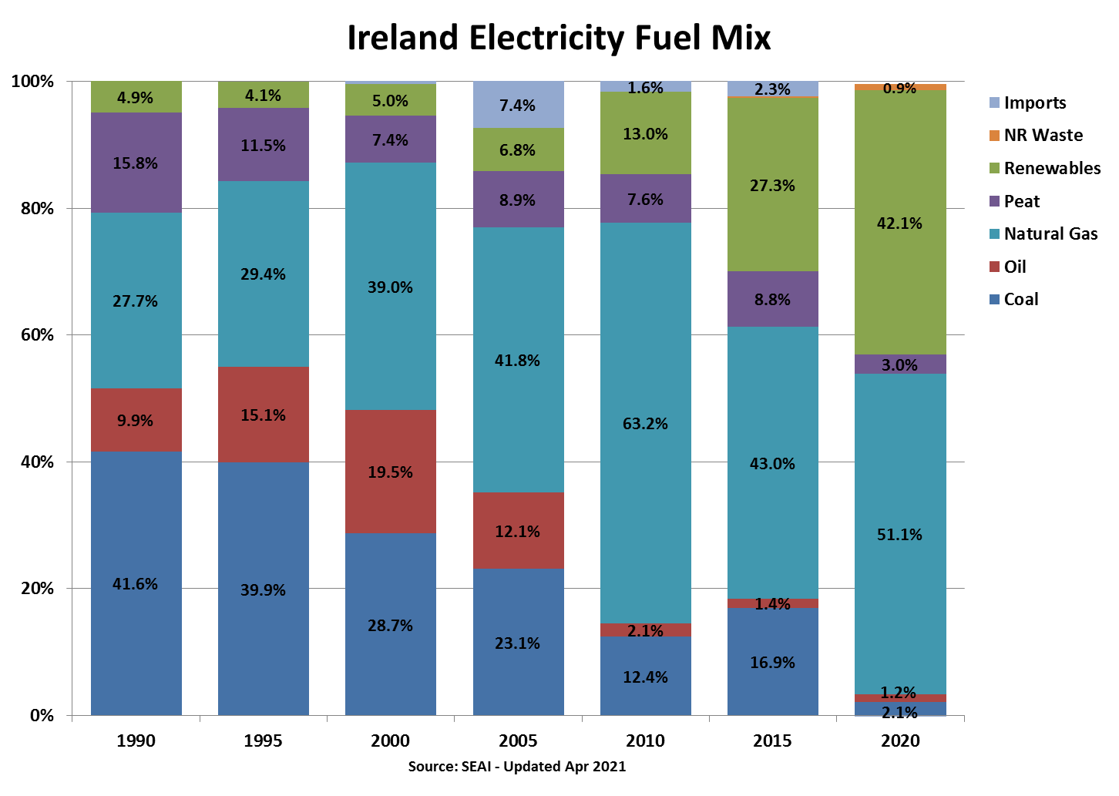
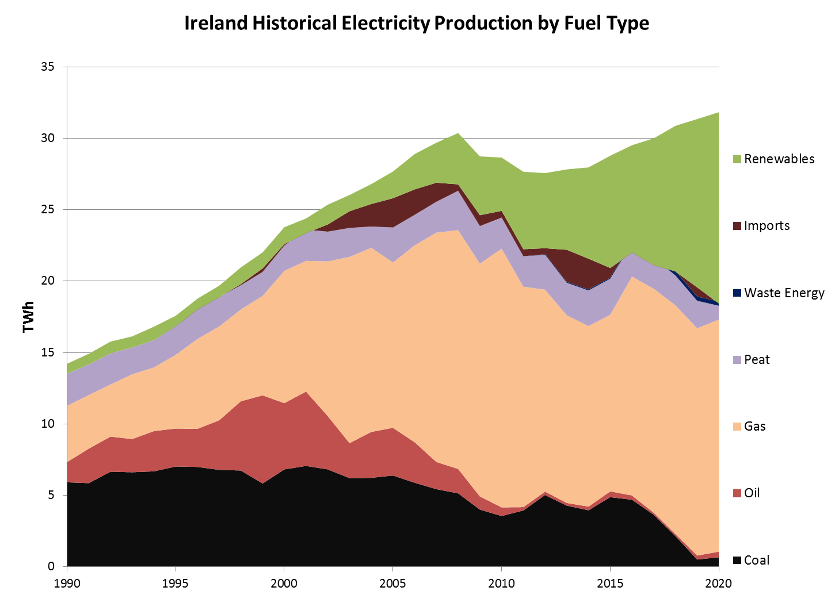

Electricity Fuel Mix as Percentage of Demand (Ireland only) - Source: SEAI - Apr 2021
Percentages (%)
Ireland Electricity Fuel Mix | 1990 | 1991 | 1992 | 1993 | 1994 | 1995 | 1996 | 1997 | 1998 | 1999 | 2000 | 2001 | 2002 | 2003 | 2004 | 2005 | 2006 | 2007 | 2008 | 2009 | 2010 | 2011 | 2012 | 2013 | 2014 | 2015 | 2016 | 2017 | 2018 | 2019 | 2020
Coal | 41.6% | 39.2% | 42.2% | 41.0% | 39.8% | 39.9% | 37.3% | 34.5% | 32.2% | 26.5% | 28.7% | 29.0% | 26.9% | 23.8% | 23.3% | 23.1% | 20.4% | 18.3% | 16.9% | 13.9% | 12.4% | 14.3% | 18.2% | 15.4% | 14.2% | 16.9% | 15.9% | 12.2% | 7.0% | 1.6% | 2.1%
Peat | 15.8% | 14.4% | 13.8% | 11.6% | 11.4% | 11.5% | 11.7% | 10.5% | 8.1% | 7.6% | 7.4% | 9.0% | 8.2% | 7.8% | 5.6% | 8.9% | 7.4% | 7.3% | 9.1% | 9.2% | 7.6% | 7.7% | 8.8% | 8.2% | 8.9% | 8.8% | 7.9% | 7.2% | 6.8% | 6.1% | 3.0%
Oil: | 9.9% | 16.2% | 15.6% | 14.4% | 16.7% | 15.1% | 14.2% | 17.6% | 23.1% | 28.0% | 19.5% | 21.3% | 14.7% | 9.4% | 12.0% | 12.1% | 9.8% | 6.4% | 5.6% | 3.2% | 2.1% | 0.8% | 0.9% | 0.7% | 0.9% | 1.4% | 1.0% | 0.5% | 0.5% | 0.9% | 1.2%
Gas Oil | 0.1% | 0.1% | 0.1% | 0.1% | 0.3% | 0.2% | 0.1% | 0.1% | 0.2% | 0.3% | 0.3% | 0.2% | 0.1% | 0.4% | 0.2% | 0.8% | 0.9% | 0.2% | 0.2% | 0.1% | 0.5% | 0.1% | 0.1% | 0.1% | 0.1% | 0.4% | 0.2% | 0.1% | 0.1% | 0.2% | 0.2%
Fuel Oil | 9.8% | 16.0% | 15.4% | 14.3% | 16.4% | 14.8% | 14.0% | 17.3% | 22.8% | 27.5% | 19.0% | 20.9% | 14.4% | 8.8% | 11.6% | 11.1% | 8.8% | 6.0% | 5.3% | 2.9% | 1.4% | 0.6% | 0.6% | 0.5% | 0.7% | 0.8% | 0.7% | 0.3% | 0.3% | 0.7% | 1.1%
Refinery Gas | 0.04% | 0.05% | 0.09% | 0.07% | 0.09% | 0.12% | 0.08% | 0.20% | 0.20% | 0.21% | 0.21% | 0.21% | 0.16% | 0.16% | 0.16% | 0.15% | 0.13% | 0.15% | 0.10% | 0.10% | 0.16% | 0.13% | 0.15% | 0.10% | 0.10% | 0.18% | 0.07% | 0.01% | 0.00% | 0.00% | 0.00%
LPG | 0.00% | 0.00% | 0.00% | 0.00% | 0.00% | 0.00% | 0.00% | 0.00% | 0.00% | 0.00% | 0.00% | 0.00% | 0.00% | 0.00% | 0.00% | 0.00% | 0.00% | 0.00% | 0.00% | 0.00% | 0.01% | 0.01% | 0.01% | 0.01% | 0.01% | 0.01% | 0.01% | 0.01% | 0.01% | 0.01% | 0.01%
Natural Gas | 27.7% | 25.2% | 23.1% | 28.1% | 26.5% | 29.4% | 33.5% | 33.4% | 30.7% | 31.6% | 39.0% | 37.5% | 42.7% | 50.1% | 48.1% | 41.8% | 47.7% | 54.1% | 55.0% | 56.7% | 63.2% | 55.8% | 51.3% | 47.2% | 45.2% | 43.0% | 51.9% | 52.3% | 51.9% | 50.8% | 51.1%
Renewables: | 4.9% | 5.0% | 5.2% | 4.8% | 5.6% | 4.1% | 4.1% | 4.1% | 5.6% | 5.1% | 5.0% | 4.2% | 5.5% | 4.4% | 5.2% | 6.8% | 8.6% | 9.4% | 11.8% | 14.3% | 13.0% | 19.6% | 19.1% | 20.2% | 22.9% | 27.3% | 25.5% | 29.6% | 33.0% | 37.6% | 42.1%
Hydro | 4.9% | 5.0% | 5.2% | 4.7% | 5.5% | 4.1% | 3.8% | 3.4% | 4.4% | 3.8% | 3.6% | 2.4% | 3.6% | 2.3% | 2.4% | 2.3% | 2.5% | 2.2% | 3.2% | 3.1% | 2.1% | 2.6% | 2.9% | 2.2% | 2.5% | 2.8% | 2.3% | 2.3% | 2.2% | 2.8% | 2.9%
Wind | 0.0% | 0.0% | 0.0% | 0.1% | 0.1% | 0.1% | 0.1% | 0.3% | 0.8% | 0.8% | 1.0% | 1.4% | 1.5% | 1.7% | 2.4% | 4.0% | 5.6% | 6.6% | 7.9% | 10.3% | 9.8% | 15.8% | 14.6% | 16.3% | 18.4% | 22.8% | 20.8% | 24.8% | 28.0% | 32.0% | 36.3%
Solar PV | 0% | 0% | 0% | 0% | 0% | 0% | 0% | 0% | 0% | 0% | 0% | 0% | 0% | 0% | 0% | 0% | 0% | 0% | 0% | 0.001% | 0.002% | 0.002% | 0.002% | 0.003% | 0.009% | 0.01% | 0.02% | 0.04% | 0.05% | 0.07% | 0.09%
Other Renewables | 0.0% | 0.0% | 0.0% | 0.0% | 0.0% | 0% | 0.14% | 0.41% | 0.41% | 0.41% | 0.40% | 0.40% | 0.32% | 0.33% | 0.41% | 0.47% | 0.44% | 0.60% | 0.71% | 0.91% | 1.1% | 1.2% | 1.6% | 1.7% | 1.9% | 1.7% | 2.3% | 2.5% | 2.7% | 2.7% | 2.8%
Non-Renewable Waste | 0% | 0% | 0% | 0% | 0% | 0% | 0% | 0% | 0% | 0% | 0% | 0% | 0% | 0% | 0% | 0% | 0% | 0% | 0% | 0% | 0% | 0% | 0.18% | 0.24% | 0.25% | 0.26% | 0.25% | 0.53% | 1.0% | 0.9% | 0.9%
Net Imports | 0% | 0% | 0% | 0% | 0% | -0.09% | -0.69% | -0.06% | 0.38% | 1.1% | 0.4% | -1.0% | 2.0% | 4.5% | 5.9% | 7.4% | 6.2% | 4.5% | 1.5% | 2.7% | 1.6% | 1.8% | 1.5% | 8.1% | 7.7% | 2.3% | -2.4% | -2.3% | -0.1% | 2.1% | -0.5%
Total | 100% | 100% | 100% | 100% | 100% | 100% | 100% | 100% | 100% | 100% | 100% | 100% | 100% | 100% | 100% | 100% | 100% | 100% | 100% | 100% | 100% | 100% | 100% | 100% | 100% | 100% | 100% | 100% | 100% | 100% | 100%

Volumes (GWh)
Ireland Electricity Fuel Mix | 1990 | 1991 | 1992 | 1993 | 1994 | 1995 | 1996 | 1997 | 1998 | 1999 | 2000 | 2001 | 2002 | 2003 | 2004 | 2005 | 2006 | 2007 | 2008 | 2009 | 2010 | 2011 | 2012 | 2013 | 2014 | 2015 | 2016 | 2017 | 2018 | 2019 | 2020
Coal | 5,918.0 | 5,853.0 | 6,658.0 | 6,618.0 | 6,684.0 | 7,018.0 | 6,992.0 | 6,787.0 | 6,740.0 | 5,832.0 | 6,817.0 | 7,062.0 | 6,821.0 | 6,203.0 | 6,229.0 | 6,389.0 | 5,884.0 | 5,437.0 | 5,141.9 | 4,004.3 | 3,554.7 | 3,944.8 | 5,024.4 | 4,282.6 | 3,956.7 | 4,874.4 | 4,695.7 | 3,644.6 | 2,151.7 | 507.9 | 669.2
Peat | 2,245.0 | 2,147.0 | 2,180.0 | 1,875.0 | 1,913.0 | 2,017.0 | 2,187.0 | 2,059.0 | 1,694.0 | 1,682.0 | 1,770.0 | 2,193.0 | 2,082.0 | 2,028.0 | 1,487.0 | 2,450.0 | 2,138.0 | 2,162.2 | 2,754.4 | 2,629.1 | 2,179.0 | 2,129.8 | 2,437.8 | 2,281.5 | 2,496.1 | 2,518.2 | 2,317.9 | 2,164.4 | 2,090.7 | 1,927.1 | 960.4
Oil: | 1,411.0 | 2,417.0 | 2,455.0 | 2,324.0 | 2,815.0 | 2,660.0 | 2,662.0 | 3,465.0 | 4,849.0 | 6,169.0 | 4,638.0 | 5,203.0 | 3,729.0 | 2,454.0 | 3,211.0 | 3,340.0 | 2,834.0 | 1,898.7 | 1,708.1 | 917.8 | 603.2 | 233.7 | 235.8 | 188.8 | 258.4 | 406.8 | 292.8 | 141.9 | 139.4 | 280.2 | 393.5
Gas Oil | 19.0 | 17.0 | 21.0 | 13.0 | 49.0 | 41.0 | 25.0 | 29.0 | 36.0 | 64.0 | 69.0 | 59.0 | 34.0 | 112.0 | 63.0 | 227.0 | 249.0 | 70.9 | 53.9 | 41.5 | 140.4 | 37.1 | 36.2 | 20.8 | 37.5 | 109.6 | 52.5 | 34.5 | 36.6 | 57.9 | 47.9
Fuel Oil | 1,386.0 | 2,393.0 | 2,420.0 | 2,299.0 | 2,751.0 | 2,598.0 | 2,622.0 | 3,396.0 | 4,772.0 | 6,058.0 | 4,518.0 | 5,093.0 | 3,653.0 | 2,300.0 | 3,105.0 | 3,070.0 | 2,545.0 | 1,783.2 | 1,621.8 | 846.7 | 415.3 | 158.6 | 156.9 | 136.6 | 191.1 | 242.1 | 216.1 | 101.8 | 99.3 | 218.9 | 343.3
Refinery Gas | 6.0 | 7.0 | 14.0 | 12.0 | 15.0 | 21.0 | 15.0 | 40.0 | 41.0 | 47.0 | 51.0 | 51.0 | 41.0 | 41.0 | 42.0 | 42.0 | 39.0 | 43.2 | 31.0 | 28.2 | 45.0 | 35.6 | 40.0 | 28.2 | 26.9 | 51.6 | 21.0 | 2.0 | 0.0 | 0.0 | 0.0
LPG | 0.0 | 0.0 | 0.0 | 0.0 | 0.0 | 0.0 | 0.0 | 0.0 | 0.0 | 0.0 | 0.0 | 0.0 | 1.0 | 1.0 | 1.0 | 1.0 | 1.0 | 1.4 | 1.4 | 1.4 | 2.5 | 2.4 | 2.7 | 3.3 | 2.8 | 3.5 | 3.2 | 3.6 | 3.5 | 3.5 | 2.3
Natural Gas | 3,941.0 | 3,752.0 | 3,648.0 | 4,535.0 | 4,456.0 | 5,160.0 | 6,291.0 | 6,569.0 | 6,425.0 | 6,958.0 | 9,263.0 | 9,147.0 | 10,829.0 | 13,038.0 | 12,894.0 | 11,574.0 | 13,785.0 | 16,057.7 | 16,716.1 | 16,298.1 | 18,110.8 | 15,432.2 | 14,139.3 | 13,129.8 | 12,635.0 | 12,367.5 | 15,328.4 | 15,679.9 | 16,014.0 | 15,906.2 | 16,250.1
Renewables: | 697.0 | 746.0 | 822.0 | 780.0 | 939.0 | 729.0 | 763.0 | 809.0 | 1,170.0 | 1,125.0 | 1,186.0 | 1,027.0 | 1,382.0 | 1,138.0 | 1,394.0 | 1,873.4 | 2,474.7 | 2,802.1 | 3,595.3 | 4,117.6 | 3,728.8 | 5,423.6 | 5,256.3 | 5,627.6 | 6,392.1 | 7,861.5 | 7,513.4 | 8,881.7 | 10,198.9 | 11,779.8 | 13,404.7
Hydro | 697.0 | 746.0 | 817.0 | 765.0 | 920.0 | 713.0 | 722.0 | 678.0 | 916.0 | 847.0 | 847.0 | 596.0 | 912.0 | 598.0 | 630.0 | 631.3 | 724.3 | 666.6 | 968.3 | 901.7 | 599.2 | 706.7 | 802.3 | 599.5 | 708.7 | 806.5 | 681.0 | 691.6 | 694.1 | 886.6 | 932.7
Wind | 0.0 | 0.0 | 5.0 | 15.0 | 19.0 | 16.0 | 14.0 | 50.0 | 169.0 | 187.0 | 244.0 | 334.0 | 388.0 | 454.0 | 655.0 | 1,111.9 | 1,622.0 | 1,958.4 | 2,410.0 | 2,955.2 | 2,814.7 | 4,380.3 | 4,010.5 | 4,541.5 | 5,140.1 | 6,573.0 | 6,147.0 | 7,444.0 | 8,639.8 | 10,019.5 | 11,549.4
Solar PV | 0.0 | 0.0 | 0.0 | 0.0 | 0.0 | 0.0 | 0.0 | 0.0 | 0.0 | 0.0 | 0.0 | 0.0 | 0.0 | 0.0 | 0.0 | 0.0 | 0.0 | 0.0 | 0.0 | 0.4 | 0.5 | 0.5 | 0.6 | 0.7 | 2.5 | 3.4 | 6.2 | 10.8 | 16.7 | 21.4 | 27.7
Other Renewables | 0.0 | 0.0 | 0.0 | 0.0 | 0.0 | 0.0 | 27.0 | 81.0 | 85.0 | 91.0 | 95.0 | 97.0 | 82.0 | 86.0 | 109.0 | 130.3 | 128.4 | 177.1 | 217.0 | 260.2 | 314.4 | 336.0 | 442.8 | 485.9 | 541.0 | 478.6 | 679.2 | 735.2 | 848.3 | 852.3 | 894.9
Non-Renewable Waste | 0.0 | 0.0 | 0.0 | 0.0 | 0.0 | 0.0 | 0.0 | 0.0 | 0.0 | 0.0 | 0.0 | 0.0 | 0.0 | 0.0 | 0.0 | 0.0 | 0.0 | 0.0 | 0.0 | 0.0 | 0.0 | 0.0 | 49.7 | 65.5 | 69.6 | 74.1 | 72.8 | 159.3 | 301.6 | 294.7 | 299.0
Net Imports | 0.0 | 0.0 | 0.0 | 0.0 | 0.0 | -15.0 | -129.0 | -12.0 | 79.0 | 241.0 | 98.0 | -250.0 | 503.0 | 1,166.0 | 1,574.0 | 2,044.2 | 1,777.9 | 1,330.4 | 450.2 | 763.8 | 470.3 | 490.1 | 413.5 | 2,242.2 | 2,149.1 | 673.4 | -711.7 | -678.5 | -27.7 | 644.5 | -151.9
Total Demand | 14,212.0 | 14,915.0 | 15,763.0 | 16,132.0 | 16,807.0 | 17,569.0 | 18,766.0 | 19,677.0 | 20,957.0 | 22,007.0 | 23,772.0 | 24,382.0 | 25,346.0 | 26,027.0 | 26,789.0 | 27,670.6 | 28,893.6 | 29,687.9 | 30,366.0 | 28,730.7 | 28,646.7 | 27,654.1 | 27,556.7 | 27,817.9 | 27,957.1 | 28,775.9 | 29,509.3 | 29,993.2 | 30,868.5 | 31,340.4 | 31,825.1

Notes:
Data source for Ireland's electricity fuel mix figures: Sustainable Energy Authority of Ireland (SEAI).
These figures are comprised of EirGrid's centrally dispatched generation figures plus small scale generation data compiled by SEAI.
SEAI may publish future updates to fuel mix figures as more data is collected throughout the year.
The "Oil" and "Renewable" rows are subtotals of the relevant categories below them.
"Other Renewable" energy source include renewable CHP, bio energy, solar and ocean energy.
Pumped hydro is not included in the hydro figures. It is considered storage and delayed output rather than primary production.
Negative net imports indicate net exported energy.

CO2 Intensity from Electricity Generation in Ireland (gCO2/kWh)
Year | 1990 | 1991 | 1992 | 1993 | 1994 | 1995 | 1996 | 1997 | 1998 | 1999 | 2000 | 2001 | 2002 | 2003 | 2004 | 2005 | 2006 | 2007 | 2008 | 2009 | 2010 | 2011 | 2012 | 2013 | 2014 | 2015 | 2016 | 2017 | 2018 | 2019 | 2020
Intensity gCO2/kWh | 896.3 | 884.9 | 887.3 | 862.3 | 855.1 | 860.8 | 854.3 | 838.8 | 823.1 | 814.9 | 770.6 | 806.7 | 742.9 | 675.1 | 638.2 | 635.6 | 596.2 | 561.0 | 547.9 | 523.0 | 529.8 | 488.9 | 529.0 | 465.5 | 456.1 | 467.3 | 484.0 | 440.9 | 375.4 | 324.6 | 296.2
Source: SEAI - Apr 2021

