Sheet1
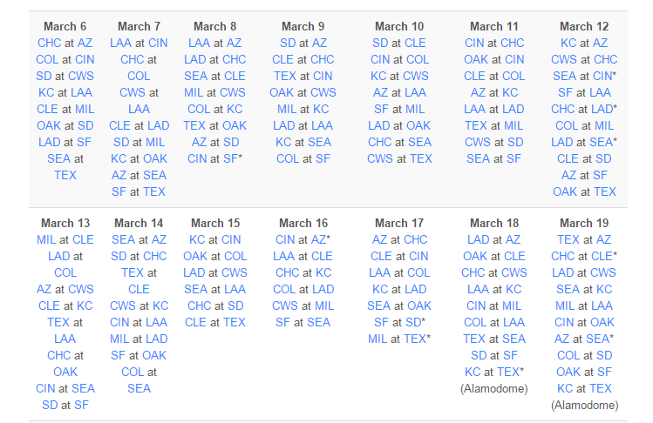

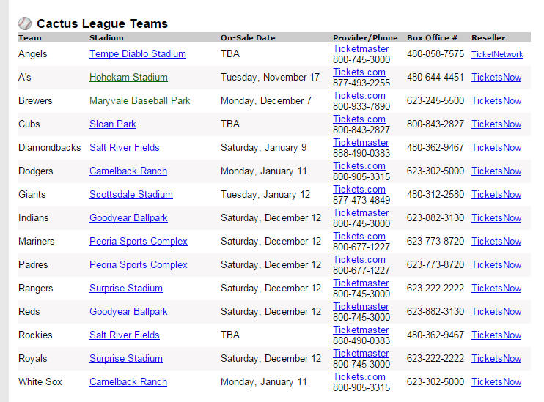

 | fri | sat | sun | mon | ONSALE DATES! |  | GET THESE EARLY
 | 11 | 12 | 13 | 14

 | Cin at CHC | CWS at CHC |  | CIN at LAA | CUBS SALE | Saturday, Jan 9
 | Sea at SF | AZ at SF
 |  |  |  |  | GIANTS | Thursday 1/14

Tickets | 10 | 12 | 12 | 10
Game | CLE at COL | SF at LAA | Cubs at Oak | SD at CHC | NOTES
 | Done | Done | Done | Done | 1 | LEARN ON SALE DATE EARLY…. SOME START IN DECEMBER!
 |  | $421.96 |  |  | 2 | CHOOSE GAMES EARLY… SO YOU CAN USE ONSALE DATES
 |  | $684.84 |  |  | 3 | IE: BUY TICKETS FROM MLB…
Total | $418.00 | $1,106.80 | $546.75 | $370.00
Per | $41.80 | $92.23 | $45.56 | $37.00

 |  |  |  | SF at OAK
 |  |  |  | DONE
 |  |  |  | $396.25
 |  |  |  | -106
 |  |  |  | -269
 |  |  |  | $21.25

