on-sale
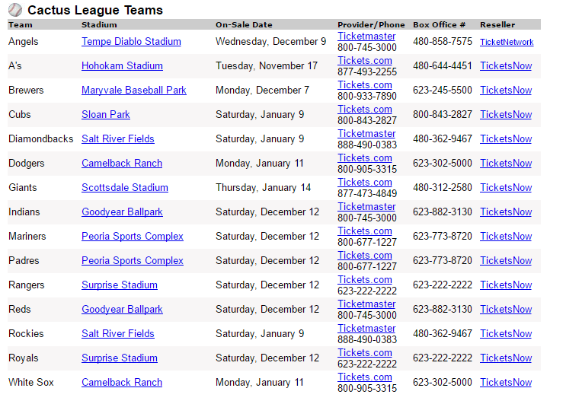

Link: | http://www.cactusleague.com/tickets-stadiums.php
Ballpark Guide: | http://www.springtrainingconnection.com/ballpark-guide.html
On Sale Dates: | http://www.springtrainingconnection.com/tickets.html

 | s | m | t | w | t | f | s
REDS | 2016-11-13 | 2016-11-14 | 2016-11-15 | 2016-11-16 | 2016-11-17 | 2016-11-18 | 2016-11-19
Seattle ?? |  |  |  |  | A'S | ROCKIES
Chicago White Sox (jan?) | 2016-11-20 | 2016-11-21 | 2016-11-22 | 2016-11-23 | 2016-11-24 | 2016-11-25 | 2016-11-26

 | 2016-11-27 | 2016-11-28 | 2016-11-29 | 2016-11-30 | 2016-12-01 | 2016-12-02 | 2016-12-03
 |  |  |  |  | ROCKIES?
 |  |  |  |  |  | ANGLES
 | 2016-12-04 | 2016-12-05 | 2016-12-06 | 2016-12-07 | 2016-12-08 | 2016-12-09 | 2016-12-10
 |  | BREWERS |  |  |  |  | ROYALS
 | 2016-12-11 | 2016-12-12 | 2016-12-13 | 2016-12-14 | 2016-12-15 | 2016-12-16 | 2016-12-17

 | 2016-12-18 | 2016-12-19 | 2016-12-20 | 2016-12-21 | 2016-12-22 | 2016-12-23 | 2016-12-24

 | 2016-12-25 | 2016-12-26 | 2016-12-27 | 2016-12-28 | 2016-12-29 | 2016-12-30 | 2016-12-31

 | 2017-01-01 | 2017-01-02 | 2017-01-03 | 2017-01-04 | 2017-01-05 | 2017-01-06 | 2017-01-07
 |  |  |  | DODGERS ? |  |  | DIAMONDBCKS
 |  |  |  |  |  |  | CUBS

 | 2017-01-08 | 2017-01-09 | 2017-01-10 | 2017-01-11 | 2017-01-12 | 2017-01-13 | 2017-01-14
 |  | Chicago White Sox | RANGERS |  |  |  | GIANTS

 | 2017-01-15 | 2017-01-16 | 2017-01-17 | 2017-01-18 | 2017-01-19 | 2017-01-20 | 2017-01-21

 | 2017-01-22 | 2017-01-23 | 2017-01-24 | 2017-01-25 | 2017-01-26 | 2017-01-27 | 2017-01-28

schedule
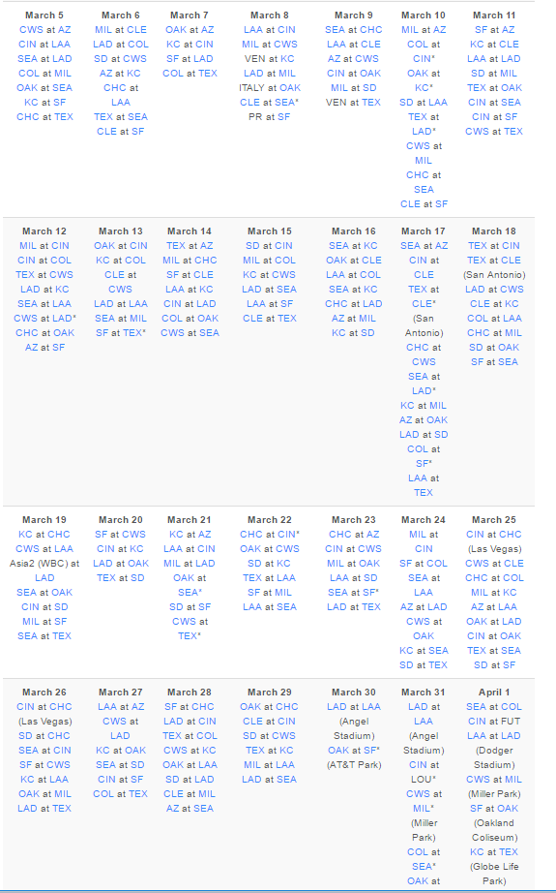

 |  |  |  |  |  |  |  | Saturday, Mar 18 thru Tuesday, Mar 21 ==> 104.5 points |  |  | Tickets? | Count | Cost | Per | Miles | Minutes

 |  |  |  |  |  |  |  | Saturday, Mar 18 ==> 27.1 points
 |  |  |  |  |  |  | 10 | CHC at MIL ==> 31.0 points | Maryvale | Sunny | Yes | 10 | $335.00 | $33.50 | 16 | 21
 |  |  |  |  |  |  |  | SF at SEA ==> 25.0 points
 |  |  |  |  |  |  |  | LAD at CWS ==> 10.0 points
 |  |  |  |  |  |  |  | COL at LAA ==> 10.0 points
 |  |  |  |  |  |  |  | SD at OAK ==> 10.0 points
 |  |  |  |  |  |  |  | TEX at CIN ==> -3.0 points (split)
 |  |  |  |  |  |  |  | TEX at CLE ==> -3.0 points (split)
 |  |  |  |  |  |  |  | CLE at KC ==> -3.0 points (split)
 |  |  |  |  |  |  |  | Sunday, Mar 19 ==> 31.0 points
 |  |  |  |  |  |  | 10 | MIL at SF ==> 35.0 points |  | Shade |  |  |  |  | 8 | 16
 |  |  |  |  |  |  |  | KC at CHC ==> 30.0 points |  | NIGHT |  | 15 | $1,814.00 | $120.93
 |  |  |  |  |  |  |  | CWS at LAA ==> 10.0 points
 |  |  |  |  |  |  |  | CIN at SD ==> 10.0 points
 |  |  |  |  |  |  |  | SEA at OAK ==> -3.0 points (split)
 |  |  |  |  |  |  |  | SEA at TEX ==> -3.0 points (split)
 |  |  |  |  |  |  |  | Monday, Mar 20 ==> 19.0 points
 |  |  |  |  |  |  | 10 | SF at CWS ==> 25.0 points (camelback ranch) |  | Sunny | Yes | 10 | $403.00 | $40.30 | 26 | 36
 |  |  |  |  |  |  |  | CIN at KC ==> 10.0 points (surprise) |  | Selling | NA
 |  |  |  |  |  |  |  | LAD at OAK ==> 10.0 points (night, AZ)
 |  |  |  |  |  |  |  | TEX at SD ==> 10.0 points
 |  |  |  |  |  |  |  | Tuesday, Mar 21 ==> 27.4 points
 |  |  |  |  |  |  | 8 | SD at SF ==> 35.0 points |  | Sunny |  | 8 | 849.26 | $106.16 | 8 | 16
 |  |  |  |  |  |  |  | KC at AZ ==> 18.0 points
 |  |  |  |  |  |  |  | LAA at CIN ==> 10.0 points
 |  |  |  |  |  |  |  | MIL at LAD ==> 10.0 points
 |  |  |  |  |  |  |  | OAK at SEA ==> -5.0 points (night)
 | 296 | 396 | 692 | 86.5 |  |  |  | CWS at TEX ==> -5.0 points (night)
 | 444 | 260 | 704 | 88 |  |  |  |  |  | Total |  |  |  | $300.89
305 | 2 | 68.88 |  |  |  |  |  |  |  | Average |  |  |  | $75.22
 |  |  |  |  |  |  |  |  |  | Budget |  |  |  | $215.00
 |  |  |  |  |  |  |  |  |  | Remaining |  |  |  | $(85.89)
 |  |  |  |  | $136.80 | 35 |  | Thinking…
 |  |  |  |  | $210.60 | 10 |  | a) Buy KC tix on Monday as fallback?
 |  | 605 |  |  | $347.40 |  |  | b) Buy Cubs ticx on 19th as fallback to SF?
 |  | 1209 |  |  |  |  |  | c)
 |  | 1814

Sheet1
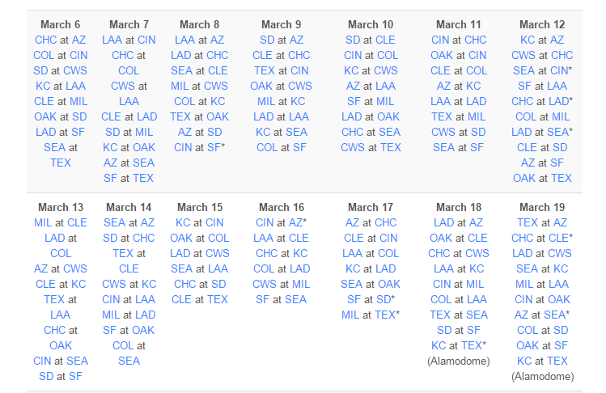

 | fri | sat | sun | mon | ONSALE DATES! |  | GET THESE EARLY
 | 11 | 12 | 13 | 14

 | Cin at CHC | CWS at CHC |  | CIN at LAA | CUBS SALE | Saturday, Jan 9
 | Sea at SF | AZ at SF
 |  |  |  |  | GIANTS | Thursday 1/14

Tickets | 10 | 12 | 12 | 10
Game | CLE at COL | SF at LAA | Cubs at Oak | SD at CHC | NOTES
 | Done | Done | Done | Done | 1 | LEARN ON SALE DATE EARLY…. SOME START IN DECEMBER!
 |  | $421.96 |  |  | 2 | CHOOSE GAMES EARLY… SO YOU CAN USE ONSALE DATES
 |  | $684.84 |  |  | 3 | IE: BUY TICKETS FROM MLB…
Total | $418.00 | $1,106.80 | $546.75 | $370.00
Per | $41.80 | $92.23 | $45.56 | $37.00

 |  |  |  | SF at OAK
 |  |  |  | DONE
 |  |  |  | $396.25
 |  |  |  | -106
 |  |  |  | -269
 |  |  |  | $21.25

